David_description
David_Codes | David_description
case | participant_code
HY_score | see description below, ordinal scala
MOCA | measure for cognitive impairment_Montreal Cognitive Assessment
BL_feeling | Baseline: feeling of being creative; Likert scale 1 not at all to 11 totally (continuous) | Baseline time
BL_expressive | Baseline: creative expressions; 11-point Likert scale (continuous); 1 not at all to 11 totally | Baseline time
T1_feeling | T1: feeling of being creative; 11-point Likert scale (continuous); -5 decrease; 0 = no change, +5 increase | T1, when first symptoms emerged
T1_expression | T1: creatively expressive; 11-point Likert scale (continuous);-5 decrease; 0 = no change, +5 increase | T1, when first symptoms emerged
T2_feeling | T2: feeling of being creative; 11-point Likert scale (continuous); -5 decrease; 0 = no change, +5 increase | T2, after diagnosis
T2_expression | T2: creatively expressive; 11-point Likert scale (continuous);-5 decrease; 0 = no change, +5 increase | T2, after diagnosis
T3_feeling | T3: feeling of being creative; 11-point Likert scale (continuous); -5 decrease; 0 = no change, +5 increase | TARGET model feeling of being creative, T3, last three month
T3_expression | T3: creatively expressive; 11-point Likert scale (continuous); -5 decrease; 0 = no change, +5 increase | TARGET model creative expressions, T3 last three months
T3-levodopa | 1= yes, 0 = no
T3-DA-agonisten | 1 = yes, 0 = no
BIG5_extraversion | BFI-10, 5 point Likert scale (ordinal); 1 = disagree strongly, 2= disagree little, 3=neither agree nor disagree, 4 = agree a little, 5 = agree strongly
BIG5_agreeableness | BFI-10, 5 point Likert scale (ordinal); 1 = disagree strongly, 2= disagree little, 3=neither agree nor disagree, 4 = agree a little, 5 = agree strongly
BIG5_conscientiousness | BFI-10, 5 point Likert scale (ordinal); 1 = disagree strongly, 2= disagree little, 3=neither agree nor disagree, 4 = agree a little, 5 = agree strongly
BIG5_neuroticism | BFI-10, 5 point Likert scale (ordinal); 1 = disagree strongly, 2= disagree little, 3=neither agree nor disagree, 4 = agree a little, 5 = agree strongly
BIG5_openness to Experience | BFI-10, 5 point Likert scale (ordinal); 1 = disagree strongly, 2= disagree little, 3=neither agree nor disagree, 4 = agree a little, 5 = agree strongly
positive_schizotypy | sum of 13 items
negative_schizotypy | sum of 13 items
disorganized__schizotypy | sum of 12 items
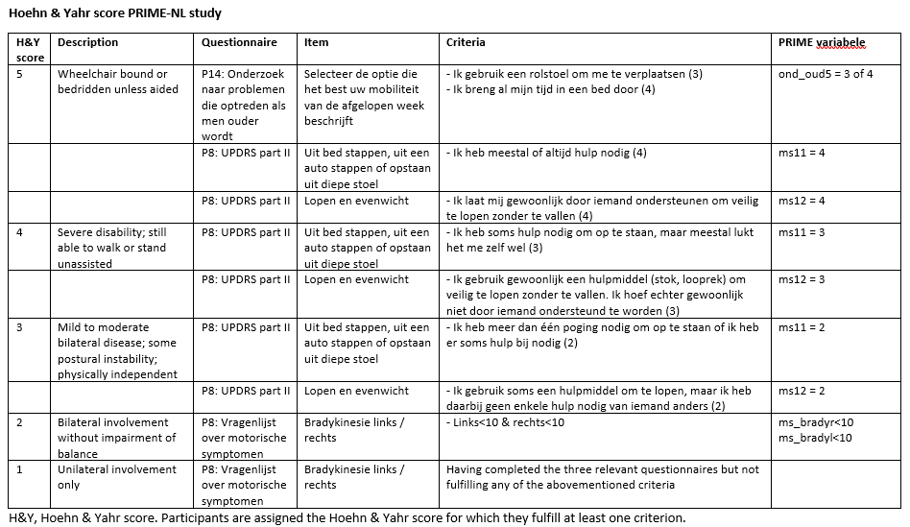

HY score details | • The item ‘Bradykinesie links/rechts’ was not asked in year 2: Answers from year 1 are used • The item ‘Selecteer de optie die het best uw mobiliteit van de afgelopen week beschijft’ was not asked in year 2: the H&Y score of 5 is based on the other 2 items in the table.

