David_description
David_Codes | David_description
case | participant_code
current_creativity | T3: creatively expressive; 11-point Likert scale (continuous); -5 decrease; 0 = no change, +5 increase | TARGET model creative expressions,current incl. last three months
HY_score | see description below, ordinal scala
MOCA | measure for cognitive impairment_Montreal Cognitive Assessment
pre-synaptic-baseline_creativity | Baseline: creative expressions; 11-point Likert scale (continuous); 1 not at all to 11 totally | Baseline time
symptom-onset_creativity | T1: creatively expressive; 11-point Likert scale (continuous);-5 decrease; 0 = no change, +5 increase | T1, when first symptoms emerged
post-diagnosis_creativity | T2: creatively expressive; 11-point Likert scale (continuous);-5 decrease; 0 = no change, +5 increase | T2, after diagnosis
personal_reaction_to_living situation_post-diagnosis | 1= yes, 0 = no | increased_freetime
external_care-giver_initiated | 1= yes, 0 = no
increased_freetime | 1 = yes, 0 = no
post-diagnosis-levodopa | 1= yes, 0 = no
post-diagnosis_DA-agonist | 1 = yes, 0 = no
current-levodopa | 1= yes, 0 = no
current-DA-agonist | 1 = yes, 0 = no
BIG5_extraversion | BFI-10, 5 point Likert scale (ordinal); 1 = disagree strongly, 2= disagree little, 3=neither agree nor disagree, 4 = agree a little, 5 = agree strongly
BIG5_agreeableness | BFI-10, 5 point Likert scale (ordinal); 1 = disagree strongly, 2= disagree little, 3=neither agree nor disagree, 4 = agree a little, 5 = agree strongly
BIG5_conscientiousness | BFI-10, 5 point Likert scale (ordinal); 1 = disagree strongly, 2= disagree little, 3=neither agree nor disagree, 4 = agree a little, 5 = agree strongly
BIG5_neuroticism | BFI-10, 5 point Likert scale (ordinal); 1 = disagree strongly, 2= disagree little, 3=neither agree nor disagree, 4 = agree a little, 5 = agree strongly
BIG5_openness to Experience | BFI-10, 5 point Likert scale (ordinal); 1 = disagree strongly, 2= disagree little, 3=neither agree nor disagree, 4 = agree a little, 5 = agree strongly
positive_schizotypy | sum of 13 items
negative_schizotypy | sum of 13 items
disorganized__schizotypy | sum of 12 items
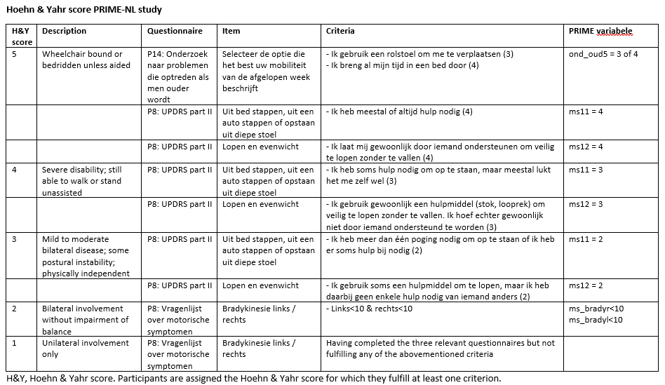

HY score details | • The item ‘Bradykinesie links/rechts’ was not asked in year 2: Answers from year 1 are used • The item ‘Selecteer de optie die het best uw mobiliteit van de afgelopen week beschijft’ was not asked in year 2: the H&Y score of 5 is based on the other 2 items in the table.

