Hoja1
N | Nsteps | Promedio | N | Nsteps | Promedio | N | Nsteps | Promedio
10 | 10 | 0.0029898 | 100 | 10 | 0.0037974 | 1000 | 10 | 0.0036272
10 | 100 | 0.019802 | 100 | 100 | 0.0183748 | 1000 | 100 | 0.0240984 | N | NSTEPS | T. OMP | T. MPI
10 | 1000 | 0.2043778 | 100 | 1000 | 0.1899384 | 1000 | 1000 | 0.220328 | 1000 | 20000 | 0.0871832 | 4.5309
10 | 2000 | 0.3770112 | 100 | 2000 | 0.4104562 | 1000 | 2000 | 0.4651856 | 10000 | 20000 | 0.8674018 | 4.38907
10 | 5000 | 0.9913528 | 100 | 5000 | 0.9936118 | 1000 | 5000 | 1.2760372 | 100000 | 20000 | 8.963671 | 6.8
10 | 10000 | 2.2882142 | 100 | 10000 | 2.1262058 | 1000 | 10000 | 2.6072402 | 1000000 | 20000 | 95.028266 | 28.5855
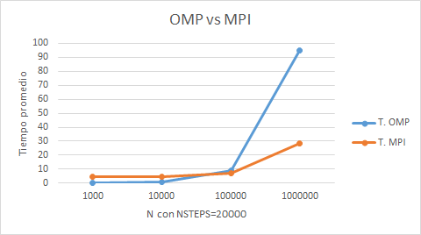
10 | 20000 | 4.107152 | 100 | 20000 | 5.320828 | 1000 | 20000 | 4.5309248

N | Nsteps | Promedio | N | Nsteps | Promedio | N | Nsteps | Promedio
10000 | 10 | 0.0033198 | 100000 | 10 | 0.0062828 | 1000000 | 10 | 0.0181666
10000 | 100 | 0.0267752 | 100000 | 100 | 0.0383556 | 1000000 | 100 | 0.15383
10000 | 1000 | 0.2174056 | 100000 | 1000 | 0.3698584 | 1000000 | 1000 | 1.4434802
10000 | 2000 | 0.408292 | 100000 | 2000 | 0.753587 | 1000000 | 2000 | 2.8685452
10000 | 5000 | 1.03744 | 100000 | 5000 | 1.8235892 | 1000000 | 5000 | 7.3380398
10000 | 10000 | 1.9812546 | 100000 | 10000 | 3.159139 | 1000000 | 10000 | 13.94786
10000 | 20000 | 4.3890708 | 100000 | 20000 | 6.8000688 | 1000000 | 20000 | 28.5855012
N=10
N=100

N=1000
N=10000

N=100000
N=1000000

