01
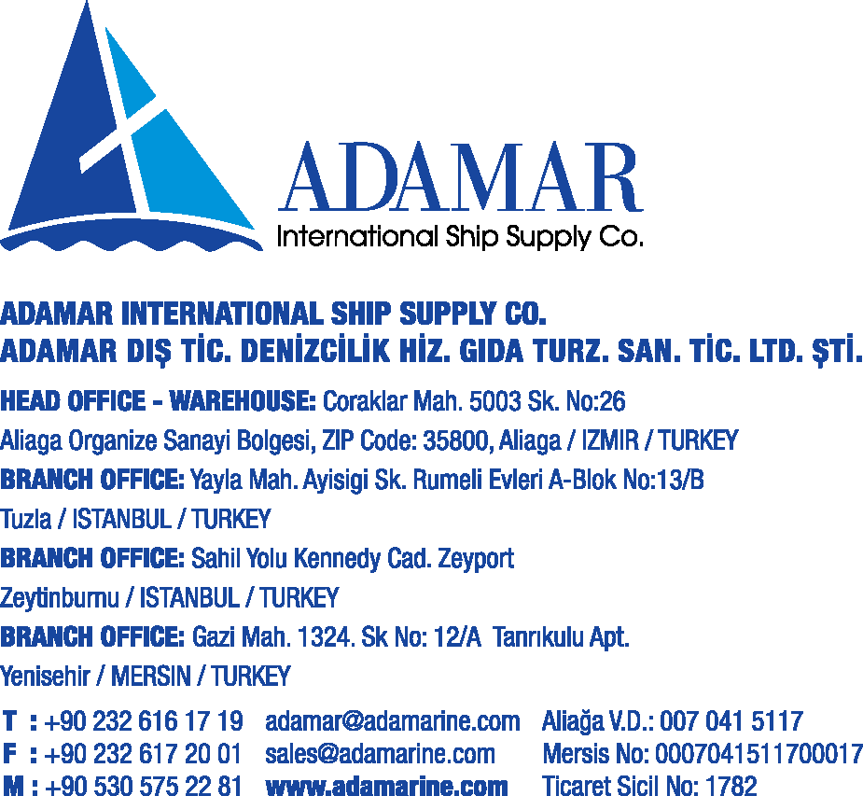

 | Info Line 1
 | Info Line 2
 | Info Line 3
 | Info Line 4
 | Info Line 5

 | Info Line 6 | DELIVERY NOTE
 | Info Line 7 | DATE | date
 | Info Line 8 | NO | no
 |  | rfq

NO | ITEMS | QTTY | UNIT
 | aaaaaaaaaaaaaaaaaaaaaaaaaaaaaaaaaaaaaaaaaaaaaaaaaaaaaaaaaaaaaaaaaaaaaaaaaaaaaaaaaaaaaaaaaaaaaaaaaaaaaaaaaaaaaaaaaaaa

 |  | Stamp & Signature

