Sheet
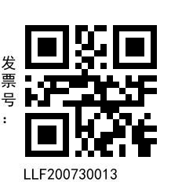





 | 
 | 
 | 

