39110
Main
 | Brand Name | INCB039110
 | Generic Name
 | Structure | (2-(3-(4-(7H-pyrrolo[2,3-day]pyrimidin-4-yl)-1H-pyrazol-1-yl)-1-(1-(3-fluoro-2-(trifluoromethyl)isonicotinoyl)piperidin-4-yl)azetidin-3-yl)acetonitrile)
 | Indication | DLBCL, GVHD
 | Economics | 100%?
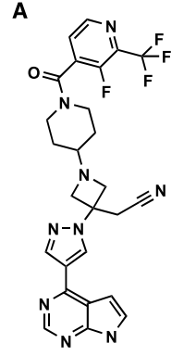
 | MOA | JAK1 selective
 | Clinical Trials
 |  | Phase II NSCLC NCT02257619

 |  | Phase I/II DLBCL with ibrutinib NCT02760485

 |  | Phase I GVHD NCT02614612

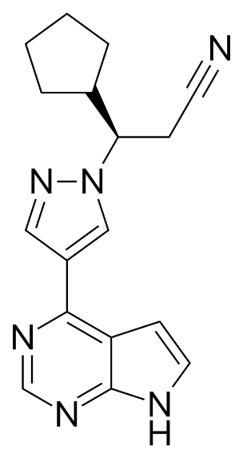
 |  | Psoriasis - published in J Dermatolog Treat 2016

 |  | Myelofibrosis

Jakafi
Main
 | Brand Name | Jakafi
 | Generic Name | ruxolitinib
 | IP | 7598257 (COM), 8415362, 8722693, 8822481, 8829013, 9079912 - expires 2026
 | Competition | momelotinib (Gilead, Cytopia, GS-0387, CYT387), pacritinib, NS-018 (NS Pharma), Imetelstat, fedratinib (Sanofi, halted, JAK2, encephalopathy tox)
 | Clinical Trials
 |  | Phase III COMFORT-1

 |  | Phase III ReTHINK

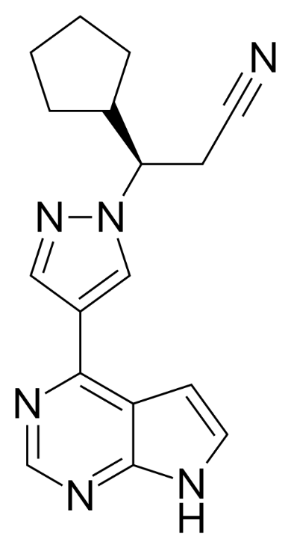
 |  | Phase III RESPONSE

 |  | JUMP

 |  | Pancreatic Cancer

baricitinib
Main
 | Brand Name
 | Generic Name | baricitinib
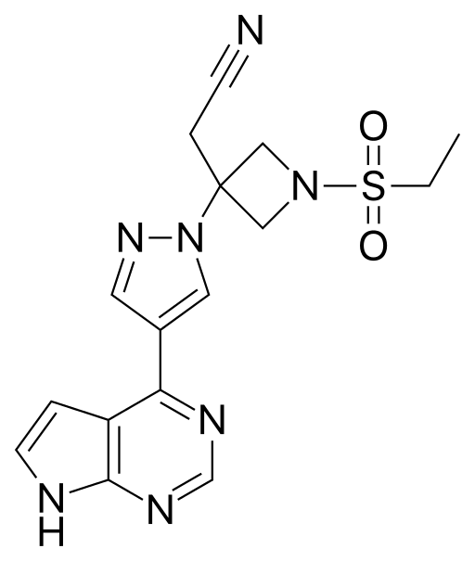
 | MOA | JAK1/2 inhibitor
 | Economics | Lilly
 | Indication | Rheumatoid Arthritis
 | Structure | same scaffold as Jakafi (nitrile, pyrimidine, pyrazole).
 | Clinical Trials
 |  | Phase III RA-BEACON - NEJM

 |  | Phase III RA-BEGIN

