Keytruda
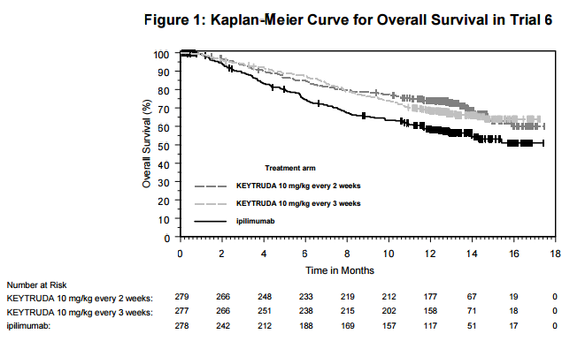
Main
 | Brand | Keytruda
 | Generic | pembrolizumab
 | Indication | Metastatic Melanoma, NSCLC
 | Clinical Trials

 |  | Trial 2

 |  | Trial 1

 |  | n=834 "Trial 6" in ipilimumab-naïve melanoma Keytruda q3w, q2w vs ipilimumab
 |  | HR=0.63 vs. ipilimumab for q2w and HR=0.69 for q3w.
 |  | 70% alive for q2w vs. 67% alive for q2w vs. 60% alive for ipi.

