Main
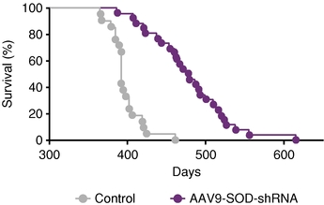
Name | Phase | Indication | Mechanism | Economics | Competition | IP | Price | 28.00
VY-AADC01 | I | Parkinson's | AAV2 AADC | SNY |  |  | Shares | 27 | Q315
VY-SOD101 | PC | ALS | AAV SOD1 |  |  |  | MC | 750
VY-FXN01 | PC | Friedreich's Ataxia | AAV FXN | SNY |  |  | Cash | 243 | Q315
VY-HTT01 | PC | Huntington's | AAV HTT | SNY |  |  | Debt | 0 | Q315
VY-SMN101 | PC | SMA | AAV SMN | SNY |  |  | EV | 507

2/2/14: Third Rock Ventures launches Voyager with $45m.

2017: IND for preclinical program.

AADC01
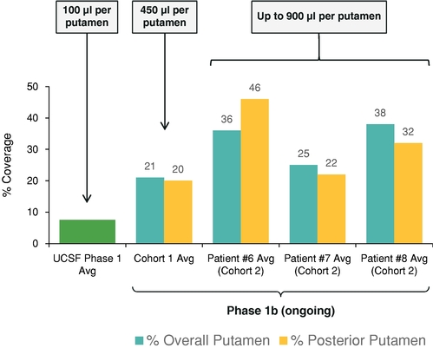
Main
 | Brand Name | AAV2-hAADC
 | Competitor | Neurologix failure
 | Clinical Trials
 |  | Phase I/II n=10
 |  | Neurosurgical

 |  | UCSF Phase I

