WorkOrder
 |  |  |  |  |  |  |  |  | Customer Information
 |  |  |  |  |  |  |  |  |  |  |  |  |  |  |  |  |  |  |  | MCS WO#: | M13433968

 |  |  |  |  |  |  |  |  |  |  |  | Customer: |  | 528

 |  |  |  |  |  |  |  |  |  |  |  |  |  |  |  |  |  |  | WO Type: |  | Snow Removal
 |  |  |  |  |  |  |  |  |  | Loan Number: |  |  |  | ****4167
 |  |  |  |  |  |  |  |  |  |  |  |  |  |  |  |  |  |  | Client WO#:
 | To: |  |  | REPAIR AND PRESERVATION NETWORK LLC

 |  |  |  |  |  |  |  |  |  |  |  | Loan Type: |  | CONV (13)

 |  |  | 10 OLD MAMARONECK ROAD UNIT 1A
 |  |  |  |  |  |  |  |  |  |  |  |  |  |  |  | Mortgager Information

 |  |  |  |  |  |  |  |  | Ordered Date: |  |  |  |  | Wednesday, February 19, 2020
 |  |  | WHITE PLAINS, NY 10605

 |  |  |  |  |  |  |  |  |  |  |  |  |  |  |  |  |  |  |  |  | 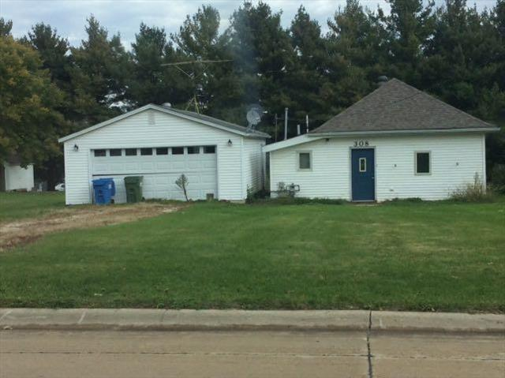
 |  |  |  |  |  |  |  |  |  |  |  |  |  |  |  | ALISON M RUST

 |  |  |  |  |  |  |  |  |  |  |  | Due Date: |  | 02/21/2020
 |  |  | 8667768880
 |  |  |  |  |  |  |  |  |  |  |  |  |  |  |  | 308 N HIGH STREET
 |  |  |  |  |  |  |  |  |  |  |  | Sale Date:

 |  |  |  |  |  |  |  |  |  |  |  |  |  |  |  | GREENE, IA 50636
 | Property Access Info
 |  |  |  |  |  |  |  |  |  | Investor Type:
 |  |  |  |  |  |  |  |  |  |  |  |  |  | Not Provided
 |  |  |  |  |  |  |  |  |  |  |  |  |  |  |  |  | Addt'l Bldg(s):Detached Garage
 | Keypad Code:

 |  |  |  |  |  |  |  |  |  |  |  |  |  |  |  |  | Lockbox Code: 2474
 | Phone:

 |  |  |  |  |  |  |  |  |  |  | Access Note:

 | Community:

 | Comments: |  |  |  |  | Current keycode(s) / location(s) are: 35241/Front. Last Grass Cut Date: 10/25/2019RVM Contact: PETE.STREICHER@MCS360.COM

Description |  |  |  |  |  |  | Additional Instructions
Snow Removal |  |  |  |  |  |  | Snow shall be removed from the entire entry way, walkways, porch, and a one car width section of the driveway following a minimum three-inch (3”) accumulation for the FNMA allowable. If snow fall is more than 12 inches or if unable to perform the snow removal per the FNMA Guidelines/Pricing: Provide a bid. Provide the length of the driveway, sidewalks, etc. and the snow depth (inches or feet).
BID TO SATISFY VIOLATION |  |  |  |  |  |  | If a violation is posted at the property bid to cure. Please upload photos of any posted violations and submit a violation report within 24 hours of discovery and upload a PDF copy into the legal documents. Upload Damage Reports, if applicable.
MISCELLANEOUS |  |  |  |  |  |  | IF OCCUPIED: If property is deemed occupied, provide a minimum of two occupancy indicators to validate the occupancy. Provide detailed completion notes to explain the occupancy determination.
Photos |  |  |  |  |  |  | Provide a minimum of 8 photos documenting the before, during, and after shots of the snow removal. Ensure you carefully document the areas and dimensions of where the removal occurred.

 |  | Current Damages
 |  | Discovered |  |  | Type |  |  | Dmg Amt Range |  |  |  |  | Cause / Source |  | Comments |  |  | Status |  |  |  | Last Updated
 |  | 12/16/2017 |  |  | Owner Neglect |  |  | Less than $500.00 |  |  |  |  | NEGLECT/POSSIBLE VANDALISM |  | DAMAGED DOOR JAMBS ON BACK DOOR AND GARAGE MAN DOOR |  |  | No Change/Stable |  |  |  | 02/19/2020
 |  | 12/16/2017 |  |  | Owner Neglect |  |  | Less than $500.00 |  |  |  |  | NEGLECT |  | MISSING RAILING ON BACK DECK - SAFETY HAZARD |  |  | No Change/Stable |  |  |  | 02/19/2020
 |  | 02/14/2020 |  |  | Mildew/Mold |  |  | $1001.00 - $2000.00 |  |  |  |  | Excessive Moisture |  | MOLD |  |  | No Change/Stable |  |  |  | 02/19/2020
 |  | 12/16/2017 |  |  | Water |  |  | $501.00 - $1000.00 |  |  |  |  | PREVIOUS ROOF LEAK, POSSIBLE CURRENT LEAK - INSPECTION NEEDED TO DETERMINE |  | WATER SPOTS PRESENT ON CEILING |  |  | No Change/Stable |  |  |  | 02/19/2020
 |  | 11/13/2017 |  |  | Missing/Damaged water heater/tank |  |  | Less than $500.00 |  |  |  |  | Neglect |  | BROKEN LINES |  |  | No Change/Stable |  |  |  | 02/19/2020
 |  | 12/16/2017 |  |  | Unfinished Rehab |  |  | $2001.00 - $5000.00 |  |  |  |  | UNF REHAB |  | UNF REHAB IN MULTIPLE ROOMS |  |  | No Change/Stable |  |  |  | 02/19/2020
 |  | 12/16/2017 |  |  | Exposed Electrical |  |  | $2001.00 - $5000.00 |  |  |  |  | NEGLECT |  | EXPOSED ELECTRICAL WIRES PRESENT - INTERIOR AND EXTERIOR - INSPECTION NEEDED |  |  | No Change/Stable |  |  |  | 02/19/2020
 |  | 12/16/2017 |  |  | Plumbing |  |  | $501.00 - $1000.00 |  |  |  |  | NEGLECT |  | PLUMBING DAMAGE ALL THROUGH HOUSE - INSPECTION NEEDED |  |  | No Change/Stable |  |  |  | 02/19/2020
 |  | 12/16/2017 |  |  | Plumbing |  |  | Less than $500.00 |  |  |  |  | NEGLECT |  | DAMAGED TOILET |  |  | No Change/Stable |  |  |  | 02/19/2020
 |  | 12/16/2017 |  |  | Roof |  |  | $501.00 - $1000.00 |  |  |  |  | NEGLECT |  | MISSING/DAMAGED FASCIA AND SOFFIT |  |  | No Change/Stable |  |  |  | 02/19/2020

