SUELDOS
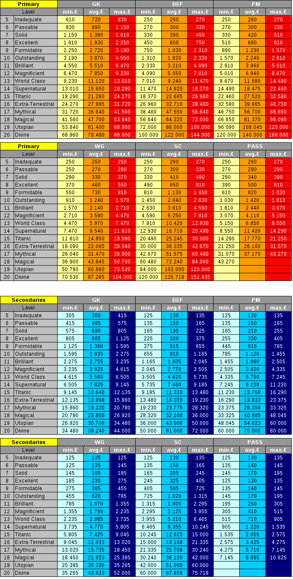

(11776649) BP divino, salario 6,0% extra | (38306586) BP brillante, salario 3,0% extra
(20650980) & (95299617) BP mágico, salario 4,7% extra | (115228650) BP destacado, salario 2,7% extra
(36438355) BP mítico, salario 4,7% extra | (67144794) BP formidable, salario 2,3% extra
(48997559) BP E-T, salario, 4,3% extra | (36579219) BP excelente, salario 2,0% extra
(154655044) & (50355509) BP sobrenatural, salario 3,7% extra | (197154194) BP bueno, salario 2,0% extra
(46543607) BP clase mundial, salario 3,3% extra | (38228598) BP aceptable, salario 1,6% extra
(80271350) BP magnífico, salario 3,2% extra | (108135607) BP insuficiente, salario 1,2% extra
 | (196625346) BP débil, salario 1,2% extra
 | (196987469) BP pobre, salario 0,8% extra
 | (196354241) BP horrible, salario 0,4% extra

