Sheet1
1) Inventory Transfers (Overview)
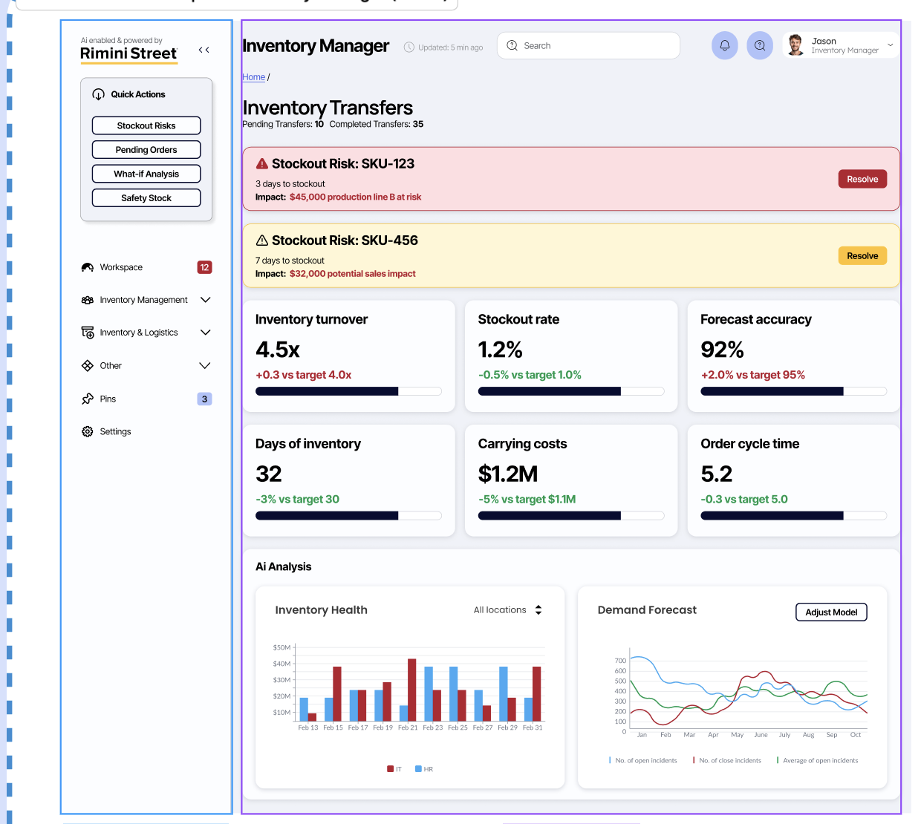
(“Home / Inventory Transfers”)

# | Question | Answer
1 | What drove the +0.3 uptick in our 4.5× turnover vs. target? | A mid‑February surge in Itasca part consumption (see the red bar peak around Feb 19) lowered average on‑hand stock, boosting turnover.
2 | Which category (IT vs. HR) shows the largest swings in on‑hand value? | Itasca (red bars) swings roughly $15 M–$45 M, whereas Atalnta (blue bars) stays between $20 M–$35 M.
3 | Where did forecast vs. actual demand diverge most sharply? | Around May–June the forecast line spikes ~100 units above actual—suggesting the model over‑predicted demand then.
4 | What assumptions feed our 32‑day days‑of‑inventory metric? | It’s based on current lead times (~14 days) plus reorder‑interval (~18 days), totaling ~32 days of coverage.
5 | How did we achieve a 3% improvement in days‑of‑inventory vs. target? | Faster turnover of Atlanta items in late Feb trimmed average holdings, shaving ~1 day off inventory days.
6 | What components make up our 5.2‑day order‑cycle time? | It reflects warehouse processing (~3 days) plus transit/lead time (~2.2 days).
7 | What drives the $1.2 M carrying‑cost figure, and why is it 5% better than target? | Excess holding cost (warehousing, capital, service) is $42 M vs. optimized $28 M, but overall it’s still $1.2 M—5% below the $1.1 M goal.
8 | Which inputs determine our stockout‑risk alerts? | Days‑to‑stockout (based on projected demand vs. on‑hand) and the dollar impact at stake (e.g., $45 K for SKU‑123) feed the risk scores.

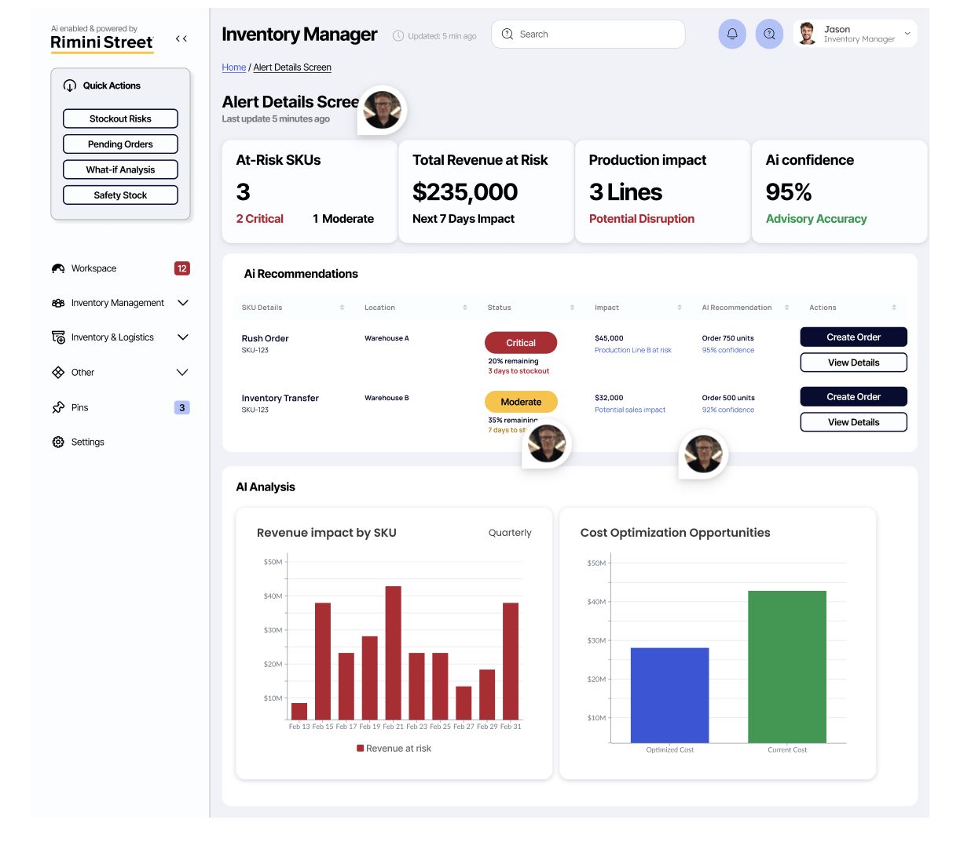
2) Alert Details

(“Home / Alert Details Screen”)

# | Question | Answer
9 | How is “$235 K total revenue at risk” calculated? | It sums projected lost sales for all at‑risk SKUs over the next 7 days.
10 | What makes a SKU “Critical” vs. “Moderate”? | Critical = <5 days to stockout (20% remaining); Moderate = 5–10 days (35% remaining).
11 | Which production lines are tied to those critical SKUs? | Lines A and B (e.g., Line B faces the $45 K risk from SKU‑123).
12 | How is the 95% AI confidence score derived? | From historical model performance and recent forecast‑vs‑actual accuracy, yielding 95% advisory accuracy.
13 | How has revenue‑at‑risk trended this quarter? | Peaked ~$45 M on Feb 19, dipped ~$13 M around Feb 25, then climbed back to ~$38 M by month‑end.
14 | What categories feed the Cost Optimization chart? | It compares current cost ($42 M) versus an optimized baseline ($28 M) for this quarter.

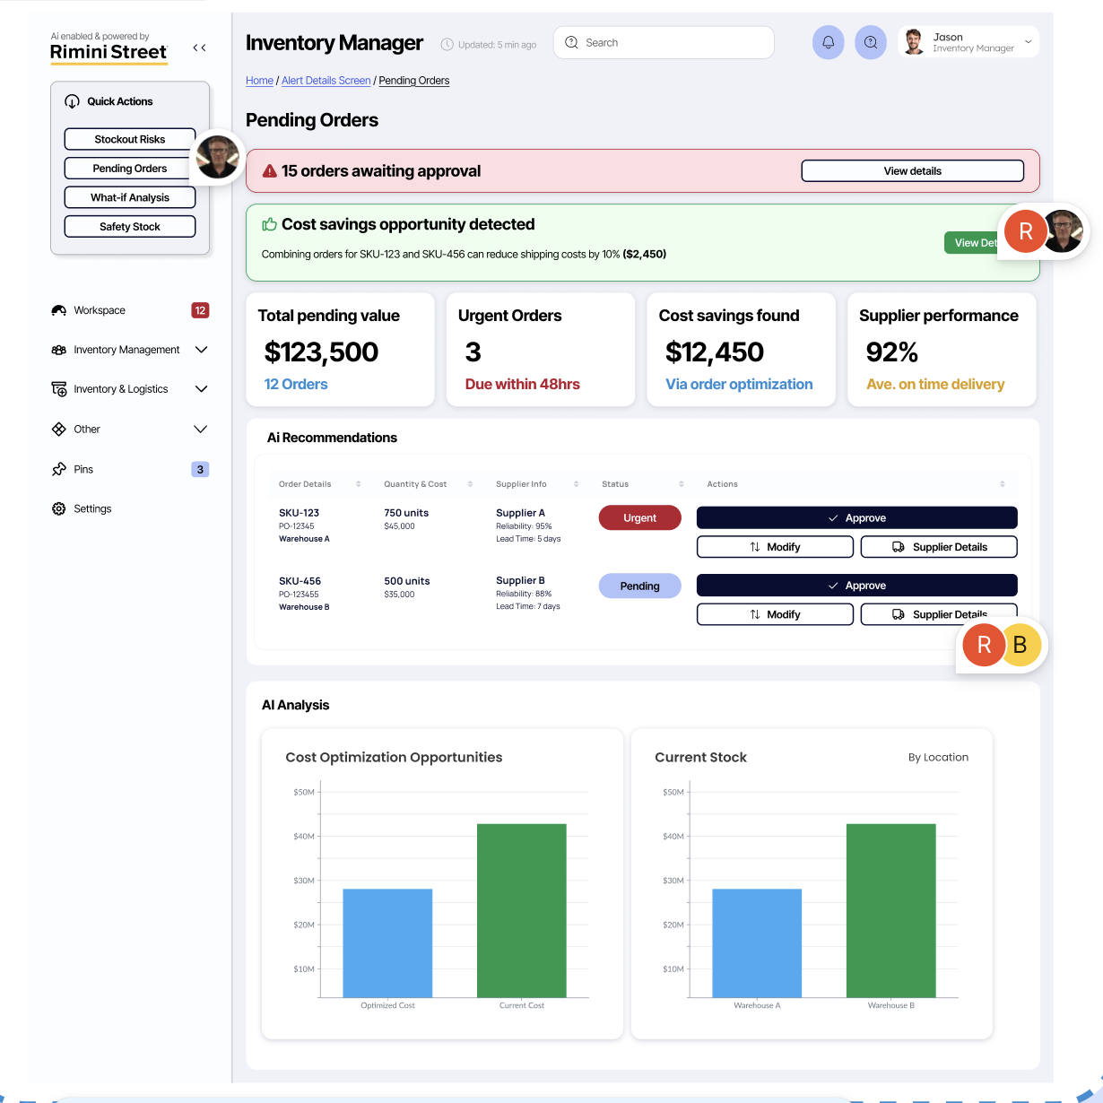

3) Pending Orders

(“Home / Alert Details Screen / Pending Orders”)

# | Question | Answer
15 | What criteria flag an order as “urgent”? | Due within 48 hours—3 orders meet that threshold.
16 | How was the saving computed for $12 450 cost savings? | By grouping orders (e.g., combined shipping for SKU‑123 & SKU‑456 saved $2 450) and other route optimizations.
17 | Which SKU–supplier pairing has the highest reliability? | Supplier A for SKU‑123 (95% on‑time, 5‑day lead time).
18 | What underlies our 92% supplier‑performance score? | Average on‑time delivery rate across all active suppliers.
19 | How is the $123 500 pending‑order value distributed? | $45 000 for SKU‑123 + $35 000 for SKU‑456 + $43 500 across the other 10 orders.
20 | How is current stock split by warehouse, and how might that affect approvals? | Warehouse A holds ~$28 M, Warehouse B ~$42 M—large B balances may warrant prioritizing transfers from B before A.

