P3
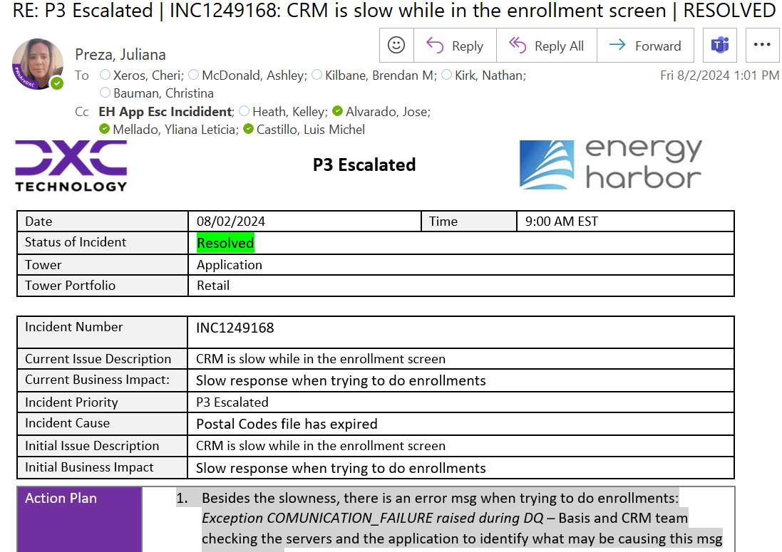
Se recibe notificación del problema
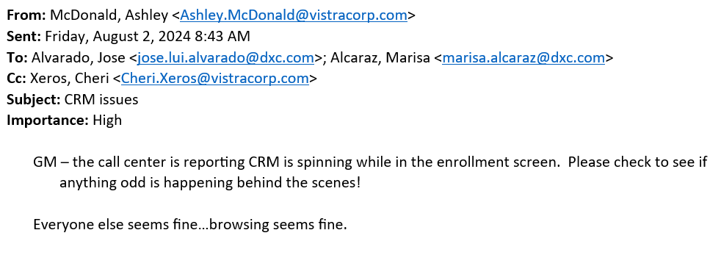

Se crea incidente para notificar el issue
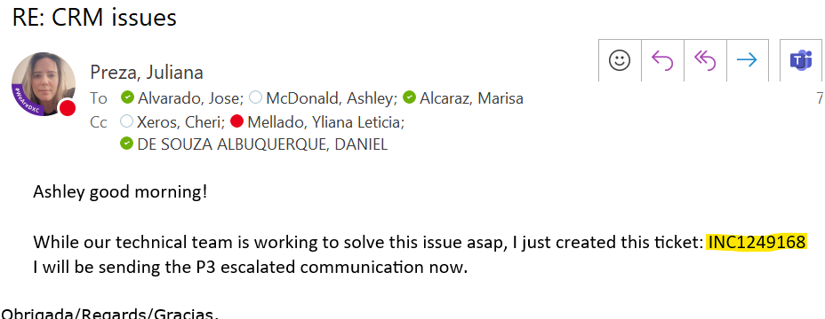

Se reporta al grupo para revisón del posible problema
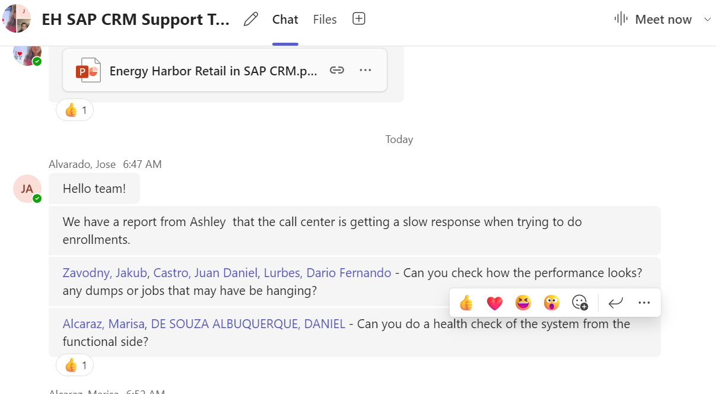

Se crea el CHG P3 Escalated: INC1249168
Se comparte el primer estado con el negocio
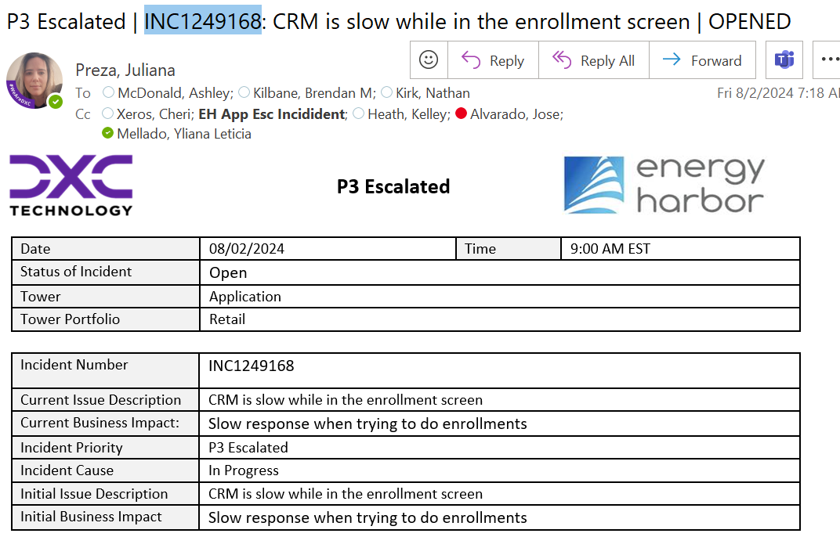
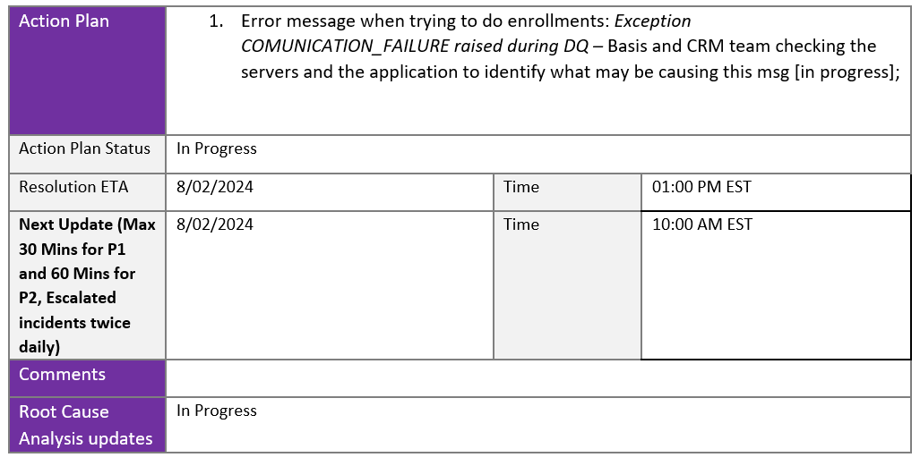

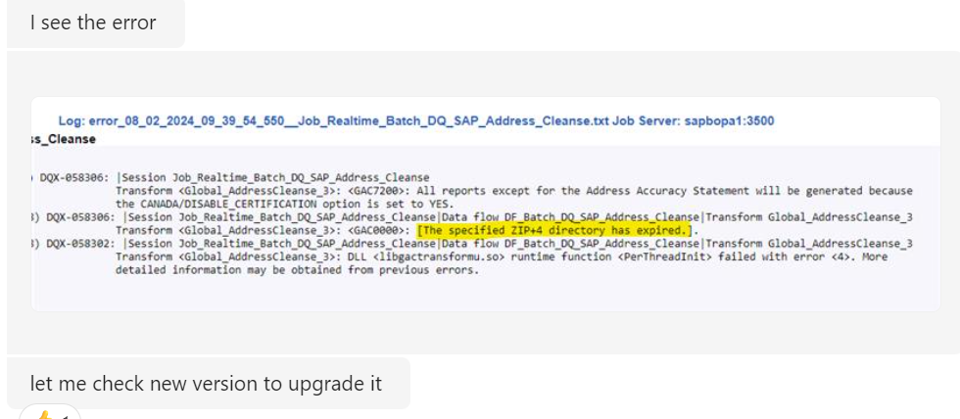
El equipo BASIS/ABAP analisa el sistema

Una vez se tenga un plan de acción se crea un CHG P3 y se piden aprobaciones internas y externas
usando el template
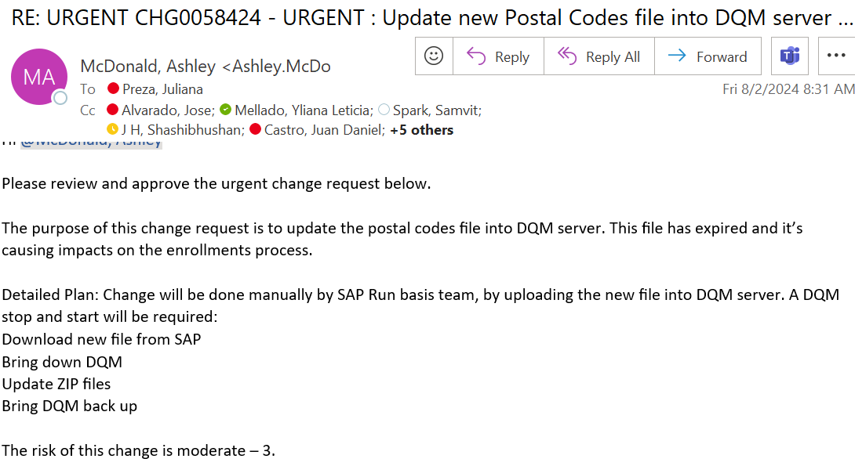
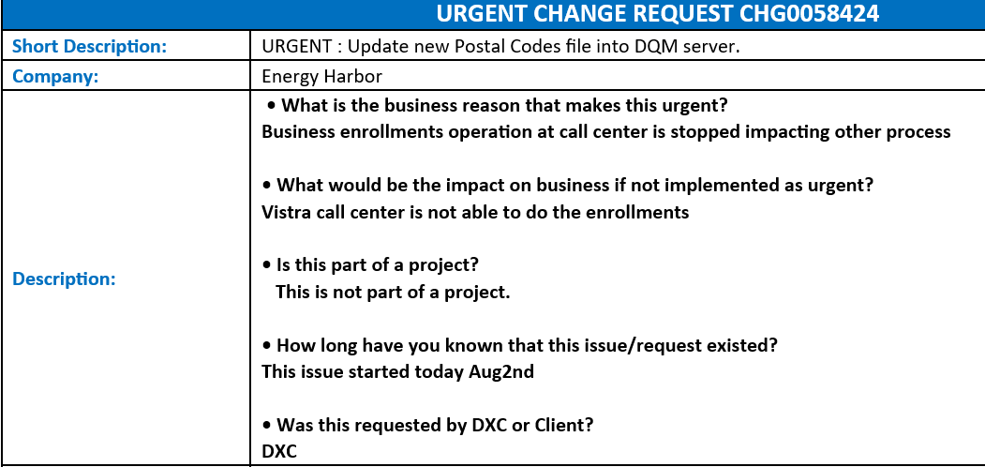

Se comparte segundo estatus: alrededor de los 30 min
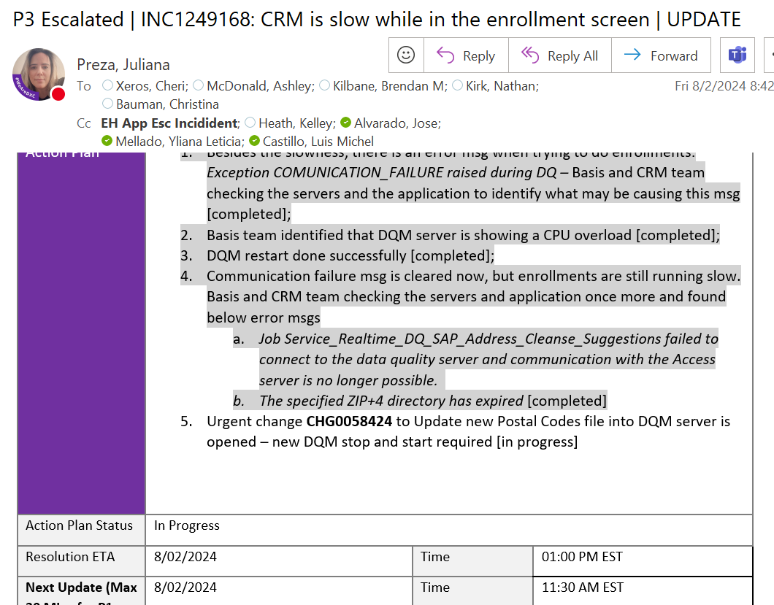

Se hacen pruebas internas, una vez que se confirme que el error fue resuelto se pide al cliente que pruebe
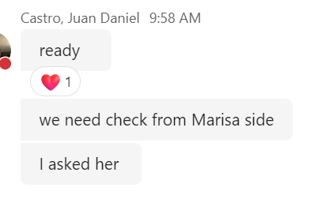

Al tener confirmación por parte del cliente, se pueden cerrar los tickets

Se notifica al cliente del cierre

Hoja1
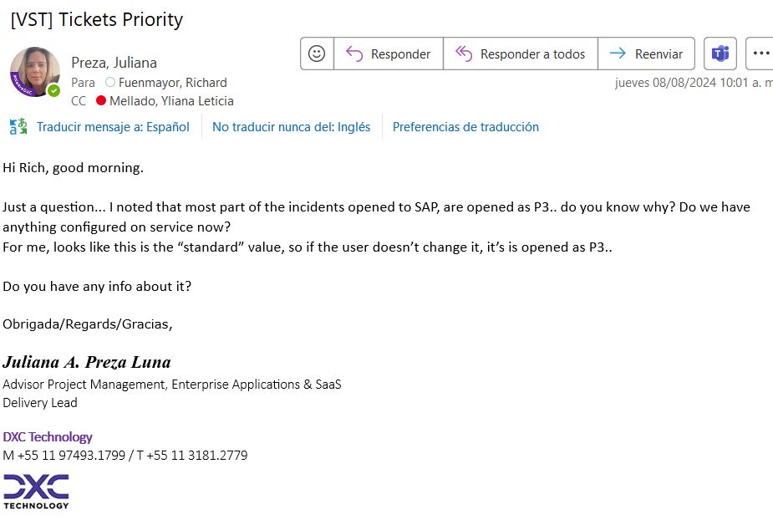
DATE | MAIL | SENDER | TOPIC
2024-08-08 | [VST] Tickets Priority | Preza, Juliana | Se anexa imagen de correo
 | RE: SAP CRM | SOW - 427 Migration of legacy EH emails internal alerts and monitoring to Vistracorp.com | Anita | Anita solicitó tracking en wbs a Marisa y Natalia sobre WBS US1-ENERG.04.20
2024-08-07 | New Project Assignment: TEA-EU-Energy Harbor - "Right-Size" wi - Yliana Mellado | Melisa Ramírez | You have been assigned to the following project by Melissa Ramirez. Project: TEA-EU-Energy Harbor - "Right-Size" with 2 Yr Renewal / New Business-Project Project Manager: Assignment: TEA-EU-Energy Harbor - "Right-Size" wi - Yliana Mellado Resource: Yliana Mellado Resource Role: Manager ERP Package Applications Start Date: 01/07/2024 End Date: 31/12/2024 Planned Hours: 1,056
2024-08-08 | RE: WBS Element | Migration of legacy EH emails internal alerts and monitoring to Vistracorp.com | María Teresa López

