Errors
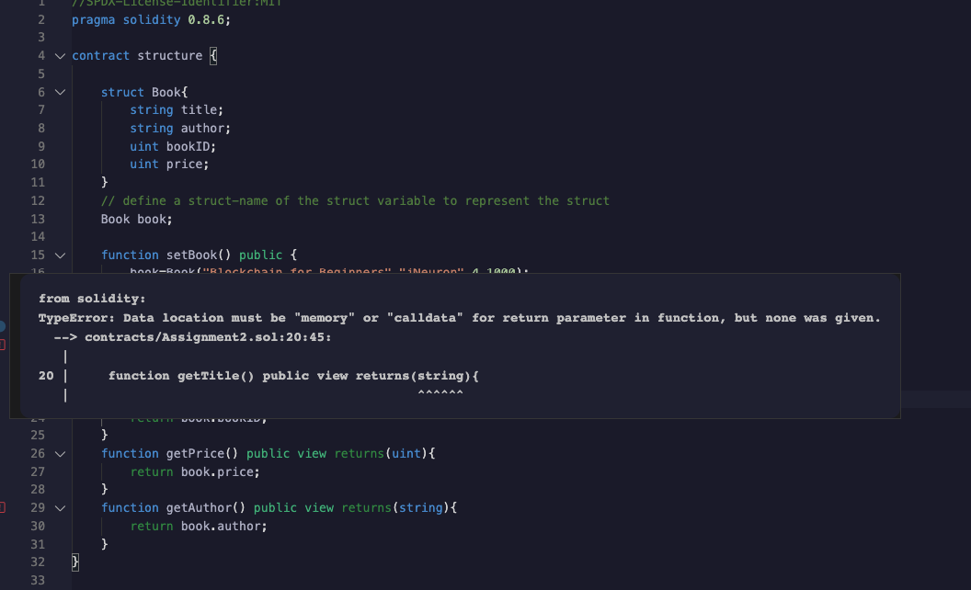
Errors

memory keyword was missing on a returning string of unknopwn length - As string length and size of the state variable could vary and it would be difficult to calculate gas, compiler throws error and restricts us to using memory so that the gas consumption is limited to execution

