ABOUT
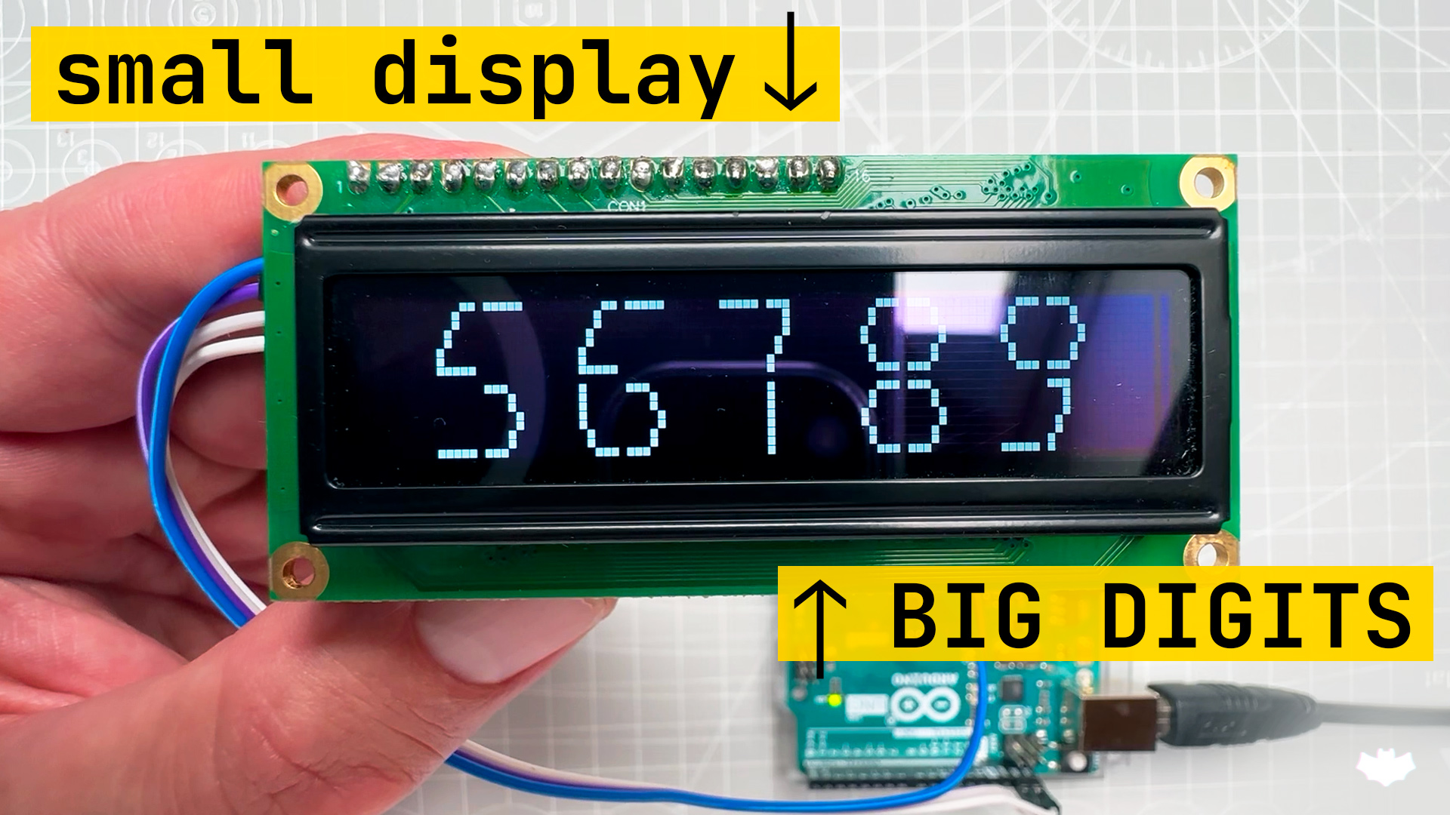
Helper file for generating custom characters for 2x2 digits for character displays.

created by upir, 2023
youtube channel: | https://www.youtube.com/upir_upir

Full tutorial: | https://youtu.be/SXSujfeN_QI
Source files: | https://github.com/upiir/character_display_big_digits

