Sheet1
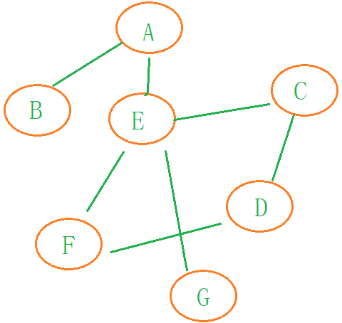
 |  | 0 | 1 | 2 | 3 | 4 | 5 | 6
 |  | A | B | C | D | E | F | G
0 | A | 0 | 1 | 0 | 0 | 1 | 0 | 0
1 | B | 1 | 0 | 0 | 0 | 0 | 0 | 0
2 | C | 0 | 0 | 0 | 1 | 1 | 0 | 0
3 | D | 0 | 0 | 1 | 0 | 0 | 1 | 0
4 | E | 1 | 0 | 1 | 0 | 0 | 1 | 1
5 | F | 0 | 0 | 0 | 1 | 1 | 0 | 0
6 | G | 0 | 0 | 0 | 0 | 1 | 0 | 0

