Form Responses 1
S. No | Name | Age | Tenure | Job Role | Zone | Location | Contractual/Full time | I receive clear instructions and guidance from my supervisors. | I feel comfortable approaching my supervisors with questions or concerns. | The organization values open and honest communication | The organization encourages a culture of providing rewards for good work. | My Ideas and opinions are valued by my manager. | Safety training is conducted on a regular basis for all employees. | I get the opportunity to participate in a structured training program conducted in the Organization. | I get on the job training by my supervisor | I try to acquire new knowledge and new skills through self learning and peer learning. | This is a physically safe place to work. | While on work utmost priority is given on the safety | I feel that there is no discrimination and harassment in the organization | I am satisfied with health insurance and medical insurance provided by the organization. | I am satisfied with company’s leave policy (sick leave, paid leave etc) | I get my salary/wages on time | The compensation, benefits and facilities provided by the organization is better than among the top three in Asansol. | Any comments
1 | Samir Chattapadhyay | 59 Years, 7 Months | 32 | Sub-station Operator | DPS | Sen Raleigh | Full Time | Strongly agree | Strongly agree | Strongly agree | Strongly disagree | Agree | Strongly Agree | Strongly agree | Strongly agree | Agree | Agree | Agree | Strongly agree | Strongly agree | Strongly agree | Strongly agree | Strongly Agree | Number of consumers are less that should be increased
2 | Debashis Ball | 51 Years, 5 Months | 32 | Sub-station Operator | DPS | Santoria station | Full Time | Strongly agree | Strongly agree | Strongly agree | Disagree | Strongly agree | Agree | Strongly agree | Strongly agree | Agree | Agree | Strongly Agree | Strongly agree | Strongly agree | Strongly agree | Strongly agree | Strongly Agree | Increase of number of consumers would be better
3 | Sanjoy Chatterjee | 53 Years, 10 Months | 32 | Sub-station Operator | DPS | Parbelia | Full Time | Strongly agree | Strongly agree | Strongly agree | Disagree | Strongly agree | Agree | Strongly agree | Strongly agree | Agree | Strongly Agree | Strongly Agree | Strongly agree | Strongly agree | Strongly agree | Strongly agree | Strongly Agree
4 | Shyamal Kumar Mondal | 57 Years, 1 Months | 37 | Sub-station Operator | DPS | OED Sub station | Full Time | Strongly agree | Strongly agree | Strongly agree | Disagree | Agree | Agree | Strongly agree | Strongly agree | Strongly agree | Strongly Agree | Strongly Agree | Strongly agree | Strongly agree | Strongly agree | Strongly agree | Agree
5 | Milan Banerjee | 49 Years, 6 Months | 20 | Sub-station Operator | DPS | Gopalpur Station | Full Time | Strongly agree | Strongly agree | Strongly agree | Disagree | Strongly agree | Strongly Agree | Strongly agree | Strongly agree | Agree | Strongly Agree | Strongly Agree | Agree | Strongly agree | Strongly agree | Strongly agree | Strongly Agree | Promotion policy should be revised. Growth opportunity is less
6 | Mimbahadur Thapa | 54 Years, 5 Months | 33 | Sub-station Operator | DPS | Victoria | Full Time | Strongly agree | Strongly agree | Strongly agree | Disagree | Strongly agree | Strongly Agree | Strongly agree | Strongly agree | Strongly agree | Strongly Disagree | Agree | Strongly agree | Strongly agree | Strongly agree | Strongly agree | Strongly Agree | 1) Place is unsafe due to snakes 2) Poor toilets
7 | Somenath Mishra | 35 Years, 11 Months | 18 | Sub-station Operator | DPS | Burrodhama | Full Time | Strongly agree | Strongly agree | Strongly agree | Strongly agree | Strongly agree | Strongly Agree | Strongly agree | Strongly agree | Strongly agree | Strongly Agree | Strongly Agree |  | Strongly agree | Strongly agree | Strongly agree | Strongly Agree | +ve points 1) Trustworthy organisation 2) Has a strong legacy -ve points 1) Low maintaince 2) Manpower is less
8 | Tapas Maji | 58 Years, 11 Months | 35 | Sub-station Operator | DPS | DPS grid | Full Time | Strongly agree | Strongly disagree | Strongly disagree | Disagree | Agree | Strongly Agree | Strongly agree | Strongly agree | Strongly agree | Strongly Agree | Strongly Agree | Strongly agree | Disagree | Strongly agree | Strongly agree | Disagree | +ve points Opportunity to do public help and welfare -ve points Manpower is less Politics is high Fake allegations is imposed on people Work culture not so good No Thankfulness Last day duty shouldn't be given Talent shifting should be stopped
9 | Sunil Bouri | 52 Years, 5 Months | 32 | Sub-station Operator | DPS | Victoria | Full Time | Strongly agree | Strongly agree | Strongly agree | Strongly agree | Strongly agree | Strongly Agree | Strongly agree | Strongly agree | Strongly agree | Strongly Agree | Strongly Agree | Strongly agree | Strongly agree | Strongly agree | Strongly agree | Strongly Agree | +ve 1)Good manager and employee relations -ve 1) Water logging problem 2) Hygiene problems 3) VHF heavy disturbances
10 | Shiv P Chakraborty | 52 Years | 15 | Sub-station Operator | DPS | Sen Raleigh | Full Time | Strongly agree | Strongly agree | Strongly agree | Strongly agree | Strongly agree | Strongly Agree | Strongly agree | Strongly agree | Strongly agree | Strongly Agree | Strongly Agree | Strongly agree | Strongly disagree | Strongly agree | Strongly agree | Strongly Agree | -ve point Medical policy not good +ve point Rest everything is good
11 | Tapan Kumar Mondal | 57 Years, 11 Months | 28 | Sub-station Operator | DPS | Saktoria | Full Time | Strongly agree | Strongly agree | Strongly agree | Strongly agree | Strongly agree | Strongly Agree | Strongly agree | Strongly agree | Strongly agree | Strongly Agree | Strongly Agree | Strongly agree | Strongly agree | Strongly agree | Strongly agree | Strongly Agree | -ve point Consumer is less +ve point Rest everything is good
12 | Badal Dutta | 52 Years, 1 Months | 28 | Sub-station Operator | DPS | Victoria | Full Time | Strongly agree | Strongly agree | Strongly agree | Strongly agree | Strongly agree | Strongly Agree | Strongly agree | Strongly agree | Strongly agree | Strongly Agree | Strongly Agree | Strongly agree | Strongly agree | Strongly agree | Strongly agree | Strongly Agree | -ve points 1) Promotion policy not good 2) Hygiene and cleaning problem 3) Drinking water not available
13 | Tapas Kumar Daripa | 59 Years, 10 Months | 32 | Sub-station Operator | DPS | DPS Grid | Full Time | Strongly agree | Strongly agree | Strongly agree | Strongly agree | Strongly agree | Strongly Agree | Strongly agree | Strongly agree | Strongly agree | Strongly Agree | Strongly Agree | Strongly agree | Strongly agree | Strongly agree | Strongly agree | Strongly Agree
14 | Sabyasachi Patra | 54 Years | 12 | Sub-station Operator | DPS | Sen Raleigh | Full Time | Strongly agree | Strongly agree | Strongly agree | Strongly agree | Strongly agree | Strongly Agree | Strongly agree | Strongly agree | Strongly agree | Strongly Agree | Strongly Agree | Strongly agree | Strongly agree | Strongly agree | Strongly agree | Strongly Agree | -ve points 1) Problem in Cleaning and Housekeeping 2) Manpower is less 3) consumer is less +ve points 1) Rest is good
15 | Sukumar Maji | 42 Years, 7 Months | 22 | Sub-station Operator | DPS | OED sub station | Full Time | Strongly agree | Strongly agree | Strongly agree | Strongly agree | Strongly agree | Strongly Agree | Strongly agree | Strongly agree | Strongly agree | Strongly Agree | Strongly Agree | Strongly agree | Strongly agree | Strongly agree | Strongly agree | Strongly Agree | +ve points Helpful managers -ve points Consumer is less
16 | Pradip Kumar Hazra | 49 Years, 10 Months | 29 | Sub-station Operator | DPS | Gopalpur | Full Time | Strongly agree | Strongly agree | Strongly agree | Strongly agree | Strongly agree | Strongly Agree | Strongly agree | Strongly agree | Strongly agree | Strongly Agree | Strongly Agree | Strongly agree | Strongly agree | Strongly agree | Strongly agree | Strongly Agree | Use of walkie talkie should be there
17 | Soumen Deb | 49 Years, 8 Months | 30 | Sub-station Operator | DPS | Gopalpur | Full Time | Agree | Neutral | Strongly disagree | Strongly disagree | Agree | Disagree | Disagree | Agree | Agree | Disagree | Disagree | Agree | Strongly agree | Strongly agree | Strongly agree | Strongly Agree | 1) Safety is lacking 2) Atmosphere not much friendly 3) Safety equipment not present 4) Proper equipment for work not present 5) Hiring of experienced employee, better manpower should be done.
18 | Dhrubeswar Pattanayak | 54 Years, 4 Months | 35 | Sub-station Operator | DPS | Shristi Nagar | Full Time | Strongly agree | Strongly agree | Strongly agree | Strongly agree | Strongly agree | Strongly Agree | Strongly agree | Strongly agree | Strongly agree | Strongly Agree | Strongly Agree | Strongly agree | Strongly agree | Strongly agree | Strongly agree | Strongly Agree | 1) Homely atmosphere 2) People go out of track to work
19 | Bhim Mahato | 50 Years, 6 Months | 16 | Sub-station Operator | SPS | Mangalpur Sub station | Full Time | Strongly agree | Strongly agree | Strongly agree | Strongly agree | Strongly agree | Strongly Agree | Strongly agree | Strongly agree | Strongly agree | Strongly Agree | Strongly Agree | Strongly agree | Strongly agree | Strongly agree | Strongly agree | Strongly Agree | 1) Dust area 2) Cleanliness issues
20 | Nirbhay Narayan Singh | 51 Years, 6 Months | 22 | Sub-station Operator | LRS | Luchipur | Full Time | Strongly agree | Strongly agree | Strongly agree | Strongly disagree | Strongly agree | Strongly Disagree | Strongly agree | Strongly agree | Strongly disagree | Strongly Agree | Strongly Agree | Strongly agree | Strongly agree | Strongly agree | Strongly agree | Strongly Agree | +ve point Discipline is high Good behaviour of employees -ve point Lack of manpower (In case of accident/emergency no one to seek help from)
21 | Rajat Kumar Saha | 57 Years, 7 Months | 38 | Sub-station Operator | LRS | Luchipur | Full Time | Strongly agree | Strongly agree | Strongly agree | Strongly agree | Agree | Strongly Agree | Agree | Strongly agree | Strongly agree | Strongly Agree | Strongly Agree | Strongly agree | Strongly agree | Strongly agree | Strongly agree | Strongly Agree
22 | Sujit Ghiosh | 49 Years, 5 Months | 15 | Sub-station Operator | LRS | Mangalpur | Full Time | Strongly agree | Strongly agree | Strongly agree | Strongly disagree | Strongly agree | Strongly Disagree | Strongly agree | Strongly agree | Strongly agree | Disagree | Disagree | Strongly agree | Strongly agree | Strongly agree | Strongly agree | Strongly Agree | 1) Better safety training should be given 2) Gravel missing 3) Promotion policy should be better 4) No guard present
23 | Goutam Thakur | 54 Years, 4 Months | 25 | Sub-station Operator | SPS | Luchipur | Full Time | Strongly agree | Strongly agree | Strongly agree | Strongly agree | Strongly agree | Strongly Agree | Strongly agree | Strongly agree | Strongly agree | Agree | Agree | Strongly agree | Agree | Strongly agree | Strongly agree | Strongly Agree | Switch maintaince should be done
24 | Swaraj Kumar Pandey | 49 Years, 10 Months | 12 | Sub-station Operator | LRS | Mangalpur SS | Full Time | Strongly agree | Strongly agree | Strongly agree | Strongly disagree | Strongly agree | Strongly Disagree | Strongly disagree | Strongly agree | Strongly agree | Strongly Agree | Strongly Agree | Strongly agree | Strongly disagree | Strongly agree | Strongly agree | Strongly Agree
25 | Naresh Ball | 52 Years, 10 Months | 12 | Sub-station Operator | LRS | Kajora | Full Time | Strongly agree | Agree | Strongly agree | Strongly agree | Agree | Strongly Agree | Strongly agree | Strongly agree | Strongly agree | Strongly Agree | Strongly Agree | Strongly agree | Strongly agree | Strongly agree | Strongly agree | Strongly Agree | All basic needs are fulfilled
26 | Animesh Singha | 41 Years, 11 Months | 12 | Sub-station Operator | LRS | Haripur | Full Time | Strongly agree | Strongly agree | Strongly agree | Strongly disagree | Strongly agree | Strongly Agree | Strongly agree | Strongly agree | Strongly agree | Strongly Agree | Strongly Agree | Strongly agree | Strongly agree | Strongly agree | Strongly agree | Strongly Agree | 1) Boundary wall should be raised to increase safety 2) Washroom is not good 3) Exhaust fans needed 4) Water problem is present
27 | Timir Sengupta | 57 Years, 5 Months | 12 | Sub-station Operator | LRS | Luchipur | Full Time | Strongly agree | Strongly agree | Strongly agree | Strongly agree | Strongly agree | Strongly Agree | Strongly agree | Strongly agree | Strongly agree | Strongly Agree | Strongly Agree | Strongly agree | Strongly agree | Strongly agree | Strongly agree | Strongly Agree | Good managers present in the organisation.
28 | Anand Kumar Mishra | 55 Years, 7 Months | 16 | Sub-station Operator | DPS | Shristi Nagar | Full Time | Strongly agree | Agree | Neutral | Strongly disagree | Neutral | Strongly Agree | Strongly agree | Strongly agree | Strongly agree | Strongly Agree | Strongly Agree | Strongly agree | Disagree | Strongly agree | Strongly agree | Strongly Agree | Medical policy could be better
29 | Kingsuk Dhibar | 47 Years, 3 Months | 12 | Sub-station Operator | SPS | Mangalpur | Full Time | Strongly agree | Strongly agree | Strongly agree | Strongly agree | Strongly agree | Strongly Agree | Strongly agree | Strongly agree | Strongly agree | Strongly Agree | Strongly Agree | Strongly agree | Strongly agree | Strongly agree | Strongly agree | Strongly Agree | Good and understanding managers
30 | Subrata Roy | 51 Years, 6 Months | 12 | Sub-station Operator | DPS | Barodhama | Full Time | Strongly agree | Strongly agree | Strongly agree | Strongly agree | Strongly agree | Strongly Agree | Strongly agree | Strongly agree | Strongly agree | Strongly Agree | Strongly Agree | Strongly agree | Strongly agree | Strongly agree | Strongly agree | Strongly Agree
31 | Dipak Dutta | 48 Years, 7 Months | 19 | Sub-station Operator | SPS | Nigha | Full Time | Strongly agree | Strongly agree | Strongly agree | Strongly disagree | Strongly agree | Strongly Agree | Strongly agree | Strongly agree | Strongly agree | Strongly Agree | Strongly Agree | Strongly agree | Strongly agree | Strongly agree | Strongly agree | Strongly Agree | Friendly Culture
32 | Shyam Bihari Gour | 45 Years, 6 Months | 19 | Sub-station Operator | SPS | Shibpur | Full Time | Strongly agree | Strongly agree | Strongly agree | Agree | Strongly agree | Agree | Strongly agree | Agree | Strongly agree | Strongly Agree | Strongly Agree | Strongly agree | Strongly agree | Strongly agree | Strongly agree | Strongly Agree
33 | Soumen Deb | 49 Years, 8 Months | 30 | Sub-station Operator | DPS | Poidih Sub station | Full Time | Strongly agree | Agree | Strongly disagree | Strongly disagree | Agree | Strongly Disagree | Disagree | Strongly agree | Agree | Strongly Disagree | Strongly Disagree | Strongly agree | Strongly agree | Strongly agree | Strongly agree | Strongly Agree | Auxiliary lighting problem Water problem Lack of safety due to less manpower
34 | Ramesh Mahato | 45 Years, 0 Months | 15 | CHP Helper | Powerplant | DPS | Full Time | Strongly agree | Strongly agree | Strongly agree | Strongly agree | Strongly agree | Disagree | Disagree | Disagree | Strongly agree | Strongly Agree | Strongly Agree | Strongly agree | Strongly agree | Strongly agree | Strongly agree | Strongly Agree
35 | Bhupendra Ravidas | 52 Years | 20 | CHP Helper | Powerplant | DPS | Full Time | Strongly agree | Strongly agree | Strongly agree | Strongly disagree | Strongly agree | Strongly Agree | Strongly agree | Strongly agree | Strongly agree | Strongly Agree | Strongly Agree | Strongly agree | Strongly disagree | Strongly agree | Strongly agree | Strongly Agree | CHP condition not good Equipment not proper Medical system was better earlier; Medical card system is not good No Promotion policy is there
36 | Tamal Pal | 50 Years, 0 Months | 32 | Sub-station Operator | Powerplant | DPS | Full Time | Strongly agree | Strongly agree | Strongly agree | Strongly agree | Strongly agree | Strongly Agree | Strongly agree | Strongly agree | Strongly agree | Strongly Agree | Strongly Agree | Strongly agree | Strongly agree | Strongly agree | Strongly agree | Strongly Agree | Good Work Culture Good behavior of people Upper level managers are good
37 | Ranjeet | 54 Years | 29 | Helper | Powerplant | DPS | Full Time | Strongly agree | Strongly agree | Strongly agree | Strongly agree | Strongly agree | Strongly Agree | Strongly agree | Agree | Strongly agree | Strongly Agree | Strongly Agree | Strongly agree | Strongly agree | Strongly agree | Strongly agree | Strongly Agree | Unity between employees Good manager Good working environment
38 | Samresh Singh | 54 Years | 31 | Rigor Tandal | Powerplant | DPS | Full Time | Strongly agree | Strongly agree | Strongly agree | Strongly disagree | Strongly agree | Strongly Agree | Strongly agree | Strongly disagree | Strongly disagree | Strongly Agree | Strongly Agree | Strongly agree | Strongly agree | Strongly agree | Strongly agree | Neutral | Good working environment Good manager 1 more 12-megawatt supply should be there to reduce load sharing drop Less manpower
39 | Swapan Kumar Sen | 52 Years, 5 Months | 38 | Technician | DPS | DPS | Full Time | Strongly agree | Strongly agree | Strongly agree | Strongly agree | Strongly agree | Strongly Agree | Strongly agree | Strongly agree | Strongly agree | Strongly Agree | Strongly Agree | Strongly agree | Strongly agree | Strongly agree | Strongly agree | Strongly Agree | Good Boilers Good technology is implemented Salary is good and on time More Boiler More Manpower
40 | Jitendar Rai | 52 Years | 24 | Maintenance Rigor | Powerplant | DPS | Full Time | Strongly agree | Strongly agree | Strongly agree | Disagree | Strongly agree | Strongly Agree | Strongly agree | Strongly agree | Strongly agree | Strongly Agree | Strongly Agree | Strongly agree | Strongly disagree | Strongly agree | Strongly agree | Strongly Agree | Medical policy should be replaced, new one is not so good New 12-mega watt power-plant should be introduced
41 | K. Narsingh Rao | 53 Years, 0 Months | 28 | Mechanical Helper | Powerplant | DPS | Full Time | Strongly agree | Strongly agree | Strongly agree | Disagree | Strongly agree | Strongly Agree | Strongly agree | Strongly agree | Strongly agree | Strongly Agree | Strongly Agree | Strongly agree | Strongly agree | Strongly agree | Strongly agree | Strongly Agree | Maintenance is quick Respect gain outside after working here Brand image of company is good 25-Megawatt power-plant is required Medical benefit should not be limited to 1 lakh Reward should be given for good work Promotion should be skill or tenure based not qualification based
42 | Lawrence Peter | 55 Years, 0 Months | 22 | Technician | Powerplant | DPS | Full Time | Strongly agree | Strongly agree | Strongly agree | Strongly agree | Strongly agree | Strongly Agree | Strongly agree | Strongly agree | Strongly disagree | Strongly Agree | Strongly Agree | Strongly agree | Strongly agree | Strongly agree | Strongly agree | Strongly Agree | Timely salary is given Dependable quota should be there and employee's son should be hired
43 | Bakkaswar Sahis | 41 Years, 0 Months | 17 | Instrument Helper | Powerplant | DPS | Full Time | Strongly agree | Strongly agree | Strongly agree | Strongly agree | Strongly agree | Disagree | Strongly agree | Strongly agree | Strongly agree | Disagree | Disagree | Strongly agree | Strongly agree | Strongly agree | Strongly agree | Strongly Agree | 1 more 12 megawatt power-plant is needed
44 | Shriniwash Prasad | 46 Years, 2 Months | 14 | Sub-station Operator | SPS | Dhasal | Full Time | Strongly agree | Strongly agree | Strongly agree | Strongly disagree | Strongly agree | Strongly Agree | Strongly agree | Strongly agree | Strongly agree | Strongly Agree | Strongly Agree | Strongly agree | Strongly agree | Strongly agree | Strongly agree | Strongly Agree
45 | Surendra Gorn | 53 Years, 6 Months | 32 | Sub-station Operator | SPS | Shibpur | Full Time | Strongly agree | Strongly agree | Strongly agree | Strongly agree | Strongly agree | Strongly Agree | Strongly agree | Strongly agree | Strongly agree | Strongly Agree | Strongly Agree | Strongly agree | Strongly agree | Strongly agree | Strongly agree | Strongly Agree
46 | Bishnudev Chattopadhyay | 54 Years, 1 Months | 12 | Sub-station Operator | SPS | Ikra | Full Time | Strongly agree | Strongly agree | Strongly agree | Strongly agree | Strongly agree | Strongly Agree | Strongly agree | Strongly agree | Strongly agree | Disagree | Disagree | Strongly agree | Strongly agree | Strongly agree | Strongly agree | Strongly Agree
47 | Sandeep Pradhan | 39 Years, 6 Months | 12 | Sub-station Operator | SPS | Dhasal | Full Time | Strongly agree | Strongly agree | Strongly agree | Agree | Strongly agree | Strongly Agree | Strongly agree | Strongly agree | Strongly agree | Strongly Agree | Strongly Agree | Strongly agree | Strongly agree | Strongly agree | Strongly agree | Strongly Agree
48 | Biplab Das | 46 Years, 9 Months | 12 | Sub-station Operator | LRS | Haripur | Full Time | Strongly agree | Strongly agree | Strongly agree | Strongly agree | Strongly agree | Strongly Agree | Strongly agree | Strongly agree | Strongly agree | Strongly Agree | Strongly Agree | Strongly agree | Strongly agree | Strongly agree | Strongly agree | Strongly Agree
49 | Satyajit Bhandary | 56 Years, 2 Months | 16 | Sub-station Operator | SPS | Shibpur | Full Time | Strongly agree | Strongly agree | Strongly agree | Agree | Strongly agree | Agree | Strongly agree | Strongly agree | Strongly agree | Strongly Agree | Strongly Agree | Strongly agree | Strongly agree | Strongly agree | Strongly agree | Strongly Agree
50 | Sukhendu Ghosh | 56 Years, 10 Months | 12 | Sub-station Operator | LRS | Mangalpur | Full Time | Strongly agree | Strongly agree | Strongly agree | Agree | Strongly agree | Strongly Agree | Strongly agree | Strongly agree | Strongly agree | Strongly Agree | Strongly Agree | Strongly agree | Strongly agree | Strongly agree | Strongly agree | Strongly Agree
51 | Sandip Mukherjee | 45 Years, 6 Months | 12 | Sub-station Operator | LRS | Shibpur | Full Time |  | Strongly agree | Strongly agree | Agree | Strongly agree | Disagree | Disagree | Disagree | Strongly agree | Strongly Agree | Strongly Agree | Strongly agree | Strongly agree | Strongly agree | Strongly agree | Strongly Agree
52 | Uttam Chouhan | 37 Years, 6 Months | 15 | Sub-station Operator | LRS | Haripur | Full Time | Strongly agree | Strongly agree | Strongly agree | Agree | Strongly agree | Strongly Agree | Strongly agree | Strongly agree | Strongly agree | Strongly Agree | Strongly Agree | Strongly agree | Strongly agree | Strongly agree | Strongly agree | Strongly Agree
53 | Shashi Bhushan Singh | 37 Years, 1 Months | 15 | Sub-station Operator | SPS | IKRA | Full Time | Strongly agree | Strongly agree | Strongly agree | Disagree | Strongly agree | Strongly Disagree | Disagree | Agree | Strongly agree | Strongly Disagree | Strongly Disagree | Strongly agree | Disagree | Strongly agree | Strongly agree | Strongly Agree | Security issue in company Medical policy should be revised
54 | Siddhartha Mukherjee | 48 Years, 2 Months | 20 | Sub-station Operator | SPS | Satgram | Full Time | Strongly agree | Strongly disagree | Strongly disagree | Agree | Strongly agree | Strongly Disagree | Strongly disagree | Disagree | Strongly agree | Strongly Disagree | Disagree | Strongly agree | Strongly agree | Strongly agree | Strongly agree | Disagree | -ve points No Proper Maintenance Poor managers Less experienced & knowledgeable people hired
55 | Srikanta Chakraborty | 48 Years, 6 Months | 30 | Sub-station Operator | LRS | Kajora | Full Time | Strongly agree | Strongly agree | Strongly agree | Strongly agree | Strongly agree | Strongly Agree | Strongly agree | Strongly agree | Strongly agree | Strongly Agree | Strongly Agree | Strongly agree | Strongly agree | Strongly agree | Strongly agree | Strongly Agree | Good behavior of fellow employees Good managers
56 | Subhapriya Banerjee | 49 Years, 4 Months | 17 | Sub-station Operator | LRS | Haripur | Full Time | Strongly agree | Strongly agree | Strongly agree | Strongly agree | Strongly agree | Strongly Disagree | Strongly disagree | Strongly disagree | Strongly disagree | Strongly Disagree | Strongly Disagree | Strongly agree | Strongly agree | Strongly agree | Strongly agree | Strongly Agree | Lack of educated and Knowledgeable candidate Lack of training Brand image is declining Poor maintenance of workplace Drinking water issue Exhaust fan problem
57 | Arup Dey | 53 Years, 3 Months | 12 | Sub-station Operator | DPS | Shristinagar | Full Time | Strongly agree | Strongly agree | Strongly agree | Strongly agree | Strongly agree | Agree | Agree | Agree | Strongly agree | Agree | Agree | Strongly agree | Strongly agree | Strongly agree | Strongly agree | Strongly Agree
58 | Tarakeshwar Nath Dubey | 42 Years, 0 Months | 15 | Sub-station Operator | DPS | Saktoria | Full Time | Strongly agree | Strongly agree | Strongly agree | Strongly disagree | Strongly agree | Strongly Agree | Strongly agree | Strongly agree | Strongly agree | Strongly Agree | Strongly Agree | Strongly agree | Strongly agree | Strongly agree | Strongly agree | Strongly Agree | Unity between employees Timely salary payment
59 | Ajoy Kumar Roy | 56 Years, 0 Months | 31 | Sub-station Operator | DPS | Parwelia | Full Time | Strongly agree | Strongly agree | Strongly agree | Disagree | Strongly agree | Strongly Agree | Strongly agree | Strongly agree | Strongly agree | Strongly Agree | Strongly Agree | Strongly agree | Strongly agree | Strongly agree | Strongly agree | Strongly Agree | cleanliness issue Water wastage due to leakage problem
60 | Utpal Kabi | 54 Years, 8 Months | 29 | Sub-station Operator | DPS | Parbelia | Full Time | Strongly agree | Strongly agree | Strongly agree | Strongly agree | Strongly agree | Strongly Agree | Strongly agree | Strongly agree | Strongly agree | Strongly Agree | Strongly Agree | Strongly agree | Strongly agree | Strongly agree | Strongly agree | Strongly Agree | Highly satisfied with medical benifits
61 | Sanket Das | 49 Years, 5 Months | 22 | Sub-station Operator | DPS | Sen Raleigh | Full Time | Strongly agree | Strongly agree | Strongly agree | Strongly agree | Strongly agree | Strongly Agree | Strongly agree | Strongly agree | Strongly agree | Strongly Agree | Strongly Agree | Strongly agree | Strongly agree | Strongly agree | Strongly agree | Strongly disagree | Lack of manpower Less Salary
62 | Krishnendu Burman | 45 Years, 0 Months | 22 | Sub-station Operator | DPS | Victoria | Full Time | Strongly agree | Strongly agree | Strongly agree | Strongly agree | Strongly agree | Strongly Agree | Strongly agree | Strongly agree | Strongly agree | Strongly Agree | Strongly Agree | Strongly agree | Strongly agree | Strongly agree | Strongly agree | Strongly Agree | Officers and managers are good
63 | Shyam Sundar Laik | 57 Years, 1 Months | 17 | Sub-station Operator | SPS | Satgram | Full Time | Strongly agree | Strongly agree | Strongly agree | Strongly agree | Strongly agree | Strongly Agree | Strongly agree | Strongly agree | Strongly agree | Strongly Agree | Strongly Agree | Strongly agree | Strongly agree | Strongly agree | Strongly agree | Strongly Agree
64 | Ashes Ball | 46 Years, 8 Months | 22 | Sub-station Operator | DPS | Gopalpur | Full Time | Strongly agree | Strongly agree | Strongly agree | Disagree | Strongly agree | Strongly Agree | Strongly agree | Strongly agree | Agree | Strongly Agree | Strongly Agree | Strongly agree | Strongly agree | Strongly agree | Strongly agree | Strongly Agree
65 | Md. Nayeem Ahmed | 49 Years, 3 Months | 15 | Sub-station Operator | SPS | Nigha | Full Time | Strongly agree | Strongly agree | Strongly agree | Disagree | Strongly agree | Strongly Agree | Strongly agree | Strongly agree | Strongly agree | Strongly Agree | Strongly Agree | Strongly agree | Strongly agree | Strongly agree | Strongly agree | Strongly Agree
66 | Parmatma Dubey | 49 Years, 2 Months | 31 | Sub-station Operator | DPS | Gopalpur | Full Time | Strongly agree | Strongly agree | Strongly agree | Disagree | Strongly agree | Strongly Agree | Strongly agree | Strongly agree | Strongly agree | Strongly Agree | Strongly Agree | Strongly agree | Strongly agree | Strongly agree | Strongly agree | Strongly Agree
67 | Rudra Bahadur Chettri | 49 Years, 6 Months | 29 | Sub-station Operator | SPS | Dhasal | Full Time | Strongly agree | Strongly agree | Strongly agree | Disagree | Strongly agree | Strongly Agree | Strongly agree | Strongly agree | Strongly agree | Strongly Agree | Strongly Agree | Strongly agree | Strongly agree | Strongly agree | Strongly agree | Strongly Agree
68 | Snehasis Ganguly | 57 Years, 7 Months | 30 | Sub-station Operator | DPS | DPS Grid | Full Time | Strongly agree | Strongly agree | Strongly agree | Disagree | Strongly agree | Strongly Agree | Strongly agree | Strongly agree | Strongly agree | Strongly Agree | Strongly Agree | Strongly agree | Strongly agree | Strongly agree | Strongly agree | Strongly Agree
69 | Srikanta Maji | 49 Years, 10 Months | 29 | Sub-station Operator | SPS | Ikra | Full Time | Strongly agree | Strongly agree | Strongly agree | Agree | Strongly agree | Strongly Agree | Strongly agree | Strongly agree | Strongly agree | Strongly Agree | Strongly Agree | Strongly agree | Strongly agree | Strongly agree | Strongly agree | Strongly Agree
70 | Subrata Choudhury | 57 Years, 7 Months | 37 | Sub-station Operator | DPS | DPS Grid | Full Time | Strongly agree | Strongly agree | Strongly agree | Disagree | Strongly agree | Strongly Agree | Strongly agree | Strongly agree | Strongly agree | Strongly Agree | Strongly Agree | Strongly agree | Strongly agree | Strongly agree | Strongly agree | Strongly Agree
71 | Anand Kumar Singh | 41 Years, 11 Months | 12 | Sub-station Operator | DPS | Haripur | Full Time | Strongly agree | Strongly agree | Strongly agree | Disagree | Strongly agree | Strongly Agree | Strongly agree | Strongly agree | Strongly agree | Strongly Agree | Strongly Agree | Strongly agree | Strongly agree | Strongly agree | Strongly agree | Strongly Agree
72 | Kajal Bouri | 43 Years, 5 Months | 14 | Sub-station Operator | DPS | Gopalpur | Full Time | Strongly agree | Strongly agree | Strongly agree | Disagree | Strongly agree | Strongly Agree | Strongly agree | Strongly agree | Strongly agree | Strongly Agree | Strongly Agree | Strongly agree | Strongly agree | Strongly agree | Strongly agree | Strongly Agree
73 | Manas Banerjee | 57 Years, 1 Months | 32 | Sub-station Operator | LRS | Bankola | Full Time | Strongly agree | Strongly agree | Strongly agree | Strongly agree | Strongly agree | Strongly Agree | Strongly agree | Strongly agree | Strongly agree | Strongly Agree | Strongly Agree | Strongly agree | Strongly agree | Strongly agree | Strongly agree | Strongly Agree
74 | Rantu Chatterjee | 56 Years, 11 Months | 32 | Sub-station Operator | DPS | Gopalpur | Full Time | Strongly agree | Strongly agree | Strongly agree | Strongly agree | Strongly agree | Strongly Agree | Strongly agree | Strongly agree | Strongly agree | Strongly Agree | Strongly Agree | Strongly agree | Strongly agree | Strongly agree | Strongly agree | Strongly Agree
75 | Tarak Das | 51 Years, 5 Months | 33 | Sub-station Operator | DPS | Gopalpur | Full Time | Strongly agree | Strongly agree | Strongly agree | Strongly agree | Strongly agree | Strongly Agree | Strongly agree | Strongly agree | Strongly agree | Strongly Agree | Strongly Agree | Strongly agree | Disagree | Strongly agree | Strongly agree | Strongly Agree

 | Demographics

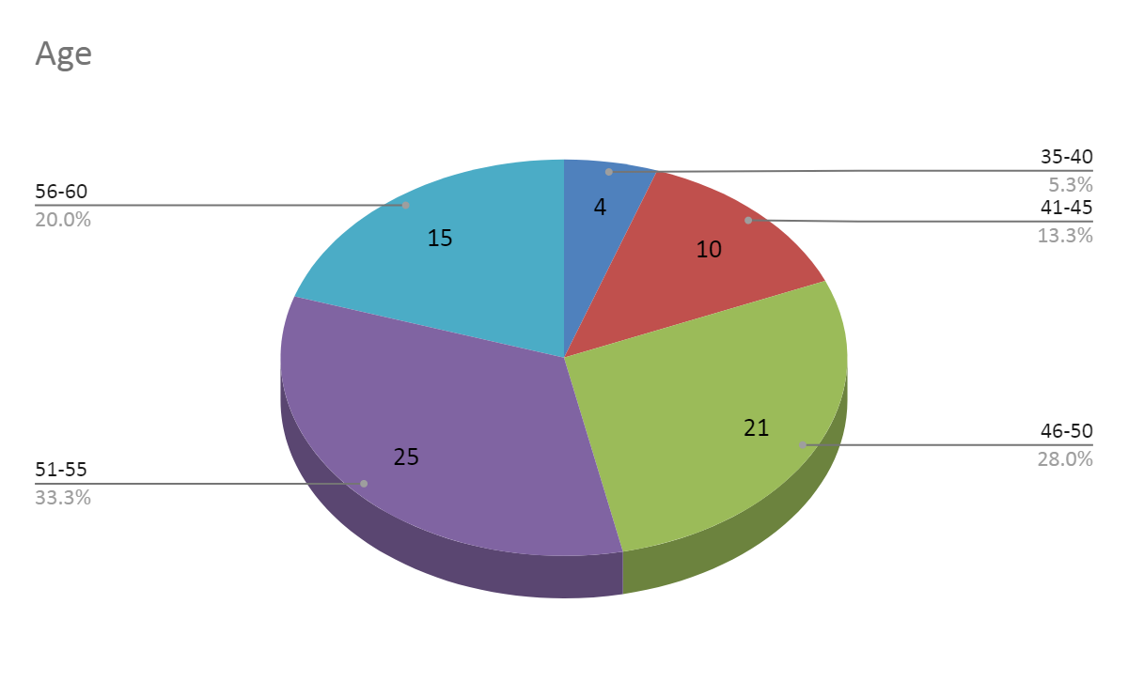
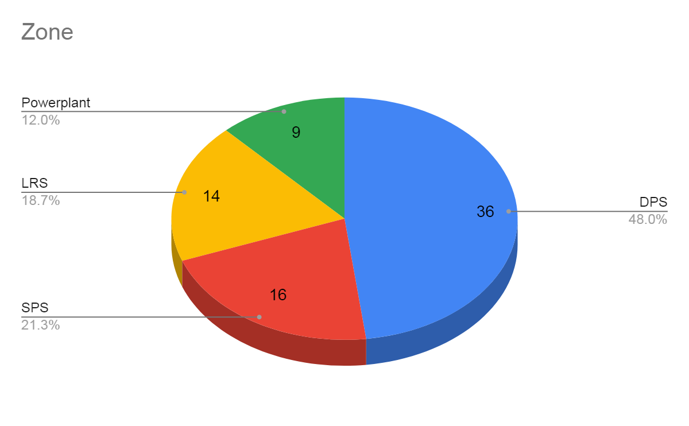
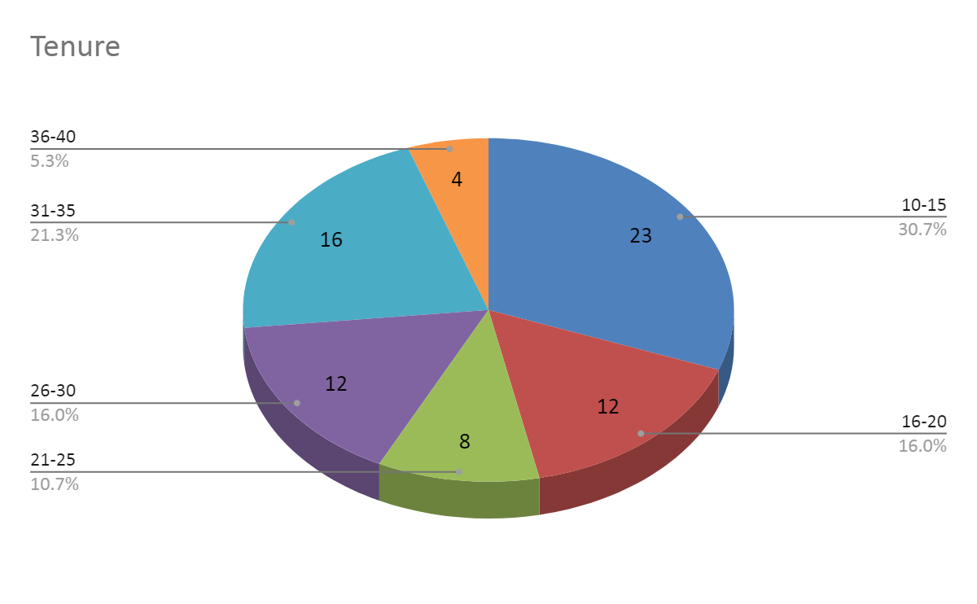

**Task: Data Visualization and Analysis** Ignore Sheet2
You are provided with a dataset, and your objective is to visualize the data using appropriate graphs (excluding pie charts). Once you have created the visualizations, perform an analysis and extract meaningful insights from the data. Present your findings in a comprehensive report, highlighting the key trends, patterns, or relationships that the visualizations reveal.
Perform Annova test, f-test, t-test and other statistical test using the given data.
Hint: Null Hypothesis (H0) is responses of employees from all the 4 zones are same.
Alternate Hypothesis (H1)is responses of employees from all the 4 zones are not same
Once you have completed the task, please share your data visualizations, analysis, and findings in a well-structured document.
If you require any further clarification or have specific questions about the task, don't hesitate to ask. Good luck!

