RS
...
 |  |  |  |  |  | None |  |  |  | Pollution |  |  |  | Corrosion
2 | 1.5 |  | 2 | 2 | ff | 1 | 1 | 1 | 1 | 0 | 0 | 0 | 0 | 0 | 0 | 0
1 | 1 | 1 | 1 | 1 | Q_code | 1 | 2 | 3 | 4 | 5 | 6 | 7 | 8 | 9 | 10 | 11
1.5 | 1.5 |  | 1.5 | 2.5
 |  | 1
 |  | 1
 |  | 2
 |  |  | 1 | 1
 |  |  | 1
 |  |  | 2
...
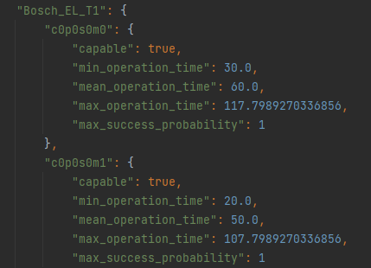
 |  |  |  |  |  | None |  |  |  | Pollution |  |  |  | Corrosion
Pollution
alph | beta | gam | eps | eps2
1.1 | 1.1 | 1.1 | 1.1 | 1.1
1 | 1 | 1 | 1
1 | 1 | 1 | 1
1 | 1 |  | 1 | 1
1 | 1 | 1 | 1 | 1
1.3 | 1.3 |  | 1.3 | 1.3
 |  | 1
 |  | 1.3
 |  | 1
 |  |  | 1 | 1
 |  |  | 1
 |  |  | 1
...
 |  |  |  |  |  | None |  |  |  | Pollution |  |  |  | Corrosion
Soldered wires
alph | beta | gam | eps | eps2
1.3 | 1.3 | 0 | 0 | 0
5 | 0 | 0 | 0
0 | 0 | 0 | 0 |  | Unterscheidung Produktklassen
0 | 0 |  | 0 | 0 | Bosch_EL | 1
0 | 0 | 0 | 0 | 0 | Bosch_LIC | 1
0 | 0 |  | 0 | 0 | Bosch_LIC-B | 1
 |  | 0 |  |  | Bosch_T1-DT1/T1 Sattel | 1
...

