PSII HEQ
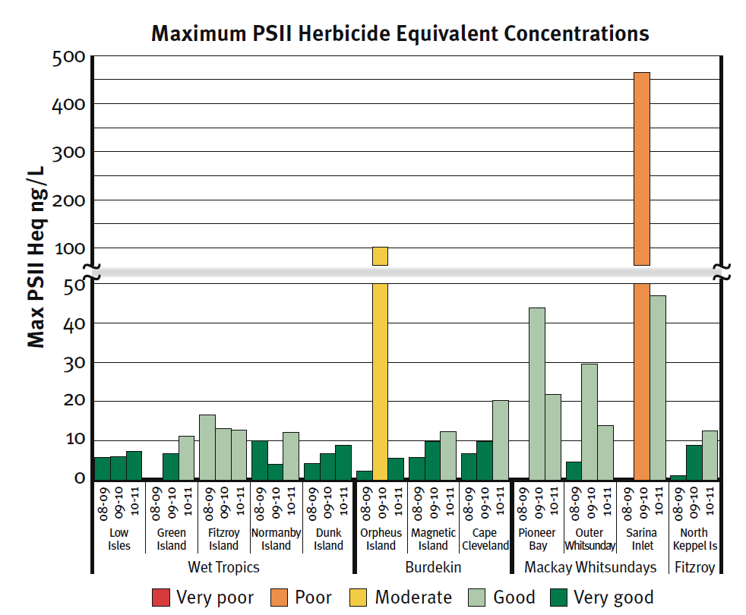
Maximum PSII Herbicide Equivalent Concentrations in 2008-2009 (ng/L) |  |  |  | type | PSII_MAX_HEQ
Region | Site | Total | Colour | title | TITLE
Wet Tropics | Low Isles | 5.73 | Dark green | range axis title | RANGE TITLE
 | Green Island |  |  | domain axis title | DOMAIN TITLE
 | Fitzroy Island | 16.65 | Light green
 | Normanby Island | 10.02 | Dark green
 | Dunk Island | 4.27 | Dark green
Burdekin | Orpheus Island | 2.18 | Dark green
 | Magnetic Island | 5.71 | Dark green
 | Cape Cleveland | 6.66 | Dark green
Mackay Whitsundays | Pioneer Bay
 | Outer Whitsunday | 4.66 | Dark green
 | Sarina Inlet
Fitzroy | North Keppel Island | 1.12 | Dark green

Maximum PSII Herbicide Equivalent Concentrations in 2009-2010 (ng/L)
Region | Site | Total | Colour
Wet Tropics | Low Isles | 5.99 | Dark green
 | Green Island | 6.63 | Dark green
 | Fitzroy Island | 13.00 | Light green
 | Normanby Island | 3.99 | Dark green
 | Dunk Island | 6.61 | Dark green
Burdekin | Orpheus Island | 100.88 | Yellow
 | Magnetic Island | 9.71 | Dark green
 | Cape Cleveland | 9.76 | Dark green
Mackay Whitsundays | Pioneer Bay | 43.81 | Light green
 | Outer Whitsunday | 29.48 | Light green
 | Sarina Inlet | 464.93 | Orange
Fitzroy | North Keppel Island | 8.83 | Dark green

Maximum PSII Herbicide Equivalent Concentrations in 2010-2011 (ng/L)
Region | Site | Total | Colour
Wet Tropics | Low Isles | 7.36 | Dark green
 | Green Island | 11.16 | Light green
 | Fitzroy Island | 12.61 | Light green
 | Normanby Island | 12.21 | Light green
 | Dunk Island | 8.83 | Dark green
Burdekin | Orpheus Island | 5.45 | Dark green
 | Magnetic Island | 12.32 | Light green
 | Cape Cleveland | 20.34 | Light green
Mackay Whitsundays | Pioneer Bay | 21.81 | Light green
 | Outer Whitsunday | 13.91 | Light green
 | Sarina Inlet | 46.94 | Light green
Fitzroy | North Keppel Island | 12.46 | Light green

