Dashboard 1_Login
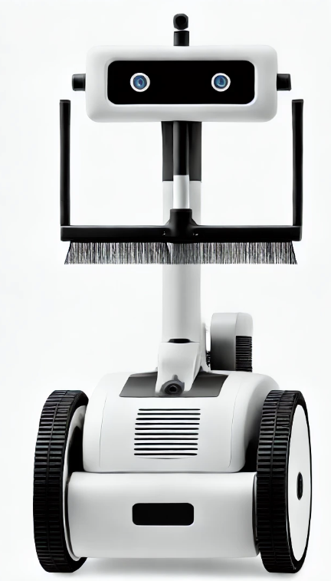
 |  | Welcome! Senior Management
Login / Sign Up

 |  |  | continue

User

Password

 | Submit

 |  | Welcome! Managers & Engineers

 |  |  | continue

Dashboard 2_SM
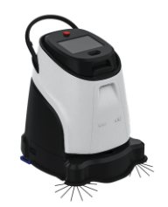
SM

Dataset

All Robots
 | Total
Scrubber50 | 17
Vacuum40 | 22
Shampoo | 16
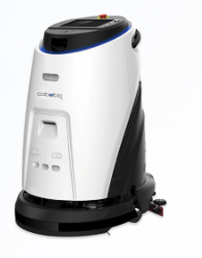
All Robots Type


Efficiency Rate

Error Rate

Efficiency Rate (%)
 | Total
Scrubber50 | 17
Vacuum40 | 22
Shampoo | 16
Error Rate
 | Total
Scrubber50 | 17
Vacuum40 | 22
Shampoo | 16

Dashboard 3_ BM&FE
BM
&
FE

 |  | Dataset

Timelines & Tasks
 | Filters
 | Cleaned sensors
Robot_003 | 1

