Tabelle1
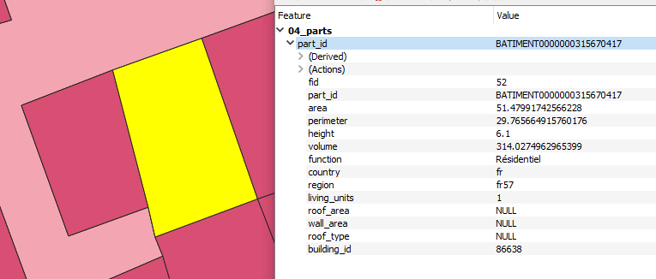
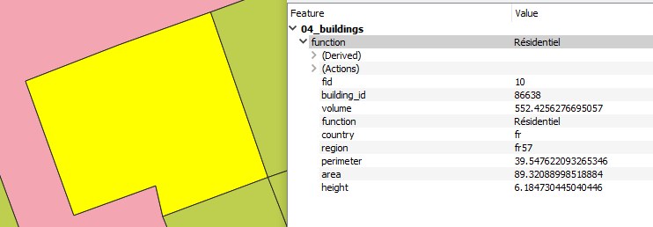
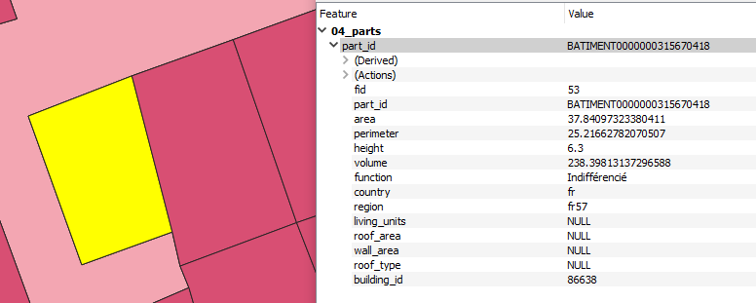
field | aggregate function | largest overlap | recalculated for dissolved geometries | dropped
building_id | first_value
volume | sum
function |  | from building part with largest overlap
country |  | from building part with largest overlap
region |  | from building part with largest overlap
perimeter |  |  | $perimeter
area |  |  | $area
height |  |  | "volume" / "area"
roof_type |  |  |  | dropped
living_units |  |  |  | dropped
roof_area |  |  |  | dropped
wall_area |  |  |  | dropped

