metadata
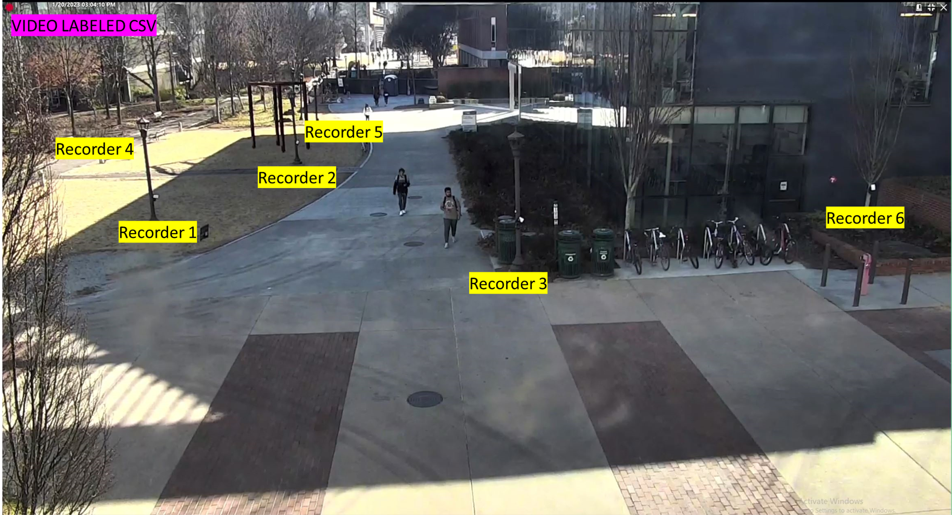
Test Start Date | Location | Position | Recorder Label | GPS LAT | GPS LONG | Whistle Count | Start Time (whistle) | End Time | whistle frame | total frame | time
2023-05-24 | Klaus Courtyard | Recorder 4 | Rec 8 | 33.776673 | -84.396548 | 1 | 11:33:00
2023-05-24 | Klaus Courtyard | Recorder 5 | Rec 1 | 33.776624 | -84.396664 | 1 | 11:33:00
2023-05-24 | Klaus Courtyard | Recorder 2 | Rec 9 | 33.776733 | -84.396668 | 1 | 11:33:00
2023-05-24 | Klaus Courtyard | Recorder 1 | Rec 3 | 33.776859 | -84.396633 | 1 | 11:33:00
2023-05-24 | Klaus Courtyard | Recorder 3 | Rec 6 | 33.776915 | -84.396756 | 1 | 11:33:00
2023-05-24 | Klaus Courtyard | Recorder 6 | Rec 2 | 33.776923 | -84.396924 | 1 | 11:33:00
2023-05-24 | Klaus Courtyard | Camera | Gopro5 | 33.777085 | -84.396707 | 1 | 11:33:00 | 5/26/23 | 422 | 160462 | 44.572777778 | 647.5025
2023-05-24 | Tech Walkway | Rec D1 | Rec 10 | 33.7740248 | -84.3978466 | 4 | 12:37:00
2023-05-24 | Tech Walkway | Rec D2 | Rec 13 | 33.7740148 | -84.397665 | 4 | 12:37:00
2023-05-24 | Tech Walkway | Rec C1 | Rec 11 | 33.7739518 | -84.3974856 | 3 | 12:34:00
2023-05-24 | Tech Walkway | Rec C2 | Rec 12 | 33.7740524 | -84.3973116 | 3 | 12:34:00
2023-05-24 | Tech Walkway | Rec B2 | Rec 4 | 33.7739521 | -84.3971688 | 2 | 12:31:00
2023-05-24 | Tech Walkway | Rec B1 | Rec 15 | 33.7740502 | -84.3969978 | 2 | 12:31:00
2023-05-24 | Tech Walkway | Rec A3 | Rec 5 | 33.7740544 | -84.3967785 | 1 | 12:29:00
2023-05-24 | Tech Walkway | Rec A2 | Rec 7 | 33.7740407 | -84.3966538 | 1 | 12:29:00
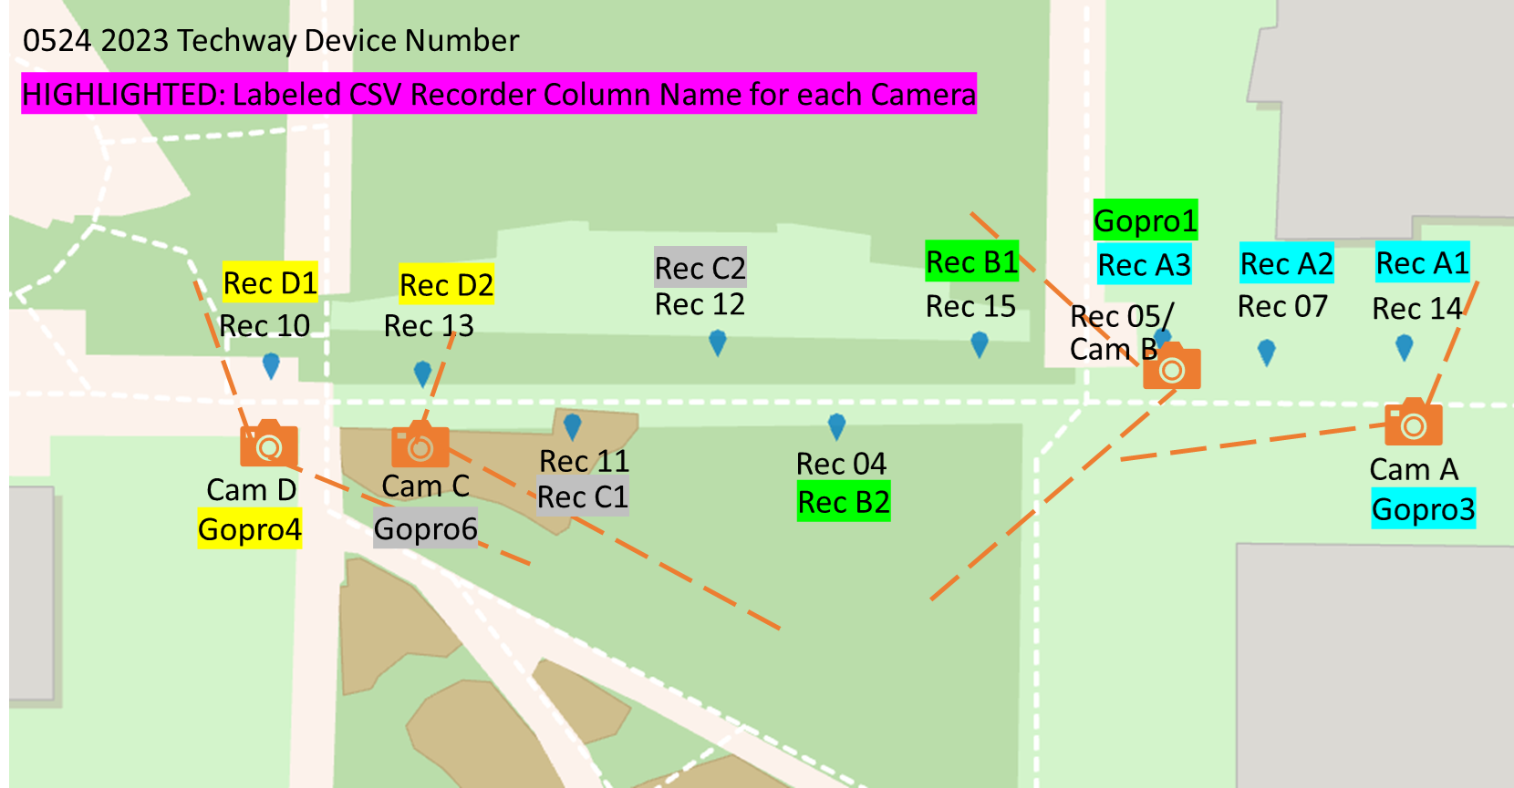
2023-05-24 | Tech Walkway | Rec A1 | Rec 14 | 33.7740468 | -84.3964889 | 1 | 12:29:00
2023-05-24 | Tech Walkway | Cam D | Gopro4 | 33.773943 | -84.398051 | 4 | 12:37:00 | 5/26/23 | 2772 | 155823
2023-05-24 | Tech Walkway | Cam C | Gopro6 | 33.773988 | -84.397687 | 3 | 12:34:00 | 5/26/23 | 1999 | 145846
2023-05-24 | Tech Walkway | Cam B | Gopro1 | 33.7740544 | -84.3967785 | 2 | 12:31:00 | 5/26/23 | 1214 | 160011
2023-05-24 | Tech Walkway | Cam A | Gopro3 | 33.773939 | -84.396363 | 1 | 12:29:00 | 5/26/23 | 556 | 154861
 |  |  |  |  |  |  |  |  |  | 616541
2023-06-01 | Klaus Courtyard | Recorder 4 | Rec 15 | 33.776673 | -84.396548 | 1 | 15:04:00
2023-06-01 | Klaus Courtyard | Recorder 5 | Rec 13 | 33.776624 | -84.396664 | 1 | 15:04:00
2023-06-01 | Klaus Courtyard | Recorder 2 | Rec 14 | 33.776733 | -84.396668 | 1 | 15:04:00
2023-06-01 | Klaus Courtyard | Recorder 1 | Rec 10 | 33.776859 | -84.396633 | 1 | 15:04:00
2023-06-01 | Klaus Courtyard | Recorder 3 | Rec 6 | 33.776915 | -84.396756 | 1 | 15:04:00
2023-06-01 | Klaus Courtyard | Recorder 6 | Rec 1 | 33.776923 | -84.396924 | 1 | 15:04:00
2023-06-01 | Klaus Courtyard | Camera | Gopro5 | 33.777085 | -84.396707 | 1 | 15:04:00 | 6/3/23 | 93 | 163574 |  | 416.31
2023-06-01 | Tech Walkway | Rec D1 | Rec 8 | 33.7740248 | -84.3978466 | 4 | 15:51:00
2023-06-01 | Tech Walkway | Rec D2 | Rec 9 | 33.7740148 | -84.397665 | 4 | 15:51:00
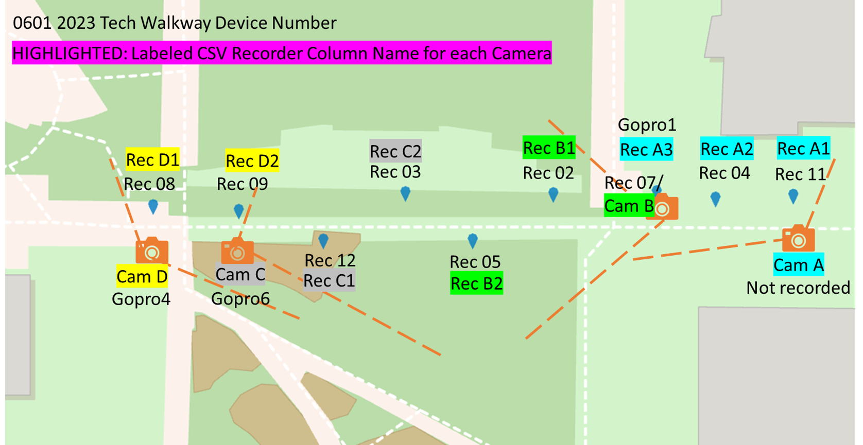
2023-06-01 | Tech Walkway | Rec C1 | Rec 12 | 33.7739518 | -84.3974856 | 3 | 15:49:00
2023-06-01 | Tech Walkway | Rec C2 | Rec 3 | 33.7740524 | -84.3973116 | 3 | 15:49:00
2023-06-01 | Tech Walkway | Rec B2 | Rec 5 | 33.7739521 | -84.3971688 | 2 | 15:47:00
2023-06-01 | Tech Walkway | Rec B1 | Rec 2 | 33.7740502 | -84.3969978 | 2 | 15:47:00
2023-06-01 | Tech Walkway | Rec A3 | Rec 7 | 33.7740544 | -84.3967785 | 1 | 15:45:00 | x | x
2023-06-01 | Tech Walkway | Rec A2 | Rec 4 | 33.7740407 | -84.3966538 | 1 | 15:45:00 | x | x
2023-06-01 | Tech Walkway | Rec A1 | Rec 11 | 33.7740468 | -84.3964889 | 1 | 15:45:00 | x | x
2023-06-01 | Tech Walkway | Cam D | Gopro4 | 33.773943 | -84.398051 | 4 | 15:51:00 | 6/3/23 | 1908 | 155393
2023-06-01 | Tech Walkway | Cam C | Gopro6 | 33.773988 | -84.397687 | 3 | 15:49:00 | 6/3/23 | 1302 | 145419
2023-06-01 | Tech Walkway | Cam B | Gopro1 | 33.7740544 | -84.3967785 | 2 | 15:47:00 | 6/3/23 | 554 | 160079
2023-06-01 | Tech Walkway | Cam A | Gopro3 | 33.773939 | -84.396363 | 1 | 15:45:00 | x | x |  | <- not recorded
 |  |  |  |  |  |  |  |  |  | 460891
2023-06-07 | Klaus Courtyard | Recorder 4 | Rec 1 | 33.776673 | -84.396548 | 1 | 16:42:00
2023-06-07 | Klaus Courtyard | Recorder 5 | Rec 11 | 33.776624 | -84.396664 | 1 | 16:42:00
2023-06-07 | Klaus Courtyard | Recorder 2 | Rec 15 | 33.776733 | -84.396668 | 1 | 16:42:00
2023-06-07 | Klaus Courtyard | Recorder 1 | Rec 3 | 33.776859 | -84.396633 | 1 | 16:42:00
2023-06-07 | Klaus Courtyard | Recorder 3 | Rec 9 | 33.776915 | -84.396756 | 1 | 16:42:00
2023-06-07 | Klaus Courtyard | Recorder 6 | Rec 8 | 33.776923 | -84.396924 | 1 | 16:42:00
2023-06-07 | Klaus Courtyard | Camera | Gopro5 | 33.777085 | -84.396707 | 1 | 16:42:00 | 6/9/23 | 34 | 163903 |  | 456.2935
2023-06-07 | Tech Walkway | Rec D1 | Rec 7 | 33.7740248 | -84.3978466 | 4 | 17:27:00
2023-06-07 | Tech Walkway | Rec D2 | Rec 5 | 33.7740148 | -84.397665 | 4 | 17:27:00
2023-06-07 | Tech Walkway | Rec C1 | Rec 14 | 33.7739518 | -84.3974856 | x | 17:25:00 | x | x | x
2023-06-07 | Tech Walkway | Rec C2 | Rec 4 | 33.7740524 | -84.3973116 | x | 17:25:00 | x | x | x
2023-06-07 | Tech Walkway | Rec B2 | Rec 2 | 33.7739521 | -84.3971688 | 2 | 17:23:00
2023-06-07 | Tech Walkway | Rec B1 | Rec 13 | 33.7740502 | -84.3969978 | 2 | 17:23:00
2023-06-07 | Tech Walkway | Rec A3 | Rec 12 | 33.7740544 | -84.3967785 | 1 | 17:21:00
2023-06-07 | Tech Walkway | Rec A2 | Rec 10 | 33.7740407 | -84.3966538 | 1 | 17:21:00
2023-06-07 | Tech Walkway | Rec A1 | Rec 6 | 33.7740468 | -84.3964889 | 1 | 17:21:00
2023-06-07 | Tech Walkway | Cam D | Gopro4 | 33.773943 | -84.398051 | 4 | 17:27:00 | 6/9/23 | 1962 | 155469
2023-06-07 | Tech Walkway | Cam C | Gopro6 | 33.773988 | -84.397687 | x | 17:25:00 | x | x | x | <- recorded for short time (battery not fully charged)
2023-06-07 | Tech Walkway | Cam B | Gopro1 | 33.7740544 | -84.3967785 | 2 | 17:23:00 | 6/9/23 | 756 | 159726
2023-06-07 | Tech Walkway | Cam A | Gopro3 | 33.773939 | -84.396363 | 1 | 17:21:00 | 6/9/23 | 81 | 152693
 |  |  |  |  |  |  |  |  |  | 467888
2023-06-21 | Klaus Courtyard | Recorder 4 | Rec 15 | 33.776673 | -84.396548 | 1 | 10:57:00
2023-06-21 | Klaus Courtyard | Recorder 5 | Rec 4 | 33.776624 | -84.396664 | 1 | 10:57:00
2023-06-21 | Klaus Courtyard | Recorder 2 | Rec 12 | 33.776733 | -84.396668 | 1 | 10:57:00
2023-06-21 | Klaus Courtyard | Recorder 1 | Rec 8 | 33.776859 | -84.396633 | 1 | 10:57:00
2023-06-21 | Klaus Courtyard | Recorder 3 | Rec 3 | 33.776915 | -84.396756 | 1 | 10:57:00
2023-06-21 | Klaus Courtyard | Recorder 6 | Rec 14 | 33.776923 | -84.396924 | 1 | 10:57:00
2023-06-21 | Klaus Courtyard | Camera | Gopro5 | 33.777085 | -84.396707 | 1 | 10:57:00 | 6/23/23 | 19 | 156579 |  | 619.195
2023-06-21 | Tech Walkway | Rec D1 | Rec 11 | 33.7740248 | -84.3978466 | 4 | 11:51:00
2023-06-21 | Tech Walkway | Rec D2 | Rec 13 | 33.7740148 | -84.397665 | 4 | 11:51:00
2023-06-21 | Tech Walkway | Rec C1 | Rec 1 | 33.7739518 | -84.3974856 | 3 | 11:49:00
2023-06-21 | Tech Walkway | Rec C2 | Rec 7 | 33.7740524 | -84.3973116 | 3 | 11:49:00
2023-06-21 | Tech Walkway | Rec B2 | Rec 9 | 33.7739521 | -84.3971688 | 2 | 11:47:00
2023-06-21 | Tech Walkway | Rec B1 | Rec 2 | 33.7740502 | -84.3969978 | 2 | 11:47:00
2023-06-21 | Tech Walkway | Rec A3 | Rec 5 | 33.7740544 | -84.3967785 | 1 | 11:46:00
2023-06-21 | Tech Walkway | Rec A2 | Rec 10 | 33.7740407 | -84.3966538 | 1 | 11:46:00
2023-06-21 | Tech Walkway | Rec A1 | Rec 6 | 33.7740468 | -84.3964889 | 1 | 11:46:00
2023-06-21 | Tech Walkway | Cam D | Gopro4 | 33.773943 | -84.398051 | 4 | 11:51:00 | 6/22/2023 22:59:51 PM | 571 | 126531
2023-06-21 | Tech Walkway | Cam C | Gopro6 | 33.773988 | -84.397687 | 3 | 11:49:00 | 6/23/23 | 710 | 155752
2023-06-21 | Tech Walkway | Cam B | Gopro1 | 33.7740544 | -84.3967785 | 2 | 11:47:00 | 6/23/23 | 1878 | 156253
2023-06-21 | Tech Walkway | Cam A | Gopro3 | 33.773939 | -84.396363 | 1 | 11:46:00 | 6/23/23 | 1257 | 147919
 |  |  |  |  |  |  |  |  |  | 586455
2023-06-28 | Klaus Courtyard | Recorder 4 | Rec 6 | 33.776673 | -84.396548 | 1 | 11:19:00
2023-06-28 | Klaus Courtyard | Recorder 5 | Rec 14 | 33.776624 | -84.396664 | 1 | 11:19:00
2023-06-28 | Klaus Courtyard | Recorder 2 | Rec 9 | 33.776733 | -84.396668 | 1 | 11:19:00
2023-06-28 | Klaus Courtyard | Recorder 1 | Rec 2 | 33.776859 | -84.396633 | 1 | 11:19:00
2023-06-28 | Klaus Courtyard | Recorder 3 | Rec 7 | 33.776915 | -84.396756 | 1 | 11:19:00
2023-06-28 | Klaus Courtyard | Recorder 6 | Rec 11 | 33.776923 | -84.396924 | 1 | 11:19:00
2023-06-28 | Klaus Courtyard | Camera | Gopro5 | 33.777085 | -84.396707 | 1 | 11:19:00 | 6/30/23 | 2 | 163892 |  | 454.95377778
2023-06-28 | Tech Walkway | Rec D1 |  | 33.7740248 | -84.3978466 | 2 | 11:52:00
2023-06-28 | Tech Walkway | Rec D2 |  | 33.7740148 | -84.397665 | 2 | 11:52:00
2023-06-28 | Tech Walkway | Rec C1 | x | 33.7739518 | -84.3974856 | x |  | x
2023-06-28 | Tech Walkway | Rec C2 | x | 33.7740524 | -84.3973116 | x |  | x
2023-06-28 | Tech Walkway | Rec B2 | Rec 12 | 33.7739521 | -84.3971688 | 1 | 11:51:00
2023-06-28 | Tech Walkway | Rec B1 | Rec 4 | 33.7740502 | -84.3969978 | 1 | 11:51:00
2023-06-28 | Tech Walkway | Rec A3 | Rec 15 | 33.7740544 | -84.3967785 | 1 | 11:51:00
2023-06-28 | Tech Walkway | Rec A2 | Rec 3 | 33.7740407 | -84.3966538 | 1 | 11:51:00
2023-06-28 | Tech Walkway | Rec A1 | Rec 13 | 33.7740468 | -84.3964889 | 1 | 11:51:00
2023-06-28 | Tech Walkway | Cam D | Gopro4 | 33.773943 | -84.398051 | 2 | 11:52:00 | 6/30/23 | 373 | 156449
2023-06-28 | Tech Walkway | Cam C | Gopro6 | 33.773988 | -84.397687 | x |  | x | x | x | <- camera angle
2023-06-28 | Tech Walkway | Cam B | Gopro1 | 33.7740544 | -84.3967785 | 1 | 11:51:00 | 6/30/23 | 449 | 160682
2023-06-28 | Tech Walkway | Cam A | Gopro3 | 33.773939 | -84.396363 | 1 | 11:51:00 | 6/30/23 | 962 | 148913
 |  |  |  |  |  |  |  |  |  | 466044 |  | 2594.2547778
 |  |  |  |  |  |  |  |  |  | 5538004

