Audio+Video Recorder Map
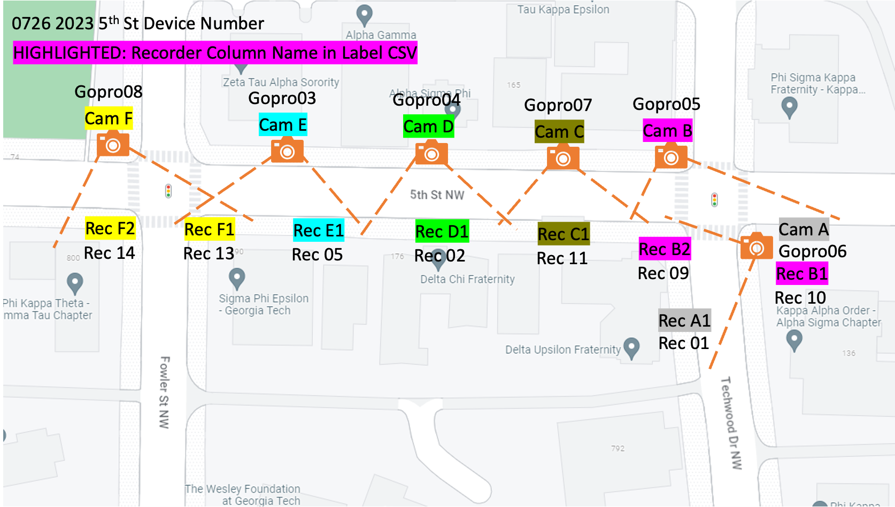

Metadata Analysis
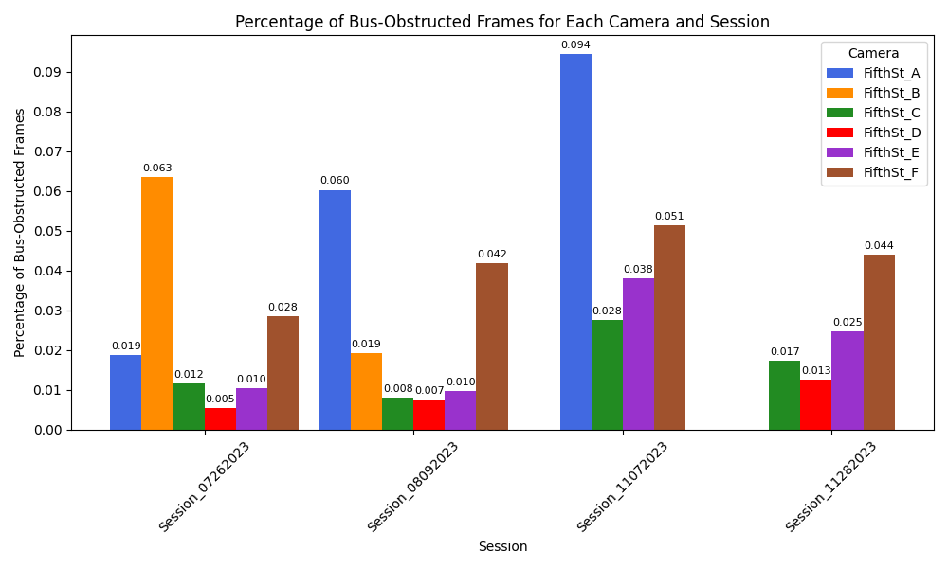
 | Total Frame Counts
 | Camera/Recorder ID
Session | FifthSt_A | FifthSt_B | FifthSt_C | FifthSt_D | FifthSt_E | FifthSt_F | Total
Session_07262023 | 141321 | 157275 | 158994 | 151876 | 152202 | 155157 | 916825
Session_08092023 | 162757 | 146054 | 159082 | 156099 | 153177 | 155673 | 932842
Session_11072023 | 103555 | 0 | 143844 | 0 | 146959 | 142464 | 536822
Session_11282023 | 0 | 0 | 134085 | 133257 | 144090 | 148592 | 560024
Total | 407633 | 303329 | 596005 | 441232 | 596428 | 601886 | 2946513
 |  |  |  |  |  |  |  |  | 4756943
 | Bus Obstructed Frame Counts
 | Camera/Recorder ID
Session | FifthSt_A | FifthSt_B | FifthSt_C | FifthSt_D | FifthSt_E | FifthSt_F | Total
Session_07262023 | 2653 | 9974 | 1852 | 811 | 1597 | 4409 | 21296
Session_08092023 | 9810 | 2804 | 1274 | 1156 | 1473 | 6494 | 23011
Session_11072023 | 9774 | 0 | 3973 | 0 | 5575 | 7307 | 26629
Session_11282023 | 0 | 0 | 2328 | 1682 | 3542 | 6526 | 14078
Total | 22237 | 12778 | 9427 | 3649 | 12187 | 24736 | 85014
 |  |  |  |  |  | 2.89% of total data is obstructed

 | Bus Obstructed Frame Counts
 | Camera/Recorder ID
Session | FifthSt_A | FifthSt_B | FifthSt_C | FifthSt_D | FifthSt_E | FifthSt_F | Total
Session_07262023 | 0.018772864613 | 0.063417580671 | 0.011648238298 | 0.0053398825358 | 0.010492634788 | 0.028416378249 | 0.023227987893
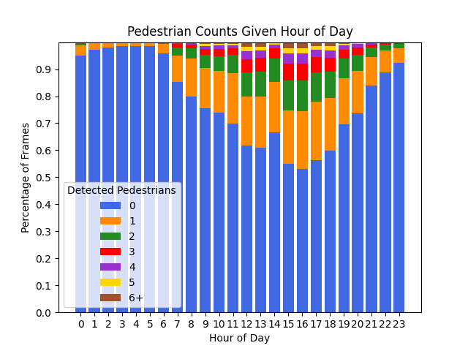
Session_08092023 | 0.06027390527 | 0.019198378682 | 0.0080084484731 | 0.00740555673 | 0.0096163262109 | 0.041715647543 | 0.024667628602
Session_11072023 | 0.094384626527 | 0 | 0.027620199661 | 0 | 0.037935750788 | 0.051290150494 | 0.049604896968
Session_11282023 | 0 | 0 | 0.017362121043 | 0.012622226225 | 0.024581858561 | 0.043918918919 | 0.025138208362
Total | 0.054551520608 | 0.042125876524 | 0.015816981401 | 0.0082700257461 | 0.02043331299 | 0.041097483577 | 0.028852409611

 | Average Duration of Consecutive Bus Obstructed Frames
 | Camera/Recorder ID
Session | FifthSt_A | FifthSt_B | FifthSt_C | FifthSt_D | FifthSt_E | FifthSt_F
Session_07262023 | 20.40769231 | 10.46848739 | 4.676767677 | 2.371345029 | 4.126614987 | 6.788906009
Session_08092023 | 8.509122502 | 14.91489362 | 3.153465347 | 3.058201058 | 3.592682927 | 2.286267606
Session_11072023 | 20.62025316 | 0 | 5.48 | 0 | 6.668660287 | 6.37609075
Session_11282023 | 0 | 0 | 3.677725118 | 2.686900958 | 4.685185185 | 6.008302583
Total | 12.66153846 | 11.201754382 | 4.3683966636 | 2.710995542 | 5.101297614 | 4.3222591363 | Total Average Duration: 5.857

 | Number of Bus "Views" (Snippets of Consecutive Bus Frames)
 | Camera/Recorder ID
Session | FifthSt_A | FifthSt_B | FifthSt_C | FifthSt_D | FifthSt_E | FifthSt_F
Session_07262023 | 130 | 952 | 396 | 342 | 387 | 649
Session_08092023 | 1151 | 188 | 404 | 378 | 410 | 2840
Session_11072023 | 474 | 0 | 725 | 0 | 836 | 1146
Session_11282023 | 0 | 0 | 633 | 626 | 756 | 1084
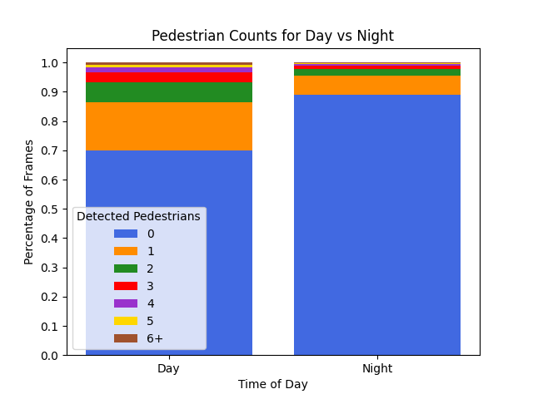
Total | 1755 | 1140 | 2158 | 1346 | 2389 | 5719 | Total Number of Bus ''Views'': 14507

 | # of pedestrians within 6m of a recorder
Hour | 0 | 1 | 2 | 3 | 4 | 5 | 6+ | total
0 | 174622 | 6907 | 1452 | 432 | 113 | 45 | 29 | 183600
1 | 178369 | 4386 | 662 | 156 | 21 | 4 | 2 | 183600
2 | 179891 | 3213 | 419 | 61 | 9 | 6 | 1 | 183600
3 | 180675 | 2722 | 163 | 36 | 4 | 0 | 0 | 183600
4 | 175102 | 2350 | 179 | 42 | 29 | 5 | 1 | 177708
5 | 173848 | 2467 | 81 | 4 | 0 | 0 | 0 | 176400
6 | 167412 | 5917 | 727 | 180 | 84 | 40 | 108 | 174468
7 | 137519 | 15970 | 4784 | 1965 | 836 | 205 | 101 | 161380
8 | 119628 | 20854 | 6029 | 1935 | 730 | 329 | 211 | 149716
9 | 109879 | 21685 | 7082 | 3111 | 1565 | 885 | 1127 | 145334
10 | 106256 | 22215 | 7973 | 3745 | 2009 | 952 | 850 | 144000
11 | 94692 | 25391 | 9076 | 3543 | 1546 | 718 | 743 | 135709
12 | 69137 | 20254 | 10112 | 5543 | 3223 | 1879 | 1947 | 112095
13 | 62135 | 19288 | 9388 | 5178 | 2628 | 1517 | 1702 | 101836
14 | 62458 | 17529 | 8118 | 3386 | 1404 | 503 | 276 | 93674 |  | Without Rolling Averages:
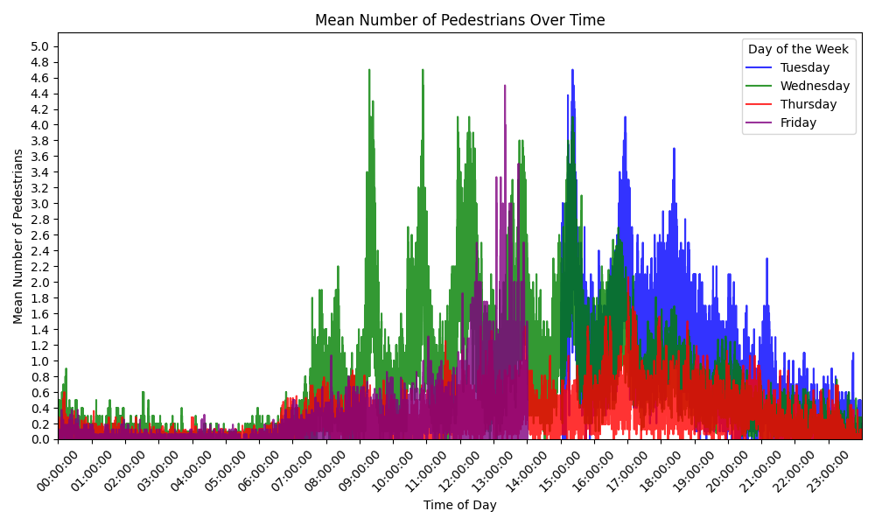
15 | 69121 | 24803 | 13692 | 7849 | 4626 | 2574 | 2801 | 125466
16 | 75353 | 30079 | 16084 | 9051 | 5103 | 2853 | 3137 | 141660
17 | 104502 | 40522 | 19966 | 10317 | 5354 | 2564 | 2475 | 185700
18 | 111905 | 36664 | 17916 | 9711 | 5373 | 2880 | 2751 | 187200
19 | 130288 | 31774 | 13631 | 6413 | 2675 | 1275 | 1144 | 187200
20 | 135115 | 28865 | 11215 | 4790 | 2324 | 807 | 569 | 183685
21 | 154269 | 19045 | 6498 | 2242 | 874 | 375 | 297 | 183600
22 | 163211 | 14656 | 3903 | 1082 | 429 | 213 | 106 | 183600
23 | 169621 | 9980 | 2610 | 801 | 308 | 130 | 150 | 183600
Total | 3105008 | 427536 | 171760 | 81573 | 41267 | 20759 | 20528 | 3868431

 | # of pedestrians within 6m of a recorder
Time of Day | 0 | 1 | 2 | 3 | 4 | 5 | 6+ | total
Day | 1242527 | 294302 | 122543 | 58906 | 29721 | 14976 | 15491 | 1778466
Night | 1862481 | 133234 | 49217 | 22667 | 11546 | 5783 | 5037 | 2089965
Total | 3105008 | 427536 | 171760 | 81573 | 41267 | 20759 | 20528 | 3868431

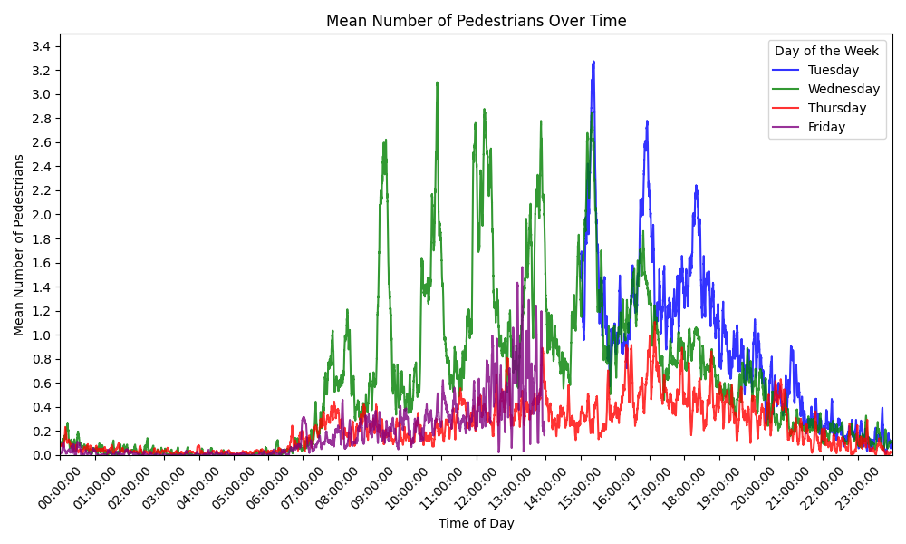
 | # of pedestrians within 6m of a recorder |  |  |  |  |  |  |  |  | With Rolling Averages:
Day of Week | 0 | 1 | 2 | 3 | 4 | 5 | 6+ | total
Tuesday | 185334 | 63286 | 32369 | 18150 | 10059 | 5273 | 5395 | 319866
Wednesday | 898133 | 185387 | 87808 | 44416 | 23164 | 12355 | 12182 | 1263445
Thursday | 1391812 | 138548 | 42331 | 16058 | 6647 | 2712 | 2643 | 1600751
Friday | 629729 | 40315 | 9252 | 2949 | 1397 | 419 | 308 | 684369
Total | 3105008 | 427536 | 171760 | 81573 | 41267 | 20759 | 20528 | 3868431

 | # of pedestrians within 6m of a recorder with Mean Overlapping Times (Tues to Thurs)
Day of Week | 0 | 1 | 2 | 3 | 4 | 5 | 6+ | total
Tuesday | 0.39091977485 | 0.40264118266 | 0.17464588359 | 0.027556132863 | 0.0042060988433 | 3.0927197377E-05 | 0 | 1
Wednesday | 0.48002103049 | 0.43090864106 | 0.074781963258 | 0.013267767675 | 0.0010205975135 | 0 | 0 | 1
Thursday | 0.7983237459 | 0.20012989423 | 0.0015463598689 | 0 | 0 | 0 | 0 | 1
Total | 0.55642151708 | 0.34455990598 | 0.083658068906 | 0.013607966846 | 0.0017422321189 | 1.0309065792E-05 | 0 | 1

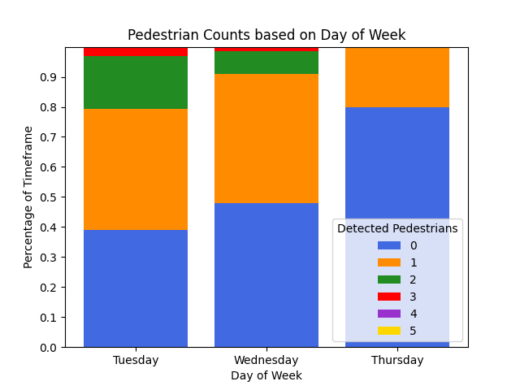
 | # of pedestrians within 6m of a recorder with Mean Overlapping Times (Wed to Fri)
Day of Week | 0 | 1 | 2 | 3 | 4 | 5 | 6+ | total
Wednesday | 0.65093086425 | 0.21289926046 | 0.10442730535 | 0.02884786962 | 0.0028352201757 | 5.9480143545E-05 | 0 | 1
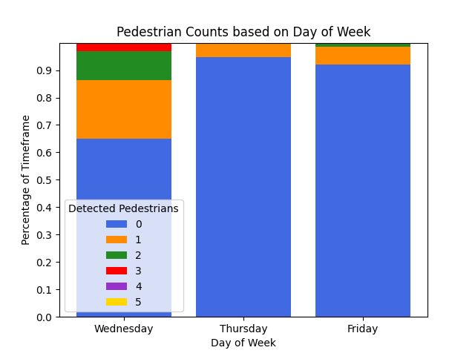
Thursday | 0.94785574083 | 0.052144259175 | 0 | 0 | 0 | 0 | 0 | 1
Friday | 0.92059400837 | 0.065923825763 | 0.012173602712 | 0.00085254872415 | 0.00045601443385 | 0 | 0 | 1
Total | 0.83979353781 | 0.11032244847 | 0.038866969355 | 0.0099001394479 | 0.0010970782032 | 1.9826714515E-05 | 0 | 1

