CPCB guidelines
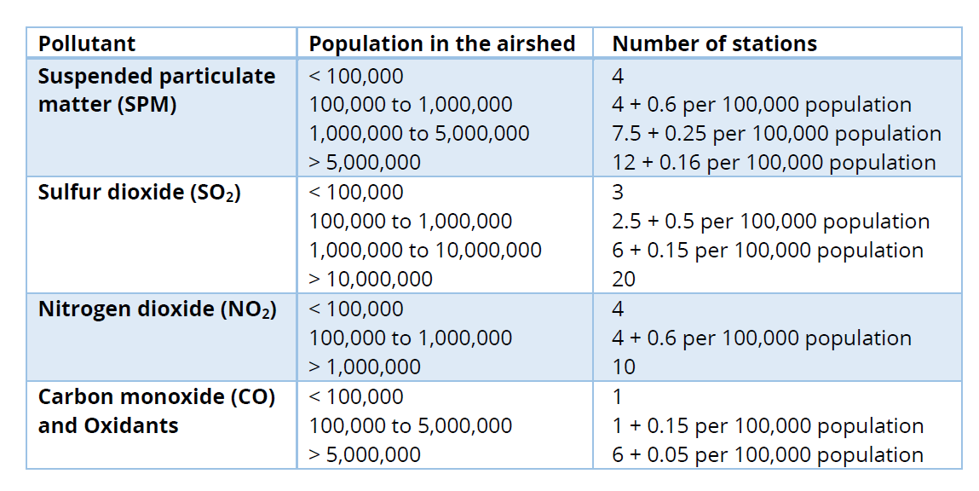
 | City pop bins
pop block | pop (millions) | PM
<100000 | 100000 | 4
100k to 1M | 900000 | 10
1M to 5M | 2200000 | 14
>5M | 0 | 0
 | Total | 28

 | City pop bins
pop block | pop (millions) | SO2
<100000 | 100000 | 3
100k to 1M | 900000 | 8
1M to 10M | 2200000 | 10
>10M | 0 | 0
 | Total | 21

 | City pop bins
pop block | pop (millions) | NO2
<100000 | 100000 | 4
100k to 1M | 900000 | 10
>1M | 2200000 | 10
 | Total | 24

 | City pop bins
pop block | pop (millions) | CO
<100000 | 100000 | 4
100k to 5M | 3100000 | 6
>5M | 0 | 0
 | Total | 10

