Calc
Select the location(s) to be included in the analysis from the dropdown menus below,
then use the following two values to configure your PAT project. |  |  |  |  | Workers | Runtime | Minimum Possible Cost | Cost w/ 1 hr of extra time that clusters are running
Number of homes represented | 2,116,287 |  | National simulations | 350000 | 1 | 6.88 | $30.54 | $34.98
Recommended number of baseline simulations | 9,259 |  | National homes | 80000000 | 2 | 4.38 | $26.79 | $32.91
Number of upgrades | 0 |  | Homes per sim | 228.57142857 | 3 | 3.21 | $25.04 | $32.84
Maximum number of simulations with upgrades | 9,259 |  | sims/worker-hour | 769.23076923 | 4 | 2.53 | $24.02 | $33.50
 |  |  | Worker cost ($/hr) | 1.68 | 5 | 2.09 | $23.36 | $34.52
 |  |  | Server cost ($/hr) | 2.76 | 6 | 1.78 | $22.90 | $35.74
 |  |  | Forgetfulness penalty (hr) | 1 | 7 | 1.55 | $22.55 | $37.07
 |  |  |  |  | 8 | 1.38 | $22.28 | $38.48
See how the estimated runtime and cost changes with the number of AWS worker instances used, by entering the number of workers below or using the graph at right. |  |  |  |  | 9 | 1.23 | $22.07 | $39.95
Estimated number of worker-hours | 12.04 |  |  |  | 10 | 1.12 | $21.90 | $41.46
Requested number of workers | 2 |  |  |  | 11 | 1.02 | $21.76 | $43.00
Estimated runtime | 4.38 |  |  |  | 12 | 0.94 | $21.64 | $44.56
Estimated cost | $26.79 |  |  |  | 13 | 0.88 | $21.53 | $46.13
 |  |  |  |  | 14 | 0.82 | $21.45 | $47.73
 |  |  |  |  | 15 | 0.76 | $21.37 | $49.33
 |  |  |  |  | 16 | 0.72 | $21.30 | $50.94
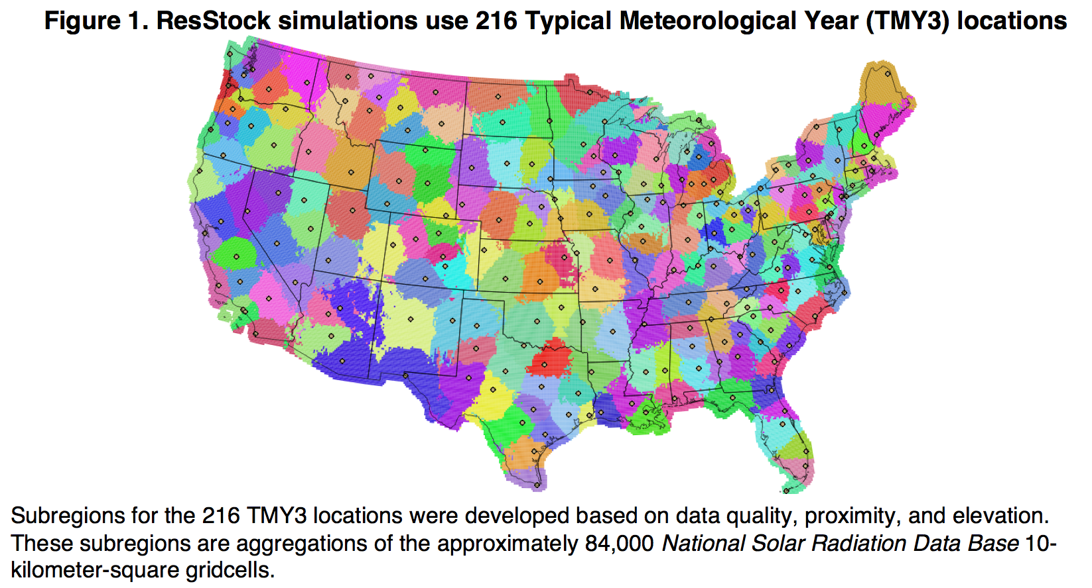
Location(s) - See map at right for coverage | Homes | Sims |  |  | 17 | 0.68 | $21.24 | $52.56
Option=USA_IL_Chicago-OHare.Intl.AP.725300_TMY3.epw | 1,843,825 | 8,066.73 |  |  | 18 | 0.64 | $21.18 | $54.18
Option=USA_IL_Rockford-Greater.Rockford.AP.725430_TMY3.epw | 272,462 | 1,192.02 |  |  | 19 | 0.61 | $21.14 | $55.82
 | - | - |  |  | 20 | 0.58 | $21.09 | $57.45
 | - | - |  |  | 21 | 0.55 | $21.05 | $59.09
 | - | - |  |  | 22 | 0.53 | $21.01 | $60.73
 | - | - |  |  | 23 | 0.51 | $20.98 | $62.38
 | - | - |  |  | 24 | 0.49 | $20.95 | $64.03
 |  |  |  |  | 25 | 0.47 | $20.92 | $65.68
 | - | - |  |  | 26 | 0.45 | $20.90 | $67.34
 | - | - |  |  | 27 | 0.43 | $20.87 | $68.99
 | - | - |  |  | 28 | 0.42 | $20.85 | $70.65
 | - | - |  |  | 29 | 0.40 | $20.83 | $72.31
 | - | - |  |  | 30 | 0.39 | $20.81 | $73.97
 | - | - |  |  | 31 | 0.38 | $20.79 | $75.63
 | - | - |  |  | 32 | 0.37 | $20.77 | $77.29
 | - | - |  |  | 33 | 0.36 | $20.76 | $78.96
 | - | - |  |  | 34 | 0.35 | $20.74 | $80.62
 | - | - |  |  | 35 | 0.34 | $20.73 | $82.29
 | - | - |  |  | 36 | 0.33 | $20.71 | $83.95
 | - | - |  |  | 37 | 0.32 | $20.70 | $85.62
 | - | - |  |  | 38 | 0.31 | $20.69 | $87.29
 | - | - |  |  | 39 | 0.30 | $20.68 | $88.96
 | - | - |  |  | 40 | 0.30 | $20.66 | $90.62
 | - | - |  |  | 41 | 0.29 | $20.65 | $92.29
 | - | - |  |  | 42 | 0.28 | $20.64 | $93.96
 | - | - |  |  | 43 | 0.28 | $20.63 | $95.63
 | - | - |  |  | 44 | 0.27 | $20.62 | $97.30
 | - | - |  |  | 45 | 0.26 | $20.62 | $98.98
 | - | - |  |  | 46 | 0.26 | $20.61 | $100.65
 | - | - |  |  | 47 | 0.25 | $20.60 | $102.32
 | - | - |  |  | 48 | 0.25 | $20.59 | $103.99
 | - | - |  |  | 49 | 0.24 | $20.58 | $105.66
 | - | - |  |  | 50 | 0.24 | $20.58 | $107.34
 | - | - |  |  | 51 | 0.23 | $20.57 | $109.01
 | - | -
 | - | -
 | - | -
 | - | -
 | - | -
 | - | -
 | - | -
 | - | -
 | - | -
 | - | -
 | - | -

8,10
Select the location(s) to be included in the analysis from the dropdown menus below,
then use the following two values to configure your PAT project. |  |  |  |  | Workers | Runtime | Cost
Number of homes represented | 6,532,683 |  | National simulations | 350000 | 1 | 19.82 | $35.28
Recommended number of simulations | 28,580 |  | National homes | 80000000 | 2 | 12.92 | $47.04
 |  |  | Homes per sim | 228.57142857 | 3 | 9.59 | $55.44
Estimated number of worker-hours | 37.15 |  | sims/worker-hour | 769.23076923 | 4 | 7.62 | $60.48
Requested number of workers | 1 |  | Worker cost ($/hr) | 1.68 | 5 | 6.32 | $67.20
Estimated runtime | 21.23 |  | Server cost ($/hr) | 2.76 | 6 | 5.40 | $70.56
Estimated cost | $97.68 |  | Extra time (hr) | 1 | 7 | 4.72 | $70.56
 |  |  |  |  | 8 | 4.19 | $80.64
 |  |  |  |  | 9 | 3.76 | $75.60
 |  |  |  |  | 10 | 3.42 | $84.00
 |  |  |  |  | 11 | 3.13 | $92.40
 |  |  |  |  | 12 | 2.89 | $80.64
 |  |  |  |  | 13 | 2.68 | $87.36
 |  |  |  |  | 14 | 2.50 | $94.08
 |  |  |  |  | 15 | 2.34 | $100.80
 |  |  |  |  | 16 | 2.20 | $107.52
Location(s) | Homes | Sims |  |  | 17 | 2.08 | $114.24
Option=USA_ND_Bismarck.Muni.AP.727640_TMY3.epw | 63,533 | 277.96 |  |  | 18 | 1.97 | $90.72
Option=USA_ND_Fargo-Hector.Intl.AP.727530_TMY3.epw | 166,829 | 729.88 |  |  | 19 | 1.87 | $95.76
Option=USA_ND_Minot.Intl.AP.727676_TMY3.epw | 57,114 | 249.88 |  |  | 20 | 1.78 | $100.80
Option=USA_SD_Huron.Rgnl.AP.726540_TMY3.epw | 61,701 | 269.94 |  |  | 21 | 1.70 | $105.84
Option=USA_SD_Pierre.Muni.AP.726686_TMY3.epw | 26,485 | 115.87 |  |  | 22 | 1.62 | $110.88
Option=USA_SD_Rapid.City.Rgnl.AP.726620_TMY3.epw | 61,196 | 267.73 |  |  | 23 | 1.56 | $115.92
Option=USA_SD_Sioux.Falls-Foss.Field.726510_TMY3.epw | 161,894 | 708.28 |  |  | 24 | 1.49 | $120.96
Option=USA_CO_Alamosa.Muni.AP.724620_TMY3.epw | 88,655 | 387.86 |  |  | 25 | 1.44 | $126.00
Option=USA_CO_Boulder-Broomfield-Jefferson.County.AP.724699_TMY3.epw | 760,907 | 3,328.97 |  |  | 26 | 1.38 | $131.04
Option=USA_CO_Colorado.Springs-Peterson.Field.724660_TMY3.epw | 301,304 | 1,318.21 |  |  | 27 | 1.33 | $136.08
Option=USA_CO_Eagle.County.Rgnl.AP.724675_TMY3.epw | 74,871 | 327.56 |  |  | 28 | 1.29 | $141.12
Option=USA_CO_Grand.Junction-Walker.Field.724760_TMY3.epw | 92,665 | 405.41 |  |  | 29 | 1.24 | $146.16
Option=USA_CO_Pueblo.Mem.AP.724640_TMY3.epw | 70,941 | 310.37 |  |  | 30 | 1.20 | $151.20
Option=USA_ID_Boise.Air.Terminal.726810_TMY3.epw | 230,552 | 1,008.66 |  |  | 31 | 1.17 | $156.24
Option=USA_ID_Pocatello.Muni.AP.725780_TMY3.epw | 157,169 | 687.62 |  |  | 32 | 1.13 | $161.28
Option=USA_MT_Billings-Logan.Intl.AP.726770_TMY3.epw | 64,320 | 281.40 |  |  | 33 | 1.10 | $166.32
Option=USA_MT_Cut.Bank.Muni.AP.727796_TMY3.epw | 8,723 | 38.16 |  |  | 34 | 1.07 | $171.36
Option=USA_MT_Glasgow.Intl.AP.727680_TMY3.epw | 16,842 | 73.68 |  |  | 35 | 1.04 | $176.40
Option=USA_MT_Great.Falls.Intl.AP.727750_TMY3.epw | 29,112 | 127.37 |  |  | 36 | 1.01 | $181.44
Option=USA_MT_Helena.Rgnl.AP.727720_TMY3.epw | 80,253 | 351.11 |  |  | 37 | 0.98 | $124.32
Option=USA_MT_Kalispell-Glacier.Park.Intl.AP.727790_TMY3.epw | 50,469 | 220.80 |  |  | 38 | 0.96 | $127.68
Option=USA_MT_Lewistown.Muni.AP.726776_TMY3.epw | 16,614 | 72.68 |  |  | 39 | 0.93 | $131.04
Option=USA_MT_Miles.City.Muni.AP.742300_TMY3.epw | 16,943 | 74.13 |  |  | 40 | 0.91 | $134.40
Option=USA_MT_Missoula.Intl.AP.727730_TMY3.epw | 66,424 | 290.60 |  |  | 41 | 0.89 | $137.76
Option=USA_UT_Cedar.City.Muni.AP.724755_TMY3.epw | 81,920 | 358.40 |  |  | 42 | 0.87 | $141.12
Option=USA_UT_Salt.Lake.City.Intl.AP.725720_TMY3.epw | 566,829 | 2,479.88 |  |  | 43 | 0.85 | $144.48
Option=USA_WY_Casper-Natrona.County.Intl.AP.725690_TMY3.epw | 30,142 | 131.87 |  |  | 44 | 0.83 | $147.84
Option=USA_WY_Cheyenne.Muni.AP.725640_TMY3.epw | 46,403 | 203.01 |  |  | 45 | 0.81 | $151.20
Option=USA_WY_Green.River-Greater.Green.River.Intergalactic.Spaceport.725744_TMY3.epw | 32,572 | 142.50 |  |  | 46 | 0.79 | $154.56
Option=USA_WY_Lander-Hunt.Field.725760_TMY3.epw | 30,273 | 132.44 |  |  | 47 | 0.78 | $157.92
Option=USA_WY_Sheridan.County.AP.726660_TMY3.epw | 32,739 | 143.23 |  |  | 48 | 0.76 | $161.28
Option=USA_OR_Astoria.Rgnl.AP.727910_TMY3.epw | 45,799 | 200.37 |  |  | 49 | 0.74 | $164.64
Option=USA_OR_Burns.Muni.AP.726830_TMY3.epw | 10,972 | 48.00 |  |  | 50 | 0.73 | $168.00
Option=USA_OR_Eugene-Mahlon.Sweet.AP.726930_TMY3.epw | 116,548 | 509.90 |  |  | 51 | 0.72 | $171.36
Option=USA_OR_Medford-Rogue.Valley.Intl.AP.725970_TMY3.epw | 140,868 | 616.30
Option=USA_OR_North.Bend.Muni.AP.726917_TMY3.epw | 48,419 | 211.83
Option=USA_OR_Pendleton-Eastern.Oregon.Rgnl.AP.726880_TMY3.epw | 118,685 | 519.25
Option=USA_OR_Portland.Intl.AP.726980_TMY3.epw | 568,151 | 2,485.66
Option=USA_OR_Redmond-Roberts.Field.726835_TMY3.epw | 75,029 | 328.25
Option=USA_OR_Salem-McNary.Field.726940_TMY3.epw | 189,331 | 828.32
Option=USA_WA_Olympia.AP.727920_TMY3.epw | 171,396 | 749.86
Option=USA_WA_Quillayute.State.AP.727970_TMY3.epw | 58,283 | 254.99
Option=USA_WA_Seattle-Tacoma.Intl.AP.727930_TMY3.epw | 1,021,676 | 4,469.83
Option=USA_WA_Spokane.Intl.AP.727850_TMY3.epw | 276,493 | 1,209.66
Option=USA_WA_Yakima.Air.Terminal-McAllister.Field.727810_TMY3.epw | 144,642 | 632.81

