Hoja N° 1
N° Registro | Usuario | Nombre | Sexo | Email | Telefono | Compañia | Saldo
1 | BRENDA | M | brenda@live.com | 655-330-5736 | SAMSUNG | IUSACELL | 100
2 | OSCAR | H | oscar@gmail.com | 655-143-4181 | LG | TELCEL | 0
3 | JOSE | H | francisco@gmail.com | 655-143-3922 | NOKIA | MOVISTAR | 150
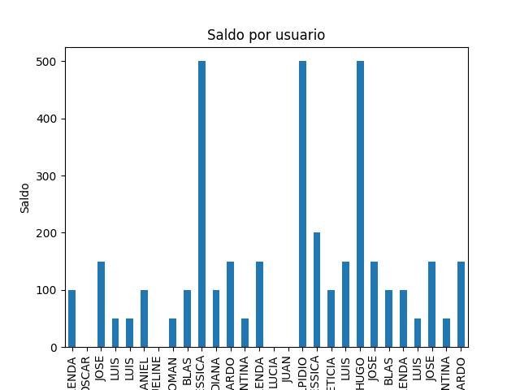
4 | LUIS | H | enrique@outlook.com | 655-137-1279 | SAMSUNG | TELCEL | 50
5 | LUIS | H | luis@hotmail.com | 655-100-8260 | NOKIA | IUSACELL | 50
6 | DANIEL | H | daniel@outlook.com | 655-145-2586 | SONY | UNEFON | 100
7 | JAQUELINE | M | jaqueline@outlook.com | 655-330-5514 | BLACKBERRY | AXEL | 0
8 | ROMAN | H | roman@gmail.com | 655-330-3263 | LG | IUSACELL | 50
9 | BLAS | H | blas@hotmail.com | 655-330-3871 | LG | UNEFON | 100
10 | JESSICA | M | jessica@hotmail.com | 655-143-6861 | SAMSUNG | TELCEL | 500
11 | DIANA | M | diana@live.com | 655-143-3952 | SONY | UNEFON | 100
12 | RICARDO | H | ricardo@hotmail.com | 655-145-6049 | MOTOROLA | IUSACELL | 150
13 | VALENTINA | M | valentina@live.com | 655-137-4253 | BLACKBERRY | AT&T | 50
14 | BRENDA | M | brenda2@gmail.com | 655-100-1351 | MOTOROLA | NEXTEL | 150
15 | LUCIA | M | lucia@gmail.com | 655-145-4992 | BLACKBERRY | IUSACELL | 0
16 | JUAN | H | juan@outlook.com | 655-100-6517 | SAMSUNG | AXEL | 0
17 | ELPIDIO | H | elpidio@outlook.com | 655-145-9938 | MOTOROLA | MOVISTAR | 500
18 | JESSICA | M | jessica2@live.com | 655-330-5143 | SONY | IUSACELL | 200
19 | LETICIA | M | leticia@yahoo.com | 655-143-4019 | BLACKBERRY | UNEFON | 100
20 | LUIS | H | luis2@live.com | 655-100-5085 | SONY | UNEFON | 150
21 | HUGO | H | hugo@live.com | 655-137-3935 | MOTOROLA | AT&T | 500
22 | JOSE | H | francisco@gmail.com | 655-143-3922 | NOKIA | MOVISTAR | 150
23 | BLAS | H | blas@hotmail.com | 655-330-3871 | LG | UNEFON | 100
24 | BRENDA | M | brenda@live.com | 655-330-5736 | SAMSUNG | IUSACELL | 100
25 | LUIS | H | enrique@outlook.com | 655-137-1279 | SAMSUNG | TELCEL | 50
26 | JOSE | H | francisco@gmail.com | 655-143-3922 | NOKIA | MOVISTAR | 150
27 | VALENTINA | M | valentina@live.com | 655-137-4253 | BLACKBERRY | AT&T | 50
28 | RICARDO | H | ricardo@hotmail.com | 655-145-6049 | MOTOROLA | IUSACELL | 150

