StudentsPerformance
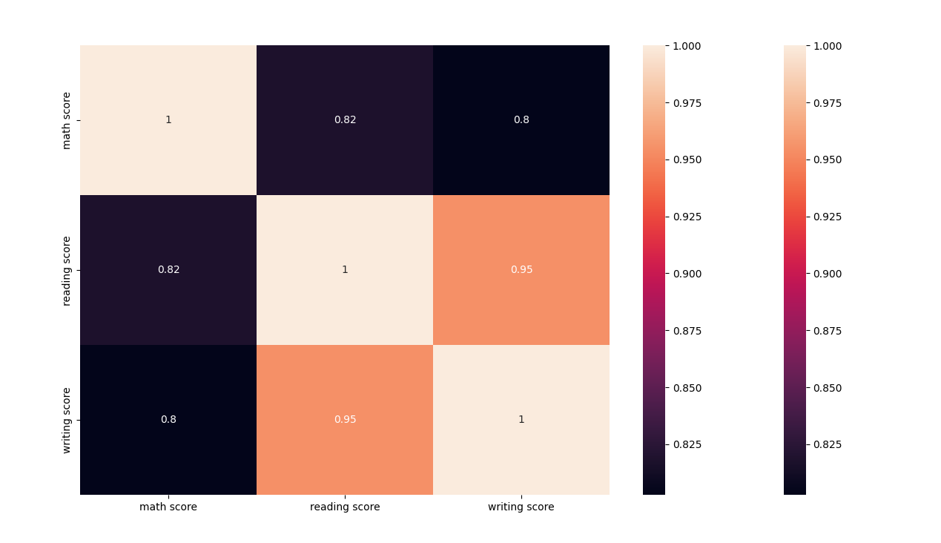
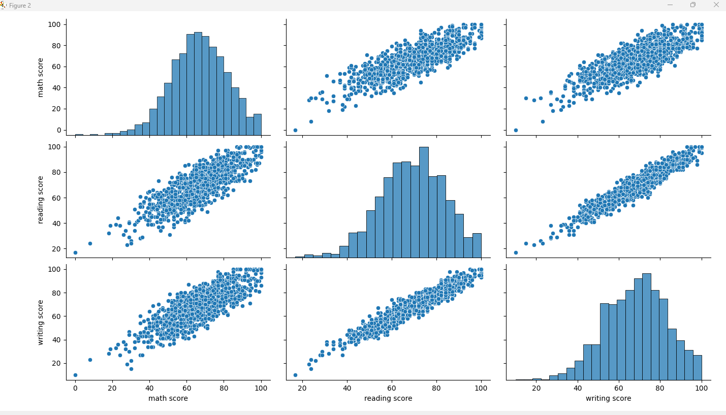
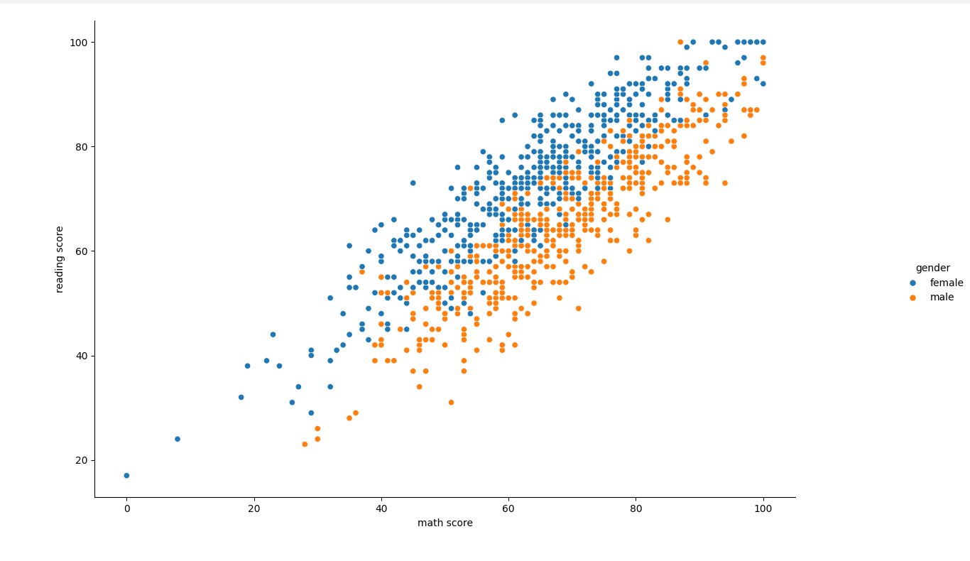
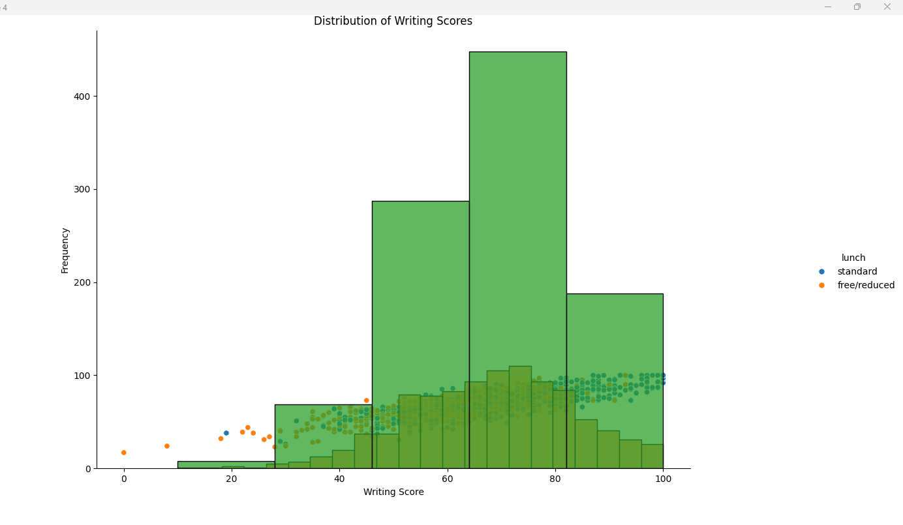
#Code
import pandas as pd
import numpy as np
import seaborn as sns
import matplotlib.pyplot as plt

data = pd.read_csv("StudentsPerformance.csv")

# Understanding the data##
print("HEAD")
print(data.head())

print("TAIL")
print(data.tail())

print("SHAPE")
print(data.shape)

print("DESCRIBE")
print(data.describe())

print("COLUMNS")
print(data.columns)

print("NUNIQUE")
print(data.nunique())

print("UNIQUE GENDERS")
print(data['gender'].unique())

print("UNIQUE parental level of education")
print(data['parental level of education'].unique())

# Correcting the data set##
print("data.isnull().sum()")
print(data.isnull().sum())

print("DROPPING 'gender', 'race/ethnicity', 'parental level of education', 'lunch','test preparation course'")
#Students = data.drop(['gender', 'race/ethnicity', 'parental level of education', 'lunch', 'test preparation course'], axis=1)
Students = data.drop(['race/ethnicity', 'parental level of education'], axis=1)

print("HEAD of Student After dropping")
print(Students.head())

print("HEAD of Data After dropping")
print(data.head())

# Relationship Analysis ###

numerical_features = Students.select_dtypes(include=np.number)
correlation = numerical_features.corr()
print(f"correlation : {correlation}")

sns.heatmap(correlation, xticklabels=correlation.columns, yticklabels=correlation.columns, annot=True)
sns.heatmap(correlation, xticklabels=correlation.columns, yticklabels=correlation.columns, annot=False)
sns.pairplot(Students)
sns.relplot(x = 'math score', y = 'reading score', hue= 'gender',data=Students)
sns.relplot(x = 'math score', y = 'reading score', hue= 'lunch', data=Students)
sns.histplot(Students['writing score'])
sns.histplot(Students['writing score'], bins=5)

plt.title('Distribution of Writing Scores')
plt.xlabel('Writing Score')
plt.ylabel('Frequency')
plt.show()

output

C:\Users\urssa\AppData\Local\Microsoft\WindowsApps\python3.11.exe C:\Sanjeev\VNIT_CLASSES\SEM-2\ML-ALGO\WorkSpace\EDA\src\com\eda\students.py
HEAD
gender race/ethnicity ... reading score writing score
0 female group B ... 72 74
1 female group C ... 90 88
2 female group B ... 95 93
3 male group A ... 57 44
4 male group C ... 78 75

[5 rows x 8 columns]
TAIL
gender race/ethnicity ... reading score writing score
995 female group E ... 99 95
996 male group C ... 55 55
997 female group C ... 71 65
998 female group D ... 78 77
999 female group D ... 86 86

[5 rows x 8 columns]
SHAPE
(1000, 8)
DESCRIBE
math score reading score writing score
count 1000.00000 1000.000000 1000.000000
mean 66.08900 69.169000 68.054000
std 15.16308 14.600192 15.195657
min 0.00000 17.000000 10.000000
25% 57.00000 59.000000 57.750000
50% 66.00000 70.000000 69.000000
75% 77.00000 79.000000 79.000000
max 100.00000 100.000000 100.000000
COLUMNS
Index(['gender', 'race/ethnicity', 'parental level of education', 'lunch',
'test preparation course', 'math score', 'reading score',
'writing score'],
dtype='object')
NUNIQUE
gender 2
race/ethnicity 5
parental level of education 6
lunch 2
test preparation course 2
math score 81
reading score 72
writing score 77
dtype: int64
UNIQUE GENDERS
['female' 'male']
UNIQUE parental level of education
["bachelor's degree" 'some college' "master's degree" "associate's degree"
'high school' 'some high school']
data.isnull().sum()
gender 0
race/ethnicity 0
parental level of education 0
lunch 0
test preparation course 0
math score 0
reading score 0
writing score 0
dtype: int64
DROPPING 'gender', 'race/ethnicity', 'parental level of education', 'lunch','test preparation course'
HEAD of Student After dropping
gender lunch ... reading score writing score
0 female standard ... 72 74
1 female standard ... 90 88
2 female standard ... 95 93
3 male free/reduced ... 57 44
4 male standard ... 78 75

[5 rows x 6 columns]
HEAD of Data After dropping
gender race/ethnicity ... reading score writing score
0 female group B ... 72 74
1 female group C ... 90 88
2 female group B ... 95 93
3 male group A ... 57 44
4 male group C ... 78 75

[5 rows x 8 columns]
correlation : math score reading score writing score
math score 1.000000 0.817580 0.802642
reading score 0.817580 1.000000 0.954598
writing score 0.802642 0.954598 1.000000

BikeSharing
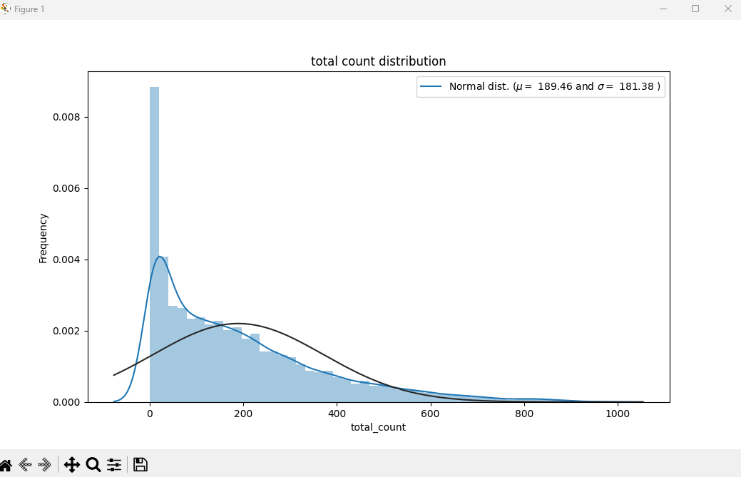
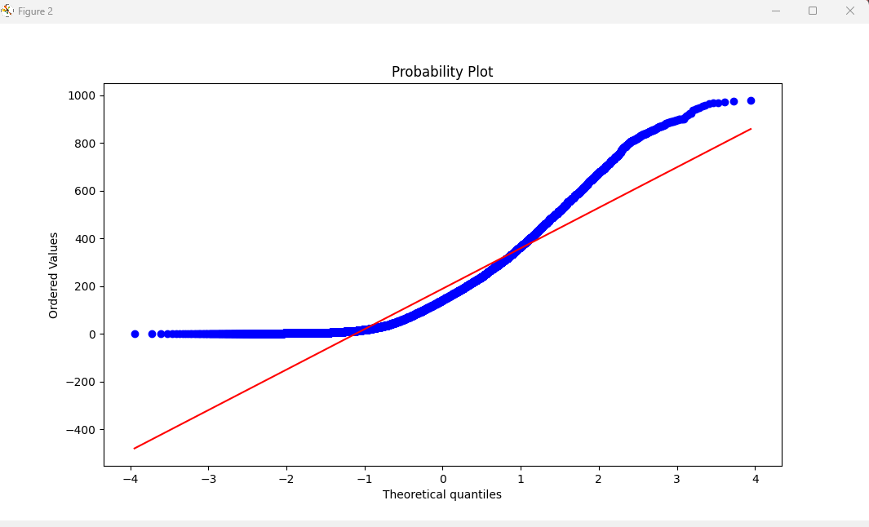
#code

import pandas as pd
from scipy import stats
from scipy.stats import norm, skew
import seaborn as sns
import matplotlib.pyplot as plt

df_bike = pd.read_csv("hour.csv")

print(df_bike.head())
df_bike.info()
print(df_bike.shape)

df_bike.rename(columns={
'instant': 'id',
'dteday': 'datetime',
'holiday': 'holiday_ind',
'workingday': 'workingday_ind',
'weathersit': 'weather_con',
'hum': 'humidity',
'mnth': 'month',
'cnt': 'total_count',
'hr': 'hour',
'yr': 'year'
}, inplace=True)

print(df_bike.head())
df_bike.info()
print(df_bike.dtypes)

# Date time conversion
df_bike['datetime'] = pd.to_datetime(df_bike.datetime)

# Categorical Variables
df_bike['season'] = df_bike.season.astype('category')
df_bike['holiday_ind'] = df_bike.holiday_ind.astype('category')
df_bike['weekday'] = df_bike.weekday.astype('category')
df_bike['weather_con'] = df_bike.weather_con.astype('category')
df_bike['workingday_ind'] = df_bike.workingday_ind.astype('category')
df_bike['month']= df_bike.month.astype('category')
df_bike['holiday_ind'] = df_bike.holiday_ind.astype("category")
df_bike['weekday'] = df_bike.weekday.astype('category')
df_bike['weather_con'] = df_bike.weather_con.astype('category')
df_bike['workingday_ind'] = df_bike.workingday_ind.astype( 'category')
df_bike['month'] = df_bike.month.astype('category')
df_bike['year'] = df_bike. year.astype('category')
df_bike['hour'] = df_bike.hour.astype('category')

# Converting the categorical variables using dummy variable encoding
d_season = pd.get_dummies(df_bike['season'], prefix='season')
d_hol_i = pd.get_dummies(df_bike['holiday_ind'], prefix='hol')
d_wkd = pd.get_dummies(df_bike['weekday'], prefix='weekday')
d_w_con = pd.get_dummies(df_bike['weather_con'], prefix='w_con')
d_wd_i = pd.get_dummies(df_bike['workingday_ind'], prefix='wd_i')
d_mon = pd.get_dummies(df_bike['month'], prefix='mon')
d_yr = pd.get_dummies(df_bike['year'], prefix='yr')
d_hr = pd.get_dummies(df_bike['hour'], prefix='hour')

# Check for Missing observations
print((df_bike.isnull().sum() / len(df_bike)).sort_values(ascending=False))

# Check for variance

# Test - Distribution of Dep Var
sns.distplot(df_bike['total_count'], fit=norm)
# Get the fitted parameters used by the function
(mu, sigma) = norm.fit(df_bike['total_count'])
print('mu = {:.2f} and sigma = {:.2f}'.format(mu, sigma))

# Now plot the distribution
plt.legend(['Normal dist. ($\\mu=$ {:.2f} and $\\sigma=$ {:.2f} )'.format(mu, sigma)],
loc='best')
plt.ylabel('Frequency')
plt.title('total count distribution')

# Get also the QQ-plot
fig = plt.figure()
res = stats.probplot(df_bike['total_count'], plot=plt)
plt.show()

# Check for correlation with the Numeric features
df_bike_nid = df_bike.drop(['id'], axis=1)
pd.set_option('display.precision', 2)
plt.figure(figsize=(6, 6))
sns.heatmap(df_bike_nid.drop(['total_count'], axis=1).corr(), square=True)
plt.suptitle("Pearson Correlation Heatmap")
plt.show()

output

C:\Users\urssa\AppData\Local\Microsoft\WindowsApps\python3.11.exe C:\Sanjeev\VNIT_CLASSES\SEM-2\ML-ALGO\WorkSpace\EDA\src\com\eda\bike_sharing.py
instant dteday season yr ... windspeed casual registered cnt
0 1 2011-01-01 1 0 ... 0.0 3 13 16
1 2 2011-01-01 1 0 ... 0.0 8 32 40
2 3 2011-01-01 1 0 ... 0.0 5 27 32
3 4 2011-01-01 1 0 ... 0.0 3 10 13
4 5 2011-01-01 1 0 ... 0.0 0 1 1

[5 rows x 17 columns]
<class 'pandas.core.frame.DataFrame'>
RangeIndex: 17379 entries, 0 to 17378
Data columns (total 17 columns):
# Column Non-Null Count Dtype
--- ------ -------------- -----
0 instant 17379 non-null int64
1 dteday 17379 non-null object
2 season 17379 non-null int64
3 yr 17379 non-null int64
4 mnth 17379 non-null int64
5 hr 17379 non-null int64
6 holiday 17379 non-null int64
7 weekday 17379 non-null int64
8 workingday 17379 non-null int64
9 weathersit 17379 non-null int64
10 temp 17379 non-null float64
11 atemp 17379 non-null float64
12 hum 17379 non-null float64
13 windspeed 17379 non-null float64
14 casual 17379 non-null int64
15 registered 17379 non-null int64
16 cnt 17379 non-null int64
dtypes: float64(4), int64(12), object(1)
memory usage: 2.3+ MB
(17379, 17)
id datetime season year ... windspeed casual registered total_count
0 1 2011-01-01 1 0 ... 0.0 3 13 16
1 2 2011-01-01 1 0 ... 0.0 8 32 40
2 3 2011-01-01 1 0 ... 0.0 5 27 32
3 4 2011-01-01 1 0 ... 0.0 3 10 13
4 5 2011-01-01 1 0 ... 0.0 0 1 1

[5 rows x 17 columns]
<class 'pandas.core.frame.DataFrame'>
RangeIndex: 17379 entries, 0 to 17378
Data columns (total 17 columns):
# Column Non-Null Count Dtype
--- ------ -------------- -----
0 id 17379 non-null int64
1 datetime 17379 non-null object
2 season 17379 non-null int64
3 year 17379 non-null int64
4 month 17379 non-null int64
5 hour 17379 non-null int64
6 holiday_ind 17379 non-null int64
7 weekday 17379 non-null int64
8 workingday_ind 17379 non-null int64
9 weather_con 17379 non-null int64
10 temp 17379 non-null float64
11 atemp 17379 non-null float64
12 humidity 17379 non-null float64
13 windspeed 17379 non-null float64
14 casual 17379 non-null int64
15 registered 17379 non-null int64
16 total_count 17379 non-null int64
dtypes: float64(4), int64(12), object(1)
memory usage: 2.3+ MB
id int64
datetime object
season int64
year int64
month int64
hour int64
holiday_ind int64
weekday int64
workingday_ind int64
weather_con int64
temp float64
atemp float64
humidity float64
windspeed float64
casual int64
registered int64
total_count int64
dtype: object
C:\Sanjeev\VNIT_CLASSES\SEM-2\ML-ALGO\WorkSpace\EDA\src\com\eda\bike_sharing.py:66: UserWarning:

`distplot` is a deprecated function and will be removed in seaborn v0.14.0.

Please adapt your code to use either `displot` (a figure-level function with
similar flexibility) or `histplot` (an axes-level function for histograms).

For a guide to updating your code to use the new functions, please see
https://gist.github.com/mwaskom/de44147ed2974457ad6372750bbe5751

sns.distplot(df_bike['total_count'], fit=norm)
id 0.0
weather_con 0.0
registered 0.0
casual 0.0
windspeed 0.0
humidity 0.0
atemp 0.0
temp 0.0
workingday_ind 0.0
datetime 0.0
weekday 0.0
holiday_ind 0.0
hour 0.0
month 0.0
year 0.0
season 0.0
total_count 0.0
dtype: float64
mu = 189.46 and sigma = 181.38

