Sheet1_2
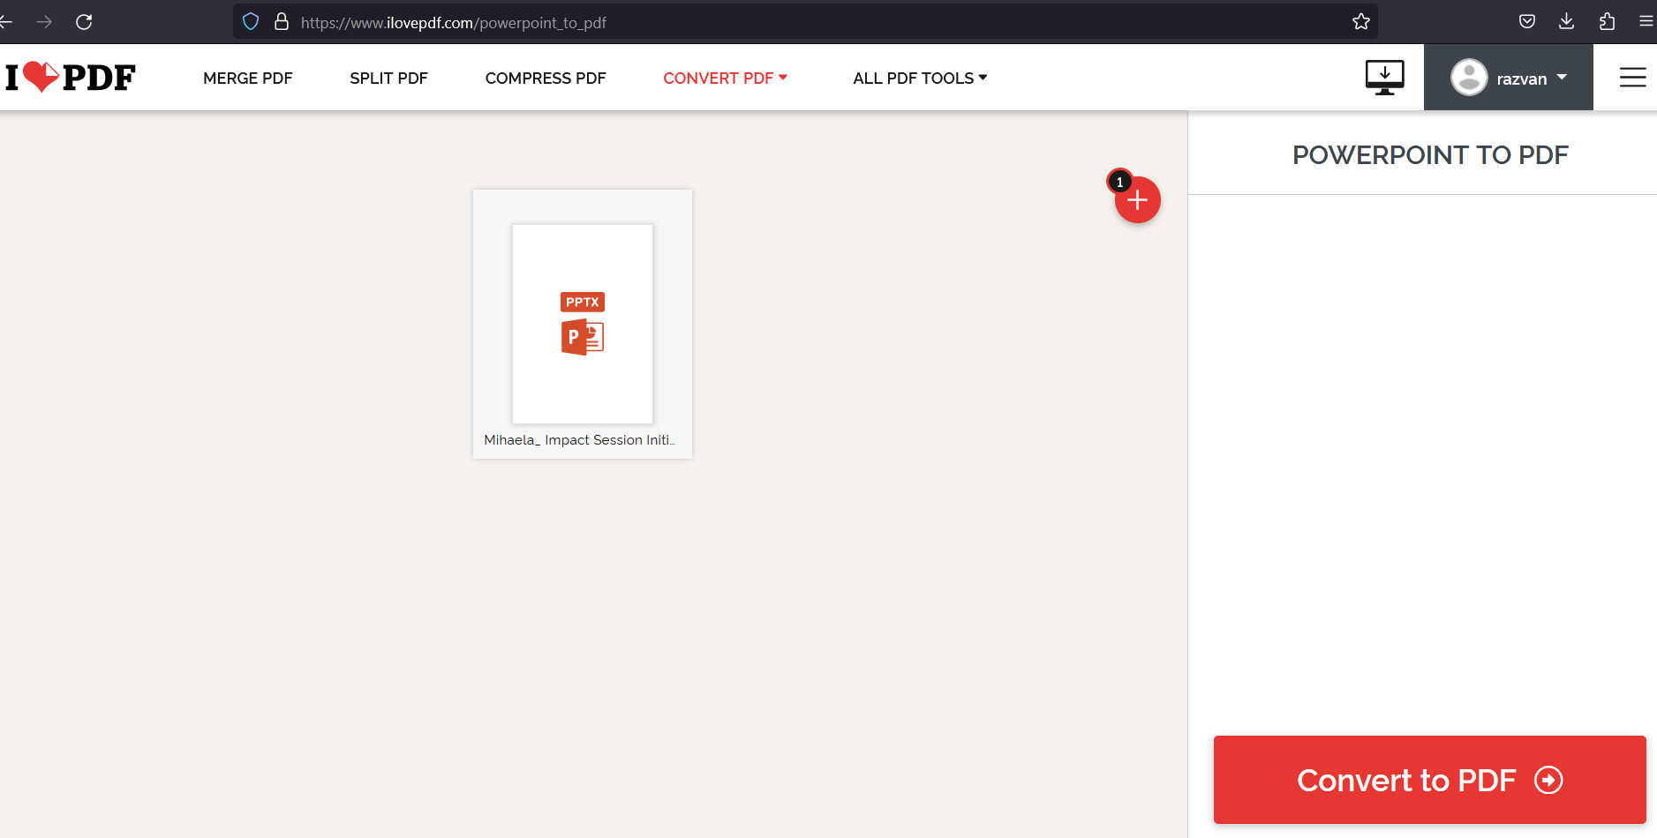
Test Case ID | 007 | Test Case Description | Upload/Convert PPT to PDF
Created By | Urs | Reviewed By | Drake | Version | 1

QA Tester'S Log

Testers Name | Razvan | Date Tested | 15/02/2023 | Test Case (Pass/Fail/Not Executed) |  | Pass

S# | Prerequisites |  | S# | Test Data
1 | ability to convert PPT to PDF |  | 1 | www.ilovepdf.com and create a new account to Login.
2 |  |  | 2
3 |  |  | 3
4 |  |  | 4

Test Scenario

Step# | Step Details | Expected Results | Actual Results | Pass/Fail/Not Executed
1 | www.ilovepdf.com | site should work ok | As expected | Pass
2 | choose PPT 2 PDF |  | As expected | Pass
3 | upload and convert | upload done! | As expected | Pass
4

