Base definitions
 |  |  |  | Tech levels
 | Fighters | Bombers |  | Fighters |  |  | Bombers
# |  |  | Level | Range | Attack | Defense | Range | Attack | Defense | Bomb capability | Investment rate | General availability (max) | General producibility
Experience |  |  | 1 | 500 | 5 | 5 | 500 | 3 | 6 | 1 | 1 | 0.3 | 0.3
Tech level |  |  | 2 | 500 | 6 | 5 | 500 | 3 | 6 | 2 | 2 | 0.45 | 0.45
 |  |  | 3 | 600 | 6 | 6 | 600 | 4 | 7 | 3 | 3 | 0.55 | 0.55
 |  |  | 4 | 600 | 7 | 6 | 600 | 4 | 7 | 4 | 4 | 0.65 | 0.65
 |  |  | 5 | 700 | 7 | 7 | 700 | 5 | 8 | 5 | 5 | 0.75 | 0.75
 |  |  | 6 | 700 | 8 | 7 | 700 | 5 | 8 | 6 | 6 | 0.8 | 0.8
 |  |  | 7 | 800 | 8 | 8 | 800 | 6 | 9 | 7 | 7 | 0.85 | 0.85
Production |  |  | 8 | 800 | 9 | 8 | 800 | 6 | 9 | 8 | 8 | 0.9 | 0.9
# |  |  | 9 | 900 | 9 | 9 | 900 | 7 | 10 | 9 | 9 | 0.95 | 0.95
Experience | 1 | (slows the rate at which pilots are received) | 10 | 1000 | 10 | 10 | 1000 | 7 | 11 | 10
Fighter stats vs level
Bomber stats vs level
Tech level | 1 | (increases with investment)

Speed of reinforcements |  | (dependent on required experience)
General availability |  | (dependent on funding and local conditions)
Local availability

Production | Maintenance and readiness
5 | 5

Map1
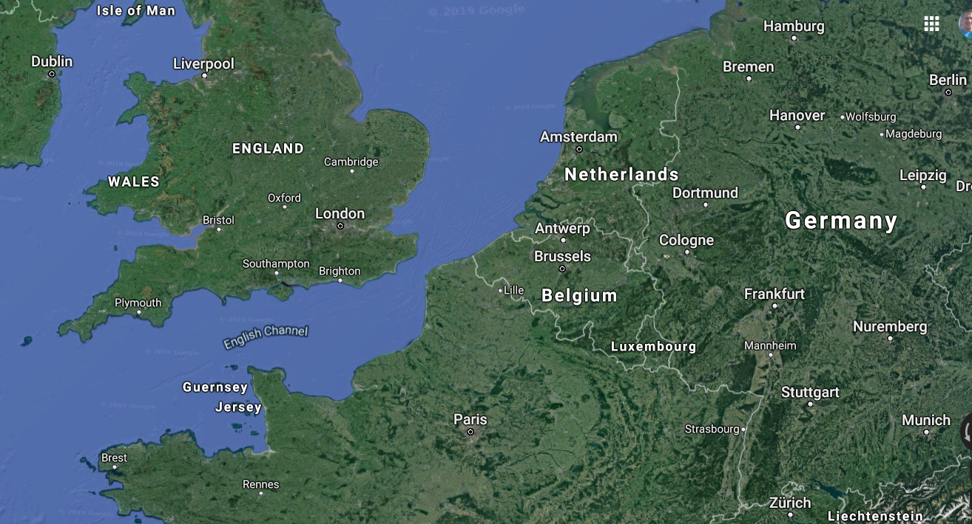

Map1 of 4
