Robotic_intervention-Tunneling
Product | Photo | Short description | Prototyping |  |  |  | Possible complications | Type | Observed use-case | Source of inspiration
 |  |  | Equipment required | Features | Digital tools | Steps
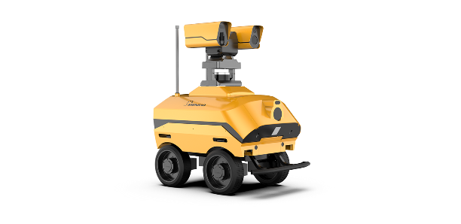 Inspection robot |  | Mobile robot that moves through the tunnel and inspects on desired position Real-time inspection | controller(arduino or raspberrypi or beagle bone), wires, motors, batteries, usb cable, Mock body (e.g. 3d printed) magnetic detection sensors, ultrasonic sensors,cameras | Obstacle detection Position detection(TBM meter and bar-code) mobility data storage wifi functionality not necessary | Arduino simulator MATLAB ROS and gazebo OpenCV | 1. Program and download the instructions into the controller 2.Install controller followed by connecting with relavant actuators and motors 3.Install the system on mobile robot and deploy 4.Inspect and store data 5.Return to initial position or repeat | Space constraint Movement coordination (can be ensured) Cost | routine task | Inspection of material delivery Inspection of machinery delivery Inspection of water ingress Landfill inspection General inspection | Accompanying the Site supervisors in thier inspection rounds of project leaders (Mathias Türtscher,Bernhard Hirscher)
Pick and place robot/cobot | 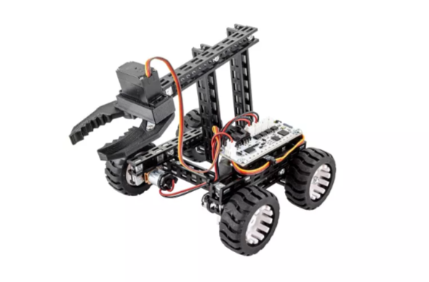 | Gripper mechanism based robotic arm placed on a mobile body that picks and places objects | controller, wires, motors, batteries, usb cable, Mock body (e.g. 3d printed) light sensors or camera or qr code/bar code detector, ultra sonic sensors | Obstacle detection mobility bar/qr code code detection wifi functionality not necessary | Arduino simulator bar/qr code detection app MATLAB ROS and gazebo | 1. Program and download the instructions into the controller 2.Install controller followed by connecting with relavant actuators and motors 3.Install the system on mobile robot and deploy 4.pick and place instructed objects 5.Store data if required for inventorz 5.Return to initial position or repeat | Space constraint Movement coordination (can be ensured) Cost | routine task | Assistance in lifting and placing things Inventory organisation Cleaning Urgent need of movement of things | Measures taken to accmodate emergency situations such as ingress or collpase by foremen and labour workers
Lifting robot | 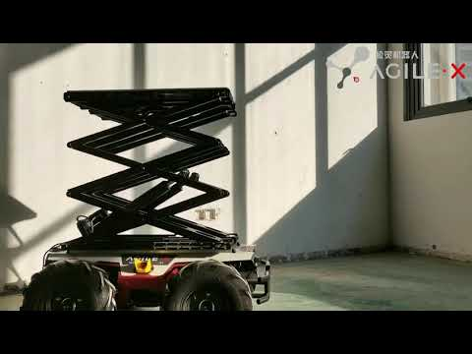
Fastening and tightening robot
Landfill robot | Prototyping project-Syedah Urwah Khatoon

