Instructions
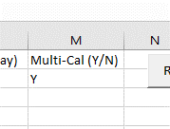
Settings Sheet:
Ensure Settings Worksheet is correctly setup, these are the parameters that will be used by the program.
CalendarAddress: There should only be one calendar here, it should be an org box calendar that everyone will use and Categorize their Appointments correctly
 | NOTE: The person running this EXCEL program must have this calendar added to their Outlook (as a shared calendar) - this only has to be done once. As long as this person can see the org calendar in their email they are good.
Members: This is all the members that will be looked for on the Calendar. Here it must be the Last name only. On the Calendar Worksheet (Column A), the names must be at least 2 words long (Rank, Name). The Name must match.
Categories: These categories must match what the Categories in outlook for the targeted Calendar. You can create as many as you like and set their color here to show on the calendar.
# Days: | How far into the calendar that you want to search. The larger this number the longer it takes for the program to execute.
Weekend Color: Specify what color you want the weekend to be highlighed as.
Alternating Color: The other color you want on the calendar for alternate days
Normal Column Color: The other color on the calendar for the days of the week.
ColumnSize: Can specify Column width for the days
Save Calendar Image Path: Set the path and the file name that you want the Calendar to be saved to (as an image). Ex: C:\\users\12321323.a\Desktop\NameOfCalendar.png

Calendar Sheet:
 | Member names must all be in Column A, they must be at least 2 words (Rank, Name), and the Name must match from settings.
 | The Calendar Supports Headings. The program identifies headings as 1 word cells (this is why member names must be 2 words). You can add as many or as little as you want
 | Columng B (position) doesn’t matter to the program, but don’t remove it as the code is set to start the calendar dates on Column C (so if you don’t want Column B just hide it).
 | Nothing else should have to be done to this sheet, the rest is added by the program.

To Use this Program:
 | After editing the Settings Sheet correctly, the person must ensure that they have the calendar that is under Calendar Address in the Settings Sheet in their shared calendar(s) in Outlook (this only has to be done once).
 | Additionally on that Calendar in Outlook Categories must be created that match the Categories in the Settings Sheet.
 | On the Shared Calendar in outlook members must make sure they use their name in the Appointment (same name that is in Column B of Settings Sheet), as well as set the Category correctly (to one of the categories in Column C of Settings sheet (this is how the matching is done by the program).
 | Then one person just has to run this program and it should work. On any errors, please try runnig the program one more time.

Suggestion:
 | If you want this calendar to be visible to others you can create an image viewer on Sharepoint and have it point to a SharedDrive location and the specific name of the calendar you want displayed. So this program will save an image of the calendar as .png and save it to the shared drive location and this is what SharePoint will be pointing to to show on the web. Then every time this program is run, that image is updated and so is the web image.

Illustrative Guide
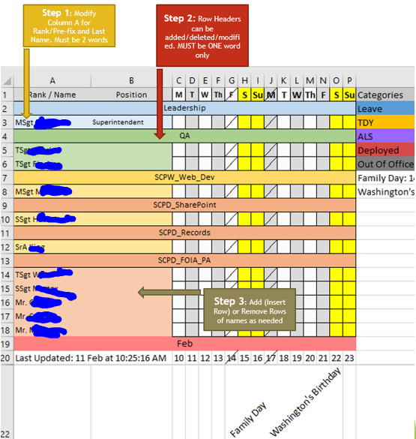
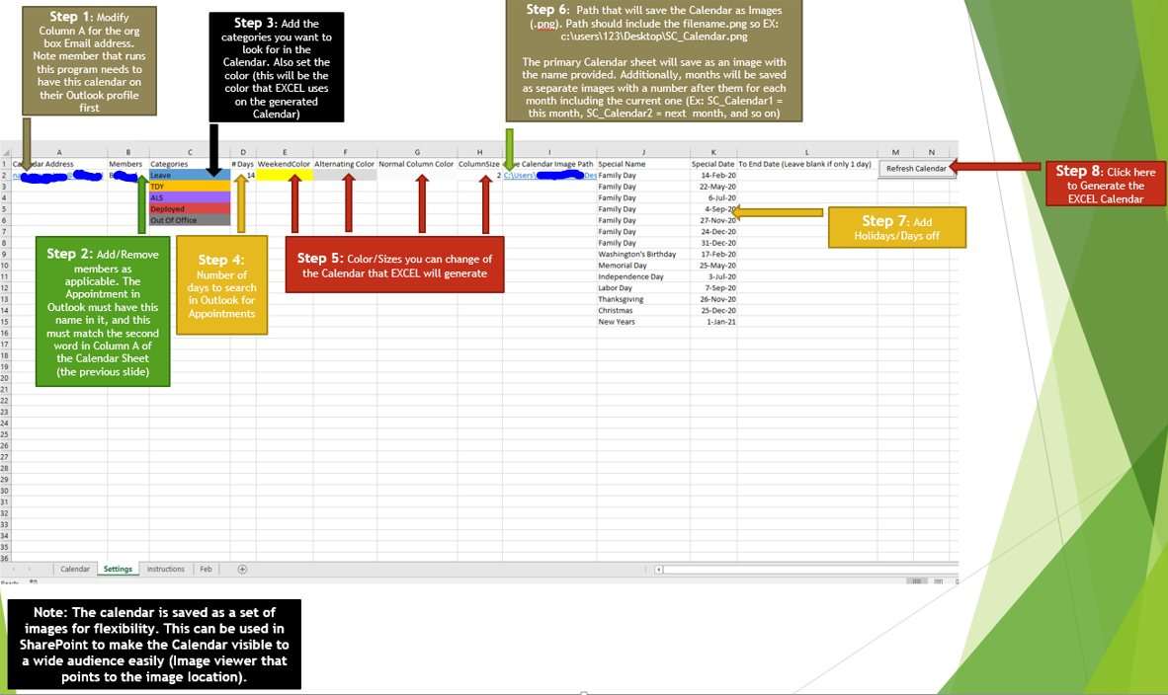

Requirement:
When Member creates an appointment in outlook they must Tag/Categorize that appointment with the same name as the Category that you are looking for (Column C of the Settings sheet)

NOTE:

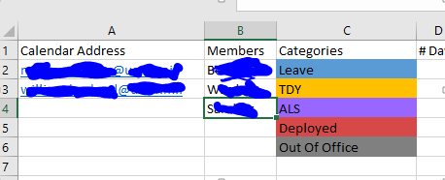
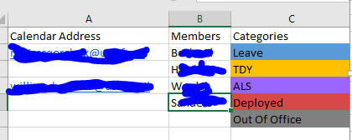
Multiple orb boxes/personal boxes can be used with any numer of members. |  | Just make sure that the B column has no blank rows
 |  |  | Set Column M to Y if using Multiple Calendars (or N if not)

