Sheet1
 |  |  |  | t1 (C) | t2 (C)
 |  |  |  | 5 | 50 | temperature window when charge is allowed
 | B |  |  | Rt1 | Rt2
1 | 3977 | 10 | K | 26094 | 3563.1
2 | 4080 | 15 | K | 40125 | 5203.7
3 | 4080 | 10 | K | 26750 | 3469.2
4 | 3470 | 10 | K | 23091 | 4064.1
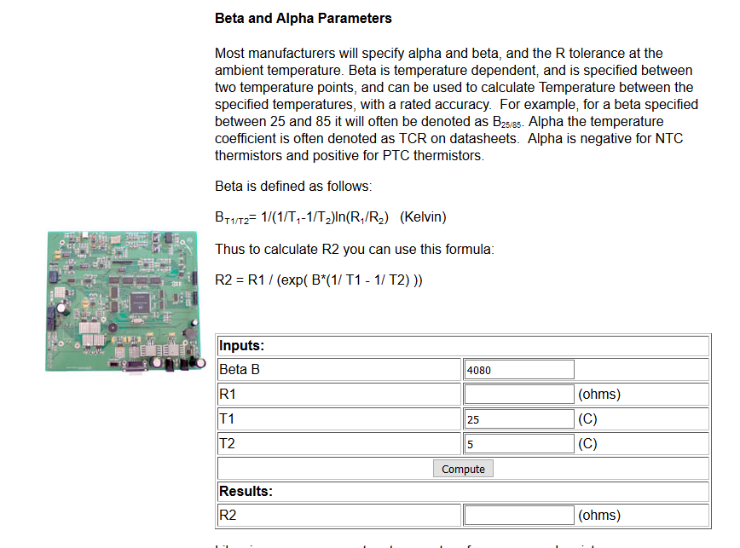

 |  |  |  |  |  |  |  |  |  |  | 1 | 2 | 3 | 4
 |  |  |  |  |  |  |  |  |  | Rcold | 26.094 | 40.125 | 26.75 | 23.091
 |  |  |  |  |  |  |  |  |  | Rhot | 3.5631 | 5.2037 | 3.4692 | 4.0641

 |  |  |  |  |  |  |  |  |  | Rseries | 1.5132762112 | 0.22228373814 | 1.6164008627 | 0.94
 |  |  |  |  |  |  |  |  |  | Rparallel | 162.66250107 | 58.363265744 | 137.12925033 | 19183

 |  |  |  |  |  |  |  |  |  | Rcold | 26.094
 |  |  |  |  |  |  |  |  |  | Rhot | 3.5631

 |  |  |  |  |  |  |  |  |  |  |  | Actual | Target
 |  |  |  |  |  |  |  |  |  | RT1 | 1.5132762112 | 24 | 24
 |  |  |  |  |  |  |  |  |  | RT2 | 162.66250107 | 5 | 5

 |  |  |  | 1 put thermistor resistances here
 |  | Rcold | 26.094
 |  | Rhot | 3.5631

 |  |  |  |  |  |  |  | 2 R parallel calcualted by WA
 |  |  |  |  |  |  | R2 | 162.66250107 | function solved by WolframAlpha
 | R1 | 1.5132762112
 | R1 | 1.5132762112
 |  |  | R1 calculated by DataSheet

