Step by Step
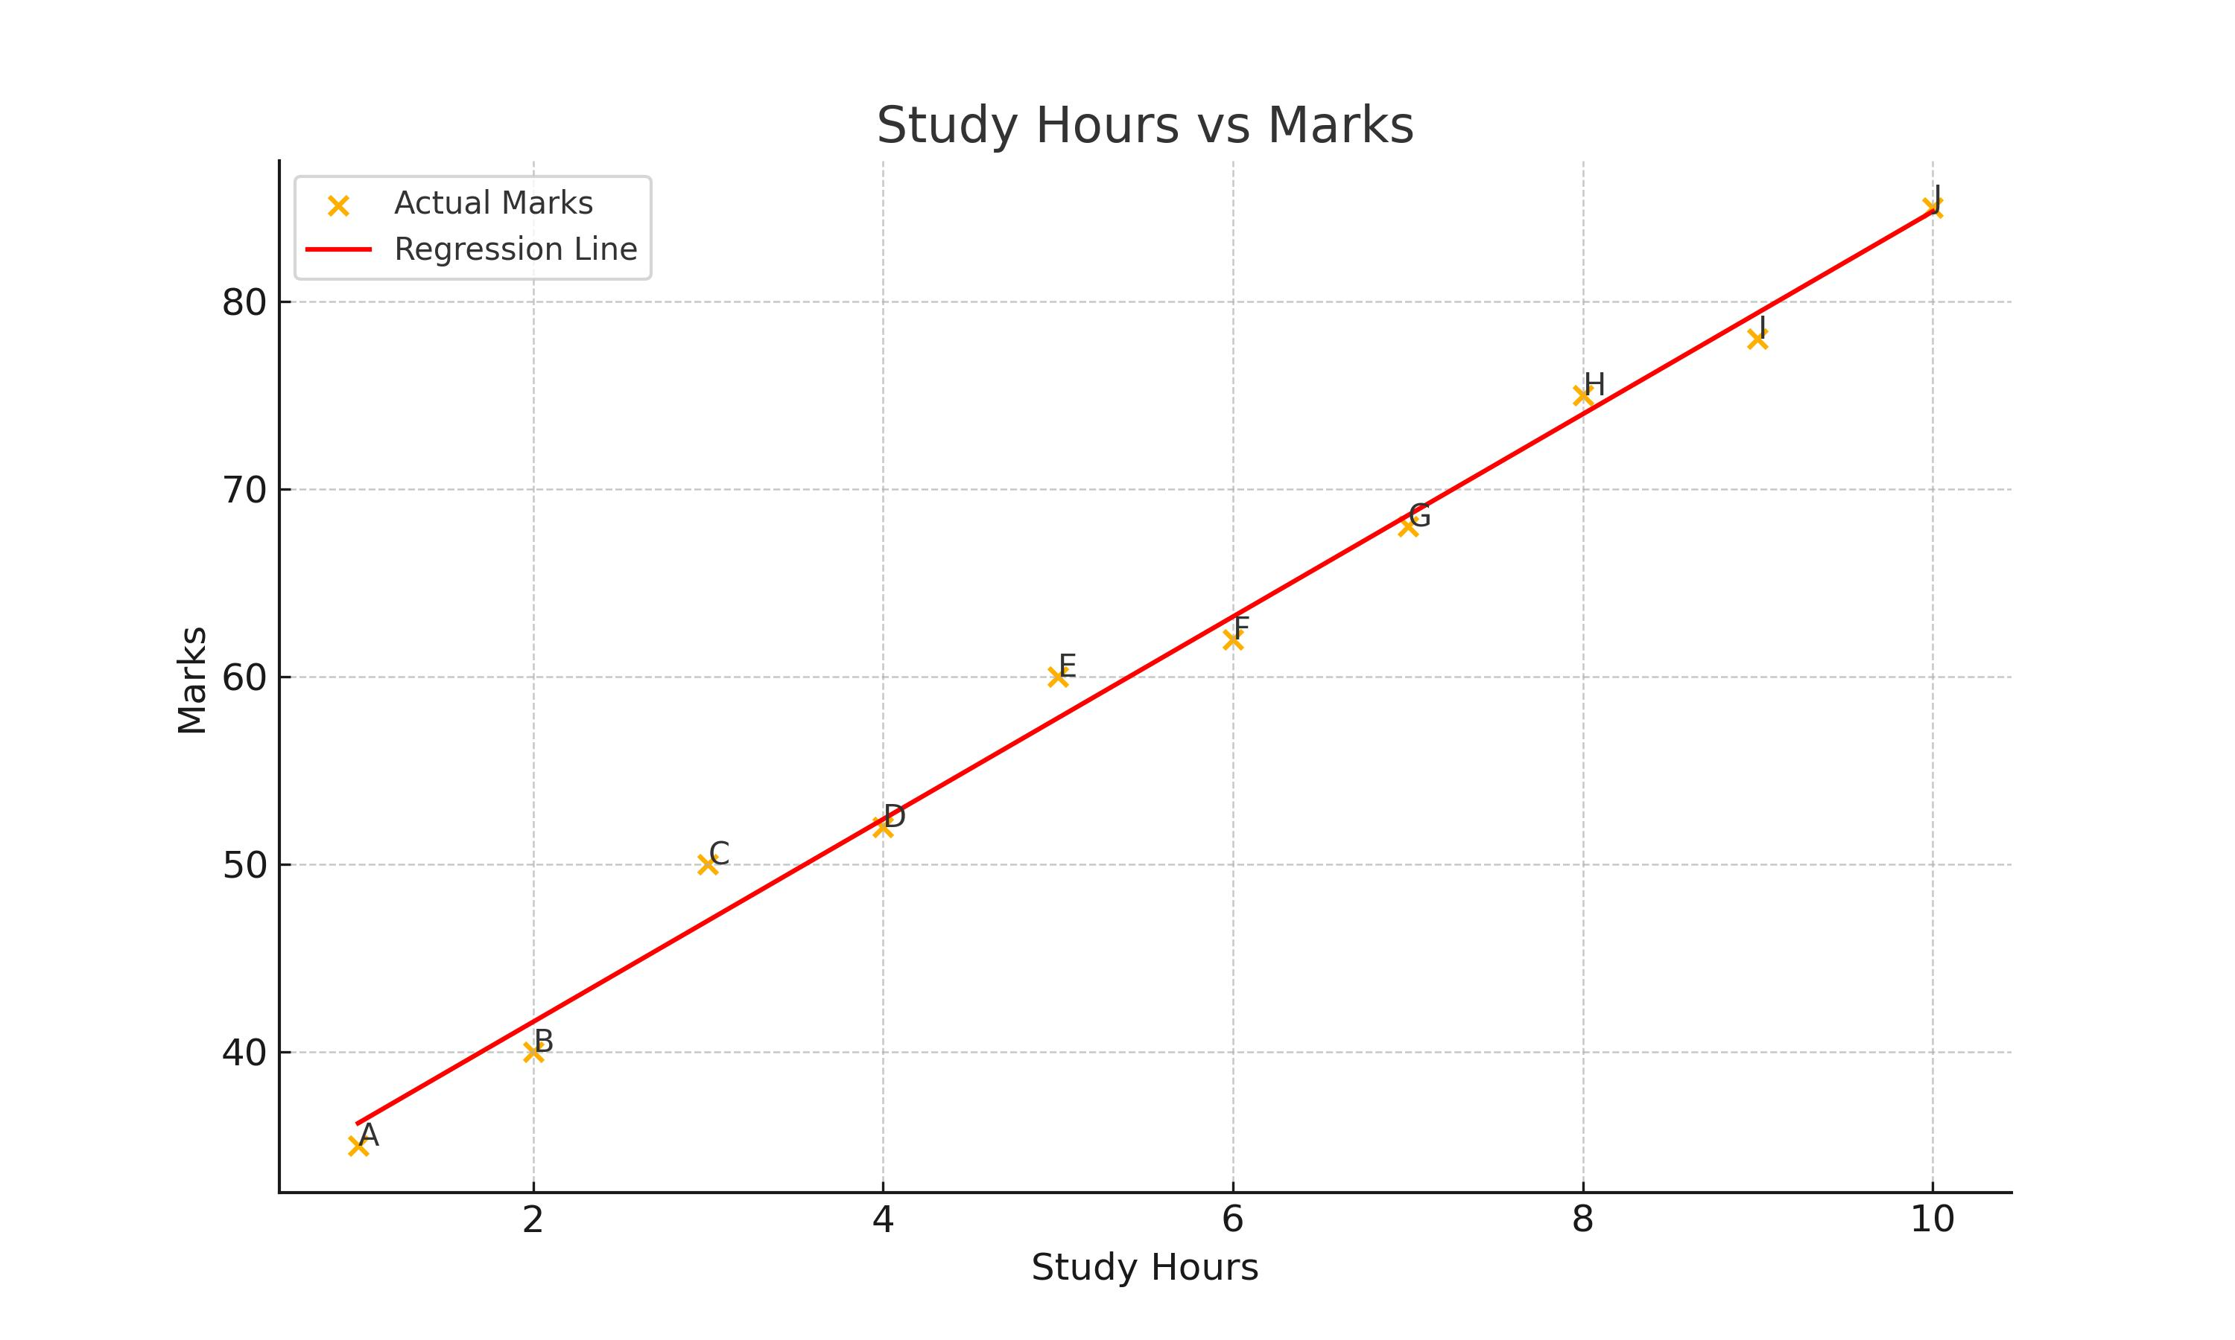
Student | Study Hours (x) | Marks (y) | x - x̄ | y - ȳ | (x - x̄)*(y - ȳ) | (x - x̄)^2 | Predicted Marks (ŷ) | Residuals
A | 1 | 35 | -4.5 | -25.5 | 114.75 | 20.25 | 36.2 | -1.2
B | 2 | 40 | -3.5 | -20.5 | 71.75 | 12.25 | 41.6 | -1.6
C | 3 | 50 | -2.5 | -10.5 | 26.25 | 6.25 | 47 | 3
D | 4 | 52 | -1.5 | -8.5 | 12.75 | 2.25 | 52.4 | -0.4
E | 5 | 60 | -0.5 | -0.5 | 0.25 | 0.25 | 57.8 | 2.2
F | 6 | 62 | 0.5 | 1.5 | 0.75 | 0.25 | 63.2 | -1.2
G | 7 | 68 | 1.5 | 7.5 | 11.25 | 2.25 | 68.6 | -0.6
H | 8 | 75 | 2.5 | 14.5 | 36.25 | 6.25 | 74 | 1
I | 9 | 78 | 3.5 | 17.5 | 61.25 | 12.25 | 79.4 | -1.4
J | 10 | 85 | 4.5 | 24.5 | 110.25 | 20.25 | 84.8 | 0.2

Explanation
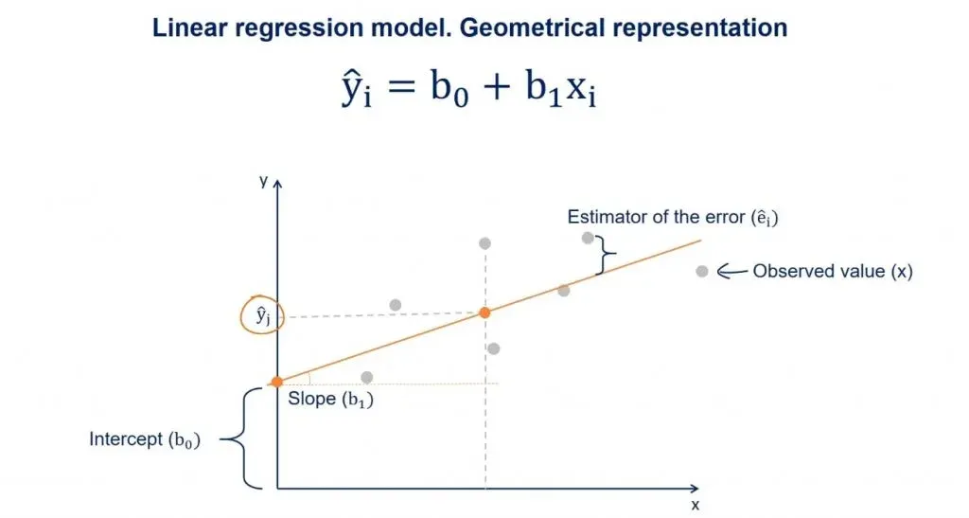
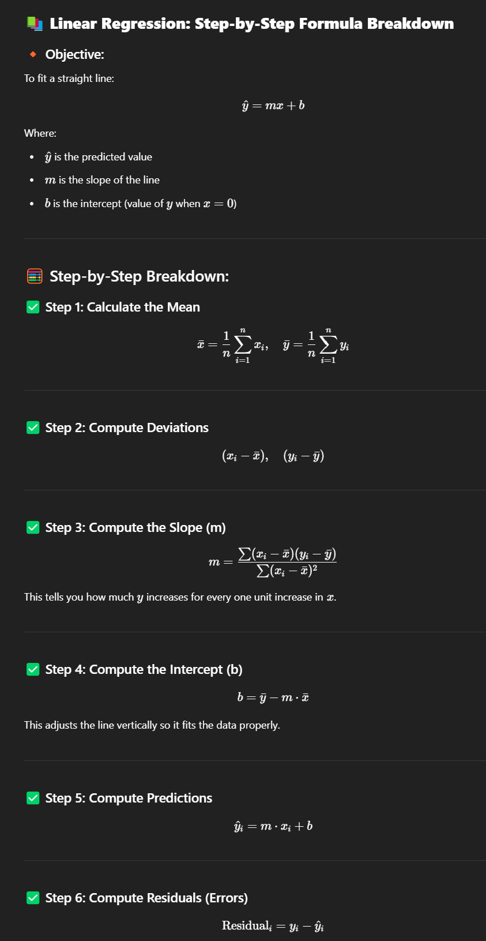
Step | Explanation
Step 1: Calculate mean of Study Hours and Marks | Mean of x̄ and ȳ helps in understanding central tendency.
Step 2: Subtract mean from each value (x - x̄ and y - ȳ) | We find how each value deviates from the mean.
Step 3: Multiply (x - x̄) and (y - ȳ) | This helps in measuring the relationship strength and direction.
Step 4: Square (x - x̄) | Used in slope calculation to normalize effect of spread.
Step 5: Calculate slope (Σ(x - x̄)(y - ȳ) / Σ(x - x̄)^2) | This tells us how much y increases for each unit increase in x.
Step 6: Calculate intercept (ȳ - slope * x̄) | It aligns the regression line properly on the graph.
Step 7: Predict marks using y = slope * x + intercept | Gives us the expected value of y for given x.
Step 8: Calculate residuals (actual y - predicted y) | Helps measure prediction error for each data point.

