Step by Step
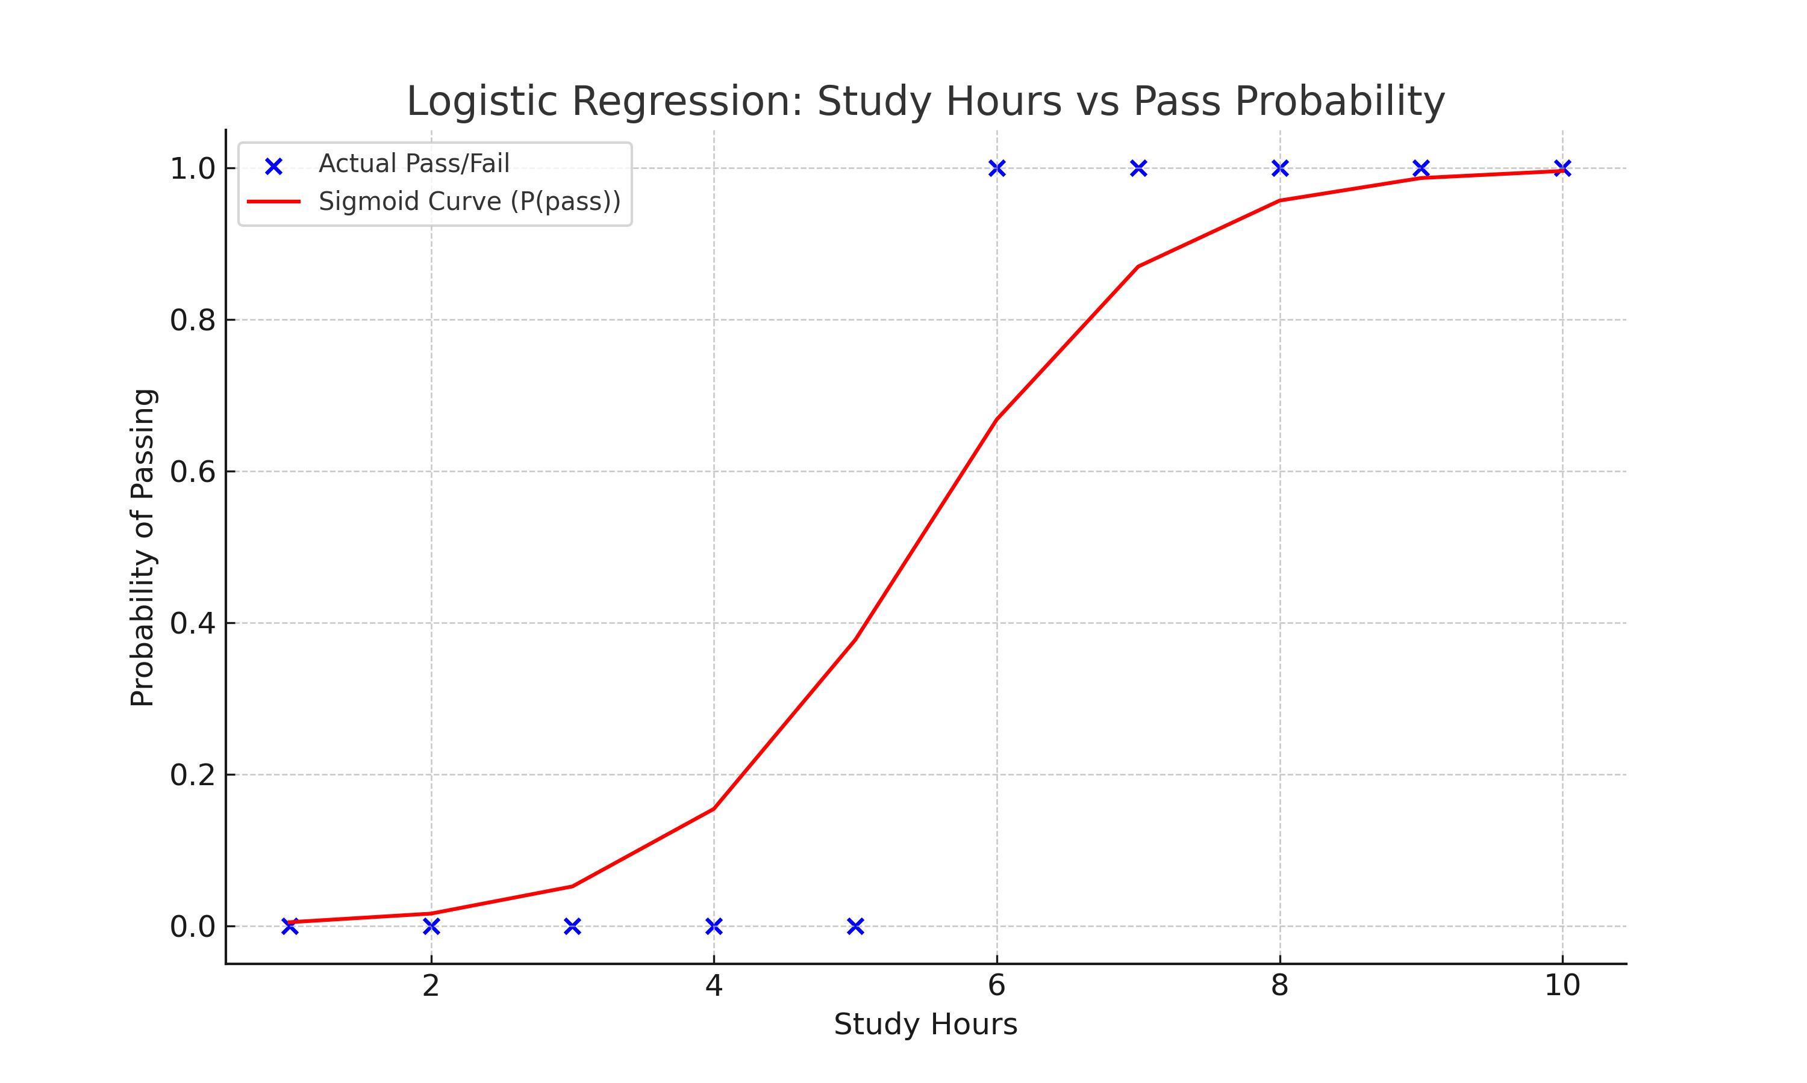
Study Hours (x) | Pass/Fail (y) | z = wx + b | Sigmoid(z) = P(pass) | Predicted Class (ŷ)
1 | 0 | -5.3 | 0.0049668016501 | 0
2 | 0 | -4.1 | 0.016302499371 | 0
3 | 0 | -2.9 | 0.052153563078 | 0
4 | 0 | -1.7 | 0.15446526508 | 0
5 | 0 | -0.5 | 0.3775406688 | 0
6 | 1 | 0.7 | 0.66818777217 | 1
7 | 1 | 1.9 | 0.86989152564 | 1
8 | 1 | 3.1 | 0.95689274506 | 1
9 | 1 | 4.3 | 0.98661308217 | 1
10 | 1 | 5.5 | 0.99592986228 | 1

Detailed Explanation
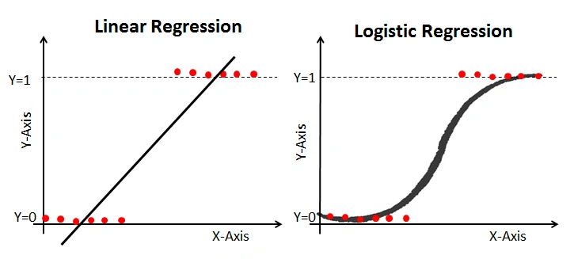
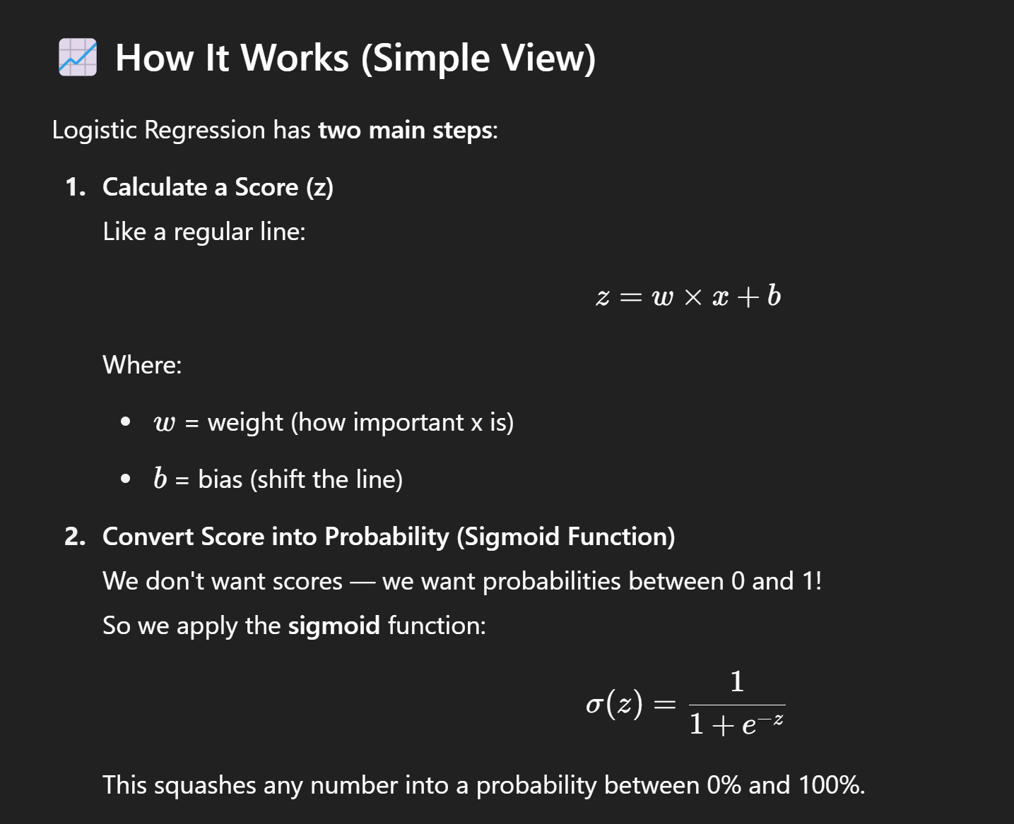
Topic | Explanation
Logistic Regression Detailed Guide
Objective | Predict binary outcomes (0/1) using logistic regression.
Step 1: Input Features and Target | x = Study Hours, y = Pass (1) or Fail (0).
Step 2: Linear Combination | z = w * x + b, where w is weight and b is bias.
Step 3: Sigmoid Function | Apply sigmoid: σ(z) = 1 / (1 + e^-z) to map z to probability.
Step 4: Final Classification | If σ(z) ≥ 0.5, predict 1 (Pass); otherwise 0 (Fail).
Key Formulas | z = w*x + b; σ(z) = 1/(1+e^-z); Classification based on threshold 0.5.
Simple Example | For x=7 hours: z=1.2*7-6.5=1.9 → σ(1.9)=0.87 → Predict 1 (Pass).
Graph Shape | Logistic Regression plots an S-shaped (sigmoid) curve.
Important Concepts | Weight (steepness), Bias (shift), Cross-Entropy Loss, Gradient Descent.

