OwnerData
StorageOwnerID | Pmid | PropertyOwnerID | InvestorID | UserID | ContactID | ContactDetailsID | CompanyName | Name | Email |  | StatesID | NationalityId | AddressID | Home/Office |  | StorageOwner office address |  |  |  | SF | StorageOwner | StorageOwner | StorageOwner | Investor | Investor
250000000 | 640000000 |  |  | 1000001348 | 690 | 75403 | Jarman Investments | Alison Mathers | testAM@prop.idcheck.tech | 2125556610 | 33 | 5 | 33701 | 302 #212 The Ring Way NY NY 1000345 |  |  |  | 250000000 | Jarman Investments | 1 | Jarman Investments | Silver Heights | Anglo Investments | Harrington Asset Management | Jumbo Asset Management
250000001 | 640000000 |  | 6 | 1000001349 | 691 | 75404 | Silver Heights | Barbara Simons | testBS@prop.idcheck.tech | 2125556611 | 33 | 5 | 33702 | 350 #79 The Ring Way NY NY 1000345 |  |  |  | 250000001 | Silver Heights | 2 | Silver Heights |  |  | Harrington Asset Management
250000002 | 640000000 |  | 3384 | 1000001350 | 692 | 75405 | Anglo Investments | Jane Frisher | testJF@prop.idcheck.tech | 2125556612 | 33 | 5 | 33703 | 29 Golden Drive Road Forest Hills NY 100300 |  |  |  | 250000002 | Anglo Investments | 3 | Jarman Investments | Silver Heights |  | Harrington Asset Management
250000003 | 640000000 |  |  | 1000001351 | 693 | 75406 | Jaeger Realty | Daniel Overman | testDO@prop.idcheck.tech | 2125556613 | 33 | 5 | 33704 | 30 Great Eastern Way Forest Hills NY 100300 |  |  |  | 250000003 | Jaeger Realty | 4 | Silver Heights |  |  | Harrington Asset Management
250000004 | 640000001 |  |  | 1000001369 | 703 | 75420 | Hoover Realty | Pete Jacks | testPJ@prop.idcheck.tech |  | 33 | 5 | 33714 | 1020 West Ave. #10B NY NY 110027 | 33713 | 1050 Ave. West NY NY 110026 | 1000001370
 |  | 275000000 |  | 1000001352 | 694 | 75407 | Goldstar Realty | John Matherson | testJM@prop.idcheck.tech | 9085556614 | 31 | 5 | 33705 | 46 Old Road Newark NJ 110025 |  |  |  |  |  | 5 | Silver Heights |  |  | Harrington Asset Management
250000001 (100% SF2) |  | 275000001 |  | 1000001353 | 695 | 75408 | Hathering Realty | Bob Mittle | testBM@prop.idcheck.tech | 9085556615 | 31 | 5 | 33706 | 47 Long Road Newark NJ 110026 |  |  |  |  |  | 6 | Anglo Investments |  |  | Jumbo Asset Management
 |  | 275000002 | propID 349&352 | 1000001354 | 696 | 75409 | Pattersons & Sons | Jardine Davids | testJD@prop.idcheck.tech | 9085556616 | 31 | 5 | 33707 | 48 Bigly Road Newark NJ 110027 |  |  |  |  |  | 7 | Anglo Investments |  |  | Jumbo Asset Management
 |  | 275000003 |  | 1000001355 | 697 | 75410 | Jones Property Managers | Jacob Alderman | testJA@prop.idcheck.tech | 9085556617 | 31 | 5 | 33708 | 49 Manley Road Newark NJ 110028 |  |  |  |  |  | 8 | Anglo Investments |  |  | Jumbo Asset Management
 |  | 275000004 |  | 1000001371 | 704 | 75421 | Jameson Properties | Andy Owen | testOW@prop.idcheck.tech
 |  |  | 200000000 | 1000001356 | 698 | 75411 | Alexia Asset Management | Paul Shinging | testPS@prop.idcheck.tech | 2123331000 | 33 | 5 | 33709 | 336 #29 Park Avenue NY NY 10022 |  |  |  | 200000000 | Alexia Asset Management | 9 | Anglo Investments |  |  | Jumbo Asset Management
 |  |  | 200000001 | 1000001357 | 699 | 75412 | Harrington Asset Management | Andrew Silver | testAS@prop.idcheck.tech | 2123331001 | 33 | 5 | 33710 | 336 #45 Park Avenue NY NY 10022 |  |  |  | 200000001 | Harrington Asset Management | 10 | Anglo Investments |  |  | Jumbo Asset Management
 |  |  | 200000002 | 1000001358 | 700 | 75413 | Jumbo Asset Management | David Starling | testDS@prop.idcheck.tech | 2123331002 | 33 | 5 | 33711 | 170 #15 5th Avenue NY NY 10010 |  |  |  | 200000002 | Jumbo Asset Management | 11 | Anglo Investments |  |  | Jumbo Asset Management
 |  |  | 200000003 | 1000001359 | 701 | 75414 | Galaxy Asset Management | Brian Sugar | testBS@prop.idcheck.tech | 2123331003 | 33 | 5 | 33712 | 170 #35 5th Avenue NY NY 10010 |  |  |  | 200000003 | Galaxy Asset Management | 12 | Anglo Investments |  |  | Jumbo Asset Management
 |  |  |  |  |  |  |  |  |  |  |  |  |  |  |  |  |  |  |  | 13 | Anglo Investments |  |  | Jumbo Asset Management
 |  |  |  |  |  |  |  |  |  |  |  | SF | AddressID | StorageFacility Addresses
 |  |  |  |  |  |  |  |  |  |  |  | 8 | 33691 | 745 Emerald St. San Diego 92109-2405
 |  |  |  | 1319 |  |  |  |  |  |  |  | 9 | 33685 | 450 Post St. San Francisco 94102-1526
 |  |  |  |  |  |  |  |  |  |  |  | 10 | 33686 | 420 Emerson St. Palo Alto 94301-1604
 |  |  |  |  |  |  |  |  |  |  |  | 15 | 33684 | 178 Broadway Brooklyn NY 11211-6131 |  |  |  |  |  | 14 | Anglo Investments |  |  | Jumbo Asset Management
PortfolioID |  |  |  |  |  |  | Scenario1: a group own 1 building so we need an easy way to identify and communicate with a group |  |  |  |  |  |  |  |  |  |  |  |  | 15 | Jaeger Realty |  |  | Alexia Asset Management
ID |  | InvestorID |  | PropertyOwnerID | StorageOwnerID |  | Scenario2: a group own many buildings/facilities
1 |  | 990000000 |  | 275000000 |  |  | Scenario3: 1 person or 1 company owns 1 or more apts/buildings/storage
2 |  | 990000000 |  | 275000001 | 100% SF2 |  | Scenario4: 1 person owns 1 property so InvestorID=PropertyOwnerID or StorageFacilityID
3 |  | 990000000 | 0.55555555556 | 275000002 |  |  | If many own 1 property/facility we'd duplicate records adding ownership to PropertyOwnerID/StorageOwner tables.
4 |  | 990000001 |  | 275000001 |  |  | Common denominator=investor.
5 |  | 990000001 |  | 275000002 |  |  | Single owners: investorID=StorageOwnerID or PropertyOwnerID. But that's the only overlap.
6 |  | 990000001 |  |  | 250000000 |  | For many-to-many and better analytics this is the answer. Another benefit: in most tables
7 |  | 990000001 |  |  | 250000001 |  | it's one FK Investor_ID instead of both PropertyOwner_ID and StorageOwner_ID
8 |  | 990000002 |  |  | 250000002 |  | So investorID can be 1 owner or a consortium/group of owners
9 |  | 990000003 |  | 275000003 |  |  | To link it all together we'll have PortfolioID. InvestorID can't be primary key as it's repeated

REITID |  |  | SpecialistResidential | Commercial Properties
1 |  | Storage Properties Trust | SeniorHousingFacilityID | OfficesFacilityID
2 |  | Senior Housing Alt Trust | SubsidisedFacilityID | RetailFacilityID (Shopping Mall, Strip Mall, Retailer, Grocery)
3 |  | Peacons Residential |  | IndustrialFacilityID (Warehouses, Distribution, Depositories, Factories, Power Plants)
4 |  | Goldstar Storage Trust | Residential | LeisureFacilityID (music, cinema, theatre, sports, bars, restaurants, other)
5 |  | Galders Apartments Trust | AptBuilding=1owner | HealthcareFacilityID (hospitals, doctors surgeries, medical research)
6 |  | Universal Health Trust | Condo=many owners | SpecialPurposeFacilityID (e.g. Govt. buildings, libraries, museums, schools, parks, cemetries, religious places)
7 |  | Alexa Office Trust | SingleFamily=townhouse, semi or detached | MixedUseFacilityID (e.g. Commercial & residential such as shops ground floor of apt building)
8 |  | Peacons Industrial Holdings Trust |  | AgriculturalLandID (farms, ranches, timberland, orchards)
9 |  | Galders Subsidised Housing Trust
10 |  | Office Holdings Trust |  | MixedUseFacility(ID,PropertyManagent)
11 |  | Retail Holdings Trust |  | MixedUseCompositionID(ID,MixedUseFacilty_ID,Address_ID,BuildingID) |  |  |  |  | covers 1 or many buildings/entire area
12 |  | Industrial Holdings Trust |  | HealthcareFacility(ID,PropertyManagent)
13 |  | Leisure Trust |  | HealthCareCompositionID(ID,HealthcareFacilty_ID,Address_ID,BuildingID) |  |  |  |  | covers 1 or many buildings
14 |  | Special Purpose Facility Trust
15 |  | Mixed Use Trust
16 |  | Agricultural Trust

 |  | PortfolioID |  |  |  | PropertyOwnerPropertiesID |  |  | StorageOwnerPropertiesID
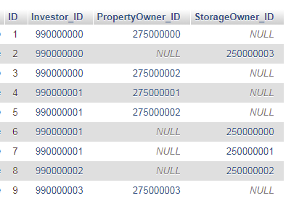
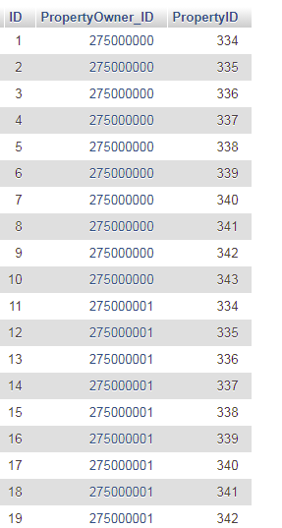
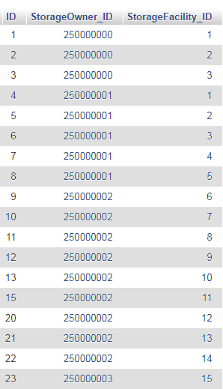

 |  | In theory 1 propertyOwner can belong to >1 investor group.
 |  | This is the same as investing with >1 fund.
 |  | But the funds they invest in will be different.
 |  | EG fund1 has 10 properties while fund 2 has different
 |  | properties. Overlap would be limited.

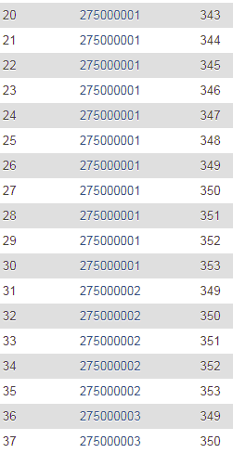

 |  |  | 70

