Setup
Klamath Basin Study Daily Hydrology Manager
Simulation Period | Start Year | 1950 | End Year | 1999 |  | Available Futures | Used | CMIP Type
Worksheet | Climate Change Scenario |  |  |  |  | 2030 | TRUE | CMIP3
S0 | Observed |  |  |  |  | 2070 | TRUE
S1 | Warmer Drier |  |  |  |  | 2080 | FALSE
S2 | Warmer Wetter |  |  |  | Steps
S3 | Hotter Drier |  |  |  | 1. Specify Simulation and Future
S4 | Hotter Wetter |  |  |  | 2. Compute Flows
S5 | Central |  |  |  | Future To Run
Scenario To Run --> | S0 |  |  |  | 2030
Compute Flows For All Futures
Open Workbooks
Compute Flows For One Future
Compute Flows For One Future
Compute Flows For One Future
 |  |  |  |  |  |  |  | Instructions -->

Pull Historic Flows
Pull Historic Disaggregation Fractions
Compute Flows For One Future
Compute VIC Disaggregation Fractions

Item | File Specifications
Templates Folder | C:\ExcelVBAProjects\ClimateChange\
Data Folder | C:\fieldprojects\KlamathBasin\data\climatechange\CMIP3\
RAW VIC HDe Folder | C:\fieldprojects\KlamathBasin\data\vichde\
File Prefix | KBSFlows

Instructions
This application spatially and temporally disaggregates Maurer Observed and five HDe flow traces. Input data are biased corrected flows. The HDe flows are generated the HDe process applied to 112 bias corrected BCSD flow traces. The flow of data are shown on Figure 1.
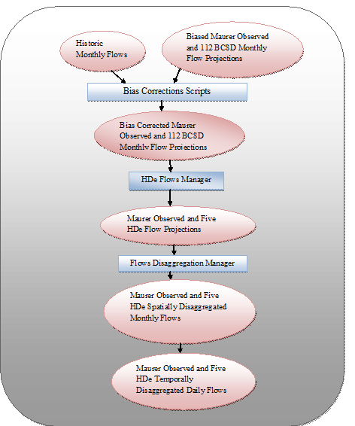
Figure 1. Flow Data Pipeline.

This application is the Flows Disaggregation Manager and produces the last two items of the pipeline

