Entity_Relationship_Diagram
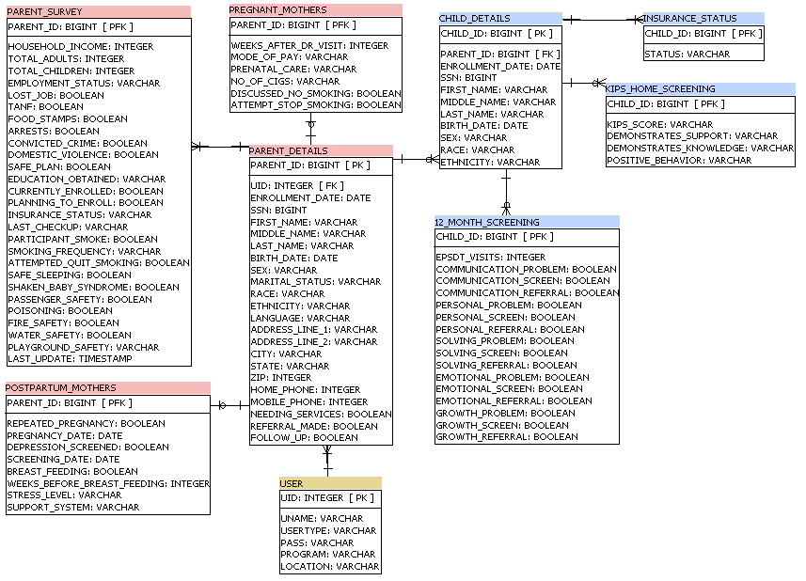
PLEASE REFER TO THE REQUIREMENTS OUTLINE YOU PROVIDED TO US FROM INITIAL MEETING:

Form sections were grouped together into entities by property and by associated schedule:

Entity | Master-Entity | Relationship | Form Section(s)
PARENT_DETAILS | USER | ONE-TO-MANY (one home visitor MUST have at least one enrollee to survey) | CLIENT/ENROLLEE/PARENT/CAREGIVER INFORMATION (provided at enrollmentonly.)
 |  |  | FAMILY REFERRALS (provided at enrollment only.)
PARENT_SURVEY | PARENT_DETAILS | ONE-TO-MANY (an enrollee MUST be given at least one survey [at enrollment]) | HOUSEHOLD INFORMATION (provided at enrollment, six months, 12 months, 24 months)
 |  |  | HEALTH SERVICE ACCESS AND UTILIZATION (provided at enrollment, six months, 12 months, 24 months)
 |  |  | SMOKING BEHAVIORS (provided at enrollment, six months, 12 months, 24 months)
 |  |  | HEALTH BEHAVIORS: HOME VISITOR ACTIVITIES (provided at enrollment, six months, 12 months, 24 months)
PREGNANT_MOTHERS | PARENT_DETAILS | ONE-TO-ONE (a pregnant parent MAY be asked these set of questions one time) | PREGNANT MOTHERS (provided pre birth)
POSTPARTUM_MOTHERS | PARENT_DETAILS | ONE-TO-ONE (a parent MAY be asked these set of questions one time) | POSTPARTUM MOTHERS (provided post birth)
 |  |  | PARENT/CHILD INTERACTION (provided post birth, this question is under PARENTS as it pertains to parenting in general)
CHILD_DETAILS | PARENT_DETAILS | ONE-TO-MANY (an enrollee MAY have one or more children) | CHILD INFORMATION (provided at enrollment)
INSURANCE_STATUS | CHILD_DETAILS | ONE-TO-MANY (an enrollee MUST report their child's insurance status [at child's birth]) | CHILD's INSURANCE STATUS (provided at birth, 6 months, 12 months, and 24 months)
KIPS_HOME_SCREENING | CHILD_DETAILS | ONE-TO-MANY (an enrollee MAY respond to these post-birth question [MAY infers that child may pass away prior to next survey]) | KIPS/ HOME SCREENING (provided when child has 6 months and 18 months)
12_MONTH_SCREENING | CHILD_DETAILS | ONE-TO-MANY (an enrollee MAY respond to these post-birth question) | EPSDT SCREENING (provided 12 months post-birth)
 |  |  | ASQ SCREENING (provided 12 months post-birth)

Use_Case_Diagram_HV
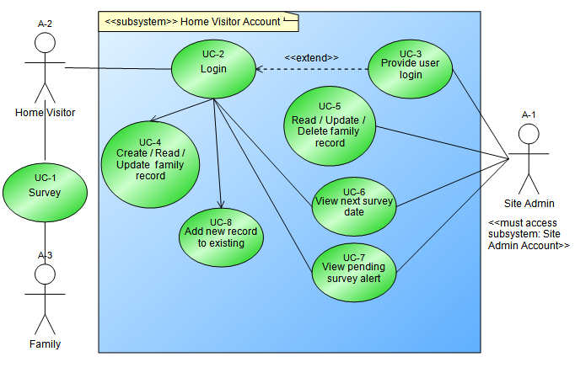
Use Cases
UC-1 Survey
UC-2 Login
UC-3 Provide user login
UC-4 Create / Read family record
UC-5 Update / Delete / Read family record
UC-6 View next survey date
UC-7 View pending survey alert
UC-8 Add new record to existing

Actors
A-1 Site Admin
A-2 Home Visitor
A-3 Family

Activity_Diagram_OVERVIEW
HOME VISITOR
AL
SUPER ADMIN
SITE ADMIN (PROGRAM)
SURVEY
INPUT into SITE
SCHEDULE

Login
Login
View scheduled surveys

Add new record
Create
Site Admin Account
Create
Home Visitor Account

Yes
Execute Survey
Issue survey questions to family

No

Sysem Alert - if survey is pending

Advise
HV

Activity_Diagram_HV
ENTER WEBSITE

Reset Authentication

Login
Fail

Success
Add PARENT_DETAILS Record

Home Page

Import CSV file of ALL records
Profile
Survey Dashboard

Edit Profile
Schedule
Select specific PARENT_DETAILS Record

View Pending Survey
Select PARENT_SURVEY records

Add Record
Edit PARENT_DETAILS record
Select PREGNANT_MOTHERS Records

Edit existing Record

Add CHILD_DETAILS Record
Select POSTPARTUM_MOTHERS Records

Select CHILD_DETAILS Records

Select specific CHILD_DETAILS Record
Select INSURANCE_STATUS records

Add Record
Edit CHILD_DETAILS record
Select KIPS_HOME_SCREENING Records

Edit existing Record

Select 12_MONTH_SCREENING Records

Data_Flow_Diagram
