Sheet1
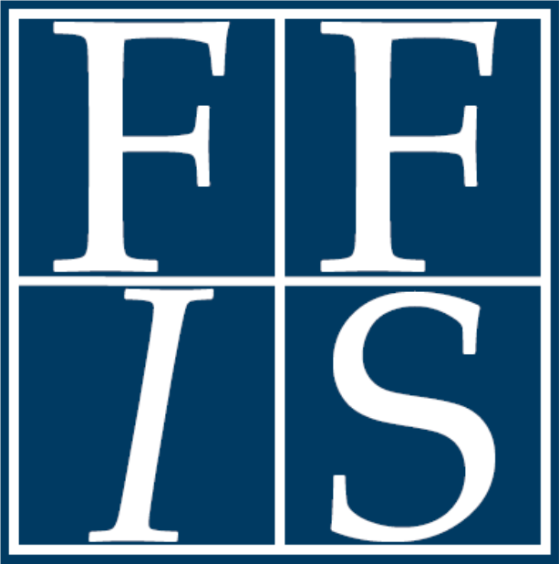
 |  |  |  |  |  |  |  |  |  |  |  |  | Competitive Grant Update 24-1
 |  |  |  |  |  |  |  |  |  |  |  |  | January 2, 2024

CFDA | Opportunity Title | Agency | Estimated Funding | Expected Awards | Opportunity Number | Eligibility* |  |  |  |  |  | Due Date | Match?
 |  |  |  |  |  | S | L | Tri | IHE | NP | O
Infrastructure Investment and Jobs Act
81.086+ | Example Opportunity 1 | Office of Energy Efficiency and Renewable Energy | $5,000,000 | N/A | ABC-0003065 |  |  |  |  | X |  | 2023-05-11

Inflation Reduction Act
10.727+ | Example Opportunity 2 | Forest Service | $1,000,000,000 | 200 | USABC-00012 | X | X | X | X | X | X | 2023-06-02
81.253+ | Example Opportunity 3 | National Energy Technology Laboratory | $0 | 0 | ABC-0003032 | X | X | X | X | X | X | 2023-05-09 | X

Department of Agriculture
02.980+ | Example Opportunity 4 | Animal and Plant Health Inspection Service | N/A | N/A | ABC-23-0058 | X |  | X | X |  | X | 2023-06-12
*Eligibility: S=state governments, L=local governments, Tri=tribal governments, IHE=institutions of higher education, NP=non-profits, O=other/see announcement

