PIN_Belegung
ESP32-PinOuts für Clevercoffee-PID

GPIO | Input | Output | Notes | Modul | Elektr. Bauteil | GND | 5V | 3,3V | ADC-Version | PCB? | GPIO | Input | Output | Notes | Referenzdesign
0 | pulled up | OK | outputs PWM signal at boot |  |  |  |  |  | ADC2 |  | 0 | pulled up | OK | outputs PWM signal at boot | 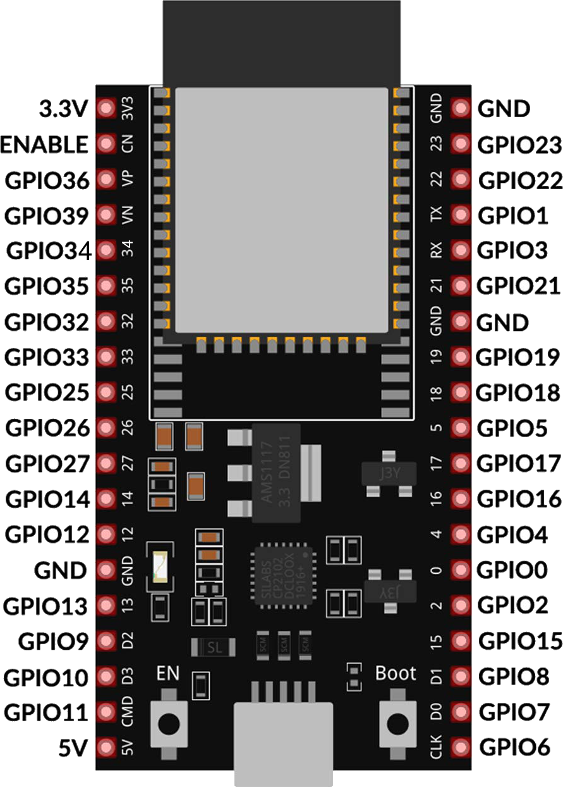
1 | TX pin | OK | debug output at boot |  |  |  |  |  |  |  | 1 | TX pin | OK | debug output at boot
2 | OK | OK | connected to on-board LED |  |  |  |  |  | ADC2 |  | 2 | OK | OK | connected to on-board LED
3 | OK | RX pin | HIGH at boot | Button | Push Button |  |  | 3,3V |  | nein | 3 | OK | RX pin | HIGH at boot
4 | OK | OK |  | Dampfschalter | Schalter |  |  |  | ADC2 | nein | 4 | OK | OK
5 | OK | OK | outputs PWM signal at boot |  |  |  |  |  |  | nein | 5 | OK | OK | outputs PWM signal at boot
6 | x | x | connected to the integrated SPI flash | n.v. | n.v. | n.v. | n.v. | n.v. | n.v. |  | 6 | x | x | connected to the integrated SPI flash
7 | x | x | connected to the integrated SPI flash | n.v. | n.v. | n.v. | n.v. | n.v. | n.v. |  | 7 | x | x | connected to the integrated SPI flash
8 | x | x | connected to the integrated SPI flash | n.v. | n.v. | n.v. | n.v. | n.v. | n.v. |  | 8 | x | x | connected to the integrated SPI flash
9 | x | x | connected to the integrated SPI flash | n.v. | n.v. | n.v. | n.v. | n.v. | n.v. |  | 9 | x | x | connected to the integrated SPI flash
10 | x | x | connected to the integrated SPI flash | n.v. | wäre ein | n.v. | n.v. | n.v. | n.v. |  | 10 | x | x | connected to the integrated SPI flash
11 | x | x | connected to the integrated SPI flash | n.v. | n.v. | n.v. | n.v. | n.v. | n.v. |  | 11 | x | x | connected to the integrated SPI flash
12 | OK | OK | boot fail if pulled high | Rotary Encoder / Touch | Rotary Encoder Push Button |  |  |  | ADC2 | ja | 12 | OK | OK | boot fail if pulled high
13 | OK | OK |  | Touch (Optional) |  |  |  |  |  | ja | 13 | OK | OK
14 | OK | OK | outputs PWM signal at boot | Rotary Encoder / Touch | Rotary Encoder |  |  | 3,3V | ADC2 | ja | 14 | OK | OK | outputs PWM signal at boot
15 | OK | OK | outputs PWM signal at boot | Rotary Encoder / Touch | Rotary Encoder |  |  |  | ADC2 | ja | 15 | OK | OK | outputs PWM signal at boot
16 | OK | OK |  | Temp. Sensor | TSIC 306 TO92 | GND |  | 3,3V |  | ja | 16 | OK | OK
17 | OK | OK |  | Pumpe | SSR/Relais (SSR bevorzugt) | GND | 5V | 3,3V |  | ja | 17 | OK | OK
18 | OK | OK |  | 3W-Ventil | SSR/Relais (SSR bevorzugt) |  |  |  |  | ja | 18 | OK | OK
19 | OK | OK |  | Heizung | SSR 20A | GND |  |  |  | ja | 19 | OK | OK
21 | OK | OK | SDA | Display / Touch | SDA | GND | 5V |  |  | ja | 21 | OK | OK | SDA
22 | OK | OK | SCL | Display / Touch | SCL |  |  |  |  | ja | 22 | OK | OK | SCL
23 | OK | OK |  | Flowmeter | Digimesa 932-9521-b | GND | 5V | 3,3V |  | ja | 23 | OK | OK
25 | OK | OK |  | E-Trigger | Relais | GND | 5V | 3,3V | ADC2 | ja | 25 | OK | OK
26 | OK | OK |  | Pumpe | Dimmer RobotDyn 6970622932550 |  |  |  | ADC2 | ja | 26 | OK | OK
27 | OK | OK |  | Touch | 2.8 TFT Touch Screen ILI9341Type |  |  |  | ADC2 | ja | 27 | OK | OK
32 | OK | OK |  | Waage | HX711 CLK | GND | 5V |  | ADC1 (Wifi-Input) | ja | 32 | OK | OK
33 | OK | OK |  | Waage | HX711 DAT |  |  | 3,3V | ADC1 (Wifi-Input) | ja | 33 | OK | OK
34 | OK |  | input only - no PWM | Freier GIPO |  | GND |  | 3,3V | ADC1 (Wifi-Input) | ja | 34 | OK |  | input only
35 | OK |  | input only - no PWM | Brühschalter | Schalter | GND |  | 3,3V | ADC1 (Wifi-Input) | ja | 35 | OK |  | input only
36 | OK |  | input only - no PWM | Drucksensor | Druckzelle |  |  |  | ADC1 (Wifi-Input) | ja | 36 | OK |  | input only
39 | OK |  | input only - no PWM | Freier ADC |  |  |  |  | ADC1 (Wifi-Input) | ja | 39 | OK |  | input only
EN |  |  |  | Touch | 2.8 TFT Touch Screen ILI9341Type

Quellen:
ESP32 - GPIO und Anschlussbeschreibungen

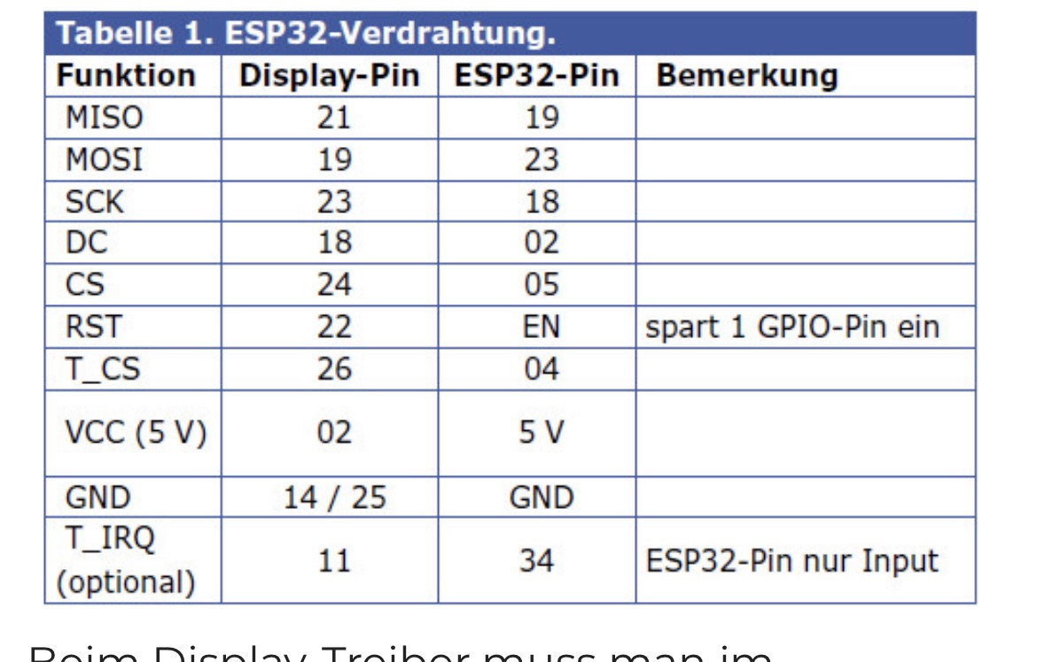

 |  | Touch
 |  | PIN 1
 |  | PIN 2
 |  | PIN 3
 |  | PIN 4
 |  | PIN 5
 |  | PIN 6
 |  | RST | 3V3
 |  | VCC | 5V
 |  | GND

