Arkusz1
 |  |  | train | valid |  | test
 |  | dodano |  |  |  |  |  |  |  | ilosc
0 | 385 | 65 |  | 0 | 0.87 | 0 | 0.86 | dokladnosc ogolna train | Overall Accuracy: 99.70%
1 | 385 | 65 |  | 1 | 0.85 | 1 | 0.78
2 | 282 | 168 |  | 2 | 0.97 | 2 | 0.84 | dokladnosc ogolna validate | Overall Accuracy: 94.83% | 12100
3 | 385 | 65 |  | 3 | 0.78 | 3 | 0.94
4 | 385 | 65 |  | 4 | 0.91 | 4 | 0.9 | dokladnosc ogóln test | Overall Accuracy: 87.37% | 6050
5 | 385 | 65 |  | 5 | 0.94 | 5 | 0.84
6 | 385 | 65 |  | 6 | 0.94 | 6 | 0.92
7 | 385 | 65 |  | 7 | 0.81 | 7 | 0.9
8 | 178 | 272 |  | 8 | 0.92 | 8 | 0.94
9 | 385 | 65 |  | 9 | 0.84 | 9 | 0.96
10 | 385 | 65 |  | 10 | 1 | 10 | 0.98
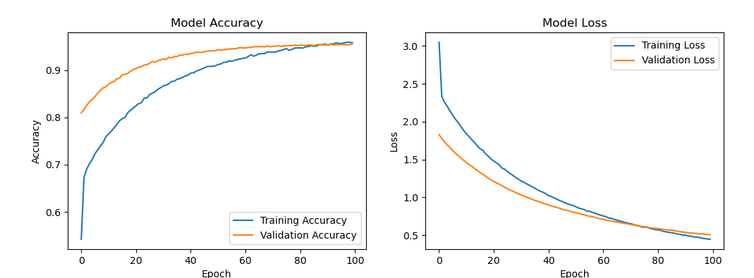
11 | 360 | 90 |  | 11 | 0.88 | 11 | 0.66
12 | 385 | 65 |  | 12 | 0.97 | 12 | 0.98
13 | 385 | 65 |  | 13 | 0.88 | 13 | 0.76
14 | 385 | 65 |  | 14 | 0.91 | 14 | 0.94
15 | 300 | 150 |  | 15 | 0.94 | 15 | 0.98
16 | 102 | 348 |  | 16 | 0.98 | 16 | 0.86
17 | 385 | 65 |  | 17 | 0.88 | 17 | 0.76
18 | 267 | 183 |  | 18 | 0.96 | 18 | 0.98
19 | 385 | 65 |  | 19 | 0.78 | 19 | 0.74
20 | 385 | 65 |  | 20 | 0.96 | 20 | 0.96
21 | 121 | 329 |  | 21 | 1 | 21 | 0.92
22 | 385 | 65 |  | 22 | 0.94 | 22 | 0.82
23 | 385 | 65 |  | 23 | 0.87 | 23 | 0.82
24 | 385 | 65 |  | 24 | 0.91 | 24 | 0.94
25 | 385 | 65 |  | 25 | 0.96 | 25 | 0.86
26 | 385 | 65 |  | 26 | 0.91 | 26 | 0.78
27 | 385 | 65 |  | 27 | 0.79 | 27 | 0.72
28 | 215 | 235 |  | 28 | 0.96 | 28 | 0.94
29 | 385 | 65 |  | 29 | 0.89 | 29 | 0.64
30 | 385 | 65 |  | 30 | 0.98 | 30 | 0.94
31 | 385 | 65 |  | 31 | 0.9 | 31 | 0.68
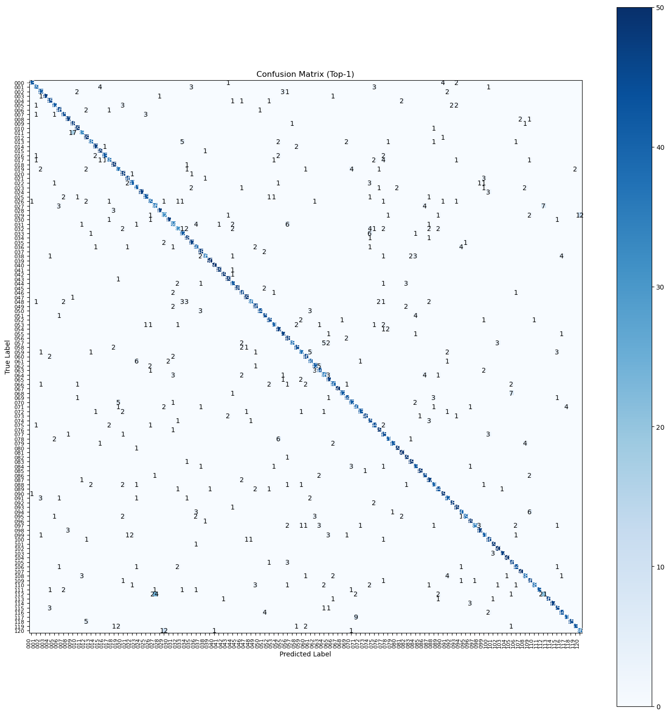
32 | 73 | 377 |  | 32 | 1 | 32 | 0.64
33 | 385 | 65 |  | 33 | 0.9 | 33 | 0.84
34 | 145 | 305 |  | 34 | 0.98 | 34 | 0.96
35 | 385 | 65 |  | 35 | 0.98 | 35 | 0.94
36 | 385 | 65 |  | 36 | 0.95 | 36 | 0.8
37 | 385 | 65 |  | 37 | 0.99 | 37 | 0.96
38 | 385 | 65 |  | 38 | 0.94 | 38 | 0.72
39 | 279 | 171 |  | 39 | 0.97 | 39 | 1
40 | 95 | 355 |  | 40 | 1 | 40 | 1
41 | 385 | 65 |  | 41 | 0.97 | 41 | 0.98
42 | 385 | 65 |  | 42 | 0.96 | 42 | 0.98
43 | 143 | 307 |  | 43 | 1 | 43 | 0.98
44 | 385 | 65 |  | 44 | 0.99 | 44 | 0.86
45 | 369 | 81 |  | 45 | 0.95 | 45 | 0.96
46 | 385 | 65 |  | 46 | 0.91 | 46 | 0.92
47 | 385 | 65 |  | 47 | 0.95 | 47 | 0.98
48 | 385 | 65 |  | 48 | 0.83 | 48 | 0.72
49 | 385 | 65 |  | 49 | 0.91 | 49 | 0.92
50 | 207 | 243 |  | 50 | 0.98 | 50 | 0.88
51 | 385 | 65 |  | 51 | 0.92 | 51 | 0.9
52 | 102 | 348 |  | 52 | 0.98 | 52 | 0.9
53 | 385 | 65 |  | 53 | 0.96 | 53 | 0.82
54 | 284 | 166 |  | 54 | 0.97 | 54 | 0.94
55 | 273 | 177 |  | 55 | 0.95 | 55 | 0.94
56 | 385 | 65 |  | 56 | 0.95 | 56 | 0.96
57 | 193 | 257 |  | 57 | 0.97 | 57 | 0.76
58 | 385 | 65 |  | 58 | 0.94 | 58 | 0.9
59 | 50 | 400 |  | 59 | 1 | 59 | 0.74
60 | 385 | 65 |  | 60 | 0.9 | 60 | 0.92
61 | 73 | 377 |  | 61 | 1 | 61 | 0.8
62 | 385 | 65 |  | 62 | 0.96 | 62 | 0.84
63 | 95 | 355 |  | 63 | 0.99 | 63 | 0.88
64 | 60 | 390 |  | 64 | 1 | 64 | 0.72
65 | 174 | 276 |  | 65 | 0.99 | 65 | 0.94
66 | 385 | 65 |  | 66 | 0.92 | 66 | 0.8
67 | 385 | 65 |  | 67 | 0.99 | 67 | 1
68 | 39 | 411 |  | 68 | 1 | 68 | 0.84
69 | 385 | 65 |  | 69 | 0.92 | 69 | 0.88
70 | 338 | 112 |  | 70 | 0.96 | 70 | 0.84
71 | 315 | 135 |  | 71 | 0.88 | 71 | 0.8
72 | 385 | 65 |  | 72 | 0.95 | 72 | 0.86
73 | 99 | 351 |  | 73 | 1 | 73 | 0.92
74 | 385 | 65 |  | 74 | 0.85 | 74 | 0.9
75 | 154 | 296 |  | 75 | 0.99 | 75 | 0.88
76 | 144 | 306 |  | 76 | 0.99 | 76 | 0.98
77 | 227 | 223 |  | 77 | 0.86 | 77 | 0.9
78 | 385 | 65 |  | 78 | 0.93 | 78 | 0.82
79 | 385 | 65 |  | 79 | 0.91 | 79 | 0.86
80 | 385 | 65 |  | 80 | 0.95 | 80 | 0.98
81 | 385 | 65 |  | 81 | 0.97 | 81 | 1
82 | 385 | 65 |  | 82 | 0.94 | 82 | 0.98
83 | 212 | 238 |  | 83 | 0.98 | 83 | 0.98
84 | 92 | 358 |  | 84 | 1 | 84 | 0.86
85 | 72 | 378 |  | 85 | 1 | 85 | 0.98
86 | 62 | 388 |  | 86 | 1 | 86 | 0.9
87 | 385 | 65 |  | 87 | 0.89 | 87 | 0.94
88 | 95 | 355 |  | 88 | 0.98 | 88 | 0.82
89 | 132 | 318 |  | 89 | 0.97 | 89 | 0.88
90 | 86 | 364 |  | 90 | 0.97 | 90 | 0.98
91 | 385 | 65 |  | 91 | 0.9 | 91 | 0.84
92 | 210 | 240 |  | 92 | 1 | 92 | 0.96
93 | 107 | 343 |  | 93 | 1 | 93 | 0.98
94 | 385 | 65 |  | 94 | 0.95 | 94 | 0.8
95 | 58 | 392 |  | 95 | 1 | 95 | 0.78
96 | 82 | 368 |  | 96 | 1 | 96 | 0.98
97 | 37 | 413 |  | 97 | 1 | 97 | 0.7
98 | 267 | 183 |  | 98 | 0.95 | 98 | 0.94
99 | 94 | 356 |  | 99 | 0.98 | 99 | 0.82
100 | 385 | 65 |  | 100 | 0.95 | 100 | 0.92
101 | 385 | 65 |  | 101 | 0.87 | 101 | 0.98
102 | 209 | 241 |  | 102 | 1 | 102 | 1
103 | 385 | 65 |  | 103 | 0.9 | 103 | 0.94
104 | 30 | 420 |  | 104 | 1 | 104 | 1
105 | 385 | 65 |  | 105 | 0.9 | 105 | 0.92
106 | 385 | 65 |  | 106 | 0.94 | 106 | 0.88
107 | 385 | 65 |  | 107 | 0.96 | 107 | 1
108 | 40 | 410 |  | 108 | 1 | 108 | 0.76
109 | 118 | 332 |  | 109 | 1 | 109 | 0.92
110 | 38 | 412 |  | 110 | 1 | 110 | 0.76
111 | 163 | 287 |  | 111 | 0.96 | 111 | 0.86
112 | 31 | 419 |  | 112 | 1 | 112 | 0.42
113 | 25 | 425 |  | 113 | 1 | 113 | 0.92
114 | 126 | 324 |  | 114 | 0.99 | 114 | 0.94
115 | 134 | 316 |  | 115 | 0.99 | 115 | 0.9
116 | 179 | 271 |  | 116 | 0.99 | 116 | 0.88
117 | 104 | 346 |  | 117 | 1 | 117 | 0.82
118 | 31 | 419 |  | 118 | 1 | 118 | 0.9
119 | 54 | 396 |  | 119 | 1 | 119 | 0.86
120 | 25 | 425 |  | 120 | 1 | 120 | 0.72

 | wsp korel
train | valid | test
 | 0.6556204364 | -0.12169556784
 | -0.6556204364 | 0.12169556784

Dokladnosc

