Arkusz1
 |  |  | train | validate |  | test
 | przed | ile dodano |  |  |  |  |  |  |  | ilosc probek
0 | 410 | 90 |  | 0 | 0.93 | 0 | 0.96 | dokladnosc ogolna train | Overall Accuracy: 99.70%
1 | 410 | 90 |  | 1 | 0.87 | 1 | 0.9
2 | 307 | 193 |  | 2 | 0.94 | 2 | 0.88 | dokladnosc ogolna validate | Overall Accuracy: 95.58% | 15600
3 | 410 | 90 |  | 3 | 0.9 | 3 | 0.86
4 | 410 | 90 |  | 4 | 0.91 | 4 | 0.92 | dokladnosc ogóln test | Overall Accuracy: 90,83% | 5200
5 | 410 | 90 |  | 5 | 0.92 | 5 | 0.9
6 | 410 | 90 |  | 6 | 0.94 | 6 | 0.84
7 | 410 | 90 |  | 7 | 0.94 | 7 | 0.9
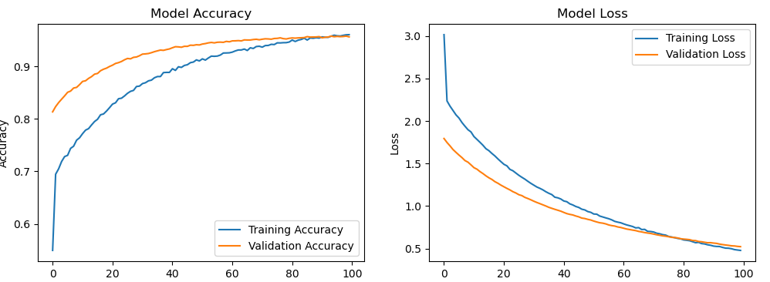
8 | 203 | 297 |  | 8 | 0.99 | 8 | 0.92
9 | 410 | 90 |  | 9 | 0.93 | 9 | 0.94
10 | 410 | 90 |  | 10 | 0.96 | 10 | 0.96
11 | 385 | 115 |  | 11 | 0.85 | 11 | 0.78
12 | 410 | 90 |  | 12 | 0.99 | 12 | 1
13 | 410 | 90 |  | 13 | 0.9 | 13 | 0.92
14 | 410 | 90 |  | 14 | 0.95 | 14 | 0.96
15 | 325 | 175 |  | 15 | 0.96 | 15 | 0.94
16 | 127 | 373 |  | 16 | 1 | 16 | 0.84
17 | 410 | 90 |  | 17 | 0.86 | 17 | 0.8
18 | 292 | 208 |  | 18 | 0.96 | 18 | 0.88
19 | 410 | 90 |  | 19 | 0.86 | 19 | 0.82
20 | 410 | 90 |  | 20 | 0.96 | 20 | 0.92
21 | 146 | 354 |  | 21 | 1 | 21 | 0.82
22 | 410 | 90 |  | 22 | 0.94 | 22 | 0.84
23 | 410 | 90 |  | 23 | 0.9 | 23 | 0.88
24 | 410 | 90 |  | 24 | 0.94 | 24 | 0.9
25 | 410 | 90 |  | 25 | 0.91 | 25 | 0.86
26 | 410 | 90 |  | 26 | 0.94 | 26 | 0.9
27 | 410 | 90 |  | 27 | 0.98 | 27 | 0.96
28 | 240 | 260 |  | 28 | 0.98 | 28 | 0.96
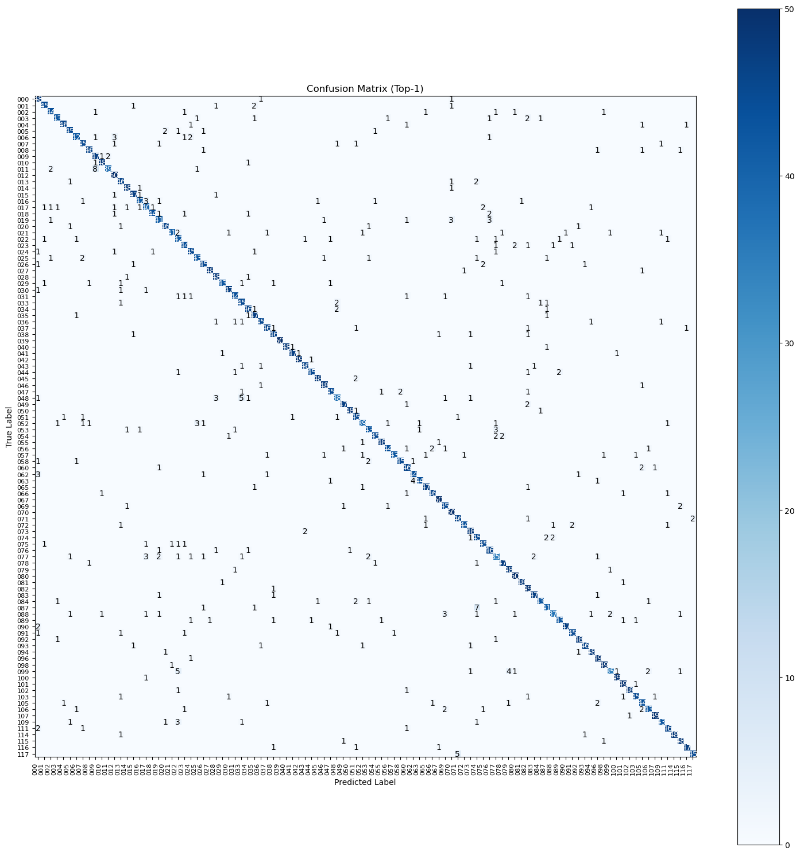
29 | 410 | 90 |  | 29 | 0.94 | 29 | 0.86
30 | 410 | 90 |  | 30 | 0.95 | 30 | 0.94
31 | 410 | 90 |  | 31 | 0.96 | 31 | 0.88
33 | 410 | 90 |  | 33 | 0.86 | 33 | 0.9
34 | 170 | 330 |  | 34 | 0.97 | 34 | 0.92
35 | 410 | 90 |  | 35 | 0.95 | 35 | 0.94
36 | 410 | 90 |  | 36 | 0.9 | 36 | 0.9
37 | 410 | 90 |  | 37 | 0.96 | 37 | 0.92
38 | 410 | 90 |  | 38 | 0.96 | 38 | 0.92
39 | 304 | 196 |  | 39 | 0.98 | 39 | 1
40 | 120 | 380 |  | 40 | 1 | 40 | 0.96
41 | 410 | 90 |  | 41 | 0.97 | 41 | 0.94
42 | 410 | 90 |  | 42 | 0.96 | 42 | 0.98
43 | 168 | 332 |  | 43 | 1 | 43 | 0.92
44 | 410 | 90 |  | 44 | 0.96 | 44 | 0.9
45 | 394 | 106 |  | 45 | 0.96 | 45 | 0.96
46 | 410 | 90 |  | 46 | 0.92 | 46 | 0.96
47 | 410 | 90 |  | 47 | 0.94 | 47 | 0.9
48 | 410 | 90 |  | 48 | 0.84 | 48 | 0.76
49 | 410 | 90 |  | 49 | 0.96 | 49 | 0.94
50 | 232 | 268 |  | 50 | 0.98 | 50 | 0.96
51 | 410 | 90 |  | 51 | 0.88 | 51 | 0.9
52 | 127 | 373 |  | 52 | 0.98 | 52 | 0.78
53 | 410 | 90 |  | 53 | 0.94 | 53 | 0.86
54 | 309 | 191 |  | 54 | 0.94 | 54 | 0.9
55 | 298 | 202 |  | 55 | 0.96 | 55 | 0.96
56 | 410 | 90 |  | 56 | 0.92 | 56 | 0.88
57 | 218 | 282 |  | 57 | 1 | 57 | 0.86
58 | 410 | 90 |  | 58 | 0.97 | 58 | 0.9
60 | 410 | 90 |  | 60 | 0.92 | 60 | 0.92
62 | 410 | 90 |  | 62 | 0.94 | 62 | 0.88
63 | 120 | 380 |  | 63 | 1 | 63 | 0.88
65 | 199 | 301 |  | 65 | 0.98 | 65 | 0.94
66 | 410 | 90 |  | 66 | 0.96 | 66 | 0.92
67 | 410 | 90 |  | 67 | 0.98 | 67 | 1
69 | 410 | 90 |  | 69 | 0.9 | 69 | 0.9
70 | 363 | 137 |  | 70 | 0.92 | 70 | 1
71 | 340 | 160 |  | 71 | 0.9 | 71 | 0.92
72 | 410 | 90 |  | 72 | 0.93 | 72 | 0.88
73 | 124 | 376 |  | 73 | 1 | 73 | 0.96
74 | 410 | 90 |  | 74 | 0.88 | 74 | 0.9
75 | 179 | 321 |  | 75 | 0.98 | 75 | 0.9
76 | 169 | 331 |  | 76 | 0.99 | 76 | 0.92
77 | 252 | 248 |  | 77 | 0.96 | 77 | 0.7
78 | 410 | 90 |  | 78 | 0.94 | 78 | 0.94
79 | 410 | 90 |  | 79 | 0.97 | 79 | 0.96
80 | 410 | 90 |  | 80 | 0.98 | 80 | 1
81 | 410 | 90 |  | 81 | 0.98 | 81 | 0.96
82 | 410 | 90 |  | 82 | 0.98 | 82 | 0.98
83 | 237 | 263 |  | 83 | 0.99 | 83 | 0.94
84 | 117 | 383 |  | 84 | 0.99 | 84 | 0.86
87 | 410 | 90 |  | 87 | 0.88 | 87 | 0.82
88 | 120 | 380 |  | 88 | 1 | 88 | 0.74
89 | 157 | 343 |  | 89 | 0.99 | 89 | 0.86
90 | 111 | 389 |  | 90 | 1 | 90 | 0.94
91 | 410 | 90 |  | 91 | 0.94 | 91 | 0.9
92 | 235 | 265 |  | 92 | 0.99 | 92 | 0.96
93 | 132 | 368 |  | 93 | 0.98 | 93 | 0.92
94 | 410 | 90 |  | 94 | 0.96 | 94 | 0.96
96 | 107 | 393 |  | 96 | 1 | 96 | 0.98
98 | 292 | 208 |  | 98 | 0.98 | 98 | 0.98
99 | 119 | 381 |  | 99 | 0.98 | 99 | 0.7
100 | 410 | 90 |  | 100 | 0.98 | 100 | 0.98
101 | 410 | 90 |  | 101 | 0.95 | 101 | 0.98
102 | 234 | 266 |  | 102 | 0.98 | 102 | 0.96
103 | 410 | 90 |  | 103 | 0.97 | 103 | 0.9
105 | 410 | 90 |  | 105 | 0.94 | 105 | 0.88
106 | 410 | 90 |  | 106 | 0.97 | 106 | 0.86
107 | 410 | 90 |  | 107 | 0.99 | 107 | 0.98
109 | 143 | 357 |  | 109 | 0.98 | 109 | 0.86
111 | 188 | 312 |  | 111 | 1 | 111 | 0.92
114 | 151 | 349 |  | 114 | 0.99 | 114 | 0.96
115 | 159 | 341 |  | 115 | 0.97 | 115 | 0.96
116 | 204 | 296 |  | 116 | 0.98 | 116 | 0.94
117 | 129 | 371 |  | 117 | 1 | 117 | 0.9

 |  | valid | test
 |  | 0.62094805458 | -0.14083760939
 |  | -0.62094805458 | 0.14083760939

