Sheet1
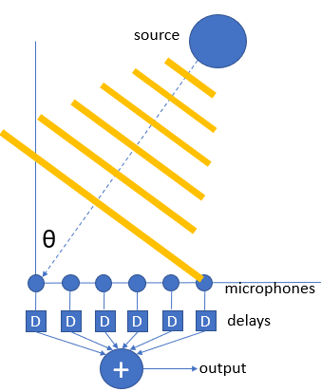
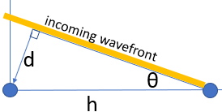
Beamformer example 11/9/2016, updated 7/28/2022
 | Uses a DE2-115 board for the CycloneIV FPGA & audio codec (Wolfson WM8731), and a TI TivaC Launchpad for the 12-bit ADC
 |  | Tiva is powered via USB bus, DE2 is powered as usual via power adapter, mics are powered from Tiva 3V line
Wiring info

Tiva pin | Databus | DE2-115 pin |  | 1/8 inch stereo plug for mics: center is output from mic, middle is 3V from Tiva, outer is ground (shield)
PA2 | 0 | GPIO-1
PA3 | 1 | GPIO-3 |  | calculations for beamformer angles: enter quantities on left, then right side is answer
PA4 | 2 | GPIO-5 |  | 3.1 | distance between mic centers, in cm | 20.8 | microseconds per sample
PA5 | 3 | GPIO-7 |  | 48000 | sampling rate (samples/sec) | 0.708 | cm/sample traveled by the sound wave
PA6 | 4 | GPIO-9 |  | 340 | speed of sound (m/s) | #samplesdelayed | 1 | 2 | 3 | 4 | 5 | 6 | 7
PA7 | 5 | GPIO-11 |  |  |  | distancetraveled (cm) | 0.71 | 1.42 | 2.13 | 2.83 | 3.54 | 4.25 | 4.96
PD0 | 6 | GPIO-13 |  |  |  | correspondingbeamAngle | 13.21 | 27.19 | 43.27 | 66.06 | #NUM! | #NUM! | #NUM!
PD1 | 7 | GPIO-15
PD2 | 8 | GPIO-17 |  |  |  | 913.98 | ?? best frequency to test at (when the "extra distance traveled" by the time the wave reaches the sixth mic is 1/2 wavelength so that their signals cancel out if not properly delayed?)
PD3 | 9 | GPIO-19 |  |  |  |  | might be twice this...?
PC6 | 10 | GPIO-21
serial clock
ready
PC7 | 11 | GPIO-23
DE2
Tiva
(12-bit ADC)
Audio out
6 Mic inputs
parallel data
12
ready
serial clock
switches for control inputs
PB2 | debug wire out to oscilloscope... Kind of like "cout" for embedded systems!

Ain0/PE3 | mic0 (left, as viewed from top rear view of array)
Ain1/PE2 | mic1
Ain2/PE1 | mic2
Ain3/PE0 | mic3
Ain8/PE5 | mic4
Ain11/PB5 | mic5 (right)

PF4 | "WriteReadyP" input into Tiva from DE2 | GPIO-28
PB3 | "TivaSerialClk" from Tiva to DE2 | GPIO-29
Ground | Ground | Ground | (don't forget ground!!)

rationale notes for not using following pins on Tiva: PF0 needs special config and is SW2, PF1,2,3 are RGB LED, PF4 is also SW1)

