Grade
Problem 1 comments:
Very clear explanation and the answers are correct.
Grade: 100%
Problem | Weight | Score per problem
1 | 15% | 100%
2 | 15% | 80%
3 | 15% | 85%
4 | 15% | 100%
5 | 10% | 100%
6 | 15% | 100%
7 | 15% | 90%
Problem 2 comments:
1. Part a): the calculations are not correct. After digging into your calculations, I saw that you are adding the margin to the zero rate. You should add the margin to the float. This illustrates that the concept is not correctly understood; there is deduction for this.
2. Part b): The answer is not correct. No penalty for this since it is a consequence of the part a.
3. Part c): Contigent on part a being correct, this seems correct.
Grade: 80%
 | Grade | 93.25%

Problem 3 comments:
1. Write more ligibly
2. You have not specified how do you solve for the values
Score: 85%

Problem 4 comments:
1. Same comments as in problem 3 (no penalty since you were penalized in problem 3)
Score: 100%

Problem 5 comments:
1. Same comments as in problem 3 (no penalty since you were penalized in problem 3)
Score: 100%

Problem 6 comments:
1. Same comments as in problem 3 (no penalty since you were penalized in problem 3)
Score: 100%

Application comments:
1. It is better (generic, neatter, less prone to errors) to construct this in a modular form (i.e. via VBA), although not required. For instance, you could create a function that accepts a 2 dimensional range containing the tenors and the swap rates. Using this function, you can return any discount factor. With that being said, the solution seems reasonable and with relatively clear explanation.
Score: 90%

exercise_1
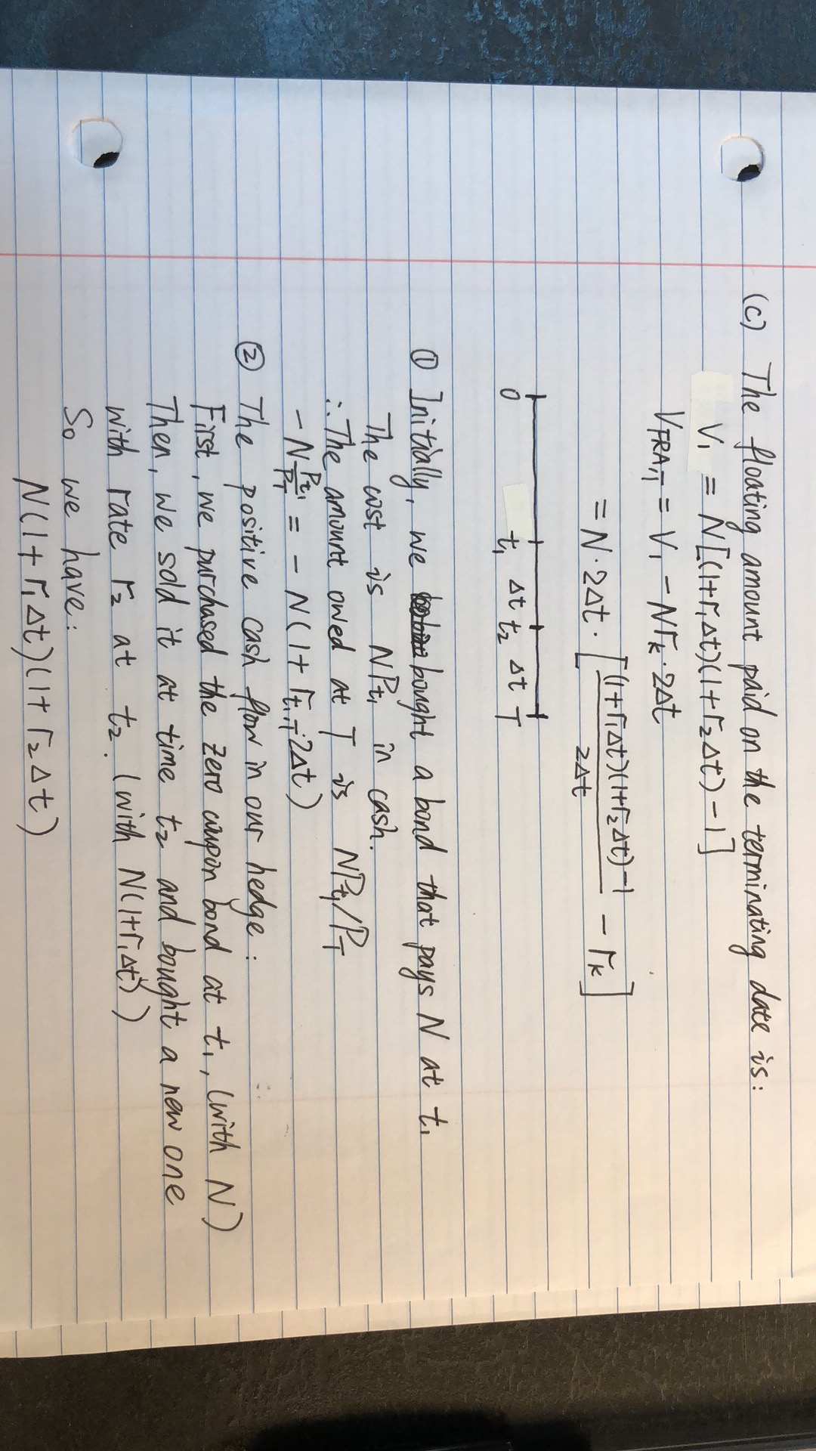
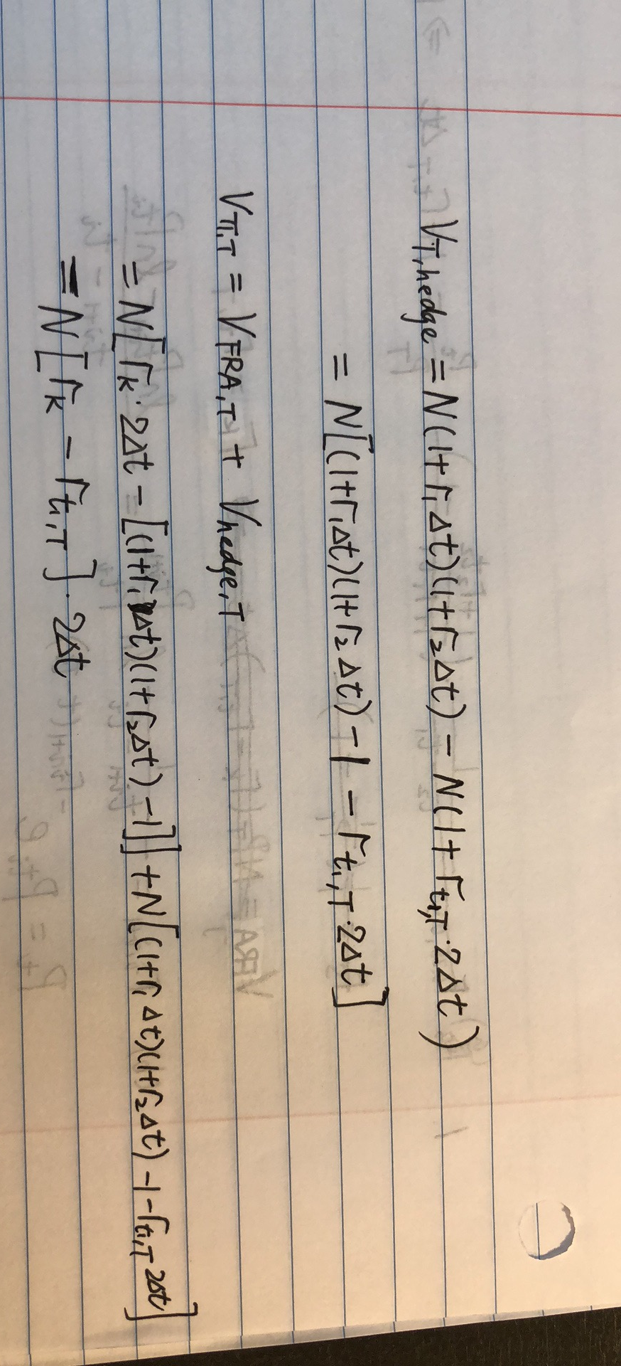
month | t | discount factor
0 | 0 | 1
3 | 0.25 | 0.99782972
6 | 0.5 | 0.994845185
12 | 1 | 0.987439389

(a) What is the fair rate for an FRA on 3M LIBOR where the floating rate is observed in 3 months

The FRA strike rate is set to be the same as the forward rate from three months to six months
t = 0.25 | T = 0.5
r(0.25,0.5)= | 0.011999997768

(b) What is the present value of an FRA on 3M LIBOR where the floating rate is
observed in 6 months if you receive the fixed rate of 1% on a notional of $10 million?
(Interpolate by assuming that the instantaneous forward rate is constant between time
points.)

t | T | r_k | N(million dollars)
0.5 | 0.75 | 0.01 | 10

Compute the constant forward rate
r(0.5,1)= | 0.014944030848

Compute the discount factor at time T
P(T)= | 0.99113536998

Present value of an FRA(million dollars)
-0.01225050961

(c) You encounter an FRA from 6M to 1Y where the fixed leg is quoted, as usual, as a
simple rate of interest, but the floating rate is 3M LIBOR compounded over the term of
the FRA. That is, in 6M the 3M LIBOR rate r1 is observed, then in 9M the 3M LIBOR
rate r2 is observed, and the floating amount paid on the terminating date is:
N [(1+ r1Δt)(1+ r2Δt) −1]
Determine the fair fixed rate for this contract. Support your answer by showing how such
a contract may be hedged or replicated.

t1 | T
0.5 | 1
The fair fixed rate is the same as the forward rate from t1 to T, expressed as a rate of simple interest
0.01500000118

exercise 3
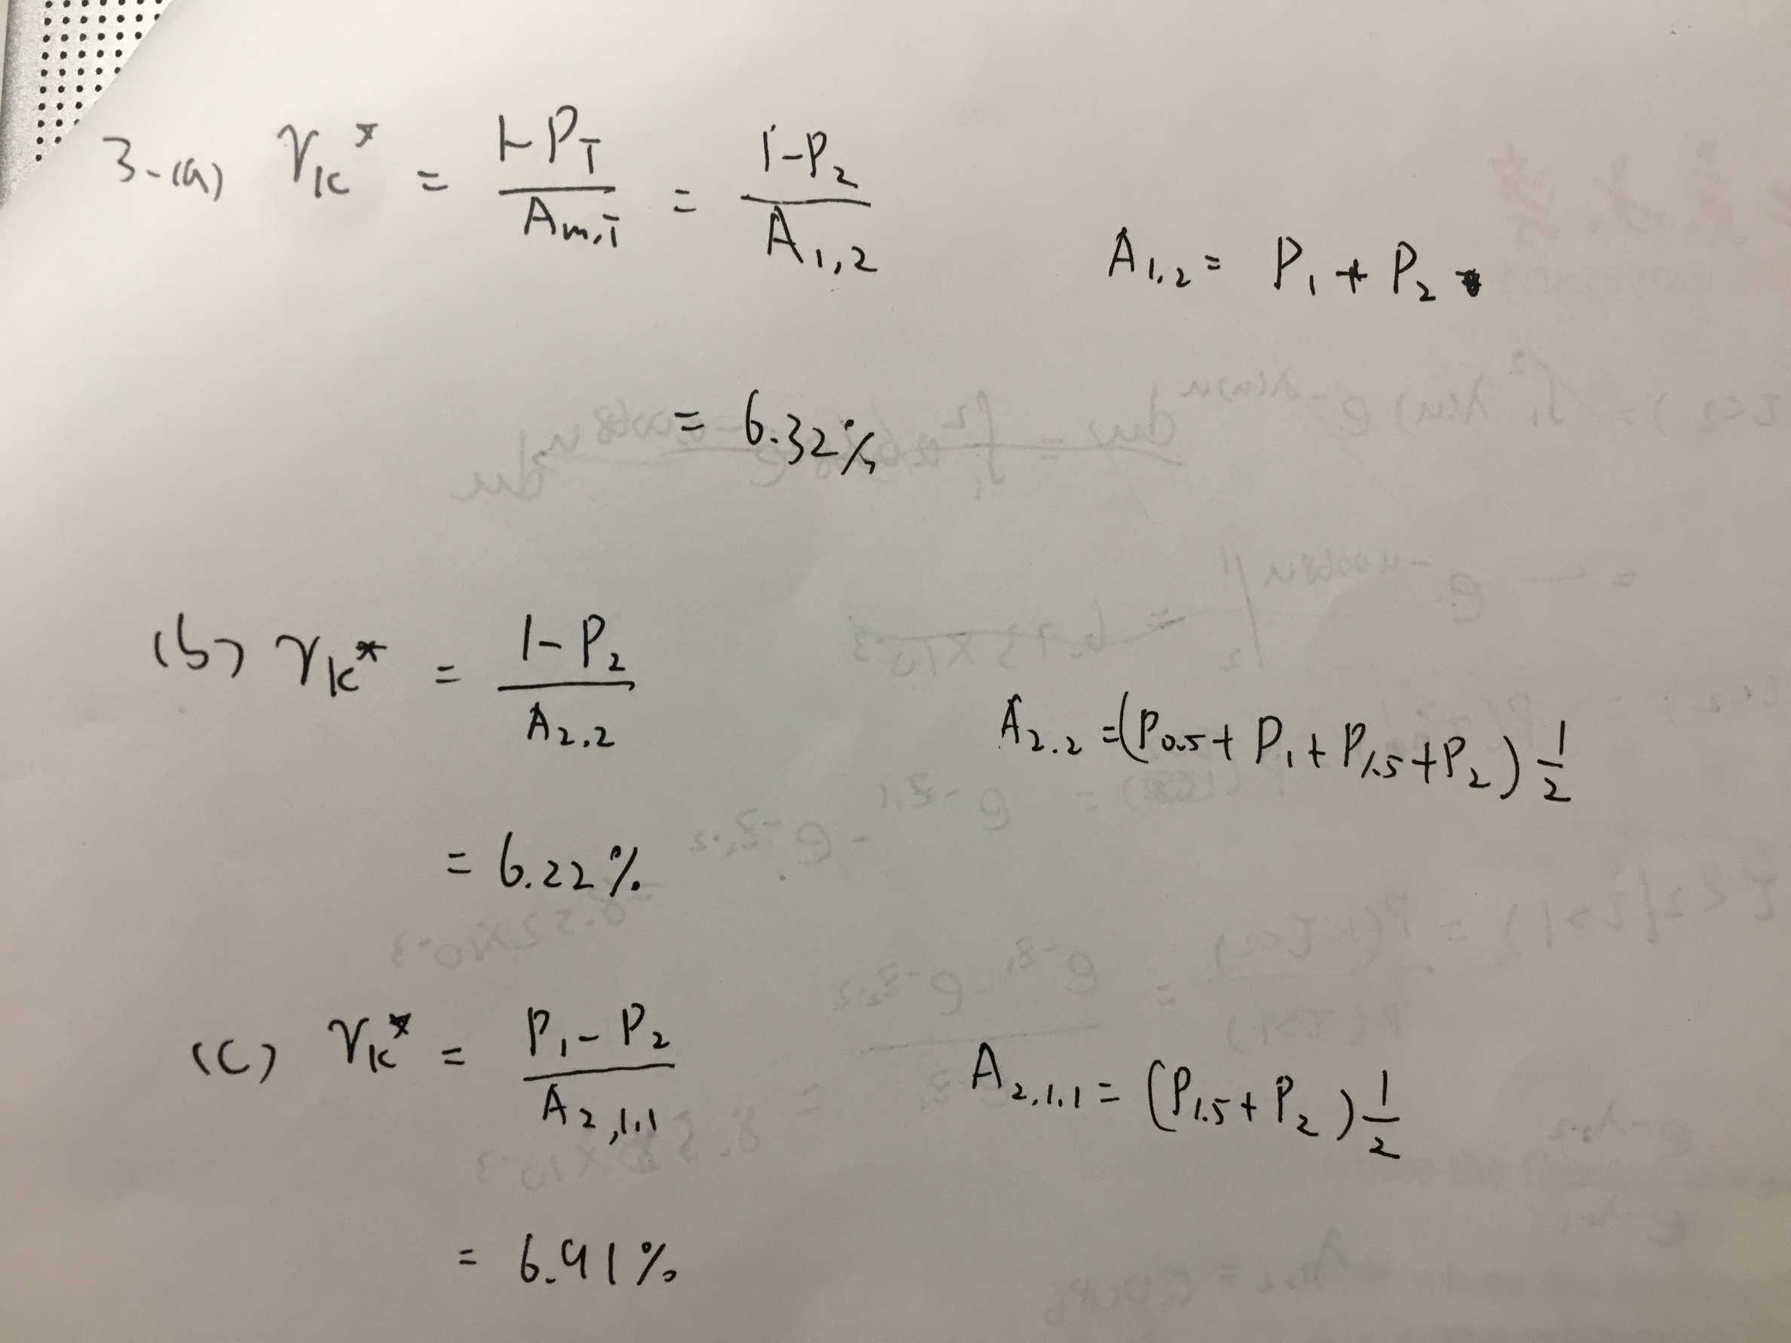

exercise 4
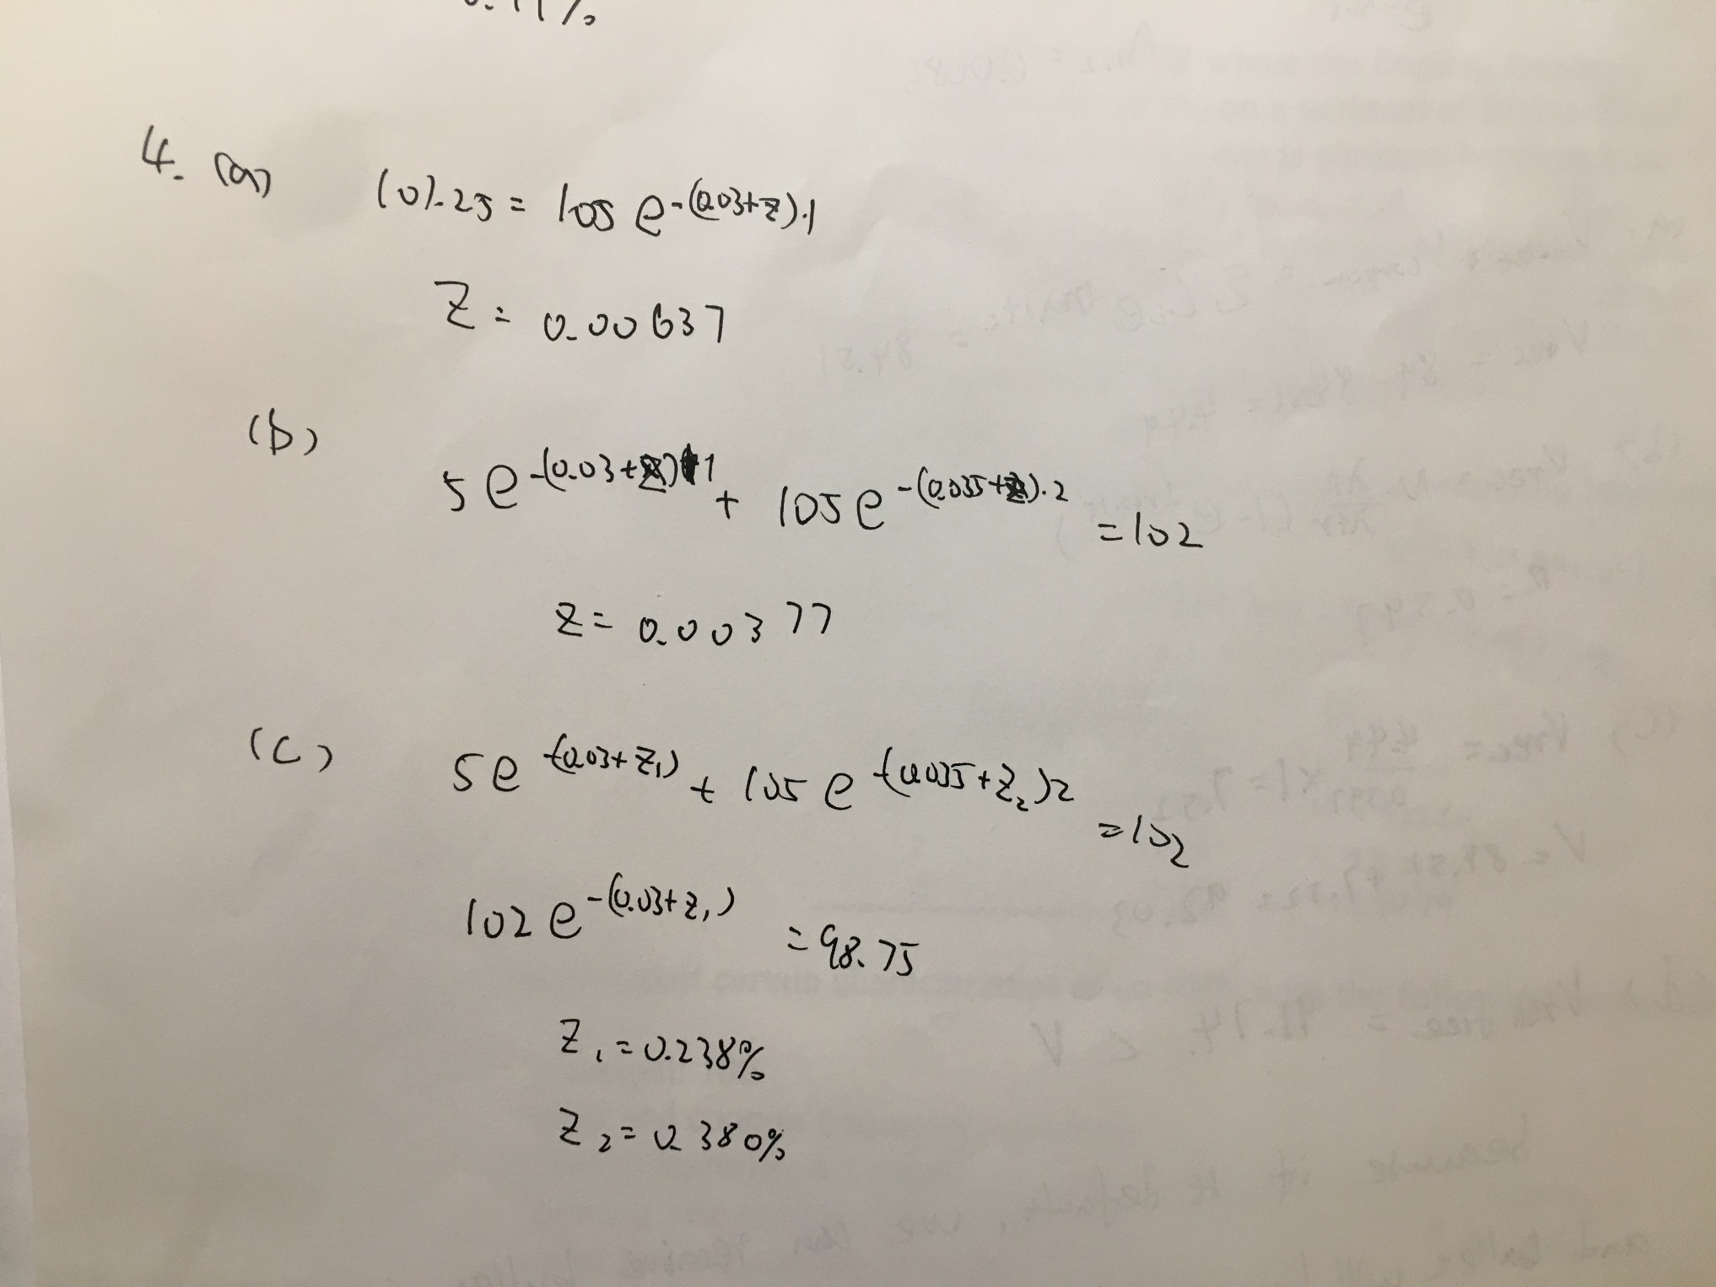

exercise 5
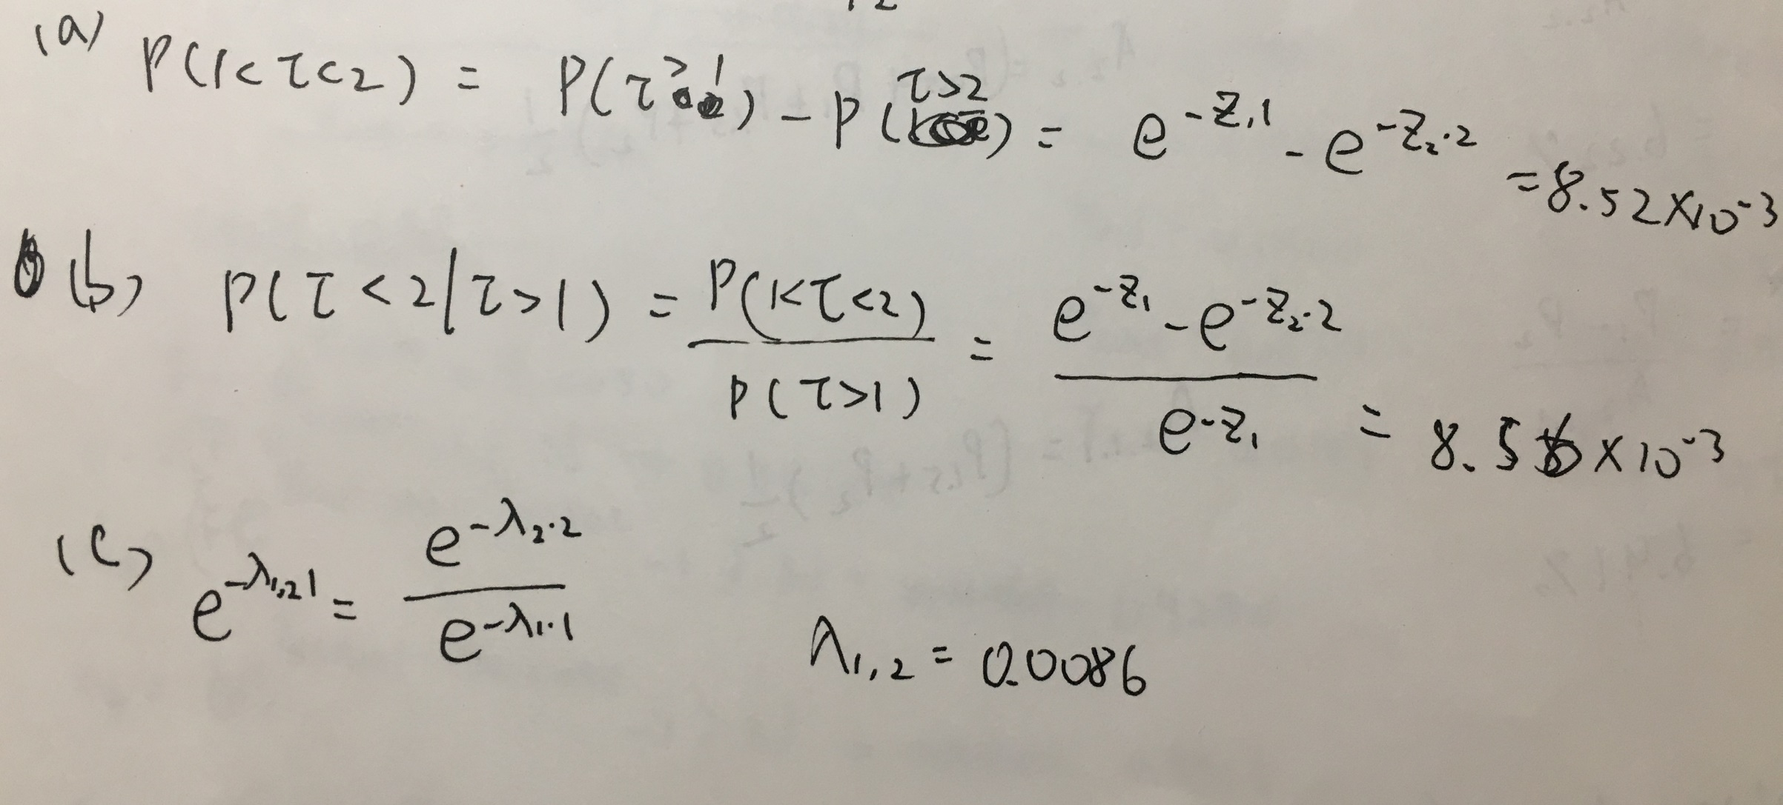

exercise 6
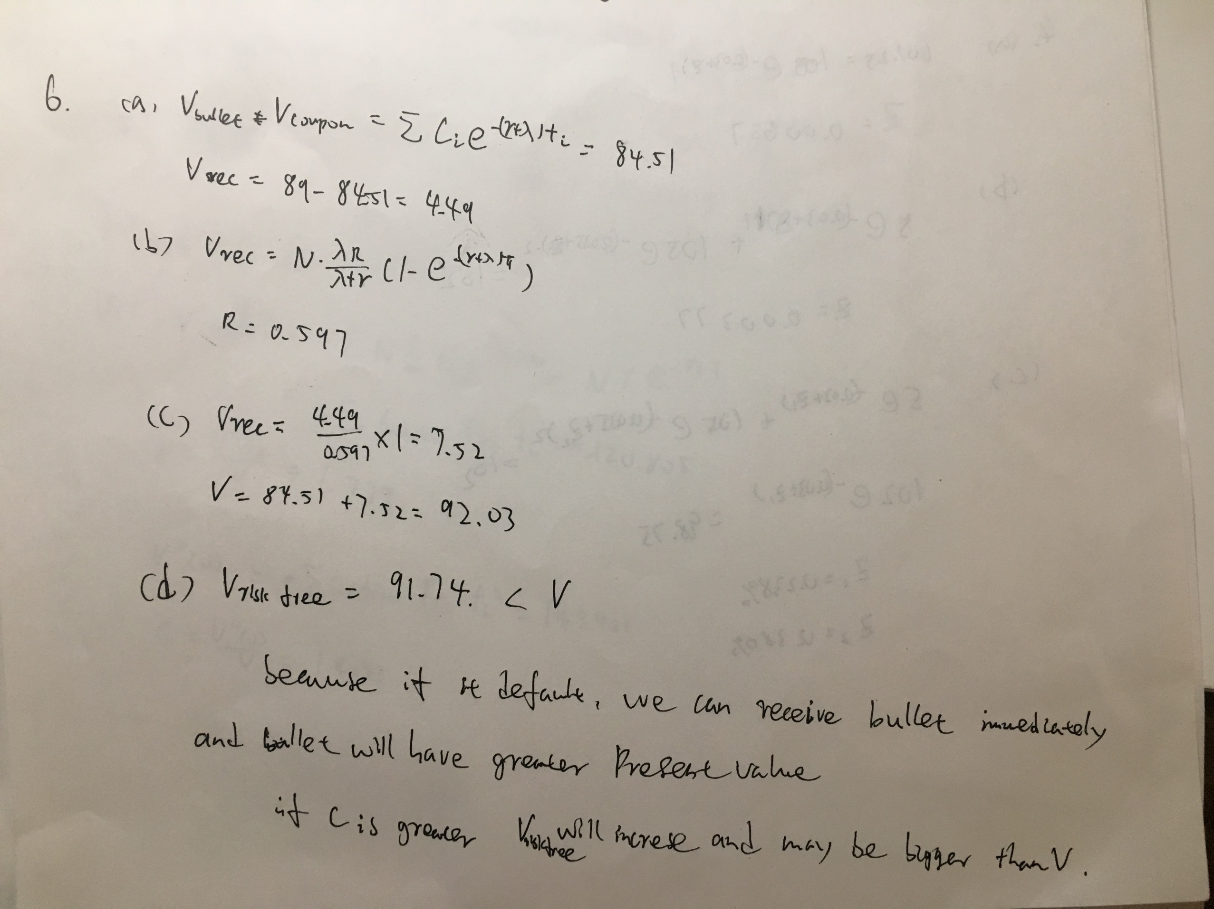

application 1
 | Assume that the continuously compounded spot rate is constant from now to the 1-year |  |  |  |  |  | For these swaps, the 6M EURIBOR curve you solve for will be used to determine the
 | maturity; interpolate linearly in the continuously compounded spot rates for cash flows |  |  |  |  |  | forward rates appropriate to the floating leg, while the EONIA curve you generated in
 | between the maturities given above. The output of this step should be a set of discount |  |  |  |  |  | part (a) above will be used to discount all cash flows. The output of this step should be a
 | factors at the maturities corresponding to the market quotes above, with the final known |  |  |  |  |  | set of discount factors at the maturities corresponding to the market quotes above, just as
 | point at 10 years. |  |  |  |  |  | in the EONIA step.

(a) | The first step is to use fixed-for EONIA swaps to determine the discounting curve. |  |  |  |  | (b) | The second step is to use fixed-for 6M EURIBOR swaps to determine a 6M
 | We observe the following market rates: |  |  |  |  |  | EURIBOR curve. We observe the following market rates:

 | Fixed-for-EONIA |  |  |  |  |  |  | Fixed-for-6M EURIBOR
 | maturity (years) | par swap rate | df |  |  |  |  | maturity (years) | par swap rate | df
 | 0 |  | 1 |  |  |  |  | 0 |  | 1
 | 1 | -0.00366 | 1.0036700344 |  |  |  |  | 1 | -0.00250 | 1.0025031276
 | 2 | -0.00275 | 1.0055215029 |  |  |  |  | 2 | -0.00160 | 1.0032074566
 | 3 | -0.00160 | 1.0048209038 |  |  |  |  | 3 | -0.00040 | 1.0012056727
 | 4 | -0.00035 | 1.001404901 |  |  |  |  | 4 | 0.00100 | 0.99600411707
 | 5 | 0.00015 | 0.99924816397 |  |  |  |  | 5 | 0.00250 | 0.98754968869
 | 7 | 0.00275 | 0.98077117153 |  |  |  |  | 7 | 0.00520 | 0.96401865492
 | 10 | 0.00660 | 0.93492805206 |  |  |  |  | 10 | 0.00890 | 0.91346710166

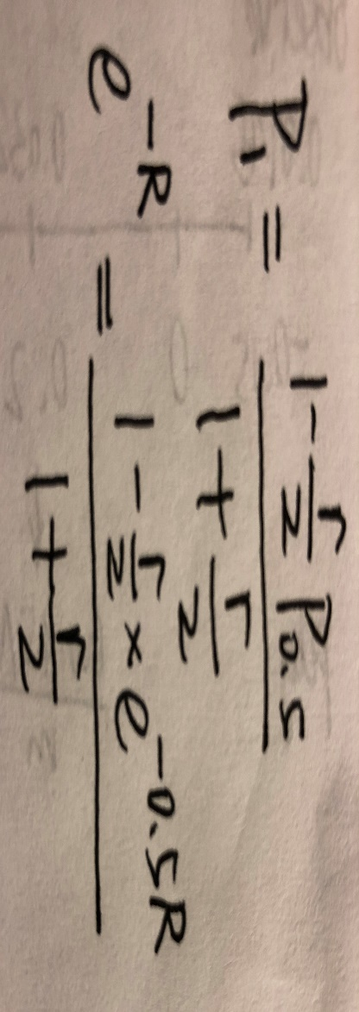

 | General formula:

 | maturity (years) | par swap rate | df | EONIA_rate | error |  |  | maturity (years) | par swap rate | EURIBOR_rate | forward_rate | df | error(floating leg - fixed leg = 0)
 | 0 |  | 1 |  |  |  |  | 0 |  |  |  | 1
 | 0.5 |  | 1.0018333366 | -0.0036633162392 |  |  |  | 0.5 |  | -0.0025 | -0.0025 | 1.0012507816
 | 1 | -0.00366 | 1.0036700344 | -0.0036633162392 | 3.6853252228E-08 |  |  | 1 | -0.00250 | -0.0025 | -0.0025 | 1.0025031276 | 0
 | 1.5 |  | 1.0048239534 | -0.0032082369309 |  |  |  | 1.5 |  | -0.0020505809162 | -0.0011517427485 | 1.0030806067
 | 2 | -0.00275 | 1.0055215029 | -0.0027531576226 | -2.8927541806E-07 |  |  | 2 | -0.00160 | -0.0016011618323 | -0.00025290458086 | 1.0032074566 | 0
 | 2.5 |  | 1.0054601833 | -0.0021781322243 |  |  |  | 2.5 |  | -0.0010014053302 | 0.0013976206784 | 1.0025066497
 | 3 | -0.00160 | 1.0048209038 | -0.0016031068259 | -1.1006751066E-10 |  |  | 3 | -0.00040 | -0.00040164882806 | 0.0025971336827 | 1.0012056727 | 0
 | 3.5 |  | 1.0034255034 | -0.00097704279234 |  |  |  | 3.5 |  | 0.00029966156156 | 0.0045075238993 | 0.99895173435
 | 4 | -0.00035 | 1.001404901 | -0.00035097875873 | -5.1707079884E-07 |  |  | 4 | 0.00100 | 0.0010009719512 | 0.0059101446785 | 0.99600411707 | 0
 | 4.5 |  | 1.0004513506 | -0.00010027749945 |  |  |  | 4.5 |  | 0.0017533325564 | 0.007772217398 | 0.99214104782
 | 5 | 0.00015 | 0.99924816397 | 0.00015042375984 | 4.6345873717E-07 |  |  | 5 | 0.00250 | 0.0025056931616 | 0.0092769386085 | 0.98754968869 | 0
 | 5.5 |  | 0.99557544115 | 0.00080625021416 |  |  |  | 5.5 |  | 0.0031880067633 | 0.010011142781 | 0.98261878951
 | 6 |  | 0.99126590575 | 0.0014620766685 |  |  |  | 6 |  | 0.0038703203651 | 0.011375769984 | 0.97704563161
 | 6.5 |  | 0.98632795285 | 0.0021179031228 |  |  |  | 6.5 |  | 0.0045526339668 | 0.012740397188 | 0.97084143885
 | 7 | 0.00275 | 0.98077117153 | 0.0027737295771 | -3.0468665368E-09 |  |  | 7 | 0.00520 | 0.0052349475686 | 0.014105024391 | 0.96401865492 | 0
 | 7.5 |  | 0.97458209279 | 0.0034328696863 |  |  |  | 7.5 |  | 0.0058709215958 | 0.014774557977 | 0.95692341968
 | 8 |  | 0.96779394765 | 0.0040920097955 |  |  |  | 8 |  | 0.006506895623 | 0.016046506031 | 0.94927649858
 | 8.5 |  | 0.96041982329 | 0.0047511499048 |  |  |  | 8.5 |  | 0.0071428696502 | 0.017318454086 | 0.94109198477
 | 9 |  | 0.95247386553 | 0.005410290014 |  |  |  | 9 |  | 0.0077788436774 | 0.01859040214 | 0.9323848754
 | 9.5 |  | 0.94397123361 | 0.0060694301232 |  |  |  | 9.5 |  | 0.0084148177046 | 0.019862350194 | 0.92317102585
 | 10 | 0.00660 | 0.93492805206 | 0.0067285702324 | -9.1865903773E-09 |  |  | 10 | 0.00890 | 0.0090507917318 | 0.021134298249 | 0.91346710166 | 0

(c) | Using your calculator, show the result of a shock upward of 1bp in all EONIA rates
 | while keeping the EURIBOR swap rates unchanged. This will give you a different 6M
 | EURIBOR curve. Was the result what you expected? What do you think would happen if
 | we left our 6M EURIBOR discounting curve unchanged and recalculated the EURIBOR
 | par swap rates after a 1bp shock up to the EONIA rates?

part-1 | a shock upward of 1bp in all EONIA rates (The EURIBOR curve changes)
 | calculator:
 | maturity (years) | par swap rate | df | EONIA_rate | error |  |  | maturity (years) | par swap rate | EURIBOR_rate | forward_rate | df | error(floating leg - fixed leg = 0)
 | 0 |  | 1 |  |  |  |  | 0 |  |  |  | 1
 | 0.5 |  | 1.0017832462 | -0.0035633162392 |  |  |  | 0.5 |  | -0.0025 | -0.0025 | 1.0012507816
 | 1 | -0.00366 | 1.0035696724 | -0.0035633162392 | 0.00010030700499 |  |  | 1 | -0.00250 | -0.0025 | -0.0025 | 1.0025031276 | 0
 | 1.5 |  | 1.0046732411 | -0.0031082369309 |  |  |  | 1.5 |  | -0.0020505556656 | -0.0011516669968 | 1.0030805687
 | 2 | -0.00275 | 1.0053204187 | -0.0026531576226 | -0.00020068287469 |  |  | 2 | -0.00160 | -0.0016011113312 | -0.000252778328 | 1.0032073553 | 0
 | 2.5 |  | 1.0052088497 | -0.0020781322243 |  |  |  | 2.5 |  | -0.0010013008428 | 0.001397941111 | 1.0025063879
 | 3 | -0.00160 | 1.0045195028 | -0.0015031068259 | -0.00030055718194 |  |  | 3 | -0.00040 | -0.00040149035432 | 0.0025975620879 | 1.0012051967 | 0
 | 3.5 |  | 1.003074366 | -0.00087704279234 |  |  |  | 3.5 |  | 0.00029990758534 | 0.0045082952233 | 0.99895087417
 | 4 | -0.00035 | 1.0010044191 | -0.00025097875873 | -0.0040264674049 |  |  | 4 | 0.00100 | 0.001001305525 | 0.0059110911026 | 0.9960027881 | 0
 | 4.5 |  | 1.0000012487 | -2.774994462E-07 |  |  |  | 4.5 |  | 0.0017537852859 | 0.0077736233731 | 0.99213902655
 | 5 | 0.00015 | 0.99874866477 | 0.00025042375984 | 0.0010546652456 |  |  | 5 | 0.00250 | 0.0025062650468 | 0.0092785828949 | 0.98754686487 | 0
 | 5.5 |  | 0.99502802521 | 0.00090625021416 |  |  |  | 5.5 |  | 0.0031887152188 | 0.010013216939 | 0.98261496073
 | 6 |  | 0.9906713246 | 0.0015620766685 |  |  |  | 6 |  | 0.0038711653908 | 0.011378117283 | 0.97704067785
 | 6.5 |  | 0.985687048 | 0.0022179031228 |  |  |  | 6.5 |  | 0.0045536155628 | 0.012743017627 | 0.97083524454
 | 7 | 0.00275 | 0.98008487195 | 0.0028737295771 | 0.027794820248 |  |  | 7 | 0.00520 | 0.0052360657348 | 0.014107917971 | 0.96401110942 | 0
 | 7.5 |  | 0.97385143025 | 0.0035328696863 |  |  |  | 7.5 |  | 0.0058722192328 | 0.014778368204 | 0.95691410668
 | 8 |  | 0.9670200221 | 0.0041920097955 |  |  |  | 8 |  | 0.0065083727308 | 0.0160506752 | 0.94926528117
 | 8.5 |  | 0.95960381329 | 0.0048511499048 |  |  |  | 8.5 |  | 0.0071445262287 | 0.017322982196 | 0.94107873343
 | 9 |  | 0.95161702468 | 0.005510290014 |  |  |  | 9 |  | 0.0077806797267 | 0.018595289192 | 0.93236946839
 | 9.5 |  | 0.94307488677 | 0.0061694301232 |  |  |  | 9.5 |  | 0.0084168332246 | 0.019867596188 | 0.92315334966
 | 10 | 0.00660 | 0.93399359131 | 0.0068285702324 | 0.067403697773 |  |  | 10 | 0.00890 | 0.0090529867226 | 0.021139903184 | 0.91344705136 | 0

 | results:
 | EURIBOR curve
 | maturity (years) | df(before shock) | df(after shock) | after-before(bps)
 | 0 | 1 | 1
 | 0.5 | 1.0012507816 | 1.0012507816 | 0
 | 1 | 1.0025031276 | 1.0025031276 | -4.4408920985E-12
 | 1.5 | 1.0030806067 | 1.0030805687 | -0.00037992540003
 | 2 | 1.0032074566 | 1.0032073553 | -0.0010132624872
 | 2.5 | 1.0025066497 | 1.0025063879 | -0.0026187336122
 | 3 | 1.0012056727 | 1.0012051967 | -0.0047599431752
 | 3.5 | 0.99895173435 | 0.99895087417 | -0.0086018020118
 | 4 | 0.99600411707 | 0.9960027881 | -0.013289626617
 | 4.5 | 0.99214104782 | 0.99213902655 | -0.020212698028
 | 5 | 0.98754968869 | 0.98754686487 | -0.028238212175
 | 5.5 | 0.98261878951 | 0.98261496073 | -0.038287716447
 | 6 | 0.97704563161 | 0.97704067785 | -0.04953759678
 | 6.5 | 0.97084143885 | 0.97083524454 | -0.061943117597
 | 7 | 0.96401865492 | 0.96401110942 | -0.075455025191
 | 7.5 | 0.95692341968 | 0.95691410668 | -0.09312999115
 | 8 | 0.94927649858 | 0.94926528117 | -0.11217403258
 | 8.5 | 0.94109198477 | 0.94107873343 | -0.132513452
 | 9 | 0.9323848754 | 0.93236946839 | -0.15407013777
 | 9.5 | 0.92317102585 | 0.92315334966 | -0.17676192689
 | 10 | 0.91346710166 | 0.91344705136 | -0.20050298397

part-2 | a shock upward of 1bp in all EONIA rates (The EURIBOR curve unchanges)
 | calculator:
 | maturity (years) | par swap rate | df | EONIA_rate | error |  |  | maturity (years) | par swap rate | EURIBOR_rate | forward_rate | df | error(floating leg - fixed leg = 0)
 | 0 |  | 1 |  |  |  |  | 0 |  |  |  | 1
 | 0.5 |  | 1.0017832462 | -0.0035633162392 |  |  |  | 0.5 |  | -0.0025 | -0.0025 | 1.0012507816
 | 1 | -0.00366 | 1.0035696724 | -0.0035633162392 | 0.00010030700499 |  |  | 1 | -0.00250 | -0.0025 | -0.0025 | 1.0025031276 | 0
 | 1.5 |  | 1.0046732411 | -0.0031082369309 |  |  |  | 1.5 |  | -0.0020505809162 | -0.0011517427485 | 1.0030806067
 | 2 | -0.00275 | 1.0053204187 | -0.0026531576226 | -0.00020068287469 |  |  | 2 | -0.00160 | -0.0016011618323 | -0.00025290458086 | 1.0032074566 | 0
 | 2.5 |  | 1.0052088497 | -0.0020781322243 |  |  |  | 2.5 |  | -0.0010014053302 | 0.0013976206784 | 1.0025066497
 | 3 | -0.0016 | 1.0045195028 | -0.0015031068259 | -0.00030055718194 |  |  | 3 | -0.00040 | -0.00040164882806 | 0.0025971336827 | 1.0012056727 | 0
 | 3.5 |  | 1.003074366 | -0.00087704279234 |  |  |  | 3.5 |  | 0.00029966156156 | 0.0045075238993 | 0.99895173435
 | 4 | -0.00035 | 1.0010044191 | -0.00025097875873 | -0.0040264674049 |  |  | 4 | 0.00100 | 0.0010009719512 | 0.0059101446785 | 0.99600411707 | 0
 | 4.5 |  | 1.0000012487 | -2.774994462E-07 |  |  |  | 4.5 |  | 0.0017533325564 | 0.007772217398 | 0.99214104782
 | 5 | 0.00015 | 0.99874866477 | 0.00025042375984 | 0.0010546652456 |  |  | 5 | 0.00250 | 0.0025056931616 | 0.0092769386085 | 0.98754968869 | 0
 | 5.5 |  | 0.99502802521 | 0.00090625021416 |  |  |  | 5.5 |  | 0.0031880067633 | 0.010011142781 | 0.98261878951
 | 6 |  | 0.9906713246 | 0.0015620766685 |  |  |  | 6 |  | 0.0038703203651 | 0.011375769984 | 0.97704563161
 | 6.5 |  | 0.985687048 | 0.0022179031228 |  |  |  | 6.5 |  | 0.0045526339668 | 0.012740397188 | 0.97084143885
 | 7 | 0.00275 | 0.98008487195 | 0.0028737295771 | 0.027794820248 |  |  | 7 | 0.00520 | 0.0052349475686 | 0.014105024391 | 0.96401865492 | 0
 | 7.5 |  | 0.97385143025 | 0.0035328696863 |  |  |  | 7.5 |  | 0.0058709215958 | 0.014774557977 | 0.95692341968
 | 8 |  | 0.9670200221 | 0.0041920097955 |  |  |  | 8 |  | 0.006506895623 | 0.016046506031 | 0.94927649858
 | 8.5 |  | 0.95960381329 | 0.0048511499048 |  |  |  | 8.5 |  | 0.0071428696502 | 0.017318454086 | 0.94109198477
 | 9 |  | 0.95161702468 | 0.005510290014 |  |  |  | 9 |  | 0.0077788436774 | 0.01859040214 | 0.9323848754
 | 9.5 |  | 0.94307488677 | 0.0061694301232 |  |  |  | 9.5 |  | 0.0084148177046 | 0.019862350194 | 0.92317102585
 | 10 | 0.0066 | 0.93399359131 | 0.0068285702324 | 0.067403697773 |  |  | 10 | 0.00890 | 0.0090507917318 | 0.021134298249 | 0.91346710166 | 0

 | results:
 | Fixed-for-6M EURIBOR
 | maturity (years) | par swap rate(before shock) | par swap rate(after shock) | after-before(bps)
 | 1 | -0.00250 | -0.00250000 | -1.1319070681E-12
 | 2 | -0.00160 | -0.00160005 | -0.00050563582922
 | 3 | -0.00040 | -0.00040016 | -0.0015858283188
 | 4 | 0.00100 | 0.00099967 | -0.0033335311461
 | 5 | 0.00250 | 0.00249943 | -0.0057088194466
 | 7 | 0.00520 | 0.00519889 | -0.011111285755
 | 10 | 0.00890 | 0.00889785 | -0.021540555267

