Grade
Problem 1 comments:
Please provide more comments.
Grade: 95%
Problem | Weight | Score
1 | 25% | 95%
2 | 25% | 75%
3 | 25% | 80%
4 | 25% | 90%
 | Grade | 85%
Problem 2 comments:
1. Part a): You have assigned the spread duration to the duration. This is incorrect, becuase your are to show that they are the same. You have to shock the spread as well. (Points deducted for this.)
2. Part d): You are missing a lot of calculations. First you need to calculate the values of the fixed(floating) legs seperately since they pay at different frequencies. Then, you need to shock the interest rate up and down, followed by the calculation of the duration. Finally, these need to be repeated when the coupon is 6.5%
Grade: 75%

Problem 3 comments:
As suggested in the other homeworks, the calculations need to be shown.
Grade: 80%

Problem 4 comments:
1. Part c): Good job for creating an interface. However, I don't think it is working correctly. The values are not correct. For instance, if p = c and rho - 0, then all the values for that rho should be c.
Grade: 90%

exercise1
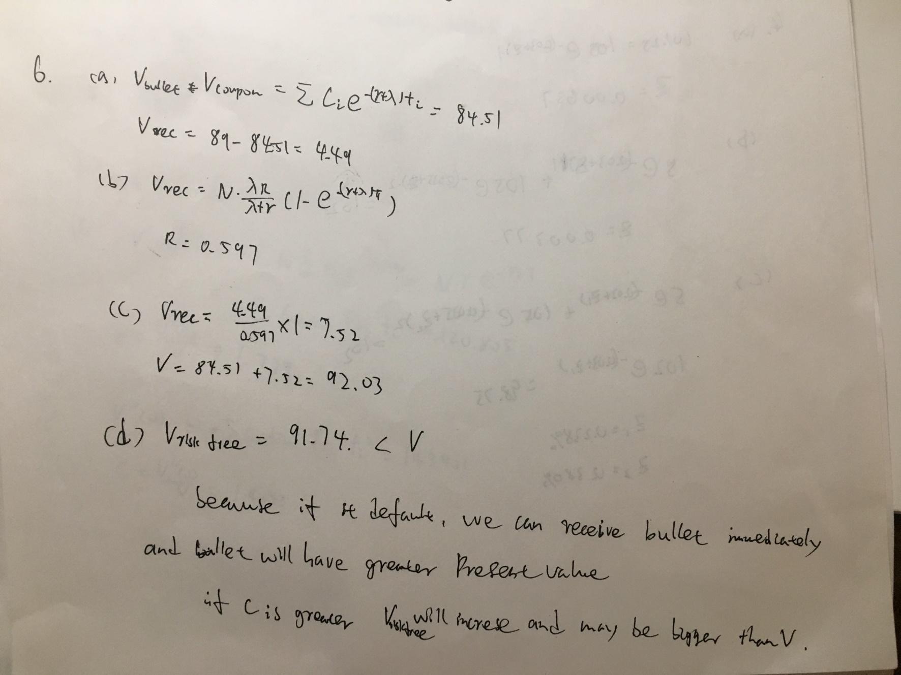
exercise1

exercise3
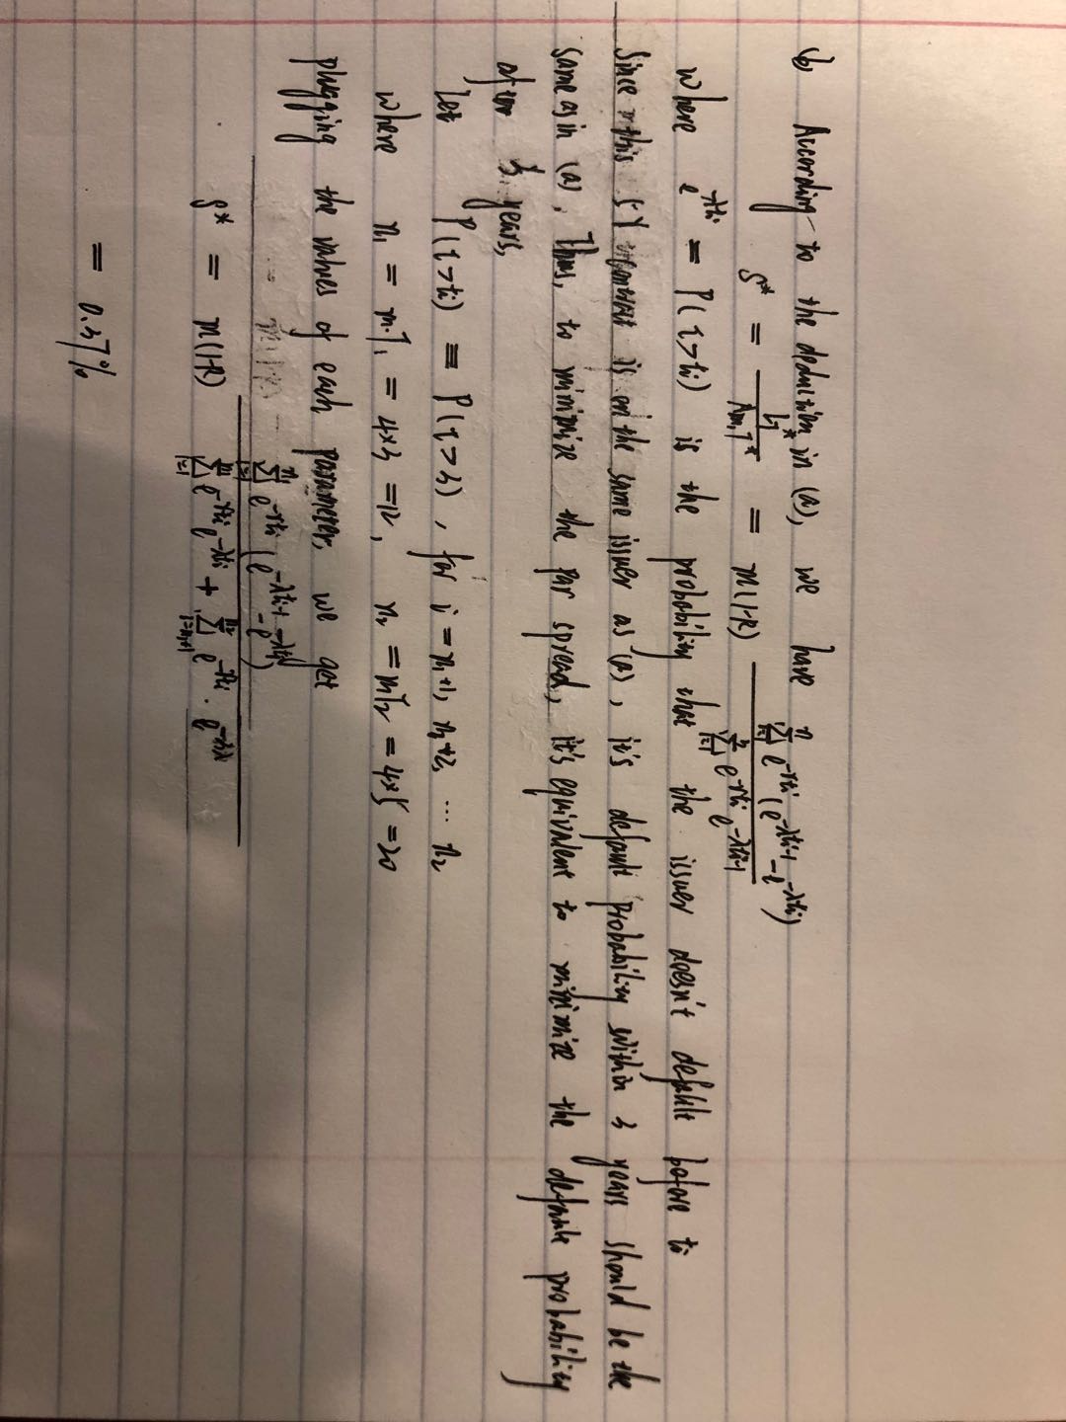
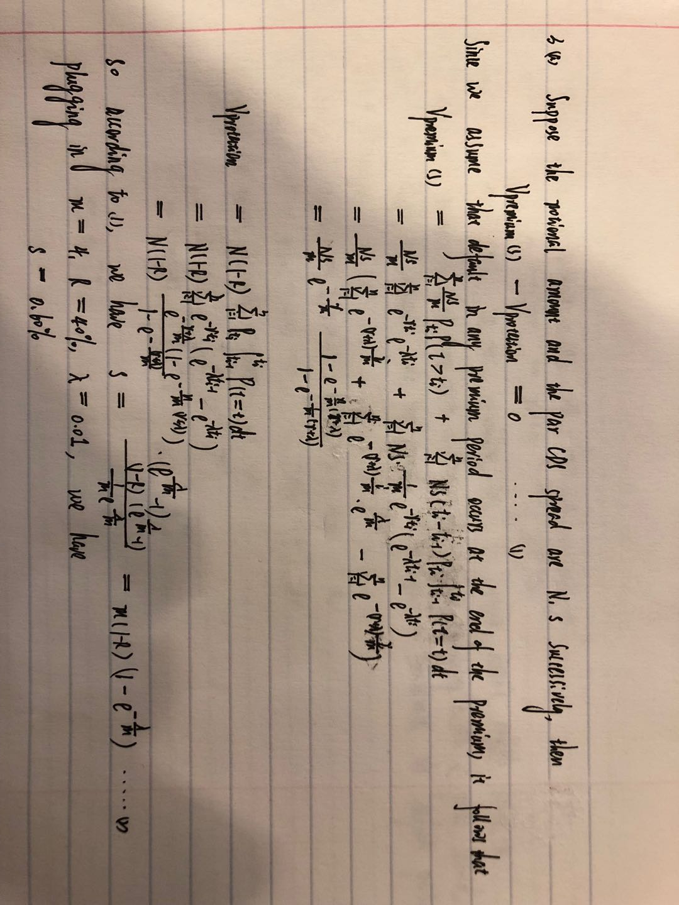
exercise3
(a)

(b)

app
1) F is standard normal qf of p
p | F
0.05 | -1.644853627
F-p
0.1 | -1.2815515655
0.15 | -1.0364333895
0.2 | -0.84162123357
0.25 | -0.6744897502
0.3 | -0.52440051271
0.35 | -0.38532046641
0.4 | -0.25334710314
0.45 | -0.12566134686
0.5 | -1.3914582123E-16
0.55 | 0.12566134686
0.6 | 0.25334710314
0.65 | 0.38532046641
0.7 | 0.52440051271
0.75 | 0.6744897502
0.8 | 0.84162123357
0.85 | 1.0364333895
0.9 | 1.2815515655

2) Fi is a normal distribution with mean sqrt(rho)*f, variance 1-rho
f\rho | 0 | 0.05 | 0.1 | 0.15 | 0.2 | 0.25 | 0.3 | 0.35 | 0.4 | 0.45 | 0.5 | 0.55 | 0.6 | 0.65 | 0.7 | 0.75 | 0.8 | 0.85 | 0.9 | 0.95
-3 | 0 | -0.67082039325 | -0.94868329805 | -1.1618950039 | -1.3416407865 | -1.5 | -1.6431676725 | -1.7748239349 | -1.8973665961 | -2.0124611797 | -2.1213203436 | -2.2248595461 | -2.3237900077 | -2.4186773245 | -2.5099800796 | -2.5980762114 | -2.683281573 | -2.7658633372 | -2.8460498942 | -2.9240383034
-2.75 | 0 | -0.61491869381 | -0.86962635655 | -1.0650704202 | -1.2298373876 | -1.375 | -1.5062370331 | -1.6269219404 | -1.7392527131 | -1.8447560814 | -1.9445436483 | -2.039454584 | -2.1301408404 | -2.2171208808 | -2.300815073 | -2.3815698604 | -2.4596747752 | -2.5353747258 | -2.6088790696 | -2.6803684448
-2.5 | 0 | -0.55901699437 | -0.79056941504 | -0.96824583655 | -1.1180339887 | -1.25 | -1.3693063938 | -1.4790199458 | -1.5811388301 | -1.6770509831 | -1.767766953 | -1.8540496218 | -1.9364916731 | -2.0155644371 | -2.0916500663 | -2.1650635095 | -2.2360679775 | -2.3048861143 | -2.3717082451 | -2.4366985862
-2.25 | 0 | -0.50311529494 | -0.71151247354 | -0.8714212529 | -1.0062305899 | -1.125 | -1.2323757544 | -1.3311179512 | -1.4230249471 | -1.5093458848 | -1.5909902577 | -1.6686446596 | -1.7428425058 | -1.8140079934 | -1.8824850597 | -1.9485571585 | -2.0124611797 | -2.0743975029 | -2.1345374206 | -2.1930287276
-2 | 0 | -0.4472135955 | -0.63245553203 | -0.77459666924 | -0.894427191 | -1 | -1.095445115 | -1.1832159566 | -1.2649110641 | -1.3416407865 | -1.4142135624 | -1.4832396974 | -1.5491933385 | -1.6124515497 | -1.6733200531 | -1.7320508076 | -1.788854382 | -1.8439088915 | -1.8973665961 | -1.949358869
-1.75 | 0 | -0.39131189606 | -0.55339859053 | -0.67777208559 | -0.78262379212 | -0.875 | -0.95851447563 | -1.035313962 | -1.1067971811 | -1.1739356882 | -1.2374368671 | -1.2978347352 | -1.3555441712 | -1.410895106 | -1.4641550464 | -1.5155444566 | -1.5652475842 | -1.61342028 | -1.6601957716 | -1.7056890103
-1.5 | 0 | -0.33541019662 | -0.47434164903 | -0.58094750193 | -0.67082039325 | -0.75 | -0.82158383626 | -0.88741196746 | -0.94868329805 | -1.0062305899 | -1.0606601718 | -1.1124297731 | -1.1618950039 | -1.2093386622 | -1.2549900398 | -1.2990381057 | -1.3416407865 | -1.3829316686 | -1.4230249471 | -1.4620191517
-1.25 | 0 | -0.27950849719 | -0.39528470752 | -0.48412291828 | -0.55901699437 | -0.625 | -0.68465319688 | -0.73950997289 | -0.79056941504 | -0.83852549156 | -0.88388347648 | -0.92702481089 | -0.96824583655 | -1.0077822185 | -1.0458250332 | -1.0825317547 | -1.1180339887 | -1.1524430572 | -1.1858541226 | -1.2183492931
-1 | 0 | -0.22360679775 | -0.31622776602 | -0.38729833462 | -0.4472135955 | -0.5 | -0.54772255751 | -0.59160797831 | -0.63245553203 | -0.67082039325 | -0.70710678119 | -0.74161984871 | -0.77459666924 | -0.80622577483 | -0.83666002653 | -0.86602540378 | -0.894427191 | -0.92195444573 | -0.94868329805 | -0.97467943448
-0.75 | 0 | -0.16770509831 | -0.23717082451 | -0.29047375097 | -0.33541019662 | -0.375 | -0.41079191813 | -0.44370598373 | -0.47434164903 | -0.50311529494 | -0.53033008589 | -0.55621488653 | -0.58094750193 | -0.60466933112 | -0.6274950199 | -0.64951905284 | -0.67082039325 | -0.6914658343 | -0.71151247354 | -0.73100957586
-0.5 | 0 | -0.11180339887 | -0.15811388301 | -0.19364916731 | -0.22360679775 | -0.25 | -0.27386127875 | -0.29580398915 | -0.31622776602 | -0.33541019662 | -0.35355339059 | -0.37080992435 | -0.38729833462 | -0.40311288741 | -0.41833001327 | -0.43301270189 | -0.4472135955 | -0.46097722286 | -0.47434164903 | -0.48733971724
-0.25 | 0 | -0.055901699437 | -0.079056941504 | -0.096824583655 | -0.11180339887 | -0.125 | -0.13693063938 | -0.14790199458 | -0.15811388301 | -0.16770509831 | -0.1767766953 | -0.18540496218 | -0.19364916731 | -0.20155644371 | -0.20916500663 | -0.21650635095 | -0.22360679775 | -0.23048861143 | -0.23717082451 | -0.24366985862
0 | 0 | 0 | 0 | 0 | 0 | 0 | 0 | 0 | 0 | 0 | 0 | 0 | 0 | 0 | 0 | 0 | 0 | 0 | 0 | 0
0.25 | 0 | 0.055901699437 | 0.079056941504 | 0.096824583655 | 0.11180339887 | 0.125 | 0.13693063938 | 0.14790199458 | 0.15811388301 | 0.16770509831 | 0.1767766953 | 0.18540496218 | 0.19364916731 | 0.20155644371 | 0.20916500663 | 0.21650635095 | 0.22360679775 | 0.23048861143 | 0.23717082451 | 0.24366985862
0.5 | 0 | 0.11180339887 | 0.15811388301 | 0.19364916731 | 0.22360679775 | 0.25 | 0.27386127875 | 0.29580398915 | 0.31622776602 | 0.33541019662 | 0.35355339059 | 0.37080992435 | 0.38729833462 | 0.40311288741 | 0.41833001327 | 0.43301270189 | 0.4472135955 | 0.46097722286 | 0.47434164903 | 0.48733971724
0.75 | 0 | 0.16770509831 | 0.23717082451 | 0.29047375097 | 0.33541019662 | 0.375 | 0.41079191813 | 0.44370598373 | 0.47434164903 | 0.50311529494 | 0.53033008589 | 0.55621488653 | 0.58094750193 | 0.60466933112 | 0.6274950199 | 0.64951905284 | 0.67082039325 | 0.6914658343 | 0.71151247354 | 0.73100957586
1 | 0 | 0.22360679775 | 0.31622776602 | 0.38729833462 | 0.4472135955 | 0.5 | 0.54772255751 | 0.59160797831 | 0.63245553203 | 0.67082039325 | 0.70710678119 | 0.74161984871 | 0.77459666924 | 0.80622577483 | 0.83666002653 | 0.86602540378 | 0.894427191 | 0.92195444573 | 0.94868329805 | 0.97467943448
1.25 | 0 | 0.27950849719 | 0.39528470752 | 0.48412291828 | 0.55901699437 | 0.625 | 0.68465319688 | 0.73950997289 | 0.79056941504 | 0.83852549156 | 0.88388347648 | 0.92702481089 | 0.96824583655 | 1.0077822185 | 1.0458250332 | 1.0825317547 | 1.1180339887 | 1.1524430572 | 1.1858541226 | 1.2183492931
1.5 | 0 | 0.33541019662 | 0.47434164903 | 0.58094750193 | 0.67082039325 | 0.75 | 0.82158383626 | 0.88741196746 | 0.94868329805 | 1.0062305899 | 1.0606601718 | 1.1124297731 | 1.1618950039 | 1.2093386622 | 1.2549900398 | 1.2990381057 | 1.3416407865 | 1.3829316686 | 1.4230249471 | 1.4620191517
1.75 | 0 | 0.39131189606 | 0.55339859053 | 0.67777208559 | 0.78262379212 | 0.875 | 0.95851447563 | 1.035313962 | 1.1067971811 | 1.1739356882 | 1.2374368671 | 1.2978347352 | 1.3555441712 | 1.410895106 | 1.4641550464 | 1.5155444566 | 1.5652475842 | 1.61342028 | 1.6601957716 | 1.7056890103
2 | 0 | 0.4472135955 | 0.63245553203 | 0.77459666924 | 0.894427191 | 1 | 1.095445115 | 1.1832159566 | 1.2649110641 | 1.3416407865 | 1.4142135624 | 1.4832396974 | 1.5491933385 | 1.6124515497 | 1.6733200531 | 1.7320508076 | 1.788854382 | 1.8439088915 | 1.8973665961 | 1.949358869
2.25 | 0 | 0.50311529494 | 0.71151247354 | 0.8714212529 | 1.0062305899 | 1.125 | 1.2323757544 | 1.3311179512 | 1.4230249471 | 1.5093458848 | 1.5909902577 | 1.6686446596 | 1.7428425058 | 1.8140079934 | 1.8824850597 | 1.9485571585 | 2.0124611797 | 2.0743975029 | 2.1345374206 | 2.1930287276
2.5 | 0 | 0.55901699437 | 0.79056941504 | 0.96824583655 | 1.1180339887 | 1.25 | 1.3693063938 | 1.4790199458 | 1.5811388301 | 1.6770509831 | 1.767766953 | 1.8540496218 | 1.9364916731 | 2.0155644371 | 2.0916500663 | 2.1650635095 | 2.2360679775 | 2.3048861143 | 2.3717082451 | 2.4366985862
2.75 | 0 | 0.61491869381 | 0.86962635655 | 1.0650704202 | 1.2298373876 | 1.375 | 1.5062370331 | 1.6269219404 | 1.7392527131 | 1.8447560814 | 1.9445436483 | 2.039454584 | 2.1301408404 | 2.2171208808 | 2.300815073 | 2.3815698604 | 2.4596747752 | 2.5353747258 | 2.6088790696 | 2.6803684448
3 | 0 | 0.67082039325 | 0.94868329805 | 1.1618950039 | 1.3416407865 | 1.5 | 1.6431676725 | 1.7748239349 | 1.8973665961 | 2.0124611797 | 2.1213203436 | 2.2248595461 | 2.3237900077 | 2.4186773245 | 2.5099800796 | 2.5980762114 | 2.683281573 | 2.7658633372 | 2.8460498942 | 2.9240383034
mean F - (f, rho)

3)
user input | f | rho | probability of default
 | -0.3 | 0.1 | 0.1

output | cutoff F*
 | -1.2482647388

f\rho | 0 | 0.05 | 0.1 | 0.15 | 0.2 | 0.25 | 0.3 | 0.35 | 0.4 | 0.45 | 0.5 | 0.55 | 0.6 | 0.65 | 0.7 | 0.75 | 0.8 | 0.85 | 0.9 | 0.95
-3 | 0.44760039307 | 0.70990214626 | 0.80542181298 | 0.86808295761 | 0.91192833353 | 0.94294042716 | 0.96458126553 | 0.97922562342 | 0.98867929591 | 0.99439338154 | 0.99755133741 | 0.99909653902 | 0.99973582617 | 0.99994460377 | 0.99999294291 | 0.9999995945 | 0.9999999942 | 0.99999999999 | 1 | 1
-2.75 | 0.44760039307 | 0.68996281228 | 0.78166094627 | 0.84431555007 | 0.89022498935 | 0.92444315767 | 0.94979348551 | 0.96817059703 | 0.98102098601 | 0.98955173931 | 0.99482201163 | 0.99777156253 | 0.99921053362 | 0.9997882268 | 0.99996255589 | 0.99999659732 | 0.99999990324 | 0.99999999973 | 1 | 1
-2.5 | 0.44760039307 | 0.66944856792 | 0.75630989028 | 0.81788459233 | 0.86492681062 | 0.9016951817 | 0.93045538158 | 0.95265023144 | 0.96934017703 | 0.98140696799 | 0.98965820684 | 0.99487808362 | 0.99783854932 | 0.99927439617 | 0.99982709165 | 0.9999761556 | 0.99999873347 | 0.99999998995 | 1 | 1
-2.25 | 0.44760039307 | 0.64841213051 | 0.72944929448 | 0.78881369923 | 0.83589495296 | 0.87429548452 | 0.90583369666 | 0.93158000704 | 0.95224870205 | 0.96838579285 | 0.98047743174 | 0.98902126059 | 0.99457352746 | 0.99776947505 | 0.99930431067 | 0.99986028642 | 0.9999869719 | 0.99999973615 | 0.99999999988 | 1
-2 | 0.44760039307 | 0.62691103185 | 0.7011861135 | 0.7571895949 | 0.80309423366 | 0.84197211431 | 0.87531158083 | 0.90391941524 | 0.92825745075 | 0.94860212688 | 0.96513887594 | 0.97803285691 | 0.98749383294 | 0.99384067828 | 0.99755773819 | 0.99931440779 | 0.99989449256 | 0.99999508402 | 0.99999998821 | 1
-1.75 | 0.44760039307 | 0.60500715937 | 0.67165279505 | 0.72316503777 | 0.76660918888 | 0.80462514317 | 0.83847286308 | 0.86880552849 | 0.89595071508 | 0.92003616408 | 0.94105726004 | 0.95892381932 | 0.97350644522 | 0.98469823012 | 0.9925060426 | 0.99717677874 | 0.99932574509 | 0.9999348041 | 0.99999932905 | 1
-1.5 | 0.44760039307 | 0.58276622931 | 0.64100570335 | 0.68695899039 | 0.7266543508 | 0.76236197821 | 0.79518288262 | 0.82570113854 | 0.85421574017 | 0.88083701467 | 0.90552824204 | 0.92812205459 | 0.94832652595 | 0.96573435572 | 0.97985628138 | 0.99021845426 | 0.99658941497 | 0.99938234309 | 0.99997781352 | 0.99999999865
-1.25 | 0.44760039307 | 0.56025719944 | 0.60942279657 | 0.64885379987 | 0.68357721264 | 0.71551985921 | 0.74565345596 | 0.77453421648 | 0.80249387219 | 0.82971708438 | 0.85627015444 | 0.88210214994 | 0.90702468786 | 0.93067069904 | 0.95243222559 | 0.9713889803 | 0.98628877042 | 0.99579907307 | 0.99957111167 | 0.99999941166
-1 | 0.44760039307 | 0.53755162979 | 0.57710060946 | 0.60918933979 | 0.63785288908 | 0.6646712665 | 0.69047973836 | 0.71580120128 | 0.74100234653 | 0.76636078197 | 0.79209470202 | 0.81837128698 | 0.84529654684 | 0.87288022214 | 0.90095756484 | 0.92902910062 | 0.95594483282 | 0.97934277406 | 0.99510904517 | 0.99991831113
-0.75 | 0.44760039307 | 0.51472300144 | 0.54425062319 | 0.56835426599 | 0.59007018604 | 0.6106096243 | 0.63063937279 | 0.65060826614 | 0.67086918728 | 0.691737309 | 0.71352454644 | 0.73656468132 | 0.76123507903 | 0.78797643642 | 0.81730590127 | 0.84980222379 | 0.88598538785 | 0.92580493678 | 0.96663178067 | 0.99631973104
-0.5 | 0.44760039307 | 0.49184600392 | 0.51109513278 | 0.52677474032 | 0.54090959248 | 0.55431493543 | 0.56744923864 | 0.5806330869 | 0.59413327883 | 0.60820639484 | 0.62312968425 | 0.63923129412 | 0.65692852335 | 0.67678491246 | 0.69960486603 | 0.7266035446 | 0.7597352077 | 0.80237143585 | 0.86069449775 | 0.94412220988
-0.25 | 0.44760039307 | 0.46899580299 | 0.47786274626 | 0.48490115914 | 0.49111450479 | 0.4969015036 | 0.50248155697 | 0.50800363577 | 0.51358783101 | 0.51934661995 | 0.52539978199 | 0.53188909953 | 0.53899758732 | 0.54697983672 | 0.55621634653 | 0.56732195263 | 0.5813901304 | 0.60063968764 | 0.63060075458 | 0.69168311341
0 | 0.44760039307 | 0.44624730048 | 0.44478366674 | 0.44319357185 | 0.44145768926 | 0.43955228746 | 0.43744784899 | 0.43510712058 | 0.43248229479 | 0.42951082598 | 0.42610902218 | 0.42216186599 | 0.41750612583 | 0.41190081566 | 0.40497202495 | 0.39610088019 | 0.38416923211 | 0.36688464981 | 0.33850192086 | 0.27789780059
0.25 | 0.44760039307 | 0.42367439858 | 0.41208491961 | 0.40210657317 | 0.39270549041 | 0.38344628057 | 0.37406485961 | 0.36435718711 | 0.35413443466 | 0.34319710394 | 0.3313134898 | 0.31819528752 | 0.30346388928 | 0.28659806741 | 0.26684617223 | 0.24306874286 | 0.21343796185 | 0.17483363654 | 0.12169503816 | 0.046593307714
0.5 | 0.44760039307 | 0.4013492804 | 0.3799856892 | 0.36207449306 | 0.34558253384 | 0.32968629672 | 0.31391979813 | 0.29795680737 | 0.28152870248 | 0.26438435199 | 0.24626540635 | 0.22688738874 | 0.20592283045 | 0.18298624169 | 0.15762645499 | 0.12934812373 | 0.097737936243 | 0.06296457626 | 0.027647237097 | 0.0028153399573
0.75 | 0.44760039307 | 0.3793417186 | 0.34869292419 | 0.32349768554 | 0.30073961916 | 0.27923448206 | 0.25835237244 | 0.23769525146 | 0.2169808511 | 0.19599329606 | 0.17456217594 | 0.15255843629 | 0.12990586807 | 0.1066144421 | 0.082851753285 | 0.059086217968 | 0.036362796426 | 0.016773584879 | 0.003831651932 | 5.7095736808E-05
1 | 0.44760039307 | 0.35771842302 | 0.31839735835 | 0.28673063441 | 0.25872715905 | 0.23286178616 | 0.20836807117 | 0.18480990485 | 0.16193054333 | 0.13959211132 | 0.11775407223 | 0.096473993236 | 0.075925713444 | 0.056434520316 | 0.038528492327 | 0.022994001953 | 0.010879493353 | 0.0032582570445 | 0.0003170941184 | 3.7490562053E-07
1.25 | 0.44760039307 | 0.33654243751 | 0.28927007311 | 0.2520724585 | 0.21997593985 | 0.191115698 | 0.16459167459 | 0.13992962169 | 0.11688988279 | 0.095387950294 | 0.075460045291 | 0.057249160896 | 0.04099903428 | 0.027044637427 | 0.015781374891 | 0.0075803759853 | 0.0025986085921 | 0.0004570515121 | 1.5461857324E-05 | 7.8152724579E-10
1.5 | 0.44760039307 | 0.31587259495 | 0.26145970355 | 0.21976022403 | 0.18478623656 | 0.15430813094 | 0.12726327055 | 0.10309968112 | 0.081537659075 | 0.062463087915 | 0.045870063451 | 0.03182108522 | 0.020407972276 | 0.011700810254 | 0.0056741604412 | 0.002108015973 | 0.00049289886635 | 4.5989739393E-05 | 4.4040202734E-07 | 5.1124065467E-13
1.75 | 0.44760039307 | 0.29576303824 | 0.23509035977 | 0.1899652735 | 0.15332550522 | 0.12252283064 | 0.096272537407 | 0.073873530589 | 0.054918419448 | 0.039156938111 | 0.026416150704 | 0.016541944828 | 0.0093469073757 | 0.0045602225207 | 0.0017860515014 | 0.00049291192689 | 7.3956049715E-05 | 3.3038466096E-06 | 7.2848488008E-09 | 1.0417988886E-16
2 | 0.44760039307 | 0.27626281346 | 0.21026030399 | 0.16279257736 | 0.12563409987 | 0.095639479691 | 0.07122198645 | 0.051446728374 | 0.035690096658 | 0.023478504096 | 0.01439723006 | 0.0080321993524 | 0.003933009199 | 0.0015981579788 | 0.0004911484257 | 9.6673492519E-05 | 8.7524428393E-06 | 1.6887098487E-07 | 6.9696247431E-11 | 6.5811463915E-21
2.25 | 0.44760039307 | 0.25741554014 | 0.1870413913 | 0.13828292327 | 0.10163780715 | 0.073370087959 | 0.051507035434 | 0.034805392342 | 0.022365504423 | 0.013454984916 | 0.0074194095603 | 0.003639155634 | 0.0015185707816 | 0.00050291443991 | 0.00011779785806 | 1.587292972E-05 | 8.1520625371E-07 | 6.1258193245E-09 | 3.8454221052E-13 | 1.2844133287E-25
2.5 | 0.44760039307 | 0.23925916149 | 0.16547925074 | 0.11641759421 | 0.081165524194 | 0.055302458618 | 0.036400422744 | 0.022864574101 | 0.013507556538 | 0.0073649055782 | 0.0036125270663 | 0.0015370973358 | 0.00053747184245 | 0.00014193928332 | 2.4608832482E-05 | 2.1785334578E-06 | 5.9655263809E-08 | 1.574028437E-10 | 1.2209075623E-15 | 7.7255712409E-31
2.75 | 0.44760039307 | 0.22182577633 | 0.14559415541 | 0.097125061807 | 0.063970160451 | 0.040945519873 | 0.025130227476 | 0.014579335878 | 0.00785846153 | 0.0038484055905 | 0.0016608229251 | 0.00060480282538 | 0.00017422856156 | 3.5894655319E-05 | 4.4730838995E-06 | 2.4963610212E-07 | 3.4252520653E-09 | 2.8605905249E-12 | 2.22695571E-18 | 1.429514522E-36
3 | 0.44760039307 | 0.20514155239 | 0.12738250553 | 0.080289142192 | 0.049750820934 | 0.029771990565 | 0.016943907418 | 0.0090202820742 | 0.0044023234456 | 0.0019187358975 | 0.0007205525357 | 0.00022154644492 | 5.1691419266E-05 | 8.127036858E-06 | 7.0681280715E-07 | 2.3859750941E-08 | 1.541474903E-10 | 3.6727145871E-14 | 2.3306516584E-21 | 8.1259844102E-43

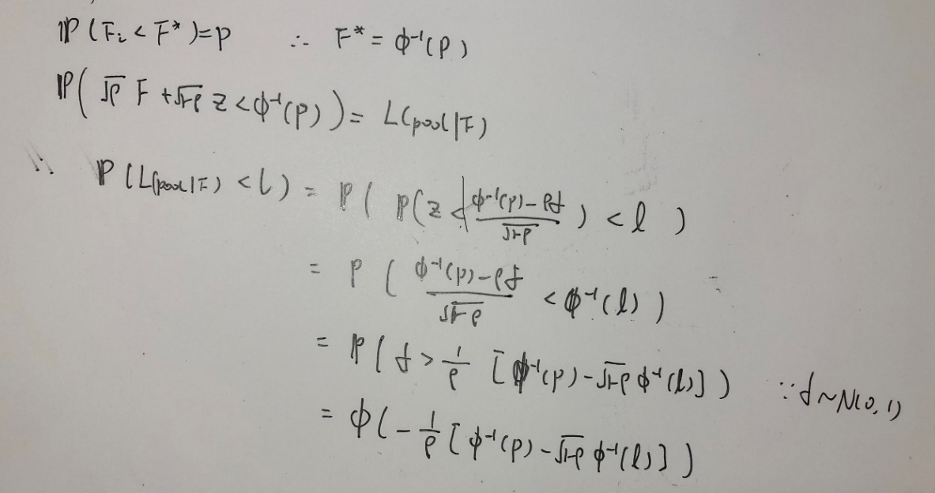
4)

user input | rho | p
 | 0.3 | 0.5

l | 0.025 | 0.05 | 0.075 | 0.1 | 0.125 | 0.15 | 0.175 | 0.2 | 0.225 | 0.25 | 0.275 | 0.3 | 0.325 | 0.35 | 0.375 | 0.4 | 0.425 | 0.45 | 0.475 | 0.5 | 0.525 | 0.55 | 0.575 | 0.6 | 0.625 | 0.65 | 0.675 | 0.7 | 0.725 | 0.75 | 0.775 | 0.8 | 0.825 | 0.85 | 0.875 | 0.9 | 0.925 | 0.95 | 0.975
output Prob. | 2.3005045423E-08 | 2.2453170111E-06 | 2.976558974E-05 | 0.0001757330471 | 0.00066790990553 | 0.0019233029267 | 0.0045743757307 | 0.0094583240771 | 0.017569547449 | 0.029981739916 | 0.047749910978 | 0.071804428373 | 0.10284924705 | 0.14127525999 | 0.18709755969 | 0.2399226769 | 0.29894886419 | 0.36299947123 | 0.43058662959 | 0.5 | 0.56941337041 | 0.63700052877 | 0.70105113581 | 0.7600773231 | 0.81290244031 | 0.85872474001 | 0.89715075295 | 0.92819557163 | 0.95225008902 | 0.97001826008 | 0.98243045255 | 0.99054167592 | 0.99542562427 | 0.99807669707 | 0.99933209009 | 0.99982426695 | 0.99997023441 | 0.99999775468 | 0.99999997699

5)
p=0.25 | rho=0.1
l | 0.025 | 0.05 | 0.075 | 0.1 | 0.125 | 0.15 | 0.175 | 0.2 | 0.225 | 0.25 | 0.275 | 0.3 | 0.325 | 0.35 | 0.375 | 0.4 | 0.425 | 0.45 | 0.475 | 0.5 | 0.525 | 0.55 | 0.575 | 0.6 | 0.625 | 0.65 | 0.675 | 0.7 | 0.725 | 0.75 | 0.775 | 0.8 | 0.825 | 0.85 | 0.875 | 0.9 | 0.925 | 0.95 | 0.975
Prob. | 1.0894747752E-32 | 4.016754452E-19 | 2.394447224E-12 | 3.0994258755E-08 | 1.5345679897E-05 | 0.0010089911429 | 0.016944287513 | 0.10759452294 | 0.33665898347 | 0.63537594821 | 0.85859919685 | 0.96163621499 | 0.99265903958 | 0.99899728371 | 0.99990118196 | 0.99999292227 | 0.99999963038 | 0.99999998594 | 0.99999999961 | 0.99999999999 | 1 | 1 | 1 | 1 | 1 | 1 | 1 | 1 | 1 | 1 | 1 | 1 | 1 | 1 | 1 | 1 | 1 | 1 | 1
p=0.25 | rho=0.9
l | 0.025 | 0.05 | 0.075 | 0.1 | 0.125 | 0.15 | 0.175 | 0.2 | 0.225 | 0.25 | 0.275 | 0.3 | 0.325 | 0.35 | 0.375 | 0.4 | 0.425 | 0.45 | 0.475 | 0.5 | 0.525 | 0.55 | 0.575 | 0.6 | 0.625 | 0.65 | 0.675 | 0.7 | 0.725 | 0.75 | 0.775 | 0.8 | 0.825 | 0.85 | 0.875 | 0.9 | 0.925 | 0.95 | 0.975
Prob. | 0.52422956874 | 0.56808091185 | 0.59624256457 | 0.61758404831 | 0.63504358293 | 0.64998037484 | 0.66314139039 | 0.67498391426 | 0.68580964557 | 0.69582897881 | 0.70519509639 | 0.71402347957 | 0.72240376142 | 0.73040728514 | 0.73809212372 | 0.74550653271 | 0.75269140166 | 0.75968204736 | 0.76650956558 | 0.7732018832 | 0.7797846077 | 0.78628174348 | 0.79271632825 | 0.79911103425 | 0.80548877644 | 0.8118733735 | 0.81829031762 | 0.82476773007 | 0.83133761619 | 0.83803760002 | 0.84491343967 | 0.85202285571 | 0.85944167275 | 0.86727429245 | 0.87567295148 | 0.88487679868 | 0.89530287945 | 0.90780778454 | 0.92479633635
Prob. rho=0.1
Prob. rho=0.9

If all loans are highly correlate with market factor, then all loans behave in a cluster, the default will depend more on market macro factor, then the variance of balance will be great.Investors may have less loss and may have great loss as well
If all loans are less correlate with market factor, then all loans behave individually, like a standard normal distribution, then the variance of balance will be really small, investors will have 25% loss almost for sure

