exercise5
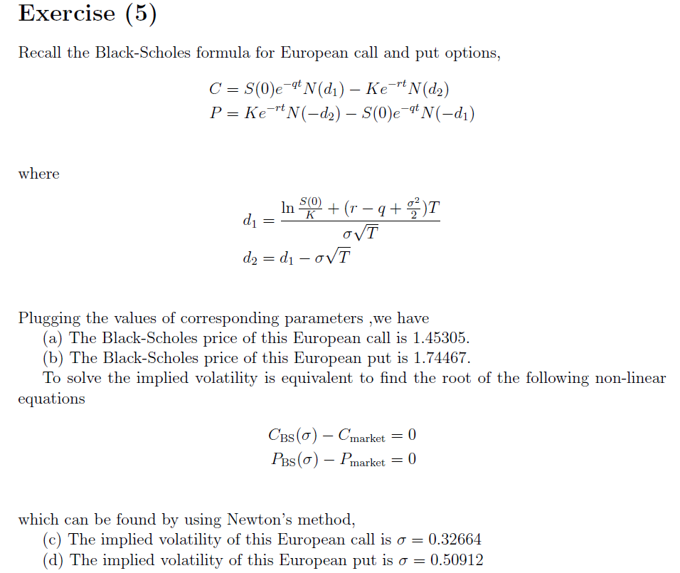

exercise6
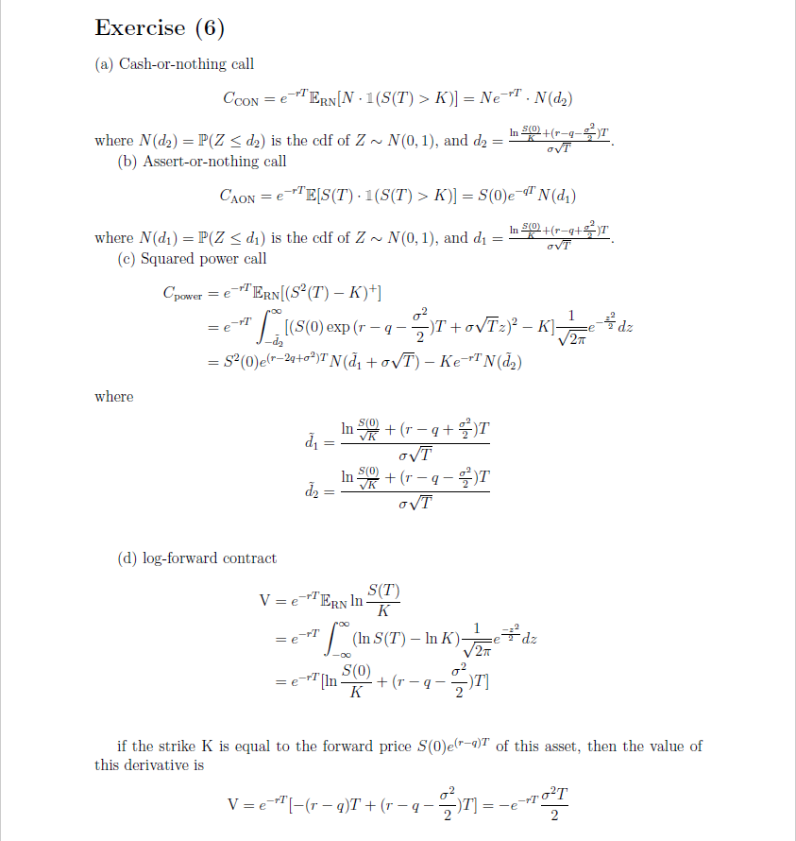

app1
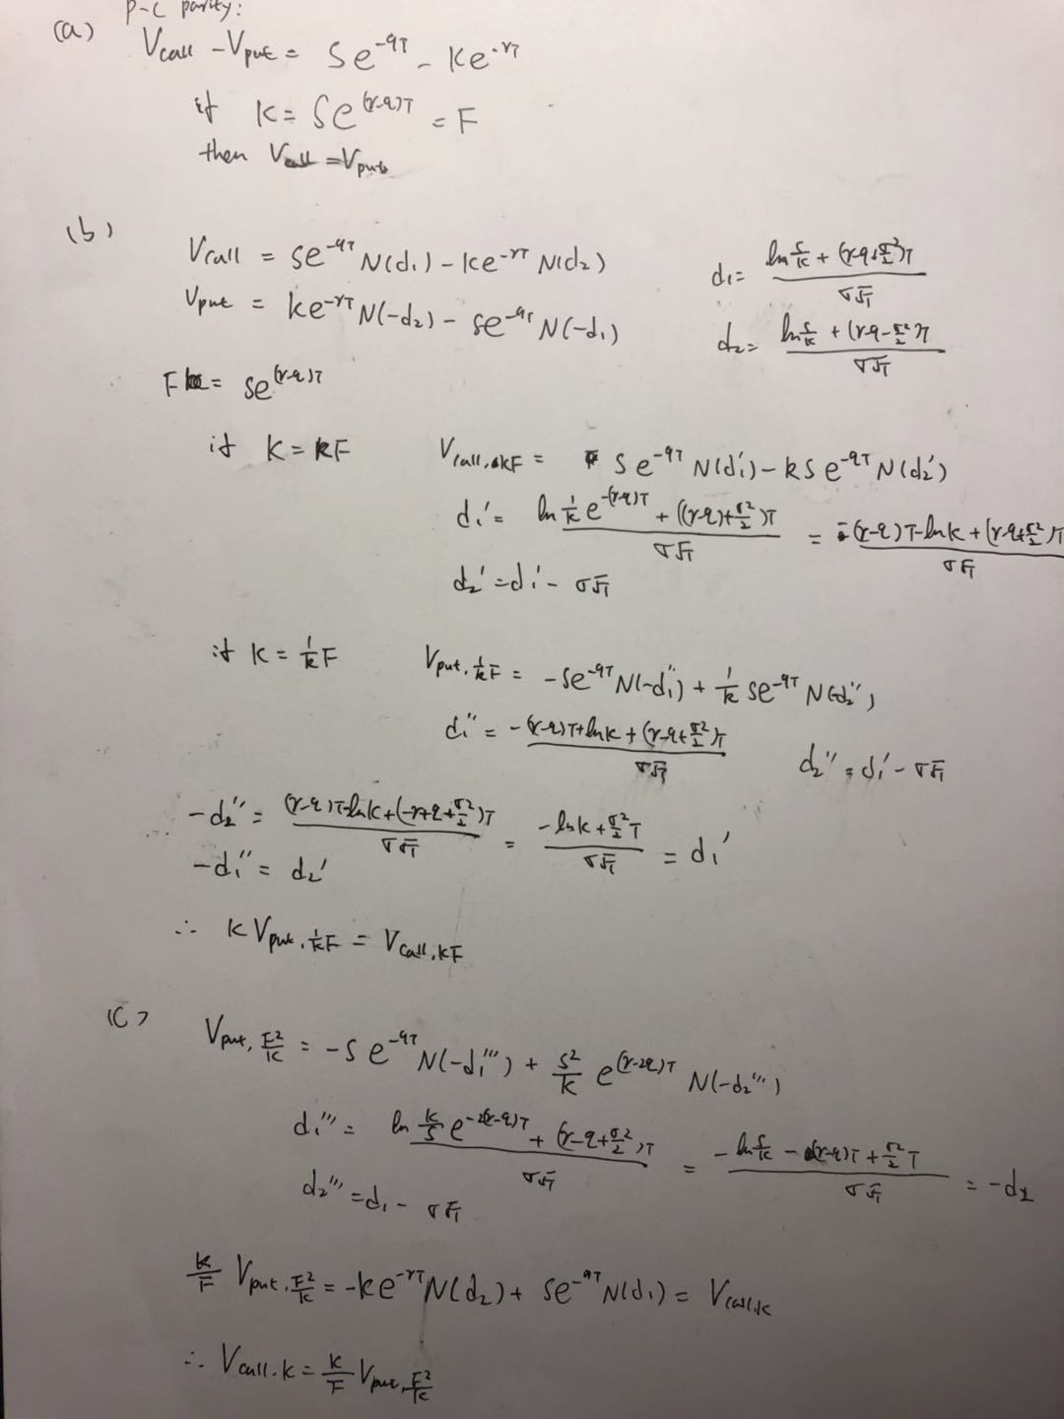

app2
S0 | 100
r | 0.01
q | 0
sigma | 0.25
T | 0.25

a) | (a) For strikes running from 50 to 200, spaced 5 apart, compute the Black-Scholes value
 | of the corresponding OTMf option (a put option if the strike is less than the forward, a
 | call option otherwise). Implement a VBA function that takes a call / put price and solves
 | for the implied volatility, and verify that your function returns the same volatility, up to
 | estimation error, for all of your options.

 | K | OTMf option |  | attribute | implied vol |  | forward price
 | 50 | 1.9569914315E-08 |  | put | 0.25 |  | 100.25031276
 | 55 | 1.3973594722E-06 |  | put | 0.25
 | 60 | 4.2776530745E-05 |  | put | 0.25
 | 65 | 0.00067165050267 |  | put | 0.25
 | 70 | 0.0061884863754 |  | put | 0.25
 | 75 | 0.037110543775 |  | put | 0.25
 | 80 | 0.15711789691 |  | put | 0.25
 | 85 | 0.50129249225 |  | put | 0.25
 | 90 | 1.27108281 |  | put | 0.25
 | 95 | 2.6763013415 |  | put | 0.25
 | 100 | 4.8534624219 |  | put | 0.25
 | 105 | 3.0780154524 |  | call | 0.25
 | 110 | 1.7379310956 |  | call | 0.25
 | 115 | 0.92096506727 |  | call | 0.25
 | 120 | 0.45972632522 |  | call | 0.25
 | 125 | 0.21709794976 |  | call | 0.25
 | 130 | 0.097424352585 |  | call | 0.25
 | 135 | 0.041733703921 |  | call | 0.25
 | 140 | 0.017139515425 |  | call | 0.25
 | 145 | 0.0067761460201 |  | call | 0.25
 | 150 | 0.0025887940117 |  | call | 0.25
 | 155 | 0.00095911723153 |  | call | 0.25
 | 160 | 0.00034570534318 |  | call | 0.25
 | 165 | 0.00012158452224 |  | call | 0.25
 | 170 | 4.1835999104E-05 |  | call | 0.25
 | 175 | 1.4118099091E-05 |  | call | 0.25
 | 180 | 4.6828758223E-06 |  | call | 0.25
 | 185 | 1.5297684283E-06 |  | call | 0.25
 | 190 | 4.9306041381E-07 |  | call | 0.25
 | 195 | 1.5705323552E-07 |  | call | 0.25
 | 200 | 4.9511962482E-08 |  | call | 0.25

b)
 | m | forward price
 | 0.2 | 100.25031276
 | tao
 | 4
 | lambda
 | 0.25

c)

d)and e)

 |  |  | `
 | K | OTMf option |  | attribute | implied vol | forward price |  | m | tao | lambda
 | 50 | 0.00016015059127 |  | put | 0.35958196425 | 100.25031276 |  | 0.2 | 4 | 0.25
 | 55 | 0.00088114043317 |  | put | 0.34711047527
 | 60 | 0.0039278428697 |  | put | 0.33504116732
vol skew
 | 65 | 0.014847632777 |  | put | 0.32370050916
 | 70 | 0.048344560738 |  | put | 0.31290155579
 | 75 | 0.13697686307 |  | put | 0.30231411514
 | 80 | 0.34543678678 |  | put | 0.29233684378
 | 85 | 0.78862761961 |  | put | 0.2837349381
 | 90 | 1.633805068 |  | put | 0.27691176956
 | 95 | 3.0636499827 |  | put | 0.27176796684
 | 100 | 5.2105081804 |  | put | 0.26796297799
 | 105 | 3.3671709766 |  | call | 0.26514180959
 | 110 | 1.9468750385 |  | call | 0.26302143897
 | 115 | 1.0575054992 |  | call | 0.2613982151
 | 120 | 0.54137076256 |  | call | 0.2601309921
 | 125 | 0.26223038996 |  | call | 0.25912270084
 | 130 | 0.12069784008 |  | call | 0.25830613586
 | 135 | 0.053018225263 |  | call | 0.25763414339
 | 140 | 0.022320125652 |  | call | 0.25707309992
 | 145 | 0.0090419621049 |  | call | 0.25659862086
 | 150 | 0.0035380287442 |  | call | 0.2561926412
 | 155 | 0.0013418684666 |  | call | 0.2558417599
 | 160 | 0.0004948839165 |  | call | 0.25553567245
 | 165 | 0.00017799890874 |  | call | 0.25526644875
 | 170 | 6.2605837034E-05 |  | call | 0.25502788423
 | 175 | 2.1585064599E-05 |  | call | 0.25481506431
 | 180 | 7.3112784083E-06 |  | call | 0.25462405099
 | 185 | 2.4378456258E-06 |  | call | 0.25445165371
 | 190 | 8.016456799E-07 |  | call | 0.25429525917
 | 195 | 2.6039883427E-07 |  | call | 0.25415289532
 | 200 | 8.3680892869E-08 |  | call | 0.25402253845

 | comment | It is possible that the stock price jumps down in the future, then the price for a lower K will be higher than plain vanilla options, thus we have a higher implied volatility

