Grade
Problem 1 comments:
Grade: 100%
Problem | Weight | Score
1 | 17% | 100%
2 | 17% | 95%
3 | 17% | 90%
Problem 2 comments:
1) Part d): it is not clear how the numbers highlighted in yellow are found.
Grade: 95%
4 | 17% | 100%
5 | 17% | 100%
6 | 15% | 60%

 | Grade | 0.91

Problem 3 comments:
1)Lack of showing the work. You are not being penalized significantly because of our discussion over the email.
Grade: 90%

Problem 4 comments:
Grade: 100%

Problem 5 comments:
Grade: 100%

Problem 6 comments:
1. There is no jutification for part a).
2. Part b) is not elaborated
3. Your homework seems very similar to that of another group.
Grade: 60%

exercise3
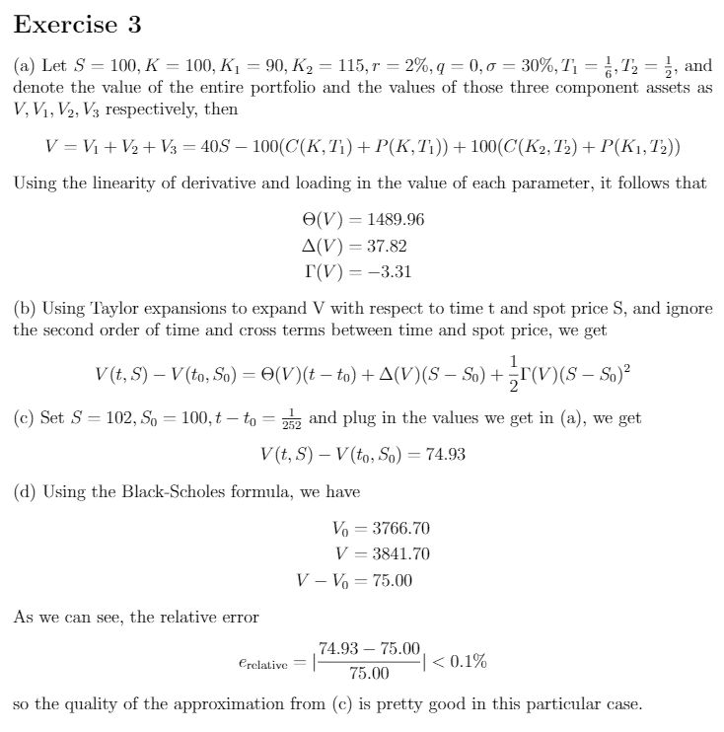

exercise4
4. Graph the payoff VT of the portfolio below versus the terminal spot price ST. All options have the same expiry:

long 1 share | short 2 puts with K=30 | long 2 puts with K=40 | long 2 calls with K=35 | short 4 calls with K=50 | Total Value
0 | -30 | 80 | 0 | 0 | 50
1 | -29 | 78 | 0 | 0 | 50
2 | -28 | 76 | 0 | 0 | 50
3 | -27 | 74 | 0 | 0 | 50
4 | -26 | 72 | 0 | 0 | 50
5 | -25 | 70 | 0 | 0 | 50
6 | -24 | 68 | 0 | 0 | 50
7 | -23 | 66 | 0 | 0 | 50
8 | -22 | 64 | 0 | 0 | 50
9 | -21 | 62 | 0 | 0 | 50
10 | -20 | 60 | 0 | 0 | 50
11 | -19 | 58 | 0 | 0 | 50
12 | -18 | 56 | 0 | 0 | 50
13 | -17 | 54 | 0 | 0 | 50
14 | -16 | 52 | 0 | 0 | 50
15 | -15 | 50 | 0 | 0 | 50
16 | -14 | 48 | 0 | 0 | 50
17 | -13 | 46 | 0 | 0 | 50
18 | -12 | 44 | 0 | 0 | 50
19 | -11 | 42 | 0 | 0 | 50
20 | -10 | 40 | 0 | 0 | 50
21 | -9 | 38 | 0 | 0 | 50
22 | -8 | 36 | 0 | 0 | 50
23 | -7 | 34 | 0 | 0 | 50
24 | -6 | 32 | 0 | 0 | 50
25 | -5 | 30 | 0 | 0 | 50
26 | -4 | 28 | 0 | 0 | 50
27 | -3 | 26 | 0 | 0 | 50
28 | -2 | 24 | 0 | 0 | 50
29 | -1 | 22 | 0 | 0 | 50
30 | 0 | 20 | 0 | 0 | 50
31 | 0 | 18 | 0 | 0 | 49
32 | 0 | 16 | 0 | 0 | 48
33 | 0 | 14 | 0 | 0 | 47
34 | 0 | 12 | 0 | 0 | 46
35 | 0 | 10 | 0 | 0 | 45
36 | 0 | 8 | 2 | 0 | 46
37 | 0 | 6 | 4 | 0 | 47
38 | 0 | 4 | 6 | 0 | 48
39 | 0 | 2 | 8 | 0 | 49
40 | 0 | 0 | 10 | 0 | 50
41 | 0 | 0 | 12 | 0 | 53
42 | 0 | 0 | 14 | 0 | 56
43 | 0 | 0 | 16 | 0 | 59
44 | 0 | 0 | 18 | 0 | 62
45 | 0 | 0 | 20 | 0 | 65
46 | 0 | 0 | 22 | 0 | 68
47 | 0 | 0 | 24 | 0 | 71
48 | 0 | 0 | 26 | 0 | 74
49 | 0 | 0 | 28 | 0 | 77
50 | 0 | 0 | 30 | 0 | 80
51 | 0 | 0 | 32 | -4 | 79
52 | 0 | 0 | 34 | -8 | 78
53 | 0 | 0 | 36 | -12 | 77
54 | 0 | 0 | 38 | -16 | 76
55 | 0 | 0 | 40 | -20 | 75
56 | 0 | 0 | 42 | -24 | 74
57 | 0 | 0 | 44 | -28 | 73
58 | 0 | 0 | 46 | -32 | 72
59 | 0 | 0 | 48 | -36 | 71
60 | 0 | 0 | 50 | -40 | 70
61 | 0 | 0 | 52 | -44 | 69
62 | 0 | 0 | 54 | -48 | 68
63 | 0 | 0 | 56 | -52 | 67
64 | 0 | 0 | 58 | -56 | 66
65 | 0 | 0 | 60 | -60 | 65
66 | 0 | 0 | 62 | -64 | 64
67 | 0 | 0 | 64 | -68 | 63
68 | 0 | 0 | 66 | -72 | 62
69 | 0 | 0 | 68 | -76 | 61
70 | 0 | 0 | 70 | -80 | 60
71 | 0 | 0 | 72 | -84 | 59
72 | 0 | 0 | 74 | -88 | 58
73 | 0 | 0 | 76 | -92 | 57
74 | 0 | 0 | 78 | -96 | 56
75 | 0 | 0 | 80 | -100 | 55
76 | 0 | 0 | 82 | -104 | 54
77 | 0 | 0 | 84 | -108 | 53
78 | 0 | 0 | 86 | -112 | 52
79 | 0 | 0 | 88 | -116 | 51
80 | 0 | 0 | 90 | -120 | 50
81 | 0 | 0 | 92 | -124 | 49
82 | 0 | 0 | 94 | -128 | 48
83 | 0 | 0 | 96 | -132 | 47
84 | 0 | 0 | 98 | -136 | 46
85 | 0 | 0 | 100 | -140 | 45
86 | 0 | 0 | 102 | -144 | 44
87 | 0 | 0 | 104 | -148 | 43
88 | 0 | 0 | 106 | -152 | 42
89 | 0 | 0 | 108 | -156 | 41
90 | 0 | 0 | 110 | -160 | 40
91 | 0 | 0 | 112 | -164 | 39
92 | 0 | 0 | 114 | -168 | 38
93 | 0 | 0 | 116 | -172 | 37
94 | 0 | 0 | 118 | -176 | 36
95 | 0 | 0 | 120 | -180 | 35
96 | 0 | 0 | 122 | -184 | 34
97 | 0 | 0 | 124 | -188 | 33
98 | 0 | 0 | 126 | -192 | 32
99 | 0 | 0 | 128 | -196 | 31

exercise 5
