Instruction
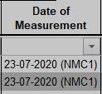
NMC2 report (D18)
NMC1 report (D17)
Consolidated report (NMC1 + NMC2 )
Instruction to use TR Consolidation
Step 1 : Prepend TR naming numerically in ascending order of loop.

Step 2:(a)Click on "Add-ins" tab in menu bar (b)Select "consolidation macro"

Step 3: Enter the Cavity number(should be > 0).Press "OK"
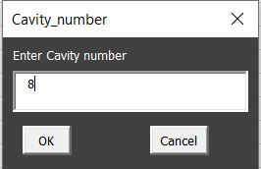
Step 4: Enter the iteration number/Number of loops (should be > 1).Press "OK"
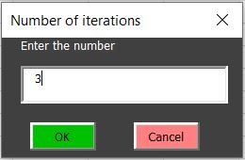
Step5:Select all Tabulated reports and click "Open". Wait for few moments
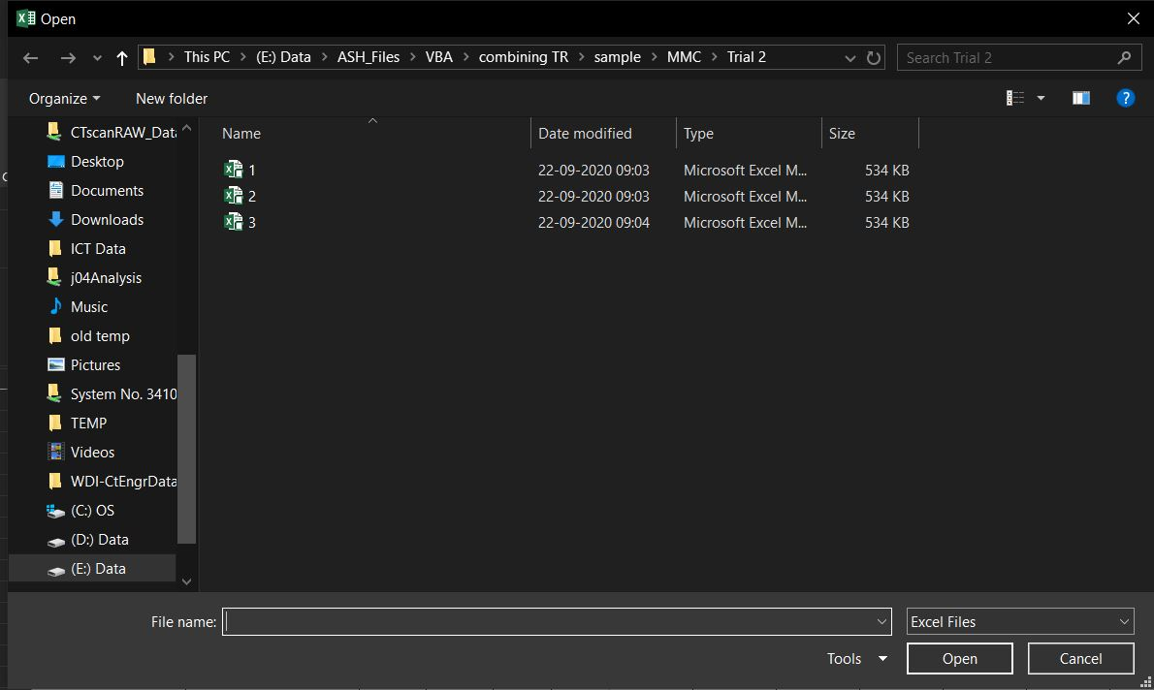
Step 6. copy and paste the consolidated data to fresh TE tabulated report format.

Things to remember
•Balloon id naming should be exactly same in all Tabulated reports
•features should start from 7th row
•The namings should be as per ATT_EMEA_085_9 (Topic : 5.4.17)
•Selected number of TR and entered number of iteration should be same
•Number of cavities should be same in all TR
•All the Notes Should be Prepend with "Note-". Eg : Note-1
•Reason for request and the Date of Measurement to be filled respectively (Applicable to D18)
•Reason for request should appended with the date. Eg: "Date (reason)" if D17 version used for consolidation

