DimensionalReport
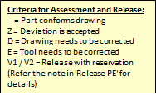
 | TE Part Number* |  | TE Tool Number* |  | TE Report # |  |  |  |  | Revision of Dimensional Report |  |  |  |  | Order #
 | <1-1111111-1> Rev. <A> |  | <51-12345> |  | <1234> |  |  |  |  | <1> |  |  |  |  | <123456789>
 |  |  |  |  |  | actual Dim. | actual Dim. | Devia-tion | Devia-tion |  |  |  |  |  |  | Taguchi Quality Loss Function
Position No. | Description | Nominal | Unit | USL (Tol+) | LSL (Tol-) | Cav1 | Cav2 | Cav1 | Cav2 | Alignment Description | Remark Metrology | Date of Measurement | Report Reason | Release PE | Remark PE | Cav1 | Cav2
CavWork |  |  |  |  |  | a1 | a2 | b1 | b2 |  |  |  |  |  |  | c1 | c2

Help
Additional documentation
Number | Type | Name | Remark
PE-AUT-AA-00011 | Procedure | Verwaltung des Ausmeßberichtes | Working directive managing Dimensional Reports
PE-AUT-AV-00011-001 | Template | This document | This Document
PE-AUT-AV-00011-FAQ | Manual | Anleitung zur Verwaltung des Ausmeßberichtes | Manual for handling and managing Dimensional Reports
PE-AUT-AV-00011-SD | Manual | Dimension Report - supplier documentation | Detailed manual for creation of Dimensional Reports
QMP_EMEA_057 | Procedure | Production Release
QMP_EMEA_047 | Procedure | Dual Material Procedure
QMP_EMEA_025 | Procedure | Process & Tool Transfers | See chapter 6.3 for dimensions to be messured in terms of tool transfers
SWI_EMEA_085_3 | Specification | Digital Inspection Reporting
109-18166 | Specification | Vorgehensweise bei Messungen | Guideline for measuring

For latest versions of these documents check at DmTec or DocManager!
Suppliers: please contact your Tool Project Manager to obtain latest version of the supplier documentation.

Please avoid those typical errors with providing the dimensional report:
Master data in DocManager has an incorrect name.
New object created in DocManager for the Dimensional Report instead of revising the existing one.
Excel file has an incorrect name.
Header data incorrect/ incomplete.
Numbering of positions not correct/ doesn't mirror the numbers on the drawing.
Measuring drawing is inserted into dimensional report. Only insert pictures or an extract:
explaining orientation and coordinates of measured part. Measurement drawings should be attached
as seperate document towards the dimensional report within DM.TEC (menu "actions" \ "Add content…").
Measuring of shapes and orientation incorrect or mistakable.
Measuring incomplete, positions are missing.
Form is modified in forbidden way.
Conditional formats are deleted or overwritten in form.
Dimensions from previous measuring are missing.
New columns are entered to add new measurement result to the preceding measuring.
Dimensions and tolerances are transferred incorrectly from measuring drawing.
Check measuring results for obviously incorrect values.
Check measuring results if several results are identical in ALL decimal places, even in 1/100.
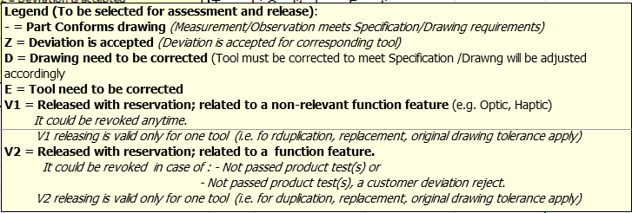
Dimensional Report contains links towards other files.

Handling the PSW:
Note: The PSW is required from suppliers, only.
Fill out the PSW form (sheet "PSW template")
Print out the form
! Sign the paper print !
Scan the signed print. Prefer *.jpg. Don't use *.bmp!
Copy&Paste the scan into the sheet "PSW".

Example for a completed PSW:

Example

