Instruction
Instruction to use VGRF Macro & Plausibility Check | Instruction to use Merge VGRF Macro
Step 1 : Keep VGRF Folders into a Master VGRF folder | Step 1 :Create a master folder and the individual Cavity folders manually
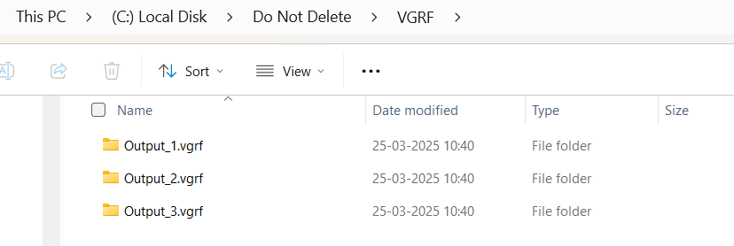 | 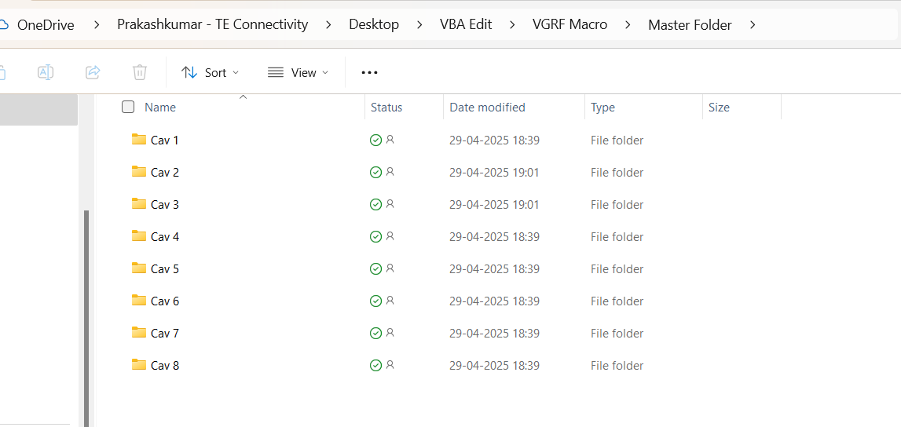
Each Output folder contains multiple volumes inside. If You are working with single Viewer File, the output folder will be 1, Still it it mandatory to keep in Master VGRF folder.Keep the Copy of the Macro excel file in the same folder | Each Cavity folder should contains single output with single volume inside , It is mandatory to keep in Master VGRF folder --> Individual cavity folders --> Drop all your respective outputs. Keep the Copy of the Macro excel file in the same folder.
Step 2:(a)Click on "Add-ins" tab in menu bar (b)Select "VGRF Macro" | Step 2:(a)Click on "Add-ins" tab in menu bar (b)Select "VGRF Macro"

Step 4: Once the Tabulated report populated, The plausibility window will pop up. | Step 3: The folders will be merged as per the requirement. Now you can run the VGRF TR macro
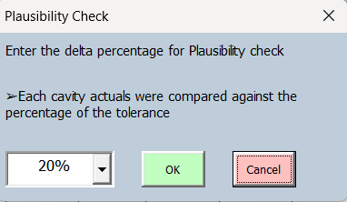
Choose the percentile for plausibility check,If nessasary override with manual Percentage →Click OK | For the Coming steps follow the instruction in the VGRF Macro and Plausibility check
Plausibility Check Step 1: (a)Click on "Add-ins" tab in menu bar (b)Select "Plausibility Check" | The Tabulated report will be populated

Step 2 :The plausibility window will pop up.
Choose the percentile for plausibility check (Refer Above)
Things to remember
•Always save the output in master folder
•The tabulated report contains Linear Size measurements and it is consolidated with Range if Min/Max values present
• If manual plausibility check, always keep the valid percentile value. Eg : ±1σ
• Manual Plausibility check always override the previous plausibility check

