251108092125877
Cartridge: N/A
Zero distance,
Zero offset: /
Velocity:
Ballistic coefficient: ()
Bullet weight, gr: 0
Bullet length, mm: 0
Bullet diameter, mm: 0

Rifle: N/A

Twist Rate, inches per turn:
Scope height, mm: 0
Vertical click, :
Horizontal click, :
Reticle:

Weather

Temperature: , ℉: 0
Humidity, %:
Pressure , inHg: 0
Altitude, ft: 0

Rifle
Projectile weight | 178.0 gr
Average velocity | 778.6 MPS
Minimum velocity | 776.4 MPS
Maximum velocity | 779.9 MPS
Standard deviation | 1.6 MPS
Extreme spread | 3.5 MPS
Average power factor | 454.7 KGR-FT/S
Average kinetic energy | 3496.4 J
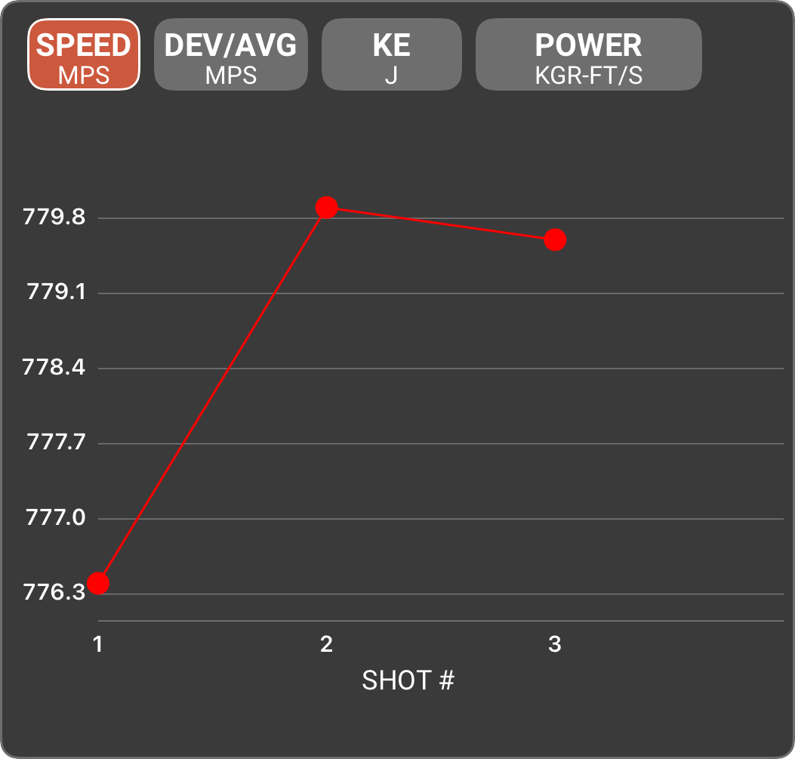
Session notes
SHOT # | SPEED (MPS) | DEV/AVG (MPS) | KE (J) | POWER FACTOR | TIME | CLEAN BORE | COLD BORE | SHOT NOTES
1 | 776.4 | -2.2 | 3476.4 | 453.4 | 9:25 AM
2 | 779.9 | 1.3 | 3507.8 | 455.5 | 9:25 AM
3 | 779.6 | 1.0 | 3505.1 | 455.3 | 9:25 AM

251108092742749
Cartridge: N/A
Zero distance,
Zero offset: /
Velocity:
Ballistic coefficient: ()
Bullet weight, gr: 0
Bullet length, mm: 0
Bullet diameter, mm: 0

Rifle: N/A

Twist Rate, inches per turn:
Scope height, mm: 0
Vertical click, :
Horizontal click, :
Reticle:

Weather

Temperature: , ℉: 0
Humidity, %:
Pressure , inHg: 0
Altitude, ft: 0

Rifle
Projectile weight | 40.0 gr
Average velocity | 984.0 MPS
Minimum velocity | 982.6 MPS
Maximum velocity | 985.4 MPS
Standard deviation | 1.1 MPS
Extreme spread | 2.8 MPS
Average power factor | 129.1 KGR-FT/S
Average kinetic energy | 1254.8 J
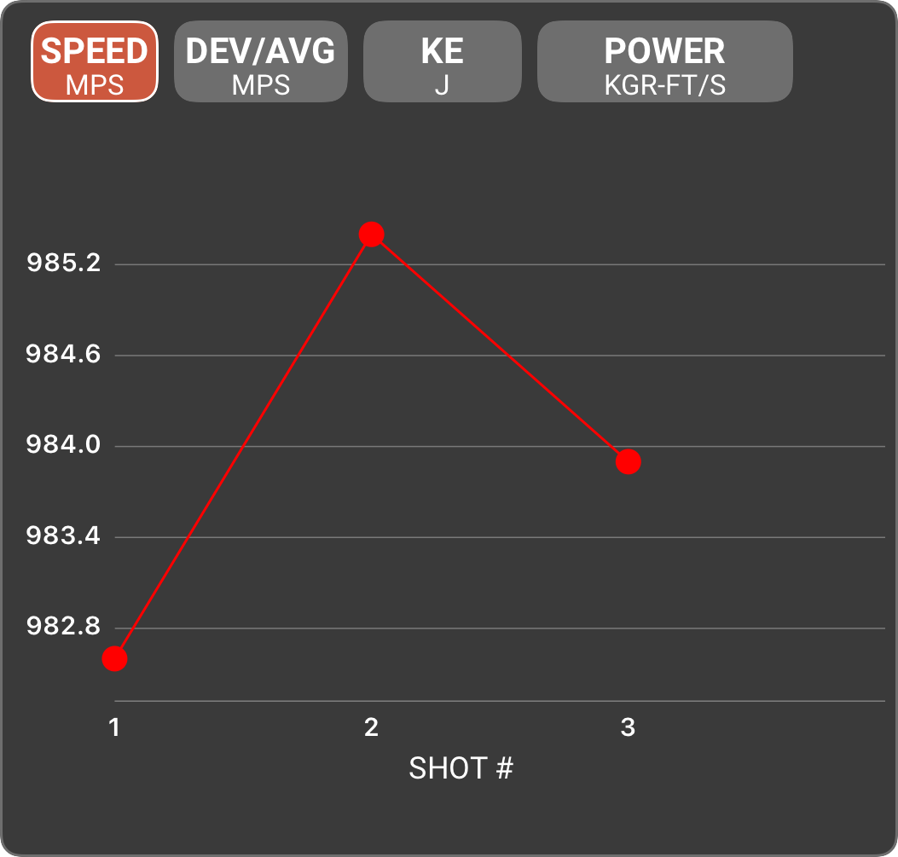
Session notes
SHOT # | SPEED (MPS) | DEV/AVG (MPS) | KE (J) | POWER FACTOR | TIME | CLEAN BORE | COLD BORE | SHOT NOTES
1 | 982.6 | -1.4 | 1251.3 | 129.0 | 9:27 AM
2 | 985.4 | 1.4 | 1258.4 | 129.3 | 9:28 AM
3 | 983.9 | -0.1 | 1254.6 | 129.1 | 9:28 AM

251108093906954
Cartridge: N/A
Zero distance,
Zero offset: /
Velocity:
Ballistic coefficient: ()
Bullet weight, gr: 0
Bullet length, mm: 0
Bullet diameter, mm: 0

Rifle: N/A

Twist Rate, inches per turn:
Scope height, mm: 0
Vertical click, :
Horizontal click, :
Reticle:

Weather

Temperature: , ℉: 0
Humidity, %:
Pressure , inHg: 0
Altitude, ft: 0

Rifle
Projectile weight | 130.0 gr
Average velocity | 853.9 MPS
Minimum velocity | 851.2 MPS
Maximum velocity | 858.6 MPS
Standard deviation | 3.3 MPS
Extreme spread | 7.4 MPS
Average power factor | 364.2 KGR-FT/S
Average kinetic energy | 3071.2 J
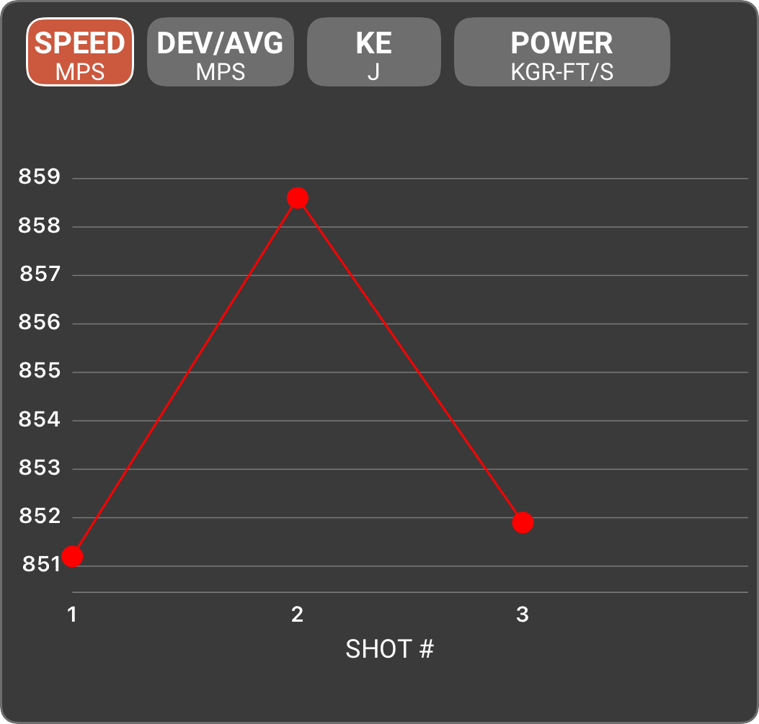
Session notes
SHOT # | SPEED (MPS) | DEV/AVG (MPS) | KE (J) | POWER FACTOR | TIME | CLEAN BORE | COLD BORE | SHOT NOTES
1 | 851.2 | -2.7 | 3051.7 | 363.0 | 9:41 AM
2 | 858.6 | 4.7 | 3105.0 | 366.2 | 9:42 AM
3 | 851.9 | -2.0 | 3056.7 | 363.3 | 9:42 AM

251213121505681
Cartridge: N/A
Zero distance,
Zero offset: /
Velocity:
Ballistic coefficient: ()
Bullet weight, gr: 0
Bullet length, mm: 0
Bullet diameter, mm: 0

Rifle: N/A

Twist Rate, inches per turn:
Scope height, mm: 0
Vertical click, :
Horizontal click, :
Reticle:

Weather

Temperature: , ℃:
Humidity, %:
Pressure , hPa:
Altitude, m:

Rifle
Projectile weight | 130.0 gr
Average velocity | 820.6 MPS
Minimum velocity | 809.8 MPS
Maximum velocity | 828.3 MPS
Standard deviation | 5.0 MPS
Extreme spread | 18.5 MPS
Average power factor | 350.0 KGR-FT/S
Average kinetic energy | 2836.0 J
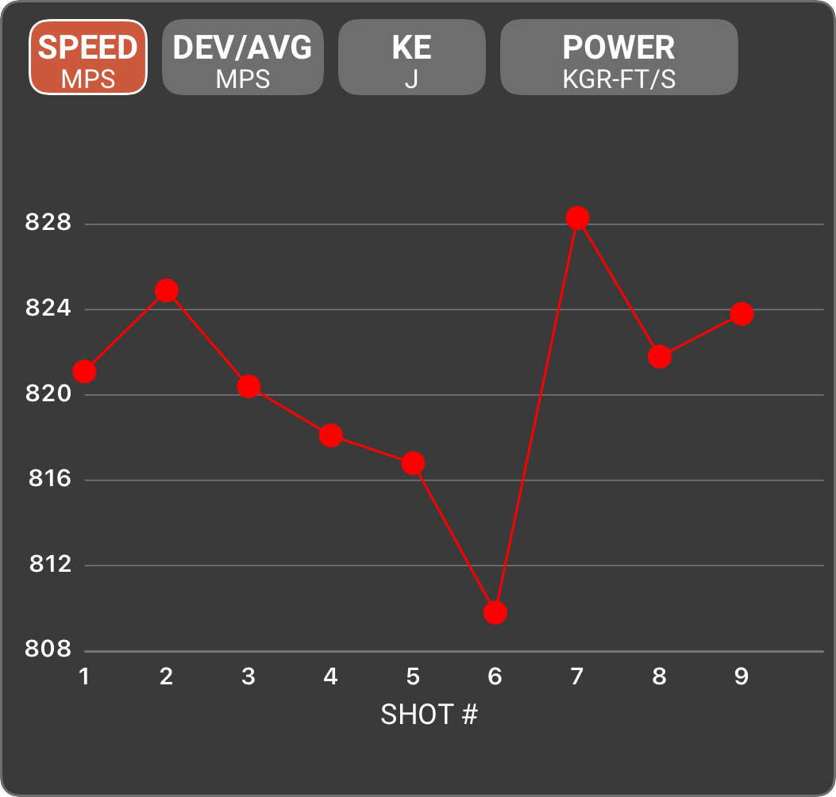
Session notes
SHOT # | SPEED (MPS) | DEV/AVG (MPS) | KE (J) | POWER FACTOR | TIME | CLEAN BORE | COLD BORE | SHOT NOTES
1 | 821.1 | 0.5 | 2839.7 | 350.2 | 12:16 PM
2 | 824.9 | 4.3 | 2866.0 | 351.8 | 12:19 PM
3 | 820.4 | -0.2 | 2834.9 | 349.9 | 12:20 PM
4 | 818.1 | -2.5 | 2819.0 | 348.9 | 12:23 PM
5 | 816.8 | -3.8 | 2810.0 | 348.4 | 12:24 PM
6 | 809.8 | -10.8 | 2762.1 | 345.4 | 12:24 PM
7 | 828.3 | 7.7 | 2889.7 | 353.3 | 12:27 PM
8 | 821.8 | 1.2 | 2844.5 | 350.5 | 12:28 PM
9 | 823.8 | 3.2 | 2858.4 | 351.4 | 12:28 PM

251213123201856
Cartridge: N/A
Zero distance,
Zero offset: /
Velocity:
Ballistic coefficient: ()
Bullet weight, gr: 0
Bullet length, mm: 0
Bullet diameter, mm: 0

Rifle: N/A

Twist Rate, inches per turn:
Scope height, mm: 0
Vertical click, :
Horizontal click, :
Reticle:

Weather

Temperature: , ℃:
Humidity, %:
Pressure , hPa:
Altitude, m:

Rifle
Projectile weight | 130.0 gr
Average velocity | 747.6 MPS
Minimum velocity | 746.0 MPS
Maximum velocity | 750.3 MPS
Standard deviation | 1.9 MPS
Extreme spread | 4.3 MPS
Average power factor | 318.8 KGR-FT/S
Average kinetic energy | 2353.9 J
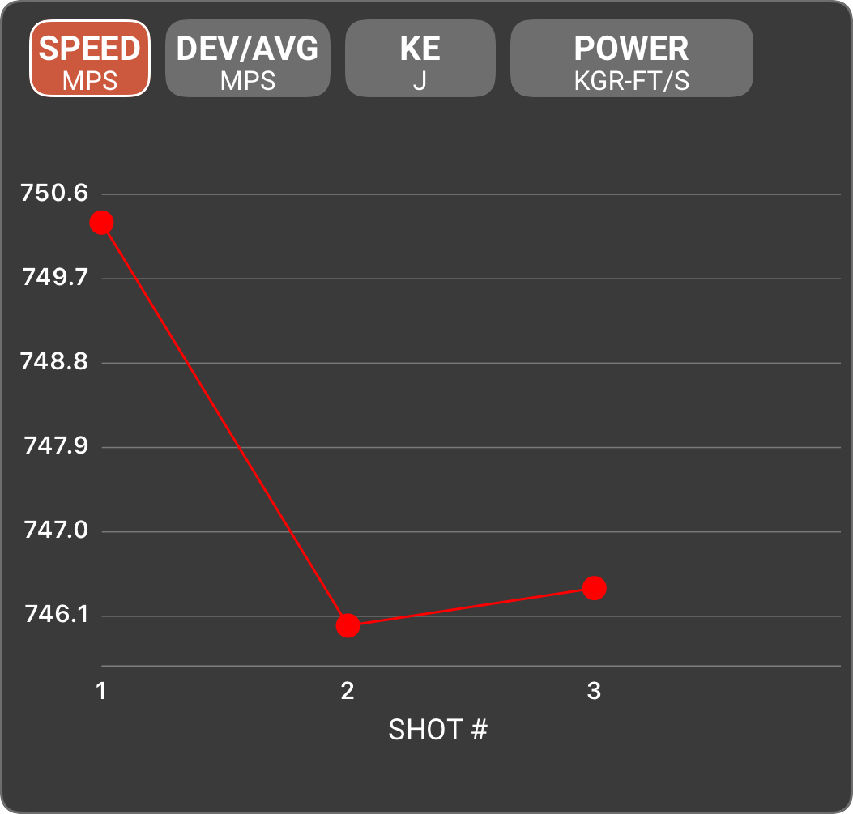
Session notes
SHOT # | SPEED (MPS) | DEV/AVG (MPS) | KE (J) | POWER FACTOR | TIME | CLEAN BORE | COLD BORE | SHOT NOTES
1 | 750.3 | 2.7 | 2371.1 | 320.0 | 12:32 PM
2 | 746.0 | -1.6 | 2344.0 | 318.2 | 12:32 PM
3 | 746.4 | -1.2 | 2346.5 | 318.3 | 12:32 PM

260213140157614
Cartridge: N/A
Zero distance,
Zero offset: /
Velocity:
Ballistic coefficient: ()
Bullet weight, gr: 0
Bullet length, mm: 0
Bullet diameter, mm: 0

Rifle: N/A

Twist Rate, inches per turn:
Scope height, mm: 0
Vertical click, :
Horizontal click, :
Reticle:

Weather

Temperature: , ℃:
Humidity, %:
Pressure , hPa:
Altitude, m:

Pistol
Projectile weight | 380.1 gr
Average velocity | 323.9 MPS
Minimum velocity | 311.4 MPS
Maximum velocity | 336.8 MPS
Standard deviation | 7.4 MPS
Extreme spread | 25.4 MPS
Average power factor | 403.9 KGR-FT/S
Average kinetic energy | 1292.5 J
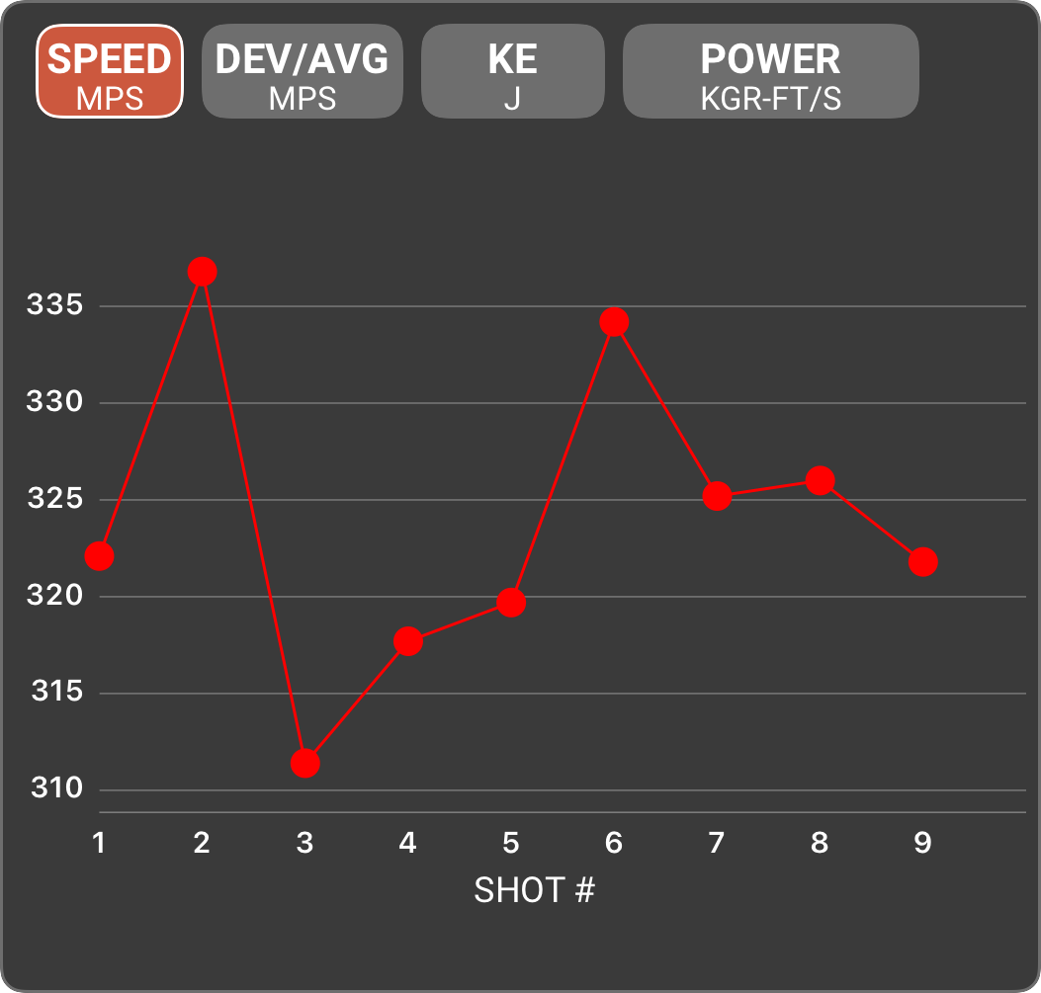
Session notes
SHOT # | SPEED (MPS) | DEV/AVG (MPS) | KE (J) | POWER FACTOR | TIME | CLEAN BORE | COLD BORE | SHOT NOTES
1 | 322.1 | -1.8 | 1277.7 | 401.7 | 2:02 PM
2 | 336.8 | 12.9 | 1396.9 | 420.0 | 2:02 PM
3 | 311.4 | -12.5 | 1194.2 | 388.3 | 2:02 PM
4 | 317.7 | -6.2 | 1243.0 | 396.2 | 2:02 PM
5 | 319.7 | -4.2 | 1258.7 | 398.7 | 2:02 PM
6 | 334.2 | 10.3 | 1375.5 | 416.8 | 2:02 PM
7 | 325.2 | 1.3 | 1302.4 | 405.5 | 2:02 PM
8 | 326.0 | 2.1 | 1308.8 | 406.5 | 2:02 PM
9 | 321.8 | -2.1 | 1275.3 | 401.3 | 2:02 PM

260213140630061
Cartridge: N/A
Zero distance,
Zero offset: /
Velocity:
Ballistic coefficient: ()
Bullet weight, gr: 0
Bullet length, mm: 0
Bullet diameter, mm: 0

Rifle: N/A

Twist Rate, inches per turn:
Scope height, mm: 0
Vertical click, :
Horizontal click, :
Reticle:

Weather

Temperature: , ℃:
Humidity, %:
Pressure , hPa:
Altitude, m:

Pistol
Projectile weight | 380.1 gr
Average velocity | 275.9 MPS
Minimum velocity | 166.5 MPS
Maximum velocity | 324.3 MPS
Standard deviation | 56.4 MPS
Extreme spread | 157.8 MPS
Average power factor | 344.1 KGR-FT/S
Average kinetic energy | 976.9 J
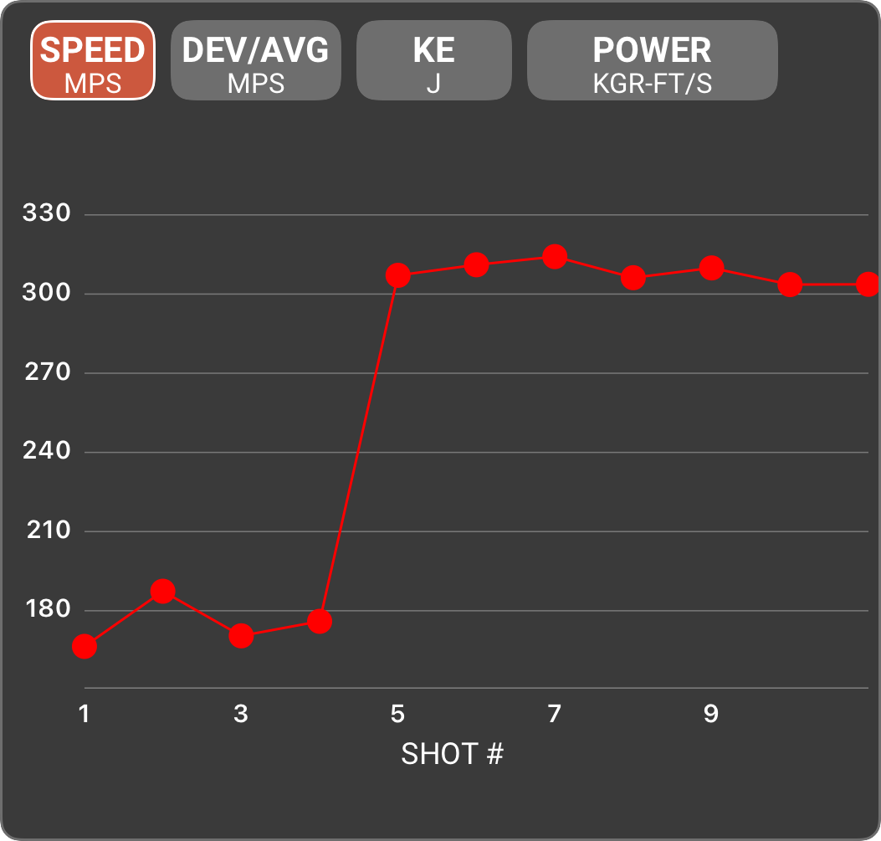
Session notes
SHOT # | SPEED (MPS) | DEV/AVG (MPS) | KE (J) | POWER FACTOR | TIME | CLEAN BORE | COLD BORE | SHOT NOTES
1 | 166.5 | -109.4 | 341.4 | 207.6 | 2:06 PM
2 | 187.4 | -88.5 | 432.5 | 233.7 | 2:06 PM
3 | 170.5 | -105.4 | 358.0 | 212.6 | 2:07 PM
4 | 176.0 | -99.9 | 381.5 | 219.5 | 2:07 PM
5 | 307.1 | 31.2 | 1161.4 | 383.0 | 2:08 PM
6 | 311.1 | 35.2 | 1191.9 | 388.0 | 2:08 PM
7 | 314.2 | 38.3 | 1215.8 | 391.8 | 2:08 PM
8 | 306.2 | 30.3 | 1154.6 | 381.8 | 2:08 PM
9 | 309.9 | 34.0 | 1182.7 | 386.5 | 2:08 PM
10 | 303.6 | 27.7 | 1135.1 | 378.6 | 2:08 PM
11 | 303.7 | 27.8 | 1135.9 | 378.7 | 2:08 PM
12 | 293.7 | 17.8 | 1062.3 | 366.3 | 2:09 PM
13 | 324.3 | 48.4 | 1295.2 | 404.4 | 2:13 PM
14 | 301.6 | 25.7 | 1120.2 | 376.1 | 2:13 PM
15 | 310.8 | 34.9 | 1189.6 | 387.6 | 2:13 PM
16 | 298.6 | 22.7 | 1098.0 | 372.4 | 2:13 PM
17 | 305.7 | 29.8 | 1150.9 | 381.2 | 2:13 PM

