Notes
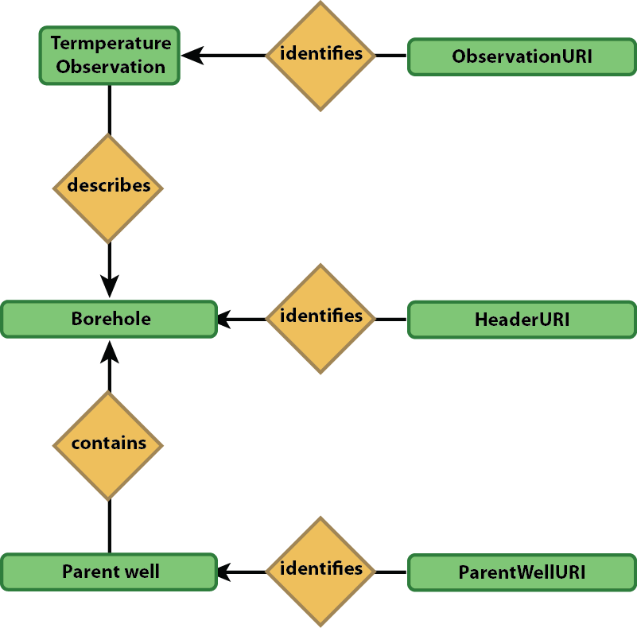
This workbook specifies a content model for reporting basic information describing a simple or complex borehole. Wells with multiple well bores may have separate records (rows) for each well bore, each with a distinct HeaderURI (record identifier); in this case, the ParentWellURI should provide the HeaderURI for the record representing the well. If multiple data items are associated with a single well header two possibilities are proposed here. In simple cases, the multiple values may be concatenated in a single text field using '|' as a delimiter. If the one to many relationship from the HeaderURI is to another resource (a sample, observation record, well log document, service, etc.), then the relationships may be recorded using the resource relation worksheet in this workbook, which asserts associations between URI's for resources. There are many fields in this template, and only the pink columns are required. The other fields are included for situations where that information has been recorded or is of sufficient interest to capture from paper records. Microsoft Excel outlining has been used to group related columns (which share the same color background for the column headings.) The outlining controls (at the top of the spreadsheet) may be used to collapse unused columns so they don't clutter the spreadsheet with empty columns. Users are invited to group columns they will not use to hide them.

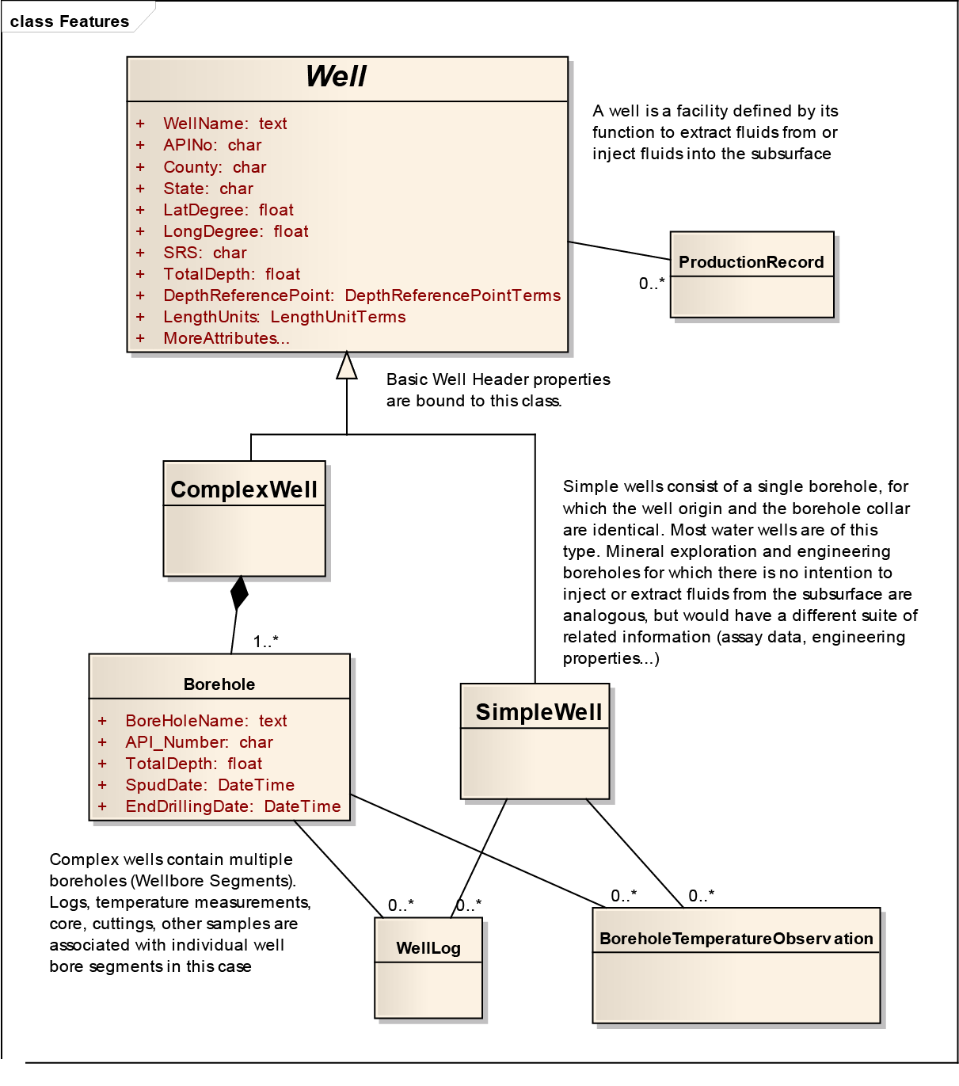
Notes
A well is a facility defined by its function to extract fluids from within the earth. A well may be a simple hole in the ground (generally not the kind of well's we're interested in here...), but in general a well consists of a dug shaft or drilled borehole. Drilled wells may include one or more boreholes that are accessed from the surface at an origin collar, which defines the origin of the well. Individual boreholes in the well my have origin points (collars) that are located within existing boreholes in the well (e.g. sidetracks). The most common situation, especially for water wells is a well consisting of a single borehole whose collar is coincident with the well origin.
Identifiers: Oil and gas wells are generally assigned API (American Petroleum Institute) numbers that serve as globally unique identifiers for a well. The API scheme allows identification of individual well bores within a well that has more that one well bore (see http://www.spwla.org/technical/api-technica). If this record is specific to a particular well bore (borehole), use the API number for the well bore. A URI is a 'universal resource Identifier'. For Wells or Boreholes that do not have an API number, another (ideally globally unique) identifier should be supplied. If a borehole service is available, this should be a resolvable http URI that will produce a description of the borehole using W3C conventions for non-information resources (303 response, content negotiation...).

color codes:
 | required field
 | Column headings are color coded to group them into related fields for convenience.

sheets in this workbook:
About: contains brief explanation of this workbook, workbook development history, and data revision history.
DatasetMetadata: contains information for name of agency and contacts for agency providing the information in this spreadsheet workbook.
WellHeaderTemplate: contains fields for description of a well or borehole. Fields are in column headings. Use Excel outlining (data/group) to hide unused fields. The idea is to load data into this spreadsheet for ETL into dataset to be used for service deployment.
FieldList: Table has one row for each header data element. Use to correlate the interchange format elements with content in existing databases at data providing agency.
DataValidTerms: collection of example controlled vocabulary lists; as the project progresses these should converge on vocabularies that can be used by all parties to achieve semantic interoperability. There are many lists here with terminology for different aspects of a well.
ReviewerComments: provides a form to use for requesting additional data, clarify apparent confusion, and explain requirements of specific fields. The form is meant to be initially used by the AZGS reviewer. When returned to the state, a responder should make notes of data changes made. If necessary, a follow-up review by AZGS will make additional notes.
Data log type codes: listing of compilation of log types from various sources, along with alphanumeric codes to abbreviate log type. Starting point for controlled vocabulary of log types. In long run, an ontology approach that categorizes the log type based on instrument used, property measured, and other facets will probably be useful.
AllLogTypes: list of unique log types and unique codes.
Diagram describing the relationship between URIs and resources in this content model

